profit_by_content_rating_apple
content_rating | count | avg_rating | avg_expected_profit
4+ | 199 | 4.0326633166 | 149471.35678
9+ | 42 | 4.2976190476 | 151552.38095
12+ | 65 | 4.1153846154 | 147403.07692
Average Expected Profit (App Store)
17+ | 22 | 3.75 | 132568.18182

profit_by_content_rating_play
content_rating | count | avg_rating | avg_expected_profit
Everyone | 374 | 4.3179144385 | 158690.90909
Everyone 10+ | 71 | 4.4225352113 | 166369.01408
Teen | 91 | 4.3538461538 | 160245.05495
Average Expected Profit (Play Store)
Mature 17+ | 17 | 4.3764705882 | 156158.82353

best_apps_by_content_rating_app
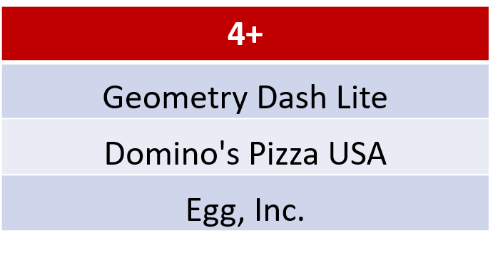
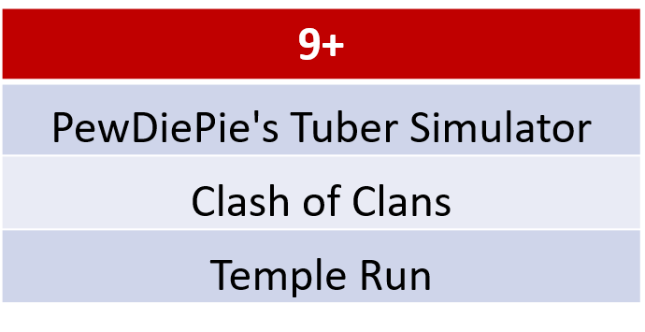
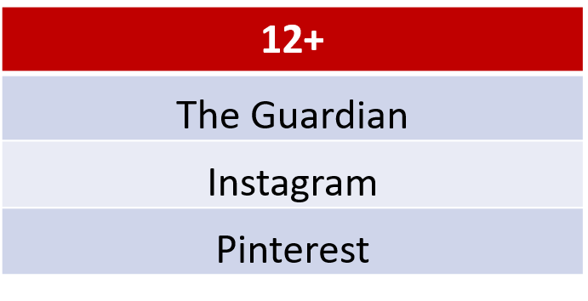
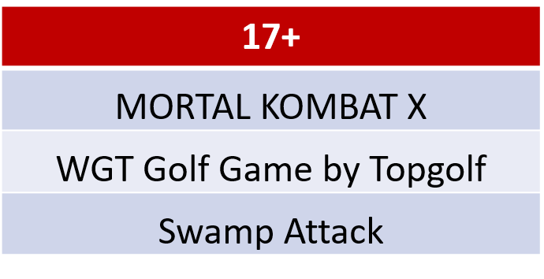
name | content_rating | expected_profit | profit_rank | review_count
The Guardian | 12+ | 188000 | 1 | 8176
Instagram | 12+ | 170000 | 2 | 2161558
Pinterest | 12+ | 170000 | 3 | 1061624
MORTAL KOMBAT X | 17+ | 170000 | 1 | 114475
WGT Golf Game by Topgolf | 17+ | 170000 | 2 | 53285
Swamp Attack | 17+ | 170000 | 3 | 16968
Geometry Dash Lite | 4+ | 188000 | 1 | 370370
Domino's Pizza USA | 4+ | 188000 | 2 | 258624
Egg, Inc. | 4+ | 188000 | 3 | 79074
PewDiePie's Tuber Simulator | 9+ | 188000 | 1 | 90851
Clash of Clans | 9+ | 170000 | 2 | 2130805
Temple Run | 9+ | 170000 | 3 | 1724546

best_apps_by_content_rating_pla
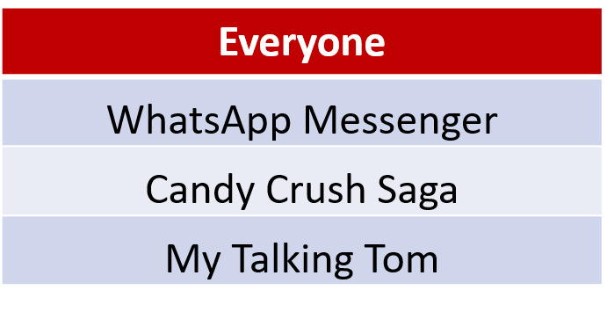
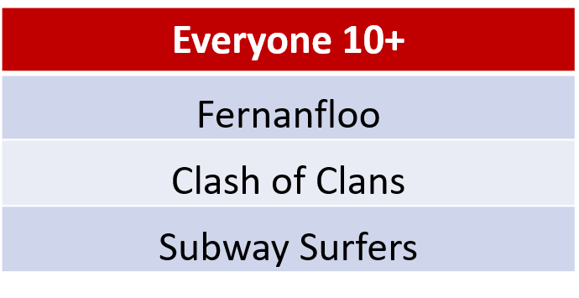
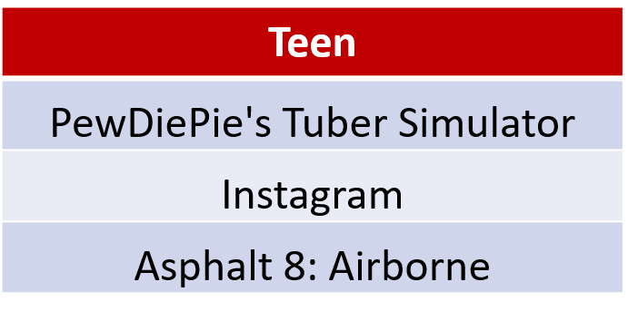
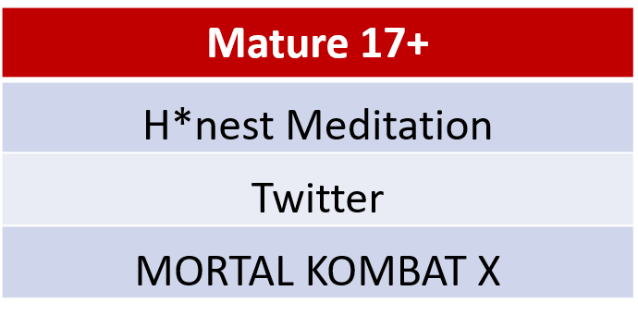
name | content_rating | expected_profit | profit_rank | review_count
WhatsApp Messenger | Everyone | 170000 | 1 | 69119316
Candy Crush Saga | Everyone | 170000 | 2 | 22430188
My Talking Tom | Everyone | 170000 | 3 | 14892469
Fernanfloo | Everyone 10+ | 188000 | 1 | 526595
Clash of Clans | Everyone 10+ | 170000 | 2 | 44893888
Subway Surfers | Everyone 10+ | 170000 | 3 | 27725352
H*nest Meditation | Mature 17+ | 178100 | 1 | 145
Twitter | Mature 17+ | 170000 | 2 | 11667403
MORTAL KOMBAT X | Mature 17+ | 170000 | 3 | 3039889
PewDiePie's Tuber Simulator | Teen | 188000 | 1 | 1499466
Instagram | Teen | 170000 | 2 | 66577446
Asphalt 8: Airborne | Teen | 170000 | 3 | 8389714

