Sheet1
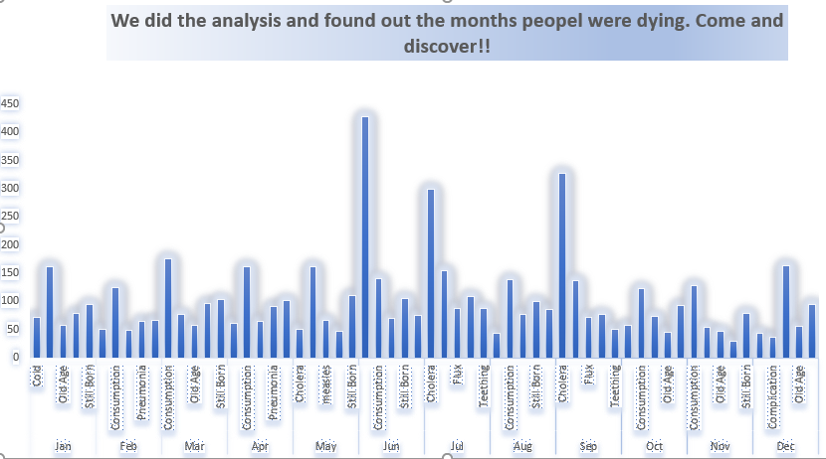
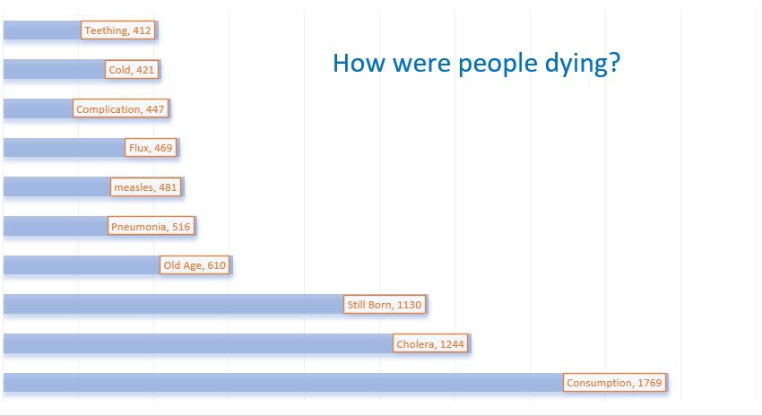
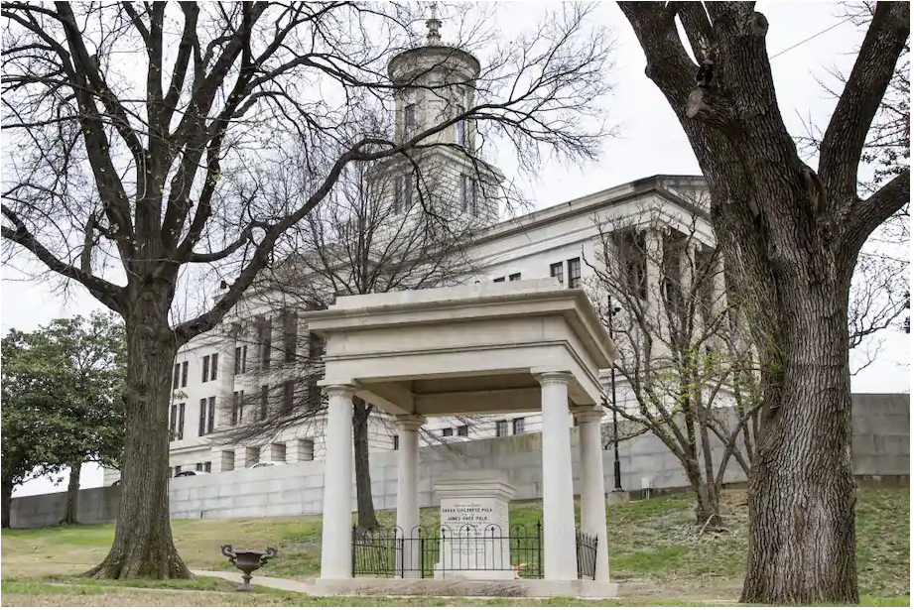

Do you know 1864 was the worst year interms of death count due to Battle of Nashville?
 | Total
1846 | 246
1847 | 476
1848 | 447
1849 | 745
1850 | 809
1851 | 385
1852 | 552
1853 | 429
1854 | 596
1855 | 476
1856 | 428
1857 | 402
1858 | 415
1859 | 482
1860 | 575
1861 | 455
1862 | 627
1863 | 836
1864 | 1372
1865 | 1366
1866 | 1354
1867 | 542
1868 | 504
1869 | 209
1870 | 312
1871 | 285
1872 | 283
1873 | 559
1874 | 337
1875 | 159
1876 | 148
1877 | 155
1878 | 118
1879 | 138
1880 | 204
1881 | 156
1882 | 111
1883 | 128
1884 | 99
1885 | 69
1886 | 70
1887 | 67
1888 | 50
1889 | 50
1890 | 46
1891 | 58
1892 | 48
1893 | 51
1894 | 55
1895 | 47
...
Spring Membership renewals are Open!
Join or Renew your NCCA Member ship today!
For more info please visit http://www.thenashvillecitycemetery.org/

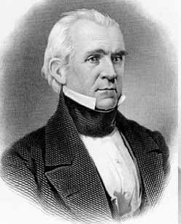
 | Have you ever wondered?
 | Where you want to lay down next to? A president may be?
 | What kills you more in June?
 | Why do we need peace now more than ever?

Come and explore more at Nashville City Cemetery !!

