Sheet1
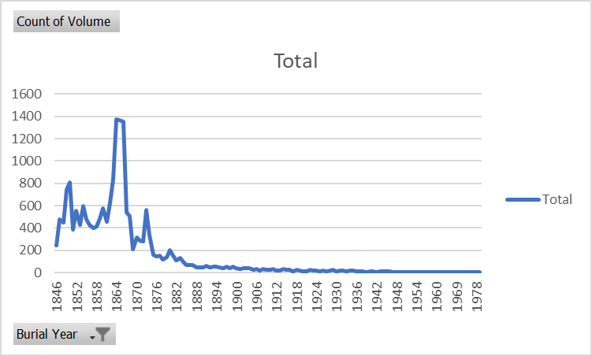
Count of Volume | Column Labels
Row Labels | F | M | Grand Total
0s | 1 | 1 | 2
1840s | 869 | 1034 | 1903
1850s | 2244 | 2630 | 4874
1860s | 3744 | 4063 | 7807
1870s | 1226 | 1208 | 2434
1880s | 507 | 467 | 974
1890s | 245 | 230 | 475
1900s | 167 | 157 | 324
1910s | 129 | 108 | 237
1920s | 95 | 80 | 175
1930s | 72 | 70 | 142
1940s | 38 | 40 | 78
1950s | 16 | 11 | 27
1960s | 8 | 7 | 15
1970s | 11 | 3 | 14
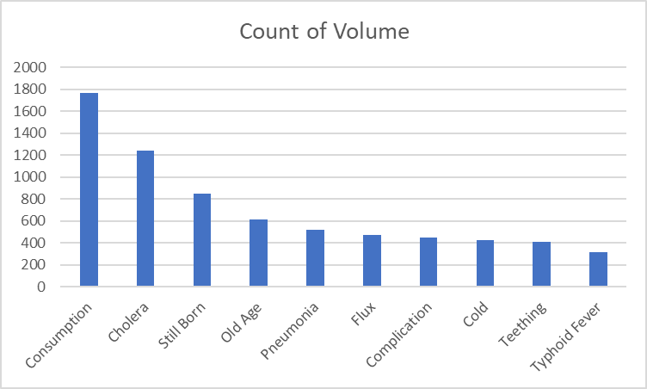
Grand Total | 9372 | 10109 | 19481

