Analysis
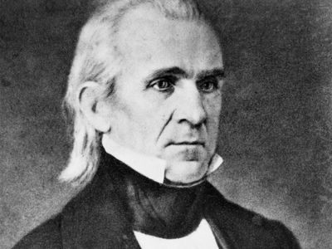
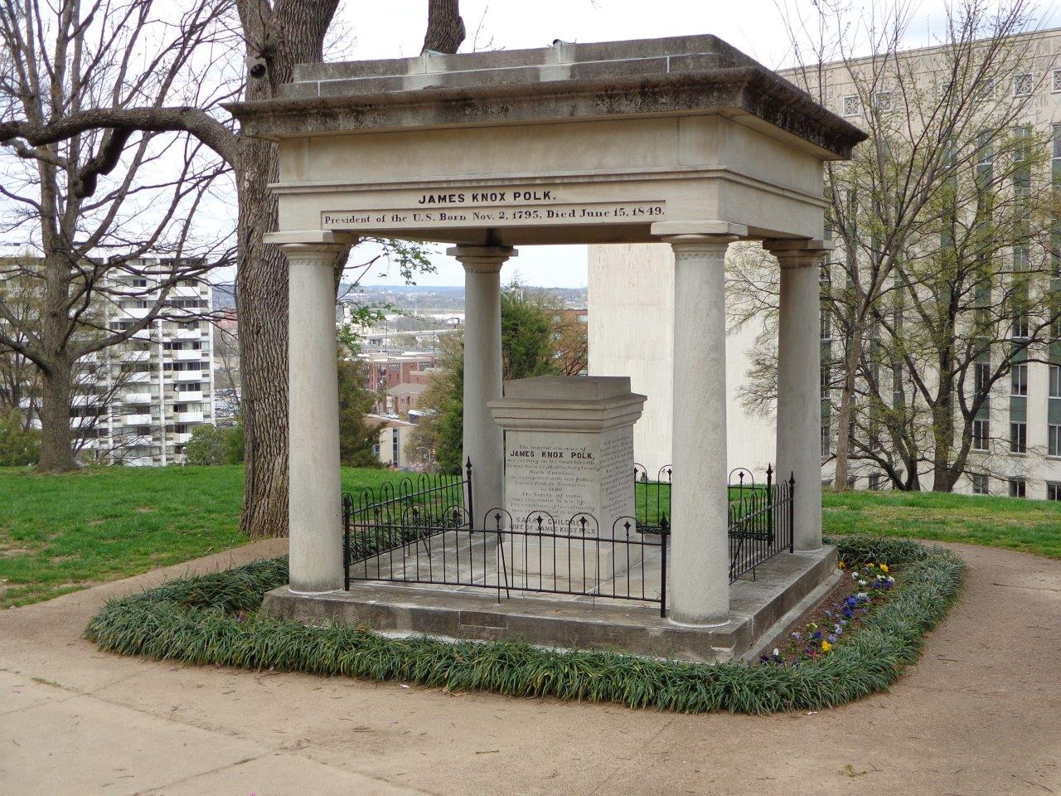
Most Frequent Cause of Death Since 1846
 | Count of Cause of Death/Burial
Consumption | 1783
Unknown | 1260
Cholera | 1244
Still Born | 852
Complication | 750
Not Known | 647
Pneumonia | 636
Old Age | 610
Flux | 469
Cold | 421
Burials/Year
1846 | 246
1847 | 476
1848 | 447
1849 | 745
1850 | 809
1851 | 385
1852 | 552
1853 | 429
1854 | 596
1855 | 476
1856 | 428
1857 | 402
1858 | 415
1859 | 482
1860 | 575
1861 | 455
1862 | 627
1863 | 836
1864 | 1372
1865 | 1366
1866 | 1354
1867 | 542
1868 | 504
1869 | 209
1870 | 312
1871 | 285
1872 | 283
1873 | 559
1874 | 337
1875 | 159
1876 | 148
1877 | 155
1878 | 118
1879 | 138
1880 | 204
1881 | 156
1882 | 111
1883 | 128
1884 | 99
1885 | 69
1886 | 70
1887 | 67
1888 | 50
1889 | 50
1890 | 46
1891 | 58
1892 | 48
1893 | 51
1894 | 55
1895 | 47
...

Burials/Month
 | # of Burials
Jan | 1465
Feb | 1394
Mar | 1711
Apr | 1569
May | 1487
Jun | 2322
Jul | 2352
Aug | 1606
Sep | 1805
Oct | 1461
Nov | 1165
Dec | 1364
Most Common Causes of Death - Summer
 | Total
Cholera | 427
Complication | 95
Consumption | 143
Still Born | 78
Teething | 75
Cholera | 299
Complication | 120
Consumption | 157
Flux | 87
Teething | 88
Complication | 69
Consumption | 140
Flux | 76
Still Born | 74
Teething | 85
Cholera | 328
Complication | 55
Consumption | 136
Flux | 71
Still Born | 62

% Buried By Age Group Pre-1880
0-18 | 25.94%
19-25 | 15.60%
26-40 | 25.25%
41-64 | 21.45%
65+ | 11.76%
% Buried By Age Group 1881-1900
0-18 | 17.40%
19-25 | 8.24%
26-40 | 14.93%
41-64 | 29.56%
65+ | 29.87%
% Buried By Age Group 1900-1920
0-18 | 6.34%
19-25 | 4.15%
26-40 | 8.78%
41-64 | 34.39%
65+ | 46.34%
% Buried By Age Group Post-1920
0-18 | 5.15%
19-25 | 2.21%
26-40 | 7.11%
41-64 | 24.75%
65+ | 60.78%

19th Century MvF Burials
 | F | M
1840s | 869 | 1034
1850s | 2244 | 2630
1860s | 3744 | 4063
1870s | 1226 | 1208
1880s | 507 | 467
1890s | 245 | 230
20th Century MvF Burials
 | F | M
1900s | 167 | 157
1910s | 129 | 108
1920s | 95 | 80
1930s | 72 | 70
1940s | 38 | 40
1950s | 16 | 11
1960s | 8 | 7
1970s | 11 | 3
Most Frequent Last Names Buried
 | Count
Smith | 129
Brown | 112
Johnson | 96
Jones | 83
Williams | 70

Sheet7
Row Labels | Count of Cause of Death/Burial
Jun | 818
Cholera | 427
Complication | 95
Consumption | 143
Still Born | 78
Teething | 75
Jul | 751
Cholera | 299
Complication | 120
Consumption | 157
Flux | 87
Teething | 88
Aug | 444
Complication | 69
Consumption | 140
Flux | 76
Still Born | 74
Teething | 85
Sep | 652
Cholera | 328
Complication | 55
Consumption | 136
Flux | 71
Still Born | 62
Grand Total | 2665

Sheet2
Most Frequent Cause of Death Since 1846
Burials/Year
Row Labels | Count of Cause of Death/Burial
Consumption | 1783
Unknown | 1260
Cholera | 1244
Still Born | 852
Complication | 750
Not Known | 647
Pneumonia | 636
Old Age | 610
Flux | 469
Cold | 421

Row Labels | Count of Burial Year | Decade | F | M
1846 | 246 | 1840s | 869 | 1034
1847 | 476 | 1850s | 2244 | 2630
1848 | 447 | 1860s | 3744 | 4063
1849 | 745 | 1870s | 1226 | 1208
1850 | 809 | 1880s | 507 | 467
1851 | 385 | 1890s | 245 | 230
1852 | 552
1853 | 429
1854 | 596
1855 | 476
1856 | 428
1857 | 402
1858 | 415
1859 | 482
1860 | 575
1861 | 455
1862 | 627
1863 | 836 | Decade | F | M
1864 | 1372 | 1900s | 167 | 157
1865 | 1366 | 1910s | 129 | 108
1866 | 1354 | 1920s | 95 | 80
1867 | 542 | 1930s | 72 | 70
1868 | 504 | 1940s | 38 | 40
1869 | 209 | 1950s | 16 | 11
1870 | 312 | 1960s | 8 | 7
1871 | 285 | 1970s | 11 | 3
1872 | 283
1873 | 559
% Burials By Age Group Pre-1880
1874 | 337
1875 | 159
1876 | 148
1877 | 155 | Row Labels | 1840s |  |  | Before 1880
1878 | 118 | 0-18 | 366 | 34.96% |  | 0-18 | 25.94% | 2399
1879 | 138 | 19-25 | 167 | 15.95% |  | 19-25 | 15.60% | 1443
1880 | 204 | 26-40 | 246 | 23.50% |  | 26-40 | 25.25% | 2335
1881 | 156 | 41-64 | 168 | 16.05% |  | 41-64 | 21.45% | 1984
1882 | 111 | 65+ | 100 | 9.55% |  | 65+ | 11.76% | 1088
% Burials By Age Group 1881-1900
1883 | 128 |  | 1047 |  |  |  |  | 9249
1884 | 99
1885 | 69 | Row Labels | 1850s |  |  | 1881-1900
1900-1920
1886 | 70 | 0-18 | 765 | 27.89% |  | 0-18 | 17.40% | 169
1887 | 67 | 19-25 | 411 | 14.98% |  | 19-25 | 8.24% | 80
1888 | 50 | 26-40 | 681 | 24.83% |  | 26-40 | 14.93% | 145
1889 | 50 | 41-64 | 565 | 20.60% |  | 41-64 | 29.56% | 287
1890 | 46 | 65+ | 321 | 11.70% |  | 65+ | 29.87% | 290
1891 | 58 |  | 2743 |  |  |  |  | 971
1892 | 48
1893 | 51 | Row Labels | 1860s |  |  | 1900-1920
1894 | 55 | 0-18 | 1064 | 25.83% |  | 0-18 | 6.34% | 26
1895 | 47 | 19-25 | 668 | 16.22% |  | 19-25 | 4.15% | 17
1896 | 42 | 26-40 | 1076 | 26.12% |  | 26-40 | 8.78% | 36
1897 | 52 | 41-64 | 890 | 21.61% |  | 41-64 | 34.39% | 141
1898 | 37 | 65+ | 421 | 10.22% |  | 65+ | 46.34% | 190
1899 | 53 |  | 4119 |  |  |  |  | 410
1900 | 37
1901 | 36 | Row Labels | 1870s |  |  | After 1920
1902 | 37 | 0-18 | 204 | 15.22% |  | 0-18 | 5.15% | 21
1903 | 40 | 19-25 | 197 | 14.70% |  | 19-25 | 2.21% | 9
1904 | 41 | 26-40 | 332 | 24.78% |  | 26-40 | 7.11% | 29
1905 | 26 | 41-64 | 361 | 26.94% |  | 41-64 | 24.75% | 101
1906 | 31 | 65+ | 246 | 18.36% |  | 65+ | 60.78% | 248
1907 | 18 |  | 1340 |  |  |  |  | 408
1908 | 35
# of Burials
1909 | 29
1910 | 28 | Month | # of Burials
1911 | 35 | Jan | 1465
1912 | 22 | Feb | 1394
1913 | 19 | Mar | 1711
1914 | 30 | Apr | 1569
1915 | 29 | May | 1487
1916 | 25 | Jun | 2322
1917 | 14 | Jul | 2352
1918 | 24 | Aug | 1606
1919 | 18 | Sep | 1805
1920 | 12 | Oct | 1461
1921 | 13 | Nov | 1165
1922 | 24 | Dec | 1364
1923 | 18
1924 | 22
1925 | 14 | Last Name | Count
1926 | 19 | Smith | 129
1927 | 10 | Brown | 112
1928 | 16 | Johnson | 96
1929 | 28 | Jones | 83
1930 | 12 | Williams | 70
1931 | 16
1932 | 19
1933 | 14 | Section/Lot | 1840s | 1850s | 1860s | 1870s
1934 | 22 | 50 | 467 | 383 | 59 | 74
1935 | 18 | 100 | 79 | 35 | 11 | 94
1936 | 10 | 200 | 446 | 492 | 63 | 6
1937 | 13 | 400 | 42 | 92 | 3 | 1
1938 | 12 | 100p |  | 42 | 208 | 80
1939 | 7 | 200p |  | 401 | 1122 | 3
1940 | 11 | 50p |  | 356 | 1681 | 68
1941 | 10 | old grave | 60 | 326 | 993 | 477
1942 | 4 | pauper | 213 | 531 | 605 | 4
1943 | 10
1944 | 11 | Decade | 50 | 100 | 200 | 400 | 100p | 200p | 50p | old grave | pauper
1945 | 8 | 1840s | 467 | 79 | 446 | 42 |  |  |  | 60 | 213
1946 | 11 | 1850s | 383 | 35 | 492 | 92 | 42 | 401 | 356 | 326 | 531
1947 | 7 | 1860s | 59 | 11 | 63 | 3 | 208 | 1122 | 1681 | 993 | 605
1948 | 4 | 1870s | 74 | 94 | 6 | 1 | 80 | 3 | 68 | 477 | 4
1949 | 3
1950 | 4
1951 | 5
1952 | 2
1953 | 3
1954 | 1
1955 | 4
1956 | 2
1957 | 2
1958 | 3
1959 | 1
1960 | 4
1961 | 1
1962 | 4
1964 | 2
1966 | 2
1968 | 1
1969 | 1
1970 | 1
1971 | 2
1972 | 2
1974 | 1
1977 | 3
1978 | 2
1979 | 3
Grand Total | 19743

