Burials Per Year
Number of Burials Per Year
 | Total
(blank)
1846-1865 | 5877
1866-1885 | 2925
1886-1905 | 431
1906-1925 | 140
1926-1945 | 59
1946-1965 | 19
1966-1985 | 6
Row Labels | Count of Cause of Death (Corrected)
1846-1865 | 5877
1866-1885 | 2925
1886-1905 | 431
1906-1925 | 140
1926-1945 | 59
1946-1965 | 19
1966-1985 | 6
Grand Total | 9457

Causes of Death
 |  | Burial Year | (All)

 |  | Row Labels | Count of Cause of Death (Corrected)
 |  | Unknown | 1913
 |  | Consumption | 1795
 |  | Cholera | 1405
 |  | Stillborn | 1378
 |  | Complication | 753
 |  | Pneumonia | 686
 |  | Old Age | 620
 |  | Flux | 479
 |  | Cold | 428
 |  | Grand Total | 9457

 |  |  |  | US Army 1866 Cholera Outbreak

Male_vs_Female_Deaths_By_Decade
Count of Cause of Death (Corrected) | Column Labels
Row Labels | F | M | Grand Total
1846-1855 | 1313 | 1471 | 2784
1856-1865 | 1517 | 1492 | 3009
1866-1875 | 1237 | 1150 | 2387
1876-1885 | 272 | 216 | 488
1886-1895 | 126 | 108 | 234
1896-1905 | 94 | 79 | 173
1906-1915 | 59 | 37 | 96
1916-1925 | 24 | 16 | 40
1926-1935 | 18 | 11 | 29
1936-1945 | 12 | 18 | 30
1946-1955 | 8 | 6 | 14
1956-1965 | 4 | 1 | 5
1966-1975 | 2 |  | 2
1976-1985 | 3 | 1 | 4
Grand Total | 4689 | 4606 | 9295

Male vs female deaths
 | F | M
1846-1855 | 1313 | 1471
1856-1865 | 1517 | 1492
1866-1875 | 1237 | 1150
1876-1885 | 272 | 216
1886-1895 | 126 | 108
1896-1905 | 94 | 79
1906-1915 | 59 | 37
1916-1925 | 24 | 16
1926-1935 | 18 | 11
1936-1945 | 12 | 18
1946-1955 | 8 | 6
1956-1965 | 4 | 1
1966-1975 | 2
1976-1985 | 3 | 1

Age_at_Death
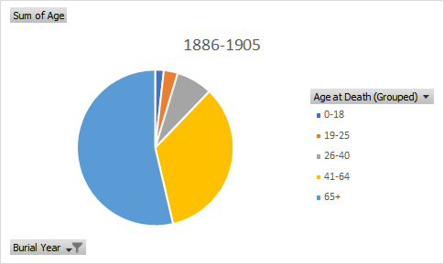
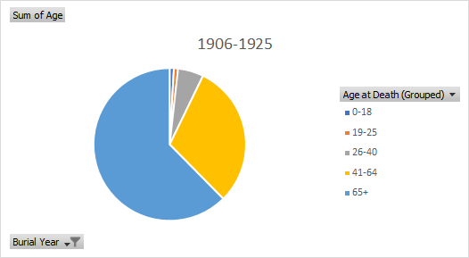
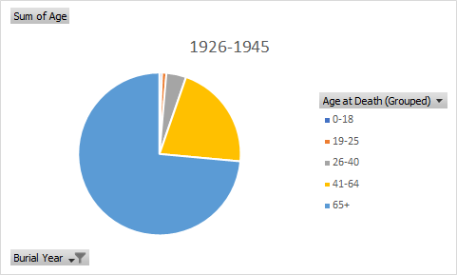
Count of Age | Column Labels
Row Labels | 1846-1865 | 1866-1885 | 1886-1905 | 1906-1925 | 1926-1945 | 1946-1965 | 1966-1985 | Grand Total
0-18 | 1823 | 699 | 65 | 40 | 17 | 1 | 1 | 2646
19-25 | 960 | 531 | 43 | 8 | 6 | 1 |  | 1549
26-40 | 1552 | 865 | 76 | 33 | 18 | 1 |  | 2545
41-64 | 1330 | 783 | 209 | 119 | 61 | 10 | 1 | 2513
65+ | 712 | 494 | 230 | 177 | 149 | 41 | 13 | 1816
Grand Total | 6377 | 3372 | 623 | 377 | 251 | 54 | 15 | 11069

Deaths By Age 1846-1865
 | 1846-1865 | 1866-1885 | 1886-1905 | 1906-1925 | 1926-1945 | 1946-1965 | 1966-1985
0-18 | 1823 | 699 | 65 | 40 | 17 | 1 | 1
19-25 | 960 | 531 | 43 | 8 | 6 | 1
26-40 | 1552 | 865 | 76 | 33 | 18 | 1
41-64 | 1330 | 783 | 209 | 119 | 61 | 10 | 1
65+ | 712 | 494 | 230 | 177 | 149 | 41 | 13

