Sample Burial sheet
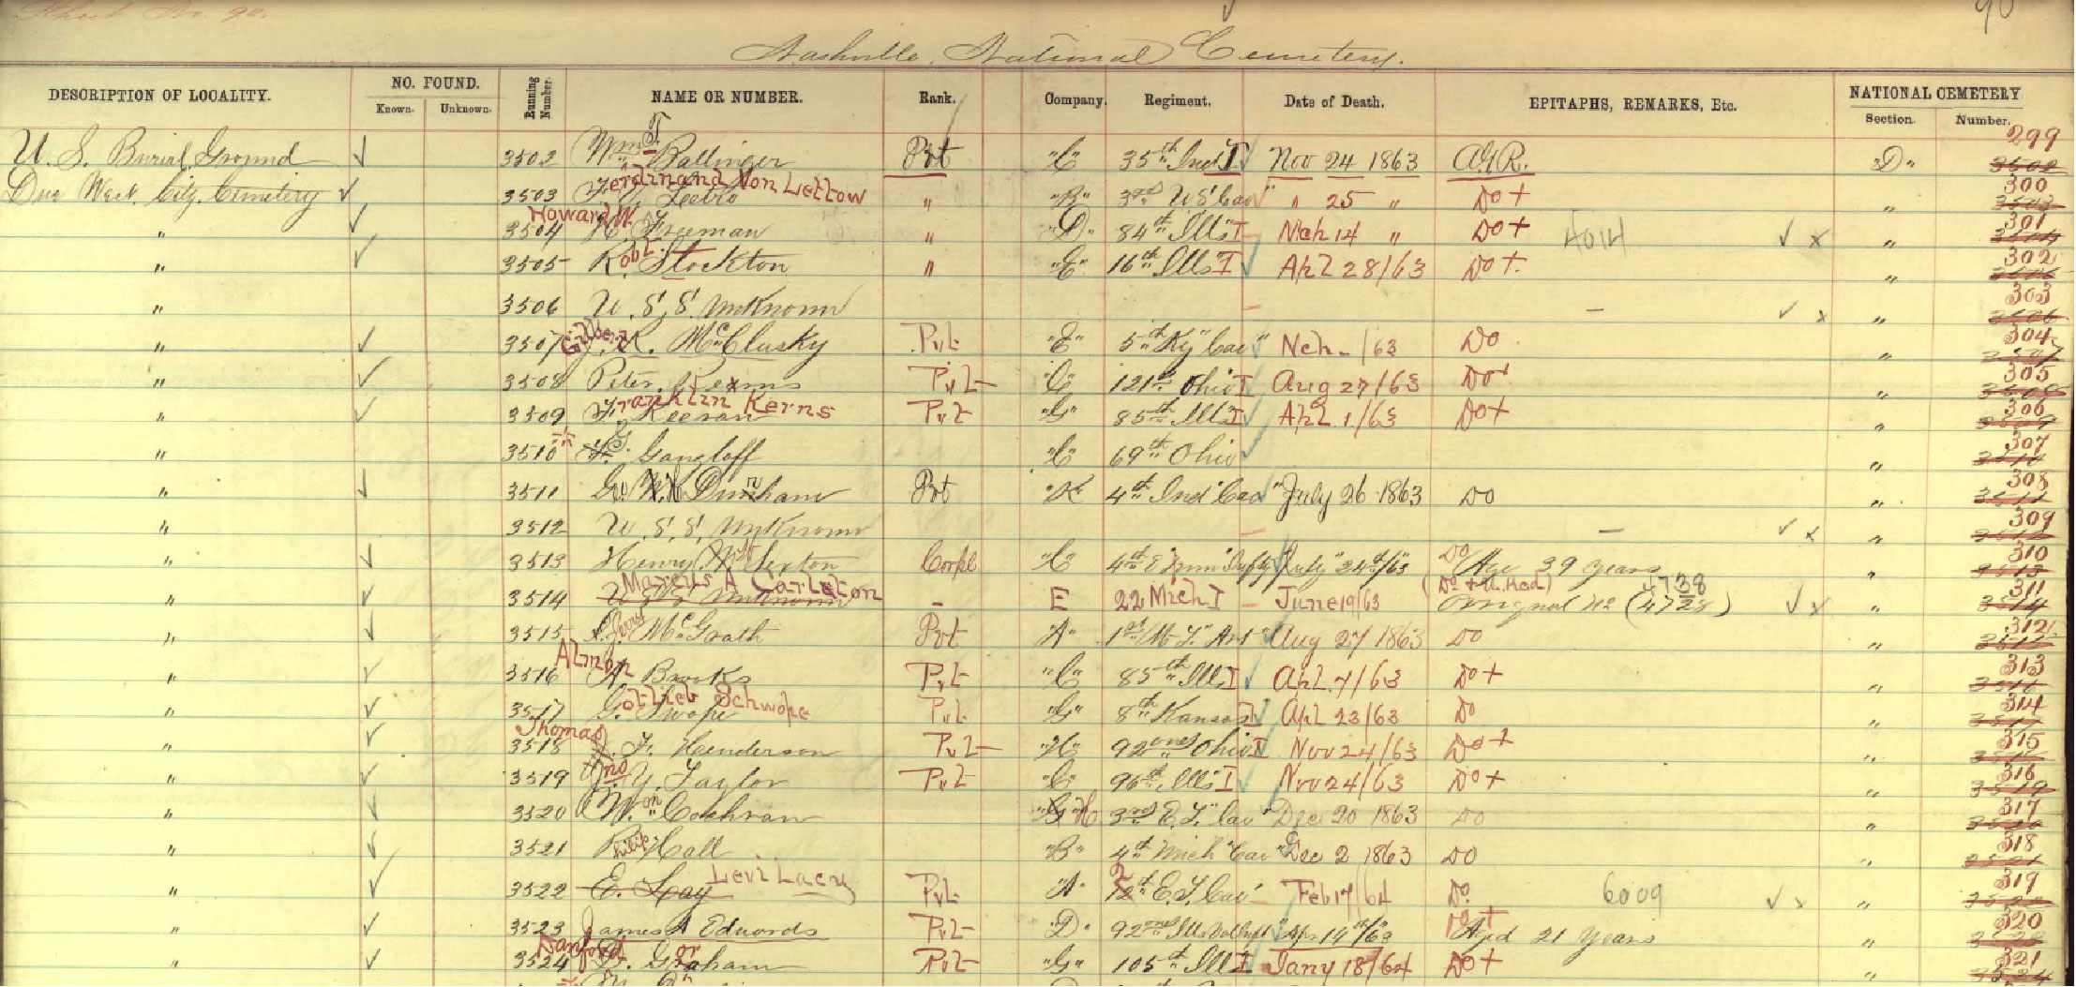

Top 10 causes of Death
Top 10 Causes of Death
 | Total
Consumption | 1769
Unknown | 1260
Cholera | 1244
Still Born | 852
Not Known | 647
Old Age | 610
Teething | 595
Pneumonia | 516
Flux | 469
Complication | 447
Cause of Death/Burial | Count of Volume
Consumption | 1769
Unknown | 1260
Cholera | 1244
Still Born | 852
Not Known | 647
Old Age | 610
Teething | 595
Pneumonia | 516
Flux | 469
Complication | 447
Grand Total | 8409

Burial Per Year
Burial per Year
 | Total
1846 | 246
1847 | 476
1848 | 447
1849 | 745
1850 | 809
1851 | 385
1852 | 552
1853 | 429
1854 | 596
1855 | 476
1856 | 428
1857 | 402
1858 | 415
1859 | 482
1860 | 575
1861 | 455
1862 | 627
1863 | 836
1864 | 1372
1865 | 1366
1866 | 1354
1867 | 542
1868 | 504
1869 | 209
1870 | 312
1871 | 285
1872 | 283
1873 | 559
1874 | 337
1875 | 159
1876 | 148
1877 | 155
1878 | 118
1879 | 138
1880 | 204
1881 | 156
1882 | 111
1883 | 128
1884 | 99
1885 | 69
1886 | 70
1887 | 67
1888 | 50
1889 | 50
1890 | 46
1891 | 58
1892 | 48
1893 | 51
1894 | 55
1895 | 47
...
Row Labels | Count of Burial Year
1846 | 246
1847 | 476
1848 | 447
1849 | 745
1850 | 809
1851 | 385
1852 | 552
1853 | 429
1854 | 596
1855 | 476
1856 | 428
1857 | 402
1858 | 415
1859 | 482
1860 | 575
1861 | 455
1862 | 627
1863 | 836
1864 | 1372
1865 | 1366
1866 | 1354
1867 | 542
1868 | 504
1869 | 209
1870 | 312
1871 | 285
1872 | 283
1873 | 559
1874 | 337
1875 | 159
1876 | 148
1877 | 155
1878 | 118
1879 | 138
1880 | 204
1881 | 156
1882 | 111
1883 | 128
1884 | 99
1885 | 69
1886 | 70
1887 | 67
1888 | 50
1889 | 50
1890 | 46
1891 | 58
1892 | 48
1893 | 51
1894 | 55
1895 | 47
1896 | 42
1897 | 52
1898 | 37
1899 | 53
1900 | 37
1901 | 36
1902 | 37
1903 | 40
1904 | 41
1905 | 26
1906 | 31
1907 | 18
1908 | 35
1909 | 29
1910 | 28
1911 | 35
1912 | 22
1913 | 19
1914 | 30
1915 | 29
1916 | 25
1917 | 14
1918 | 24
1919 | 18
1920 | 12
1921 | 13
1922 | 24
1923 | 18
1924 | 22
1925 | 14
1926 | 19
1927 | 10
1928 | 16
1929 | 28
1930 | 12
1931 | 16
1932 | 19
1933 | 14
1934 | 22
1935 | 18
1936 | 10
1937 | 13
1938 | 12
1939 | 7
1940 | 11
1941 | 10
1942 | 4
1943 | 10
1944 | 11
1945 | 8
1946 | 11
1947 | 7
1948 | 4
1949 | 3
1950 | 4
1951 | 5
1952 | 2
1953 | 3
1954 | 1
1955 | 4
1956 | 2
1957 | 2
1958 | 3
1959 | 1
1960 | 4
1961 | 1
1962 | 4
1964 | 2
1966 | 2
1968 | 1
1969 | 1
1970 | 1
1971 | 2
1972 | 2
1974 | 1
1977 | 3
1978 | 2
1979 | 3
Grand Total | 19743

Death per Decade
Sum of Burial Day | Column Labels
Sex | 1850s | 1860s | 1870s | 1880s | 1890s | 1900s | 1910s | 1920s | 1930s | 1950s | 1960s | 1970s | 1980s | NA | Grand Total
F | 13767 | 34702 | 59319 | 19395 | 12333 | 2744 | 1870 | 1539 | 1052 | 604 | 261 | 108 | 118 | 10 | 147822
M | 15958 | 41101 | 62996 | 19143 | 10652 | 2628 | 1606 | 1314 | 1091 | 611 | 148 | 126 | 38 | 25 | 157437
Grand Total | 29725 | 75803 | 122315 | 38538 | 22985 | 5372 | 3476 | 2853 | 2143 | 1215 | 409 | 234 | 156 | 35 | 305259

Death for Per Decade
 | 1850s | 1860s | 1870s | 1880s | 1890s | 1900s | 1910s | 1920s | 1930s | 1950s | 1960s | 1970s
F | 13767 | 34702 | 59319 | 19395 | 12333 | 2744 | 1870 | 1539 | 1052 | 604 | 261 | 108
M | 15958 | 41101 | 62996 | 19143 | 10652 | 2628 | 1606 | 1314 | 1091 | 611 | 148 | 126

Number of Death per Month
Row Labels | Count of Burial Month
Jan | 1465
Feb | 1394
Mar | 1711
Number of Death per Month
 | Total
Jan | 1465
Feb | 1394
Mar | 1711
Apr | 1569
May | 1487
Jun | 2323
Jul | 2352
Aug | 1607
Sep | 1807
Oct | 1461
Nov | 1166
Dec | 1364
Apr | 1569
May | 1487
Jun | 2323
Jul | 2352
Aug | 1607
Sep | 1807
Oct | 1461
Nov | 1166
Dec | 1364
Grand Total | 19706

