Sheet2
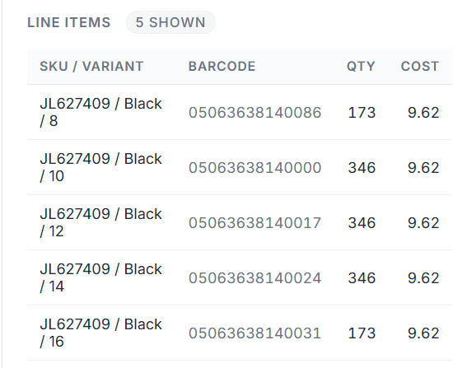
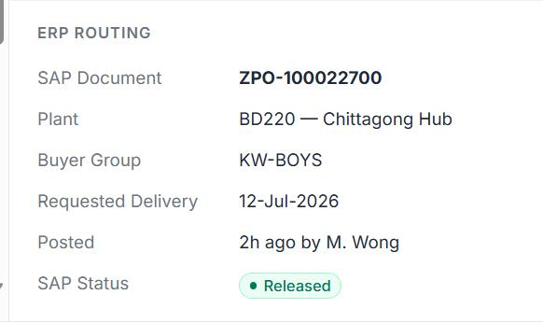
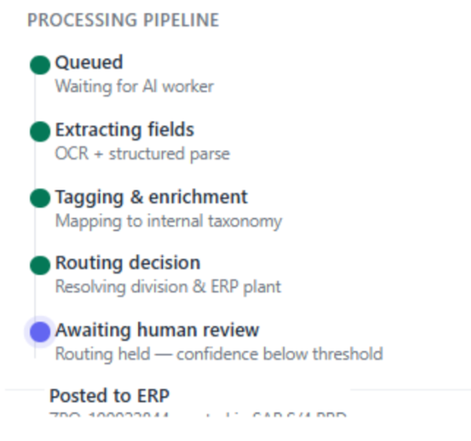
Overview of the workspace
a. Move "Document reference" to the right, move the PO details extracting and the processing pipeline in the middle. Or make it flexible to enlarge the section of PO details section, or even collaspe the incoming section, whatever easier for you.
b. Transpose the processing pipeline, show horizontally "Queued -> Extracting fields -> Tagging & enrichment -> Routing decision -> awaiting Human Review -> Posted to ERP
Processing pipeline
Including all 6 steps, details of “Awaiting human review” could be "NA" if not required Human to perform, and Posted to ERP could be at Pending if stop at Awaiting human review, giving an overview of whole process.
PO details
Fields of PO details is not fixed but based on the fields that exist in the PO file (incoterms/payment terms/port/ship dates). If this is SAP PO, the mandatory field for order creation could be fixed.
heading add inco terms, supplier, factory, port of exit, port of entry, ship dates
item shows "Item/color/size/barcode/qty/unit cost", ship mode
assume PO was successfully created when there is PO# and status is "Released" showed in this section, while what will it indicate for failure?
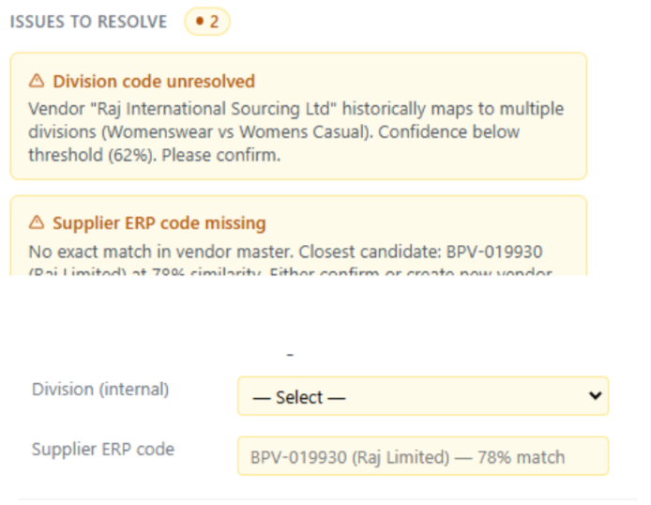
Exception
a. Summary at the top together with fields with issues that could be easier for modification.
b. Allow user to edit all fields (could be with an pencil edit button) whenever required, instead of limiting the revision on the missing/low rate fields

 |  | Editable of all fields instead of current low rate fields only. (More restriction to edit high rate ones.)

 | Ocean

