Original 23 Q Log V 1.1
 | Questions Asked: 36 |  |  | Total

 |  |  | 97% | 70% | ebp Scoring | Rich T run 2/28 run 4x
ID | Questions | Expected output | TNE.ai Status | Accuracy | 72%
1 | What range segments sells well for crossbody ? | Newness - 6395 | 100% | 100% | right | Right
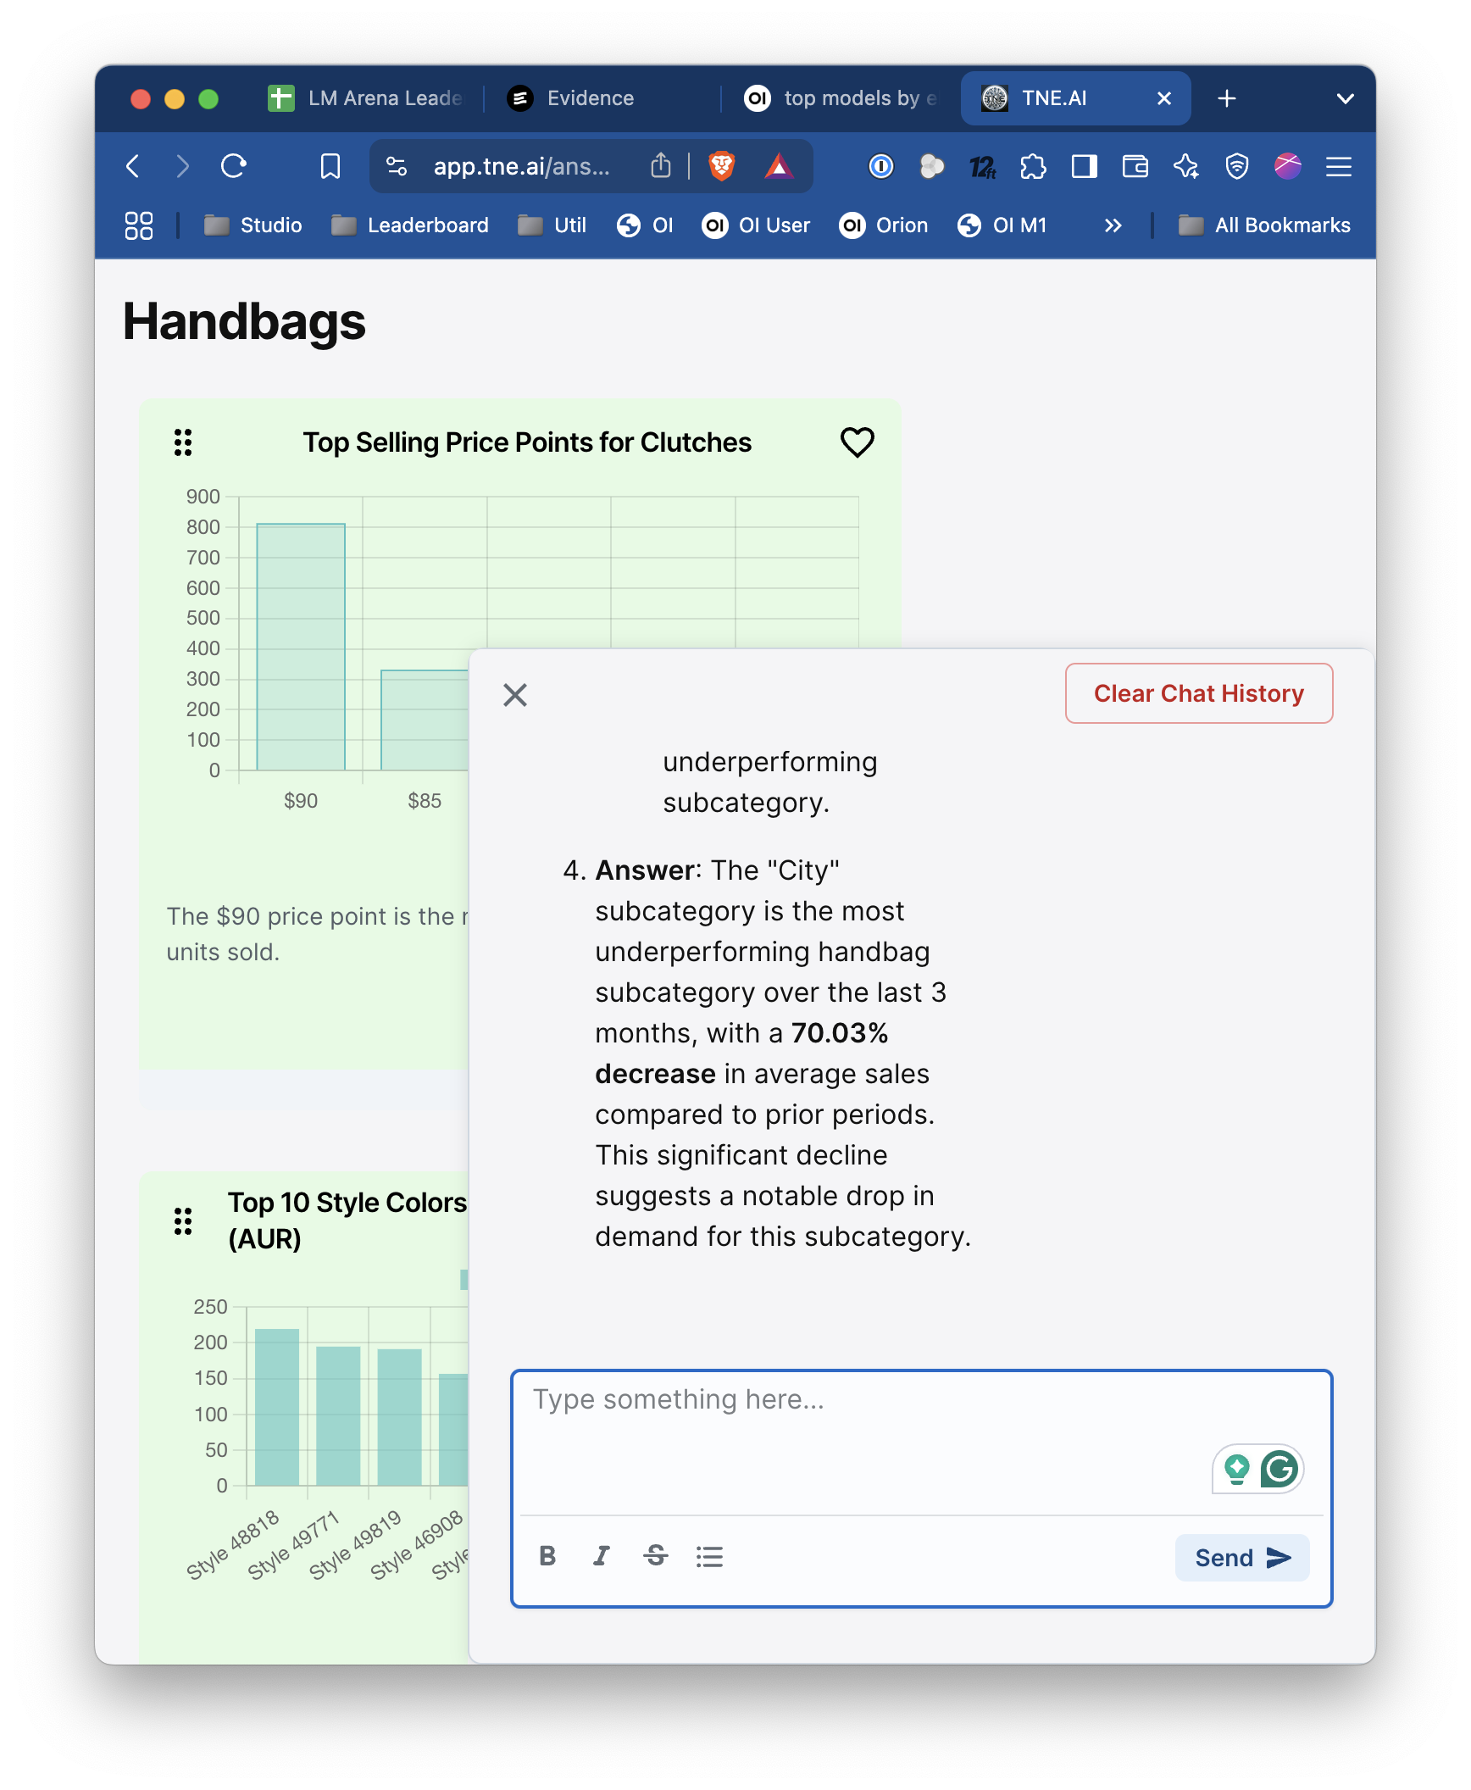
2 | What % of sales does totes take within handbag sales? | 13.84% | 100% | 100% | right | Right
3 | Give me my top crossbody bag in the month of July. | 49757 - 150 u | 100% | 100% | right | Right
4 | Which month did newness sell better? | Newness December 2139 | 100% | 100% | right | Right
5 | What is the contributions of totes? | 13.84% | 100% | 100% | right | Right
6 | What subcategory is underperforming over last 3 months? | City - 75% decrease (changed from 51 U to 75% decrease after Aug formula updates) Update: From Latest 1.1 data 70% decrease as of 8/10 - 78% | 100% | 0% | 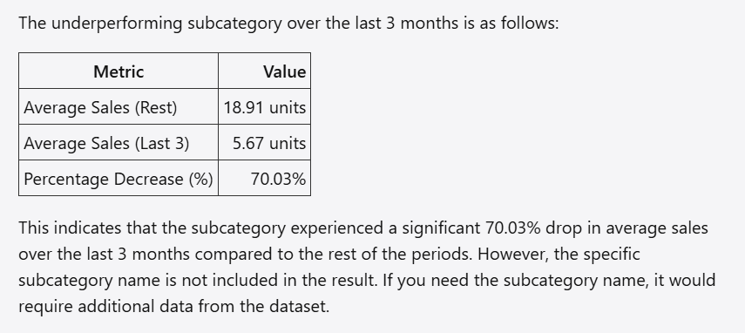 failed to give subcateogry name | Right, could not repro
7 | How much inventory did it carry during those months? | City - 65 units | 100% | 0% | wrong | Right 60 unitsonce , 65, 65, cannot repo
8 | Give me the stock with high inventory and it's Sell through. |  | 100% | 100% | right | Right
9 | What subcategory is overperforming over last 3 months and how much discount did it take? | Based on the new definition - Shoulder bag with highest % increase and discount taken = 18,560.5 [Prev response but now invalid - Crossbody 6019; discount value 415339. ] | 100% | 0% | dicount is wrong, not summed up from the Discount value column rather calculated | Right, backpack once, cannot repro
10 | What is the total discount value for the above? | 18560 | 100% | 0% | dicount is wrong, not summed up from the Discount value column rather calculated | Right, could not repro
11 | Total discount value for crossbody bags in last 3 months. | 415339 | 100% | 0% | dicount is wrong, not summed up from the Discount value column rather calculated | Right $1K discrpenacy not important, Won't Fix
12 | What styles are rising styles? |  | 100% | 100% | right | Right, but variance failed once
13 | Show me subclass with highest gross margin %. | Clutch : 69.97% gm/rv -- 68% (Based on avg margin % column) | 100% | 0% | wrong | Right, 69.99% all in range, Won't Fix
14 | Product with highest ROS. | Handbag Crossbody bag Style 36617: ROS 2 | 100% | 100% | right | Right
15 | What do people want to buy in December? | Crossbody bag | 100% | 0% | wrong. Gave me individual styles instead of category/subcatoegory | Right, the question doesn't ask about categories and it is not specified, Won't Fix | 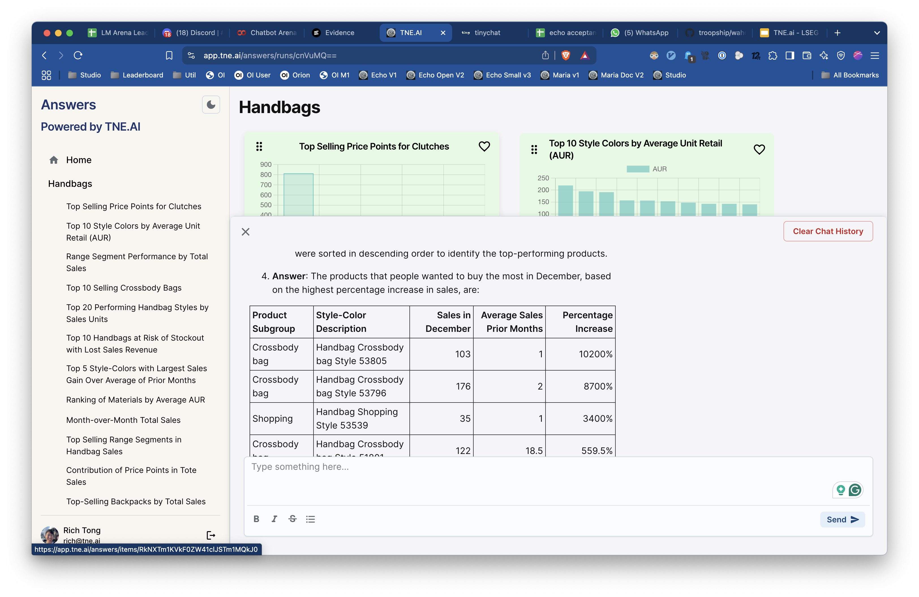
16 | When is the right time to launch clutches? | June 223 (May to july) | 100% | 100% | right | Right, 223
17 | How many distinct style colours do we have in the range? | 163 | 100% | 100% | right | Right
18 | What is the total count of products in my range? | 163 | 100% | 100% | right | Right
19 | What is the total count of products in handbag? | 163 | 100% | 100% | right | Right
20 | How many crossbody bags are there? | 83 | 100% | 100% | right | Right
21 | What are the top subclasses for December? | Crossbody, shopping, backpack int hat order | 100% | 100% | right | Right
22 | Tell me the monthly sales for Newness segment. | 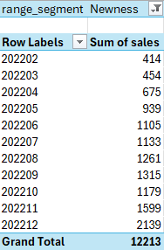 | 100% | 100% | right | Right

1 | Which price metric has the highest gross margin for Crossbody bahs | Middle | 100% | 100% | right, interpretted as Cash value than % | Right, Middle
2 | How many EOL products do I have? | 42 | 100% | 100% | right | Right
3 | How many newness are there in Tote bags? | 3 | 100% | 100% | right | Right
4 | How many A* products do I have per season? | 5 in SS and 5 in FW | 100% | 100% | right | Right, 1 abnormality
5 | How many distinct A* products do I have per season? | 5 in SS and 5 in FW | 100% | 100% | right | Right
6 | Which colour sells the most in January? | Does not have Jan in the data | 100% | 100% | right | Right,
7 | Which colour sells the most in February? | Pearl | 100% | 100% | right | Right
8 | Tell me what subclass is not profitable? | Baby Bag at 46.77% This makes no sense, how could Baby Bag be the right answer at a posiitive margin? | 100% | 0% | wrong,method is wrong | Right, there are no unprofitable subsegments, Key is wrong
9 | What is the contribution of Men's to women's in the handbag sales? | Should be 0.0057% | 100% | 0% | wrong | Right, rounding error to 0.58%, won't fix
10 | What is the best price metric ranked by profitablity for crossbody? | Entry | 100% | 0% | wrong,method is wrong | Right, could not repro
11 | what is the seasonal contribution in handbags sales? | Fall/Winter 53% Spring/Summer 46% | 100% | 100% | right | Right
12 | What is the contribution of different price metrics in tote bags? | 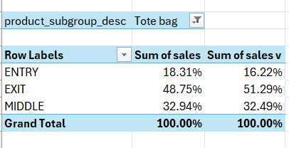 | 100% | 100% | right | Right
13 | What is the contribution of entry, exit an middle price points in Totes? |  | 100% | 100% | right | Right
14 | How many entry price point style colours are there in Totes? | 7 | 100% | 100% | right | Right

K9 V 1.1
 | Questions Asked: 14 |  |  | Total

 |  |  |  |  | 57% | 0%
ID | Questions | Expected output | Pd 28 July | Accuracy
1 | What is the best selling size among Women Pants for the month of November? | Size 6, 3797 |  |  | right
2 | How did espresso & grey perform in carryover segment in Women Pants | There are none |  |  | right
3 | What are the sizes tagged as tail in newness in Women Skirts? | There are none |  |  | right
4 | What is the best-selling colour among size 14 in Women Pants? | Poolside, 1244 |  |  | right
5 | What is the best-selling material-colour combination among Newness? | Polyester blend, Multi, 5883 |  |  | wrong
6 | What is the best-selling material-coloursize combination among Newness? | Polyester Blend Multi, 4, 1837 |  |  | wrong
7 | Which month should I stock Womens Pants more? | 202111, 13565 |  |  | right
8 | Which size is the most expensive among Women Skirts? | Size 10 with SSP 73.57 |  |  | wrong
9 | Rank sizes in women's skirts by their AUR | 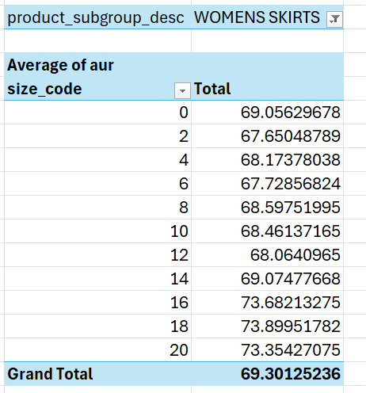 |  |  | wrong
10 | What is the best selling material-colour combination among Newness using the pareto tagging? | Polyester blend, Multi |  |  | right
11 | What is the best selling material-colour combination among Newness for each pareto tagging | Polyester blend, Multi |  |  | right
12 | Which month has least amount of stock for Women Skirts? | January 22 has total units on hand of 29 |  |  | wrong
13 | What are the top 10 SKUs among Women Shorts that were launched in February? | 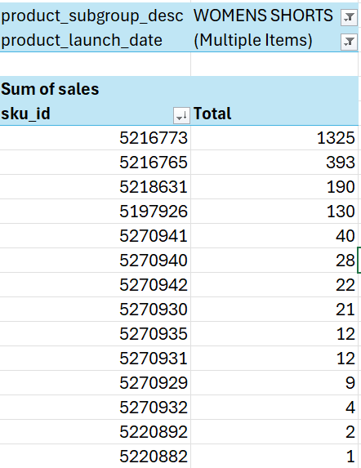 |  |  | 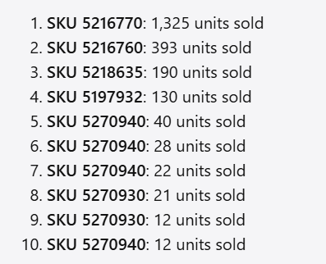 wrong sku id but right numbers ??
14 | What are the top 10 SKUs among Women Shorts that were launched in February of 2021? | 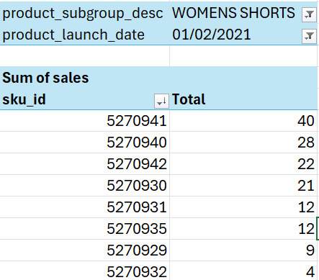 |  |  | 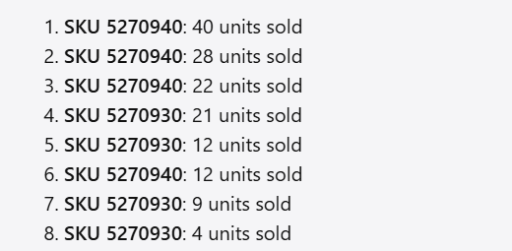 wrong

Original 23 Q Log
 |  |  |  |  | Correct | 0%
 |  |  |  |  | Needs consensus | 0%
 |  |  |  |  | In progress | 0%
 | Questions Asked: 23 |  |  | Total | Multi-turn | 0%

 |  |  |  |  | 78% | 78% |  | 83% | 96% | 96% | 96% | 96%
ID | Questions | Expected output | Pd 28 July | Accuracy | 2024-08-28 | 2024-09-11 |  | 12/9/2024 (morning) | 12/9/2024 (afternoon) | 13/9/2024 (morning) | 13/9/2024 (afternoon I) | 13/9/2024 (Afternoon II)
1 | What range segments sells well for crossbody ? | Newness - 6395 |  | 100% | Right answer - Newness | Right Answer - Newness 6395 |  | Right Answer | Right Answer | Right Answer | Right Answer | Right Answer
2 | What % of sales does totes take within handbag sales? | 13.84% |  | 100% | Right answer - 13.84% | Right Answer-"13.84%" |  | Right Answer | Right Answer | Right Answer | Right Answer | Right Answer
3 | Give me my top crossbody bag in the month of July. | 49757 - 150 u |  | 88% | Right answer Got both style desc and units - 49757 - 150 u% | Wrong Answer-"The top-selling crossbody bag in July 2022 is "Handbag Crossbody bag Style 50012" with 1 unit sold. | Tested again in the afternoon and got right answer | Right Answer | Right Answer | Right Answer | Right Answer | Right Answer
4 | Which month did newness sell better? | Newness December 2139 |  | 100% | Right answer - December | Right Answer-"December 2139" |  | Right Answer | Right Answer | Right Answer | Right Answer | Right Answer
5 | What is the contributions of totes? | 13.84% |  | 100% | Uses revenue - need to default to sales U. Gives 13.84 as the right answer when specifically asked to use sales in the Q. | Right Answer-"13.84%" |  | Right Answer - but only after clearing the chat history, if i kept the chat history it was giving 10% | Right Answer | Right Answer | Right Answer | Right Answer
6 | What subcategory is underperforming over last 3 months? | City - 75% decrease (changed from 51 U to 75% decrease after Aug formula updates) |  | 86% | Right answer - City with 75% decrease | Right Answer-"This means that the "City" subcategory has experienced a 75.48% decrease in average sales over the last 3 months compared to the rest of the periods." |  | Wrong Answer - "The subcategory "City" is identified as the underperforming subcategory over the last 3 months. This means that the "City" subcategory has experienced the highest percentage decrease in average sales units between the last 3 periods and the rest of the periods." - not saying 75% | Right Answer | Right Answer | Right Answer | Right Answer
7 | How much inventory did it carry during those months? | City - 65 units |  | 0% | 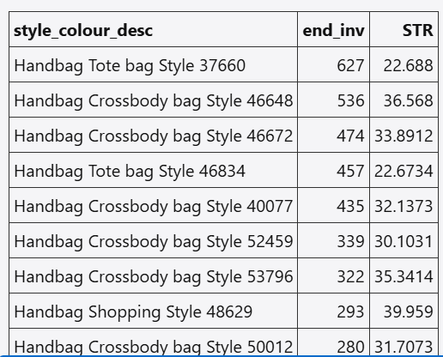 Inventory should not be summed for all months but look at the last timestamp for the periods in consideration and take the end inv for that + total sales for all the periods in consideration, which would give us the total stock held during those periods. | Wrong Answer-"The total sales units are 6019" |  | Wrong Answer - "This indicates that the "City" subcategory carried a total of 54 units of inventory during the last three months." | Wrong Answer. In execution of the plan it gives correct steps. But is not executing it correctly. | Wrong Answer | Wrong Answer | Wrong Answer
8 | Give me the stock with high inventory and it's Sell through. |  |  | 86% | Expected logic - Consider the latest month in such questions and give the product with the highest ending inventory | Right Answer |  | 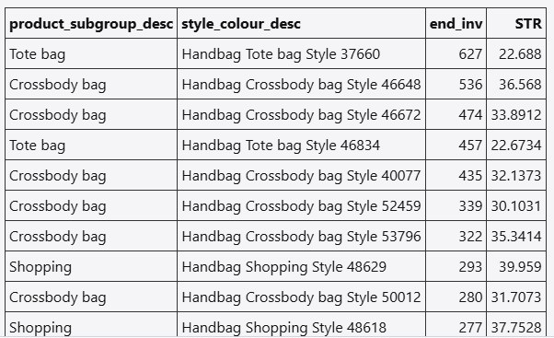 Right Answer | Right Answer | Right Answer | Right Answer | Right Answer
9 | What subcategory is overperforming over last 3 months and how much discount did it take? | Based on the new definition - Shoulder bag with highest % increase and discount taken = 18,560.5 [Prev response but now invalid - Crossbody 6019; discount value 415339. ] |  | 100% | Right answer | Right Answer-"The overperforming subcategory over the last three months is Shoulder bag. The total discount value taken by this subcategory during this period is 18,560.6." |  | Right Answer | Right Answer - there was inconsistency in the response between different runs. | Right Answer | Right Answer | Right Answer
10 | What is the total discount value for the above? | 18560 |  | 67% |  | Wrong Answer-"The total discount value for the top 10 rising styles is 138,801.85. " |  | 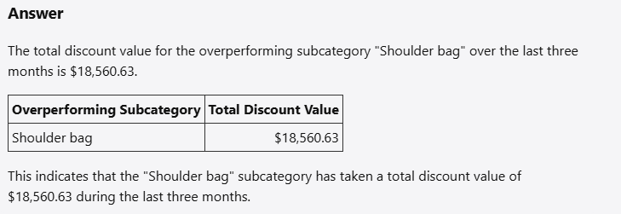 Wrong Answer - Showed values from the previous question | Right Answer - took several attempts to get correct answer. | Right Answer | Right Answer | Right Answer
11 | Total discount value for crossbody bags in last 3 months. | 415339 |  | 100% | Right answer | Right Answer - The total discount value for crossbody bags over the last three months is 415,338.88 |  | Right Answer | Right Answer | Right Answer | Right Answer | Right Answer
12 | What styles are rising styles? |  |  | 86% | Follow the same logic as overperforming where the latest month's sales U is compared with the avg sales U of all the previous months for the styles in consideration and look at a max of 10 styles with the highest % increase in sales U. | 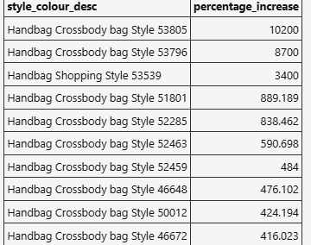 Right Answer |  | 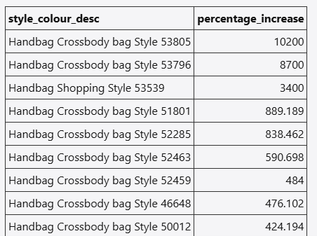 Right Answer | Right Answer | Right Answer | Right Answer | Right Answer
13 | Show me subclass with highest gross margin %. | Clutch : 69.97% |  | 100% | Right answer | Right Answer - This indicates that the "Clutch" subclass has the highest gross margin percentage of approximately 69.97%. |  | Right Answer | Right Answer - took several attempt to get it correct. | Right Answer | Right Answer | Right Answer
14 | Product with highest ROS. | Handbag Crossbody bag Style 36617: ROS 2 |  | 100% | Right answer but the methodology is ambiguous in the sense that did it pick the ROS directly from the data or calculated it? Need more clarity in the response. | Right Answer - This product is a "Handbag Crossbody bag Style 36617" targeted at men, made of velvet, and launched on June 14, 2019. It has a ROS of 2.0, indicating it sold 2 units in 1 week across 1 store. |  | Right Answer | Right Answer | Right Answer | Right Answer | Right Answer
15 | What do people want to buy in December? | Crossbody bag |  | 67% | Use the same logic as under/over performing/rising questions where we compare the time period in Q with rest of the months. Caveat - Only consider a maximum of latest 12 months including the month in Q which means that no month should be considered twice in the average calculation, for eg. Dec 23 should not be used in the avg calc for Dec 24 in Q. | 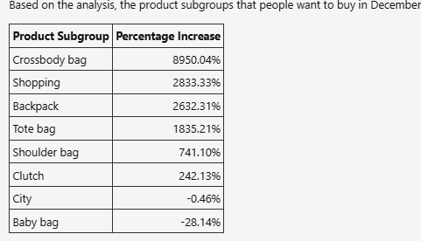 These results indicate that "Crossbody bag" has seen the highest increase in sales in December, followed by "Shopping" and "Backpack". Conversely, "City" and "Baby bag" have experienced a decrease in sales. |  |  | Right Answer | Right Answer | Right Answer | Right Answer
16 | When is the right time to launch clutches? | June 223 (May to july) |  | 100% | Right answer | Right Answer - Based on the analysis of the sales data, the best time to launch clutches is June. This conclusion is drawn from the fact that June had the highest sales for the 'Clutch' subcategory. |  | Right Answer | Right Answer | Right Answer - multiple attempts | Right Answer | Right Answer - multiple attempts
17 | How many distinct style colours do we have in the range? | 163 |  | 100% | Right answer | Right Answer - The number of distinct style colours in the range is 163. |  | Right Answer | Right Answer | Right Answer | Right Answer | Right Answer
18 | What is the total count of products in my range? | 163 |  | 100% | Right answer | Right Answer - The total count of unique products in your range is 163. |  | Right Answer | Right Answer | Right Answer | Right Answer | Right Answer
19 | What is the total count of products in handbag? | 163 |  | 100% | Right answer | Right Answer - The total count of unique products in the handbag category is 163. |  | Right Answer | Right Answer | Right Answer | Right Answer | Right Answer
20 | How many crossbody bags are there? | 83 |  | 86% | Right answer | Wrong Answer - The total number of crossbody bags sold in the dataset is 17,714. |  | Right Answer | Right Answer | Right Answer | Right Answer - multiple attempts | Right Answer
21 | What are the top subclasses for December? | Crossbody, shopping, backpack int hat order |  | 100% | Right answer | Right Answer -These results show that "Crossbody bag" was the top-selling subclass in December, followed by "Shopping" and "Backpack". |  | Right Answer | Right Answer | Right Answer | Right Answer | Right Answer
22 | Tell me the monthly sales for Newness segment. |  |  | 100% | Right answer | Right Answer |  | Right Answer | Right Answer | Right Answer | Right Answer | Right Answer
23 | How many unique style colours do you have in the range? | 163 |  | 100% | Right answer | Right Answer - The number of unique style colours in the range is 163. |  | Wrong Answer - "Due to the error encountered, I am unable to provide the number of unique style colours in your range at this moment. Please try rephrasing your query and running it again. If the issue persists, further investigation into the data source or query process may be required." - only gave the right answer after clearing chat history | Right Answer | Right Answer | Right Answer | Right Answer

SIA Log - Handbag
 |  |  |  | Correct | 0%
 |  |  |  | Needs consensus | 0%
 |  |  |  | In progress | 0%
 | Questions Asked: 20 |  | Total | Multi-turn | 0%

 |  |  |  | 55% |  |  | 55% | 55% | 55% | 55% | 60%
ID | Questions | Expected output | Accuracy | 2024-09-11 |  |  | 12/9/2024 (morning) | 12/9/2024 (afternoon) | 13/9/2024 (morning) | 13/9/2024 (afternoon RUN 1) | 13/9/2024 (afternoon RUN 2)
2 | What range segments sells well for crossbody | Newness - 6395 |  | Right Answer - Newness 6395 |  |  | Right Answer | Right Answer | Right Answer | Right Answer | Right Answer
3 | what is the total sales and the total unique crossbody bags count this season? | Total Sales - 10911 , Total Unique Crossbody bgs count : 75 |  | Wrong Answer Total Sales: 6803 units Total Unique Crossbody Bags Count: 49 It dosent answer properly whenever we ask for current season. It hallucinates at this point |  | CURRENT is not taught to the system | Right Answer | Right Answer | Right Answer | Right Answer | Right Answer
4 | Can you tell me the total sales and the total unique crossbody bags count for fall/winter season? | Total Sales - 10911 , Total Unique Crossbody bgs count : 75 |  | Right Answer Total Sales: 10,911 units Total Unique Crossbody Bags Count: 75 |  |  | Right Answer | Right Answer | Right Answer | Right Answer | Right Answer
5 | Which product has the earliest product launch date? | many of them 1900-01-01 |  | 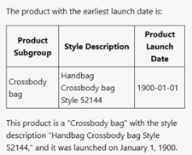 Wrong Answer Even if the product launch date is 1900, which is wrong, it is only giving one product |  |  | Wrong Answer - showing only 1 value | Wrong Answer - showing only 1 value | Wrong Answer - showing only 1 value | Wrong Answer - showing only 1 value | Wrong Answer - showing only 1 value
6 | What is the most popular material among women? | The most popular material among women is Vinyl. This conclusion is based on the provided input, which indicates that "Vinyl" has the highest total sales among products targeted at women. |  | Right Answer- Vinyl |  |  | Right Answer | Right Answer | Right Answer | Right Answer | Right Answer
7 | Which month has the best sales? | December |  | Right Answer- December |  |  | Right Answer | Right Answer | Right Answer | Right Answer | Right Answer
8 | What is the average AUR in March? | 116.4 |  | Right Answer-116.41 |  |  | Right Answer | Right Answer | Right Answer | Right Answer | Right Answer
9 | What is the average aur and msrp for each range segment? | 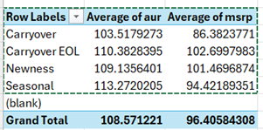 |  | Right Answer |  |  | Right Answer | Right Answer | Right Answer | Right Answer | Right Answer
10 | Which color is most popular among women? | Black Metal - 4771 sales units |  | Right Answer |  |  | Right Answer | Right Answer | Right Answer | Right Answer | Right Answer
11 | Which period had the biggest difference between beginning inventory and ending inventory? | Period = 202202 with absolute variation of 2000 |  | Wrong Answer |  |  | Wrong Answer - can't understand the calculation behind | Wrong Answer - can't understand the calculation behind | Wrong Answer - can't understand the calculation behind | Wrong Answer - can't understand the calculation behind | Wrong Answer - can't understand the calculation behind
12 | Which product has the highest margin ? | Product code : 2001704951 Product description : Handbag City Style 49771 Margin = 2835.72 |  | Wrong Answer - This table shows that "Handbag Shopping Style 48618" has the highest margin, with a margin value of 15571.711176. |  |  | Wrong Answer | Wrong Answer | Wrong Answer | Wrong Answer | Wrong Answer
13 | Which product subgroup has the highest distinct style color count? | Crossbody bag with 83 style colors |  | Right Answer- Crossbody bag , Count -83 |  |  | Wrong Answer - "This indicates that "Crossbody bag" has the highest number of unique style colors, with a total of 12 distinct style colors." | Wrong Answer - "This indicates that "Crossbody bag" has the highest number of unique style colors, with a total of 12 distinct style colors." | Wrong Answer - "This indicates that "Crossbody bag" has the highest number of unique style colors, with a total of 12 distinct style colors." | Wrong Answer - "This indicates that "Crossbody bag" has the highest number of unique style colors, with a total of 12 distinct style colors." | Wrong Answer - "This indicates that "Crossbody bag" has the highest number of unique style colors, with a total of 12 distinct style colors."
14 | What is the current total stock for Clutch? | Total stock for clutch = 1405 |  | Wrong Answer- The current total stock for the "Clutch" product subgroup is 79 units. |  |  | Wrong Answer | Wrong Answer | Wrong Answer | Wrong Answer | Wrong Answer
15 | What is the average selling price and average cost price? | Average selling price = 167.64 Average cost price = 54.78 |  | Right Answer-The average selling price of the products is approximately $167.64, and the average cost price is approximately $54.78. |  |  | Right Answer | Right Answer | Right Answer | Right Answer | Right Answer
16 | how many back packs do we have? | 15 backpacks |  | Wrong Answer, = 0 backpacks |  |  | Wrong Answer | Wrong Answer - "The current total number of backpacks in stock is 799." | Wrong Answer - "The current total number of backpacks in stock is 799." | Wrong Answer - "The current total number of backpacks in stock is 799." | Wrong Answer - "The current total number of backpacks in stock is 799."
17 | how many black back packs do we have? | 2 backpacks |  | Wrong answer, = gave us 15 black backpacks |  |  | Wrong Answer - "There are currently no "Black" backpacks in stock." | Wrong Answer - "The current total number of black backpacks in stock is 740. " | Wrong Answer - "The current total number of black backpacks in stock is 740. " | Wrong Answer - "The current total number of black backpacks in stock is 740. " | Wrong Answer - "The current total number of black backpacks in stock is 740. "
18 | What is the most popular product subgroup in the fall/winter season? | Crossbody bag-10911 |  | Right Answer-"Crossbody bag" with a total sales of 10,911 units. |  |  | Right Answer | Right Answer | Right Answer | Right Answer | Right Answer
19 | For all product subcategories, provide the most sold colors, please provide the answer in tabular format, presenting also the total sales for that specific product subcategory and most sold color combination. |  |  | Right Answer - First was incorrect, instead of grouping by color, it grouped by style color. After specifying was not style color, but color, it got the answer. |  |  | Right Answer | Right Answer | Right Answer | Right Answer | Right Answer
20 | give me a table comparing the margins of shoulder bags compared with tote bags |  |  | Wrong Answer - Answer Here is the table comparing the total margins of shoulder bags and tote bags: Product Subgroup Total Margin Shoulder bag 56353.7 Tote bag 265486 This table shows that tote bags have a significantly higher total margin compared to shoulder bags. After, I rephrased, saying average margin per product, and it provided the same wrong answer |  | looks lke it is always calculated at a record level than aggregate | Wrong Answer | Wrong Answer | Wrong Answer | Wrong Answer | Wrong Answer
21 | give me a table comparing the average margin values of shoulder bags compared with tote bag. Use average as a metric instead of summing. |  |  |  |  |  |  |  |  |  | Right Answer

SIA Log - Handbag V 1.1
 |  |  |  | Correct | 0%
 |  |  |  | Needs consensus | 0%
 |  |  |  | In progress | 0%
 | Questions Asked: 22 |  | Total | Multi-turn | 0%

 |  |  |  | 55%
ID | Questions | Expected output | Accuracy | 2/10/2024 (Afternoon)
2 | What range segments sells well for crossbody | Newness - 6395 |  | Right Answer | right
3 | what is the total sales and the total unique crossbody bags count this season? | Total Sales - 9080 , Total Unique Crossbody bgs count : 75 |  | Wrong Answer | 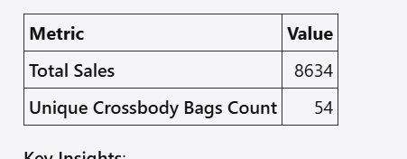
4 | Can you tell me the total sales and the total unique crossbody bags count for fall/winter season? | Total Sales - 9080 , Total Unique Crossbody bgs count : 75 |  | Right Answer | 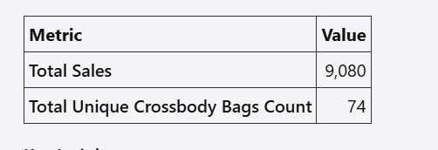
5 | Which product has the earliest product launch date? | many of them 1900-01-01 |  | Wrong Answer - Recieved Python code as an output | 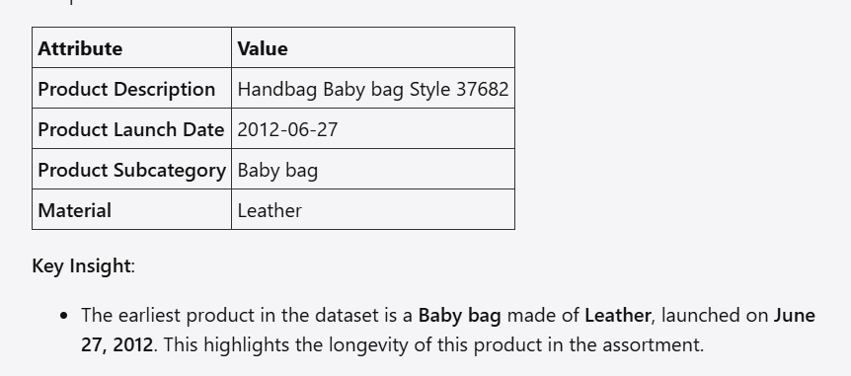
6 | What is the most popular material among women? | The most popular material among women is Vinyl. This conclusion is based on the provided input, which indicates that "Vinyl" has the highest total sales among products targeted at women. |  | Right Answer | right answer
7 | Which month has the best sales? | December |  | Right Answer
8 | What is the average AUR in March? | 116.4 |  | Right Answer
9 | What is the average aur and msrp for each range segment? |  |  | Right Answer
10 | Which color is most popular among women? | Black Metal - 4771 sales units |  | Wrong Answer - gave no sales value
11 | Which period had the biggest difference between beginning inventory and ending inventory? | Period = 202202 with absolute variation of 2000 |  | Right Answer
12 | Which product has the highest margin ? | Product code : 2001704951 Product description : Handbag City Style 49771 Margin = 2835.72 |  | 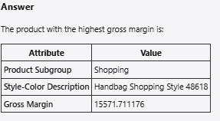 Wrong Answer
13 | Which product subgroup has the highest distinct style color count? | Crossbody bag with 83 style colors |  | Right Answer
14 | What is the current total stock for Clutch? | Total stock for clutch = 1405 |  | Wrong Answer
15 | What is the average selling price and average cost price? | Average selling price = 167.64 Average cost price = 54.78 |  | Wrong Answer
16 | how many back packs do we have? | 15 backpacks |  | Wrong Answer
17 | how many black back packs do we have? | 2 backpacks
18 | What is the most popular product subgroup in the fall/winter season? | Crossbody bag-10911 |  | Right Answer
19 | For all product subcategories, provide the most sold colors, please provide the answer in tabular format, presenting also the total sales for that specific product subcategory and most sold color combination. |  |  | Right Answer
20 | give me a table comparing the margins of shoulder bags compared with tote bags |  |  | Wrong Answer
21 | give me a table comparing the average margin values of shoulder bags compared with tote bag. Use average as a metric instead of summing. |  |  |  Right Answer
22 | what is the average inventory of exit products? |  |  | Wrong Answer - On 3 different runs, gave 3 different methodologies , one that used the beginnning and ending inventories, one that used the last period ending inventory (correct) and one that used the ending inventory as a whole
23 | what are the entry and exit product percentages in the data? |  |  | Right Answer

SIA Log - Clothing
 |  |  |  | Correct | 0%
 |  |  |  | Needs consensus | 0%
 |  |  |  | In progress | 0%
 | Questions Asked: 9 |  | Total | Multi-turn | 0%

 |  |  |  | 89% |  |  | 78% | 89% | 89% | 89% | 100%
ID | Questions | Expected output | Accuracy | 2024-09-11 |  |  | 12/9/2024 (morning) | 12/9/2024 (afternoon) | 13/9/2024 (morning) | 13/9/2024 (afternoon Run 1) | 13/9/2024 (afternoon Run 2)
1 | How many style colors sold for 4 weeks? | 5 unique style colors |  | Right Answer |  | 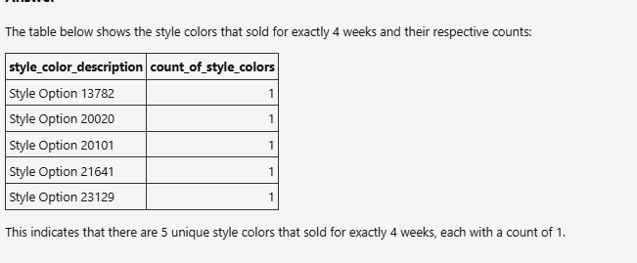 | 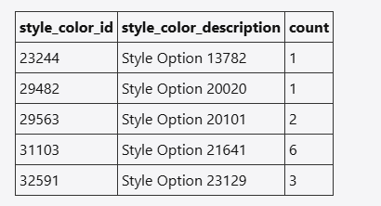 RightAnswer | Right Answer | Right Answer | Right Answer | Right Answer
2 | Which are the top three most popular sizes? | 6, 4, 8 |  | Right Answer - The most popular sizes are 6,4,8 |  |  | Right Answer | Right Answer | Right Answer | Right Answer | Right Answer
3 | How many units did the top three sizes sell? | 221050 or this table. Both are acceptable |  | Right Answer- "87,031+78,483+55,536=221,050" |  |  | Right Answer | 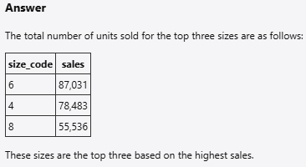 Right Answer | Right Answer | Right Answer | Right Answer
4 | How many A and A* sku did we have in 202205? | Unique counts is 80. Due to repetition in SKU for period we got following table |  | Right Answer - The number of SKUs classified as 'A' and 'A*' for the period 202205 is 80. |  |  | Right Answer - but it answered both together | Right Answer | Right Answer | Right Answer | Right Answer
5 | Given that the last two digits of period signifies the month in the data, how much sales did we have in March? | 35266 |  | Right Answer - "The total sales for March is 35,266 units." |  |  | Wrong Answer - "The total sales in the month of March across all available years in the dataset is 80 units." | Right Answer (Ran the question twice, both times were correct) | Right Answer | Right Answer | Right Answer
6 | For each period, how many Carryover EOL skus do we have and how much sales do they bring in? | 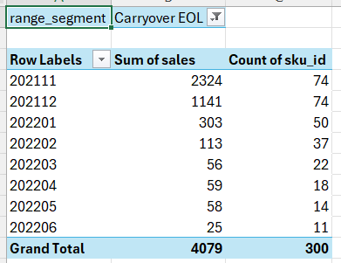 |  | Right Answer- All values are correct per period |  |  | Right Answer | Right Answer | Right Answer | Right Answer | Right Answer
7 | Which period saw highest growth in sales? | 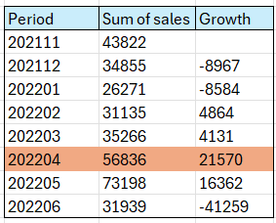 |  | Right Answer - Run 1- The period that saw the highest growth in sales is April 2022, with a sales growth of 61.16%. / Run 2 - The period that saw the highest growth in sales is April 2022, with a sales figure of 56,836 units and a percentage increase of 61.16%. |  |  | Right Answer - "The period that saw the highest growth in sales is April 2022, with a sales growth of 21,570 units." | Right Answer - The period that saw the highest growth in sales is April 2022, with a sales figure of 56,836 units and a percentage increase of 61.16%. | Right Answer | Right Answer | Right Answer
8 | How many SKUs sold for 4 weeks | 11 |  | Right Answer - 11 |  |  | Right Answer | Right Answer | Right Answer | Right Answer | Right Answer
9 | How many womens skirts do we have | 24 unique SKUs |  |  |  |  |  |  |  |  | Right Answer

K9
 |  |  |  |  | Correct
 |  |  |  |  | Needs consensus
 |  |  |  |  | In progress
 | Questions Asked: 14 |  |  | Total | Multi-turn

 |  |  |  |  | 50% | 71% | 79% | 79% | 86% | 79% | 79%
ID | Questions | Expected output | Pd 28 July | Accuracy | 2024-08-28 | 2024-09-11 | 12/9/2024 (morning) | 12/9/2024 (afternoon) | 13/9/2024 (morning) | 13/9/2024 (afternoon Run 1) | 13/9/2024 (afternoon Run 2)
1 | What is the best selling size among Women Pants for the month of November? | Size 6, 3797 |  |  | Right Answer | Right Answer - This indicates that size 6 had the highest unit sales, with a total of 3,797 units sold in November. | Right Answer | Right Answer | Right Answer | Right Answer | Right Answer
2 | How did espresso & grey perform in carryover segment in Women Pants | There are none |  |  | Right Answer - no products match | Right Answer - The query returned no data from the data source, which indicates that there are no sales records for Women's Pants in the Carryover segment with the colors Espresso or Grey in the dataset. This could mean that either these specific products did not sell during the periods covered by the dataset, or they were not available in those colors within the Carryover segment. | Right Answer | Right Answer | Right Answer | Right Answer | Right Answer
3 | What are the sizes tagged as tail in newness in Women Skirts? | There are none |  |  | The query returned no data from the data source, which indicates that there are no sizes tagged as "Tail" in the "Newness" range segment for "Women Skirts" in the provided dataset. | Right Answer - The query returned no data from the data source, which indicates that there are no sizes tagged as "Tail" in the "Newness" range segment for "Women Skirts" in the dataset. | Right Answer | Right Answer | Right Answer | Right Answer | Right Answer
4 | What is the best-selling colour among size 14 in Women Pants? | Poolside, 1244 |  |  | Right Answer | Right Answer - This means that the color "Poolside" has the highest unit sales (1244 units) for Women's Pants in size 14. | Right Answer | Right Answer | Right Answer | Right Answer | Right Answer
5 | What is the best-selling material-colour combination among Newness? | Polyester blend, Multi, 5883 |  |  | Right Answer | Right Answer - Polyster Blend, Multi has the highest sales totalling 5883 units | Right Answer | Right Answer | Right Answer | Right Answer | Right Answer
6 | What is the best-selling material-coloursize combination among Newness? | Polyester Blend Multi, 4, 1837 |  |  | Right Answer | Right Answer - Polyster Blend, Multi, 4, has the highest sales totalling 1837 units | Right Answer | Right Answer | Right Answer | Right Answer | Right Answer
7 | Which month should I stock Womens Pants more? | 202111, 13565 |  |  | Right Answer | Right Answer - Based on the data provided, the best month to stock Women's Pants is November 2021 (202111), with total sales of 13,565 units. | Right Answer | Right Answer | Right Answer | Right Answer | Right Answer
8 | Which size is the most expensive among Women Skirts? | Size 10 with SSP 73.57 |  |  | Wrong Answer 1. There is no “Large” in size codes - only numbers 2. The IE item version shows the average of WOMENS SKIRTS aur grouped by size. 3. Is expensive ranked by SSP or AUR? Many styles are missing SSP. | Right Answer - The most expensive size among Women Skirts is size 10, with a standard selling price of $73.57. | Wrong Answer - "The most expensive size among Women's Skirts, based on the average selling price (AUR), is Size 18, with an average AUR of $73.90." | Right Answer | Right Answer | Right Answer | Right Answer
9 | Rank sizes in women's skirts by their AUR |  |  |  |  | 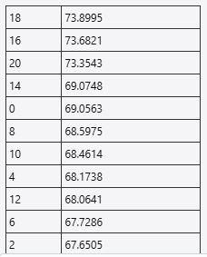 Right Answer | Right Answer | Right Answer | Right Answer | Right Answer | Right Answer
10 | What is the best selling material-colour combination among Newness using the pareto tagging? | Polyester blend, Multi |  |  |  |  | Right Answer | Right Answer | Right Answer | Right Answer | Right Answer
11 | What is the best selling material-colour combination among Newness for each pareto tagging | Polyester blend, Multi |  |  |  |  | 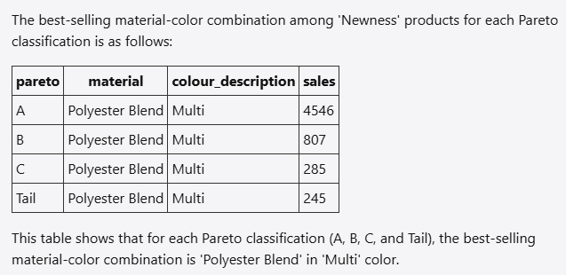 Right Answer | Right Answer | Right Answer | Right Answer | Right Answer
12 | Which month has least amount of stock for Women Skirts? | January 22 has total units on hand of 29 |  |  | Right Answer | Right Answer - The month with the least amount of stock for "Women Skirts" is January 2022 (202201), with a total of 29 units on hand. | Right Answer | Wrong Answer (Ran the query twice, got the same answer in picture both times). The model assumes stock here to be total stock (units on hand + sales). If it is specified that stock in the question is units on hand, the model gives the expected answer of january 22 with 29 units on hand | Right Answer | Wrong Answer (The LLM gets confused on whether to use total_stock or units_on_hand ) | Wrong Answer
13 | What are the top 10 SKUs among Women Shorts that were launched in February? |  |  |  |  | Error - It seems that there was an issue processing your query, as indicated by the message. This could be due to a variety of reasons, such as a temporary system glitch or an issue with the query itself. To help resolve this, please try rephrasing your query slightly and run it again. For example, you might specify the exact year for February or clarify any other details that might help the system understand your request better. If the issue persists, please let me know, and I can assist you further. | 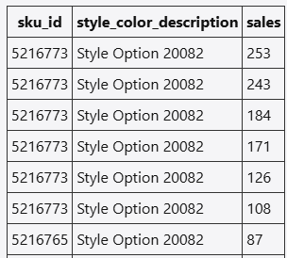 Wrong Answer | 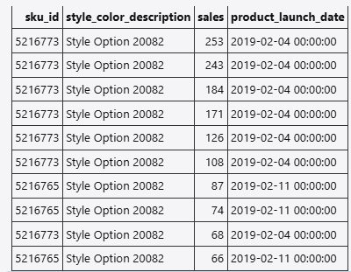 Wrong Answer | Wrong Answer | 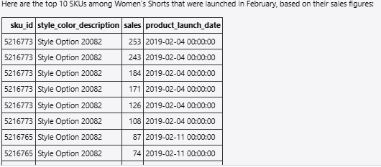 Wrong Answer | Wrong Answer
14 | What are the top 10 SKUs among Women Shorts that were launched in February of 2021? |  |  |  |  |  | 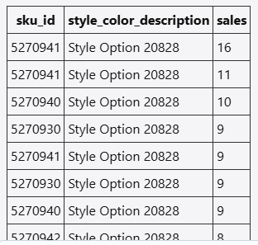 Wrong Answer | 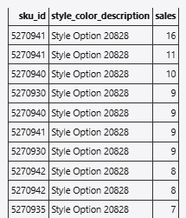 Wrong Answer | Wrong Answer | 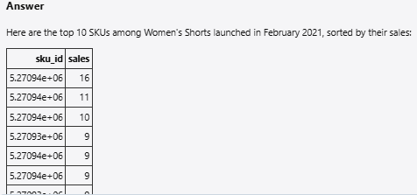 Wrong Answer | Wrong Answer

