Sheet1
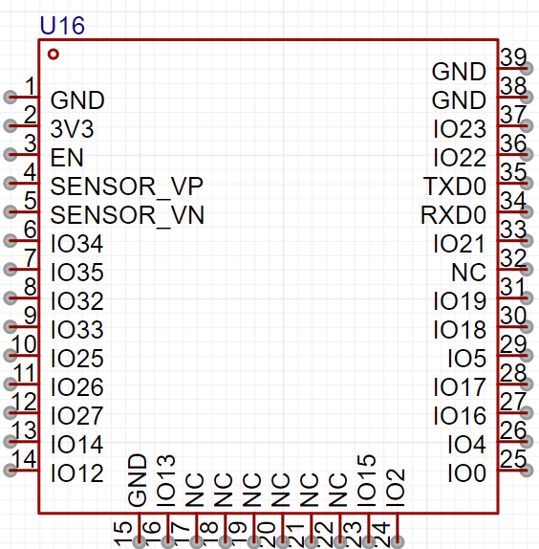
 |  |  |  |  |  | GND
 |  |  |  |  |  | GND |  |  |  |  | GND
GND |  |  |  |  |  |  |  |  |  |  | GND
3V3 |  |  |  |  |  |  |  |  |  |  | SR_04
EN |  |  |  |  |  |  |  |  |  |  | SR_04
X |  |  |  |  |  |  |  |  |  |  | UART0
X |  |  |  |  |  |  |  |  |  |  | UART0
PWM |  |  |  |  |  |  |  |  |  |  | RGB
PWM |  |  |  |  |  |  |  |  |  |  | X
PWM |  |  |  |  |  |  |  |  |  |  | I2S
PWM |  |  |  |  |  |  |  |  |  |  | I2S
BEEP |  |  |  |  |  |  |  |  |  |  | I2S
X |  |  |  |  |  |  |  |  |  |  | UART2
ADC2_7 |  |  |  |  |  |  |  |  |  |  | UART2
ADC2_6 |  |  |  |  |  |  |  |  |  |  | ADC2_0
ADC2_5 |  |  |  |  |  |  |  |  |  |  | ADC2_1

 | G N D | A D C 2 _ 4 | X | X | X | X | X | X | A D C 2 _ 3 | A D C 2 _ 2

