Sheet1
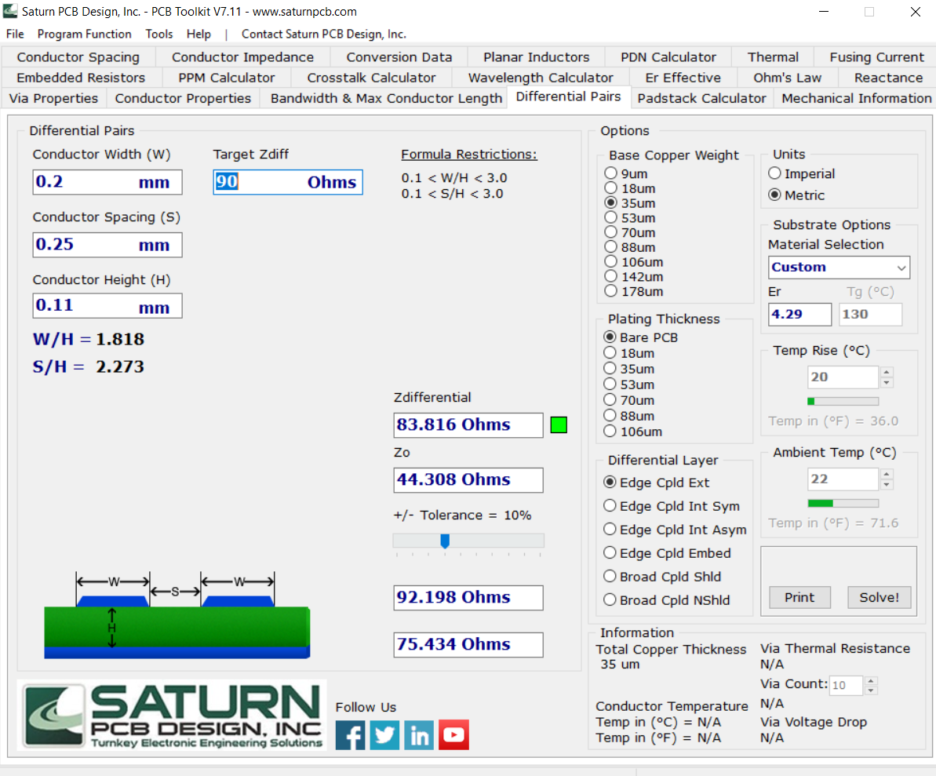
Stackup Properties
Dielectric Thickness / Distance between signals and reference ground plane (mm) | 0.11
Dielectric Constant | 4.29
 |  | Diff Pair Target Impedance (ohms) | Tolerance | Max length (mm) | Min Distance from other diff pairs, high speed, planes, capacitors (mm) | Calculated Width | Calculated intra-spacing | Calculated Diff pair Impedance (Saturn PCB) | Calculated SE Impedance (Saturn PCB) | Lengths
USB 3.0 | RX | 85-90 | 10% | 152.3 | 0.44 | 0.2 | 0.25 | 83.816 | 44.308 | 51.354
 | USB1 | 85-90 | 10% | 152.3 | 0.44 | 0.2 | 0.25 | 83.816 | 44.308 | 58.646
 | TX | 85-90 | 10% | 152.3 | 0.44 | 0.2 | 0.25 | 83.816 | 44.308 | 36.19
USB 2.0 | USB0 | 90 | 15% |  |  | 0.2 | 0.25 | 83.816 | 44.308 | 58.45
CSI | CSI0_D0 | 90-100 | 10% |  | 0.44 | 0.2 | 0.25 | 83.816 | 44.308 | 21.676
 | CSI0_D1 | 90-100 | 10% |  | 0.44 | 0.2 | 0.25 | 83.816 | 44.308 | 21.723
 | CSI0_CLK | 90-100 | 10% |  | 0.44 | 0.2 | 0.25 | 83.816 | 44.308 | 21.66
 | CSI2_D0 | 90-100 | 10% |  | 0.44 | 0.2 | 0.25 | 83.816 | 44.308 | 25.721
 | CSI2_D1 | 90-100 | 10% |  | 0.44 | 0.2 | 0.25 | 83.816 | 44.308 | 25.721
 | CSI2_CLK | 90-100 | 10% |  | 0.44 | 0.2 | 0.25 | 83.816 | 44.308 | 25.689

