Comparison 09-02-2025
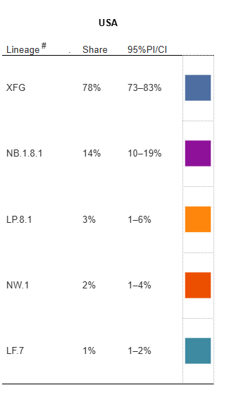
NOWCAST VARIANTS | VS | NEW NOWCAST IMPORTED VARIANTS | VARIANTS TO "RETIRE" | VARIANTS TO ADD TO RUNNING LIST
LP.8.1 | Duplicate | XFG
NB.1.8.1 | Duplicate | NB.1.8.1
XFG | Duplicate | LP.8.1
XFC | Unique | NW.1
LF.7.9 | Unique | LF.7
XEC | Unique
LF.7 | Duplicate
LF.7.7.2 | Unique
PA.1 | Unique
LB.1.3.1 | Unique
XEC.4 | Unique
LF.7.7.1 | Unique
MC.10.1 | Unique
KP.3.1.1 | Unique
KP.3 | Unique
XEQ | Unique
XEK | Unique
MC.1 | Unique
 | Unique
 | Unique
 | Unique
 | Unique
 | Unique
 | Unique
 | Unique
 | Unique
 | Unique
 | Unique
 | Unique
 | Unique
 | Unique
 | Unique
 | Unique
 | Unique

