1
Index | Text
0 | The door lock has been opened, please close the door
1 | Illegal card
2 | Legal card
3 | Recording card
4 | Record card success
5 | Record card fail
6 | Record pinpad password success
7 | Password is correct
8 | Password is wrong
9 | Enrolling fingerprint, please click the sensor
10 | Enroll fingerprint success, please click the sensor again
11 | Enroll fingerprint failed, please click the sensor again
12 | Enroll fingerprint success
13 | Enroll fingerprint timeout
14 | Fingerprint recognition correct
15 | Fingerprint recognition wrong
16 | Bluetooth is opening the door
17 | N/A
18 | N/A
19 | Starting Face Registration
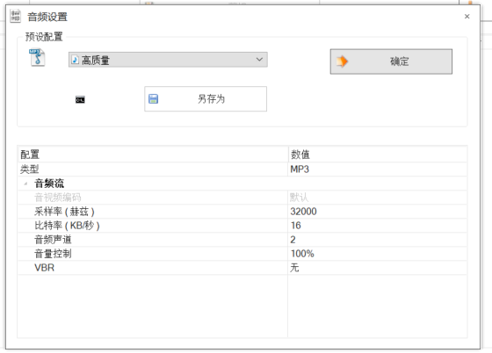
20 | Enroll FACE success
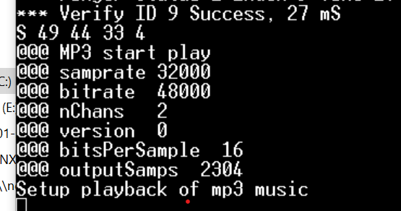
21 | Enroll FACE failed
22 | Turn face to left
23 | Turn face to right
24 | Fake Face
25 | Move face closer
26 | Starting Deregistration face
27 | Deregistration successful
28 | Deregistration failed
29 | Face Recognition Success
30 | Face Recognition Failed
31 | Face module enter to sleep mode
32 | Matter unlock the door
33 | Matter lock the door

