1
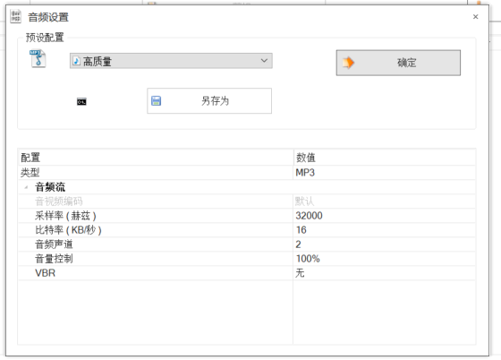
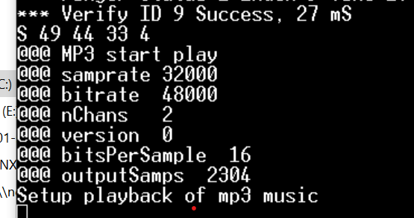
19 | Starting Face Registration
20 | Enroll FACE success
21 | Enroll FACE failed
22 | Turn face to left
23 | Turn face to right
24 | Fake Face
25 | Move face closer
26 | Starting Deregistration face
27 | Deregistration successful
28 | Deregistration failed
29 | Face Recognition Success
30 | Face Recognition Failed
31 | Face module enter to sleep mode
32 | Matter unlock the door
33 | Matter lock the door
34
35

