General Setup
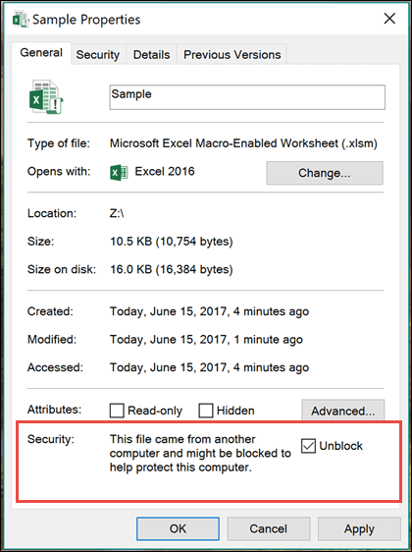
GPT for Excel - General Setup
For the macros on this worksheet to function properly, please follow the steps outlined below.
Please note that this XLSM file only works on Windows.

Obtain an OpenAI API Key
You must obtain your own OpenAI API key for the macros in this workbook to function properly.
For instructions on procuring an OpenAI API key, please see
https://www.windowscentral.com/software-apps/how-to-get-an-openai-api-key

After receiving the OpenAI API key, insert it in the API Key box on the "Config" tab

The API Key field will change background color to blue

Activating macro content
Depending on the delivery mode, you may have to accept one or more warnings about potentially unsafe content, i.e. the macro code in this workbook

If you encounter the Microsoft Excel Security Notice
Select "Enable Macros"
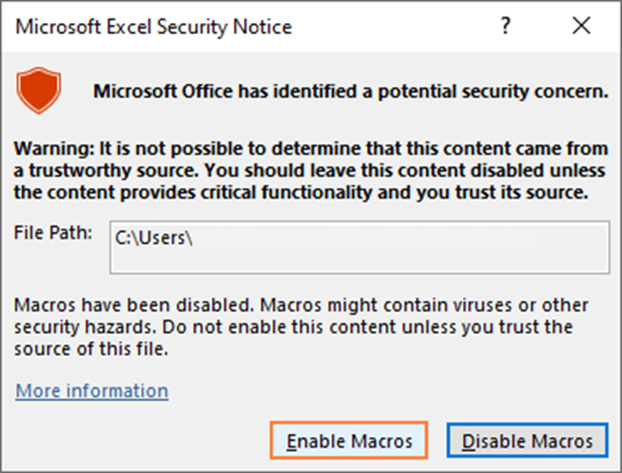

When opening the workbook
Select "Enable Content"

If you encounter the "Microsoft has blocked macros" issue

Select the properties of the xlsm file and select "Unblock"

Tutorial - GPT()
GPT(InputPrompt) - Simple Example
This function simply submits your prompt to GPT and returns the result based on the wording of the input prompt and the temperature (i.e. the amount of creativity)

Step-by-Step Instructions
Create a new worksheet. Enter the desired prompt text into a cell. Optionally, you can enter the text directly into the cell by typing it into the formula like =GPT("Here is my prompt"). I recommend keeping the text in a separate cell as shown below.

Upon hitting "Enter," the prompt is submitted to GPT. Depending on system load and complexity of the task, response times may vary from several seconds to up to a minute. You may see a "Not responding" message, but the system is still processing the request.
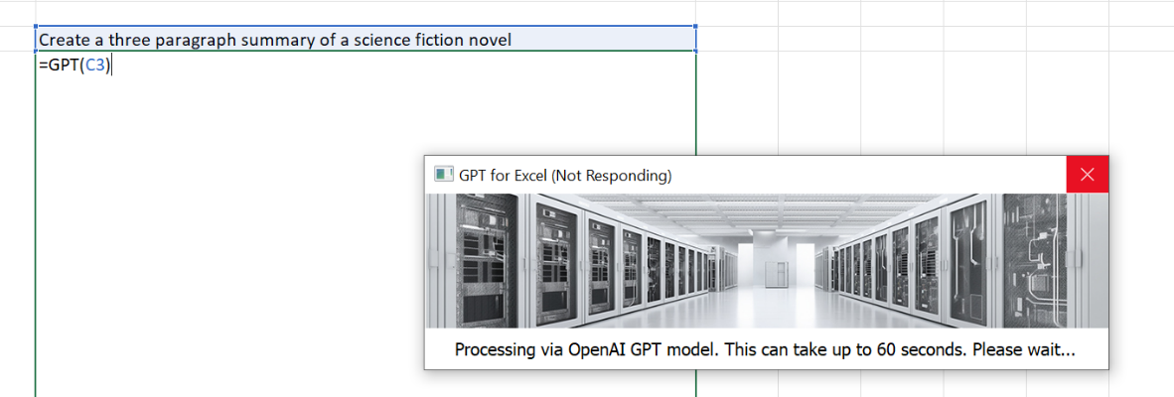

Once the result is returned from GPT, the output is displayed in the cell containing the formula.


GPT(InputPrompt) - Complex Example
Concatenated prompts to add flexibiiity and power to GPT output generation

Step-by-Step Instructions
To create bespoke GPT results for a variety of inputs, arrange individual items into a table and use either & syntax or the CONCAT() function to create the desired input prompt for GPT()

By filling the GPT() formula down the "Message" column, GPT creates a bespoke message for the respective inputs on each row.

Tutorial - GPTFillRange()
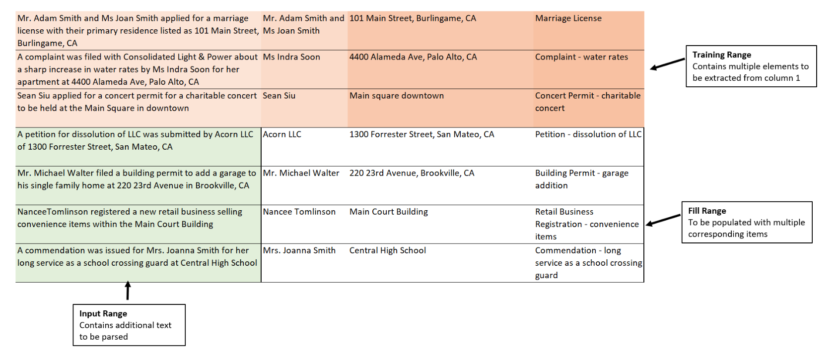
GPTFillRange(TrainingRange as Range, InputRange as Range) - Simple example
Designed for "few-shot learning," this function allows you to easily submit prompt/response pairs to GPT to customize completions.

Structure
Training Range:
Contains prompt completions examples - can be simple completions, token extractions, sentiment analysis, etc.

Input Range:
Contains prompt inputs to be completed by GPT.

Fill Range:
Will be automatically populated by GPTFillRange()
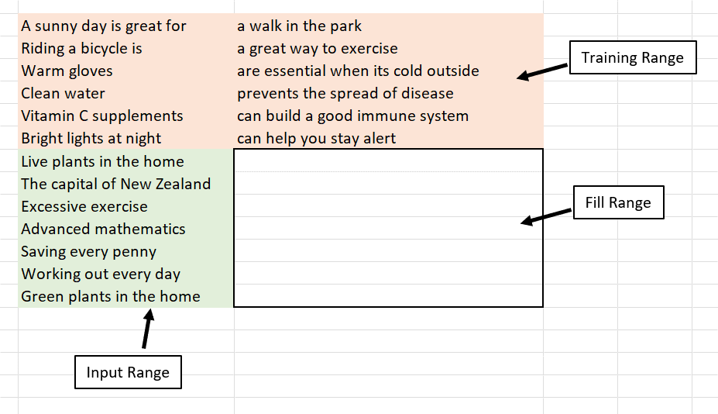

Step-by-Step Instructions
In the first empty cell immediately following the Training Range and immediately to the right of the Input Range, type GPTFillRange(

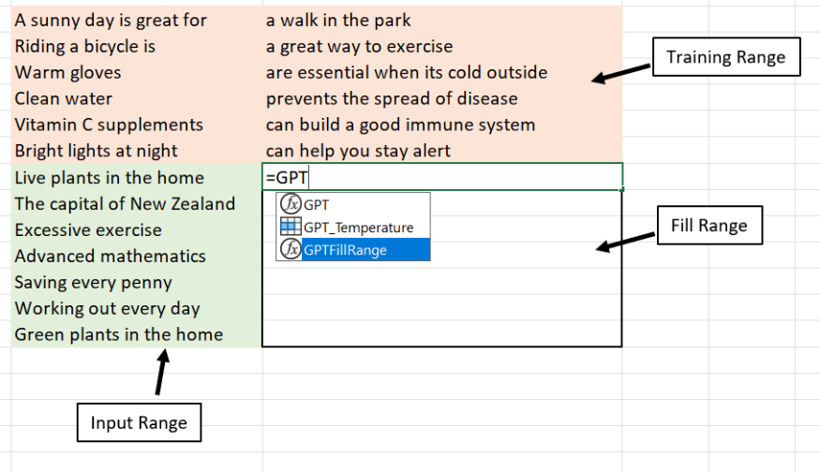

Next, select the Training Range
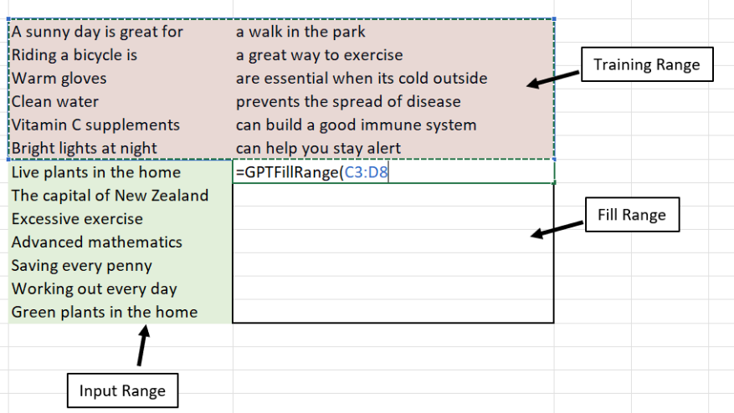

Type comma, and then select the Input Range
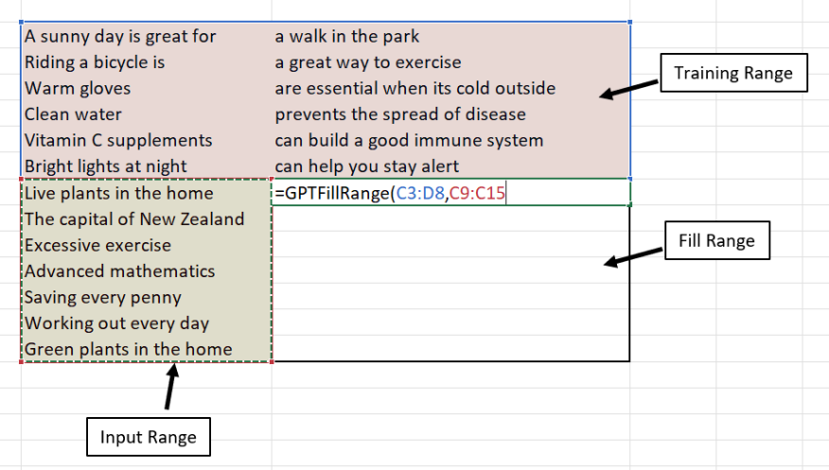

Now complete the formula by typing a closing parenthesis. This will launch the GPT API calls and you will see a status dialog with the progress of the overall fill process.
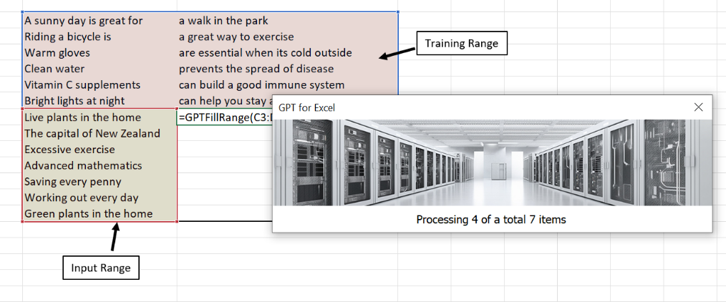

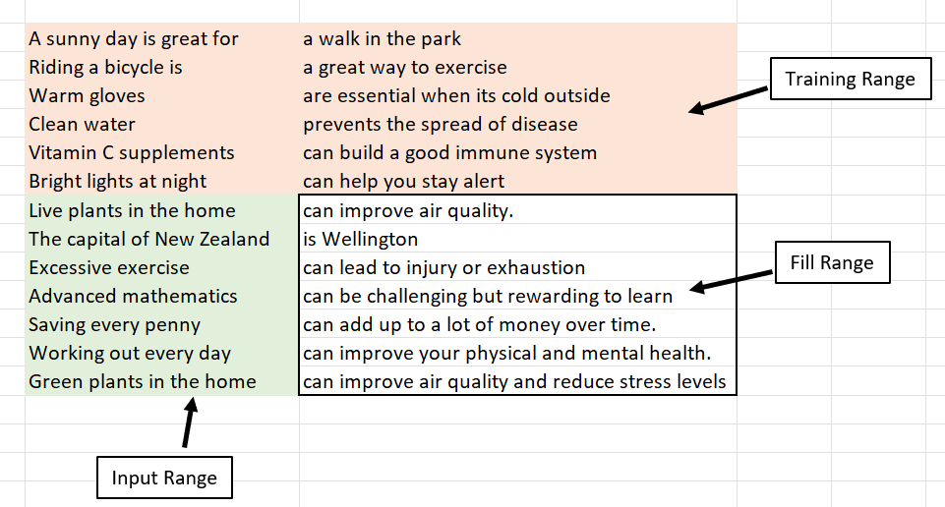
Upon successfully completing the fill process, the GPT-generated results will be displayed in the Fill Range.

GPTFillRange(TrainingRange as Range, InputRange as Range) - Complex example
Designed for "few-shot learning," this function allows you to easily submit prompt inputs for sophisticated parsing. This example produces multi-columnar output

Training Range:
Contains prompt completions examples - in this case, contains tokens such as names, the type of action, and address.

Input Range:
Contains text to be analyzed by GPT.

Fill Range:
Will be automatically populated by GPTFillRange()
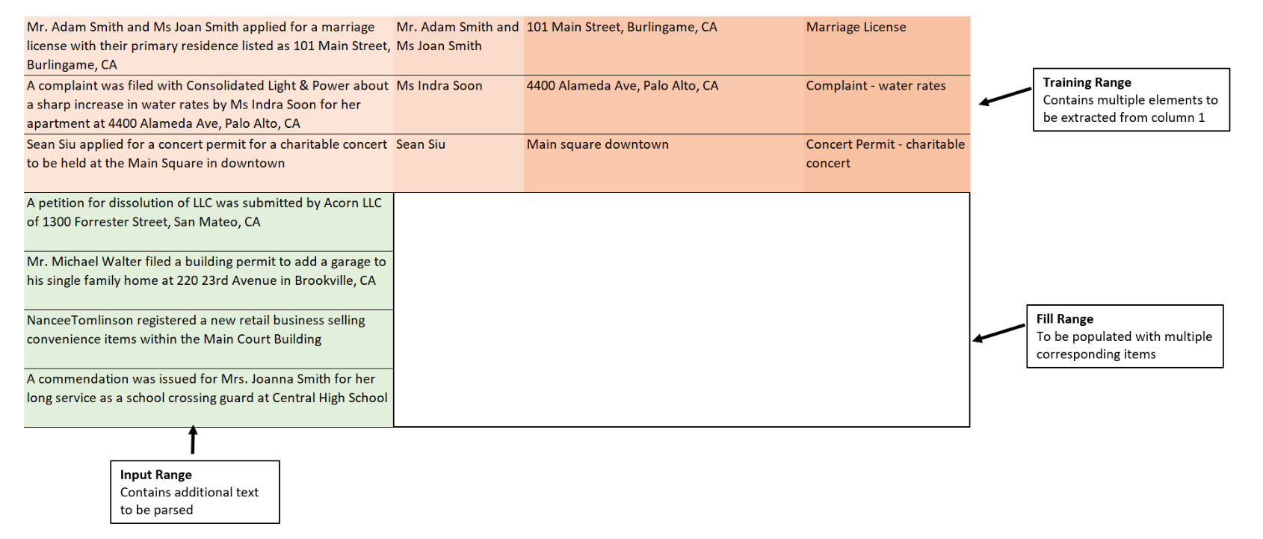

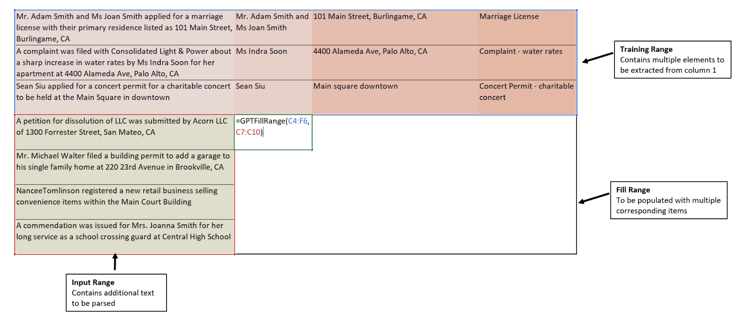
Enter the GPTFillRange() command into the appropriate cell covering the multi-columnar training range and the desired InputRange

After processing completes, the corresponding extracted values will be inserted into the appropriate columns

