BOM
Item | Part Number | Thumbnail | BOM Structure | Unit QTY | QTY | Stock Number | Description | REV | Estimated Cost | Mfg. Approved By | Mass(kg) | Material
1 | gearbox_base | 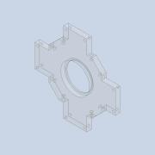 | Normal | Each | 1 |  | 新采硯 |  | NT$850.00 |  | 0.17 | PMMA Plastic
2 | gearbox_side1 | 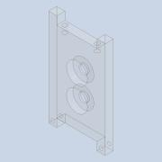 | Normal | Each | 4 |  |  |  | NT$1,120.00 |  | 0.31 | PMMA Plastic
4 | gearbox_top | 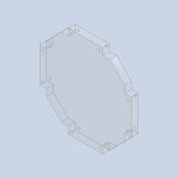 | Normal | Each | 1 |  |  |  | NT$450.00 |  | 0.16 | PMMA Plastic
5 | FHCWPB-2.0-3015-16-AT | 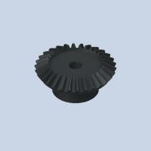 | Purchased | Each | 1 |  | 伍全 |  | NT$891.00 |  | 0.22 | Iron, Cast
7 | FHCWPB-2.0-1530-10K-AT | 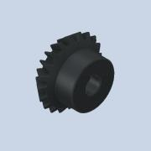 | Purchased | Each | 4 |  | 伍全 |  | NT$2,376.00 |  | 0.48 | Iron, Cast
11 | HCWGT-1.0-A-20-10-10K-AT | 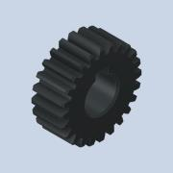 | Purchased | Each | 4 |  | 伍全 |  | NT$2,508.00 |  | 0.10 | Iron, Cast
14 | HCWGT-1.0-A-40-10-10K-AT | 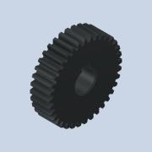 | Purchased | Each | 4 |  | 伍全 |  | NT$2,860.00 |  | 0.26 | Iron, Cast
6 | 6007DDU | 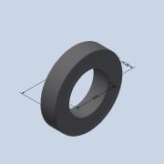 | Purchased | Each | 1 |  | Contact Sealed Type DD DDU- |  | NT$519.00 |  | 0.15
15 | 6000DDU | 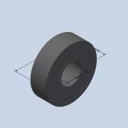 | Purchased | Each | 12 |  | Contact Sealed Type DD DDU- |  | NT$912.00 |  | 0.22
9 | METW-7 | 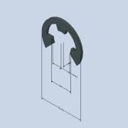 | Purchased | Each | 16 |  | METW．METWS．CAP-METW．CAP-METWS-E-type Buckle |  | NT$32.00 |  | 0.00 | Generic
10 | washer10_16_1 | 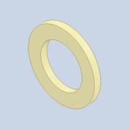 | Normal | Each | 8 |  |  |  | NT$16.00 |  | 0.00 | Nylon 6/6
12 | KKES04-025 | 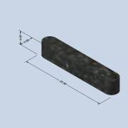 | Purchased | Each | 4 |  | KKED、KKES、KKEG-parallel key |  | NT$96.00 |  | 0.00 | Steel
13 | KKES04-008 | 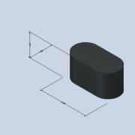 | Purchased | Each | 4 |  | KKED、KKES、KKEG-parallel key |  | NT$96.00 |  | 0.00 | Iron, Cast
16 | 105.04 | 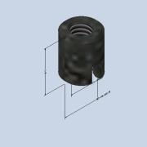 | Purchased | Each | 16 |  | 105(Slotted)-Threaded bushing (Self-tapping, Slotted) |  | NT$272.00 |  | 0.02 | Steel
17 | CBB4-16 | 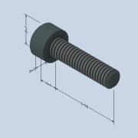 | Purchased | Each | 24 |  | CBB-Hexagon socket screws |  | NT$48.00 |  | 0.07 | Generic
8 | gearbox_shaft1 | 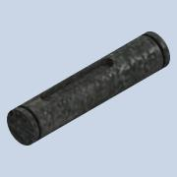 | Normal | Each | 4 |  |  |  | NT$800.00 |  | 0.11 | Steel
3 | gearbox_shaft2 | 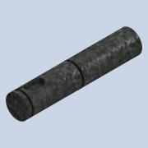 | Normal | Each | 4 |  |  |  | NT$800.00 |  | 0.12 | Steel
18 | GEARBOX_SHAFT3 |  | Normal | Each | 4 |  |  |  | NT$600.00 |  | 0.16 | Steel
19 | coupling |  | Normal | Each | 4 |  |  |  | NT$1,100.00 |  | 0.04 | Aluminum 6061

Total |  |  |  |  |  |  |  |  | NT$16,346.00 |  | 2.592kg
Aft Tax |  |  |  |  |  |  |  |  | NT$17,163.30

