BOM
Item | Part Number | Thumbnail | BOM Structure | Unit QTY | QTY | Stock Number | Description | REV | Mass | Material | Estimated Cost
1 | Avionics and Recovery | 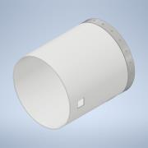 | Normal | Each | 1 |  |  |  | 0.612 kg | Generic
3 | patch_antenna | 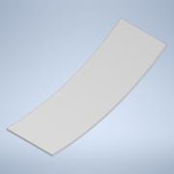 | Normal | Each | 3 |  |  |  | 0.002 kg | 一般
5 | canard | 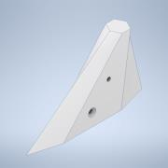 | Normal | Each | 4 |  |  |  | 0.254 kg | Aluminum 6061
6 | Avionics_box |  | Normal | Each | 1 |  |  |  | 0.303 kg
6.1 | STM32 Communication Board ver1.0 | 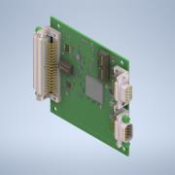 | Normal | Each | 1 |  | Open CASCADE Model |  | 0.114 kg | Steel
6.2 | Power supply board | 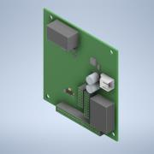 | Normal | Each | 1 |  | Open CASCADE Model |  | 0.029 kg | Generic
6.3 | copper_pillar_M3_L15 | *Varies* | Normal | Each | 8 |  |  |  | 0.000 kg | 一般
6.5 | LoRa_board | 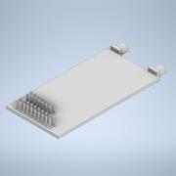 | Normal | Each | 1 |  |  |  | 0.005 kg | 一般
6.6 | empty_board | 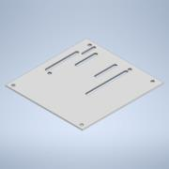 | Normal | Each | 1 |  |  |  | 0.012 kg | 一般
6.7 | copper_pillar_M3_L25 | 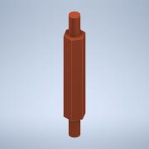 | Normal | Each | 4 |  |  |  | 0.006 kg | Copper
6.8 | PCB_board_box |  | Normal | Each | 1 |  |  |  | 0.103 kg
6.8.1 | PCB_board_box_buttom | 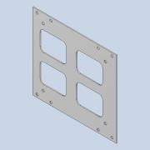 | Normal | Each | 1 |  |  |  | 0.022 kg | Aluminum
6.8.2 | PCB_board_box_front | 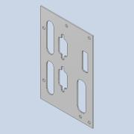 | Normal | Each | 1 |  |  |  | 0.018 kg | Aluminum
6.8.3 | PCB_board_box_left | 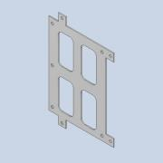 | Normal | Each | 1 |  |  |  | 0.014 kg | Aluminum
6.8.4 | PCB_board_box_right | 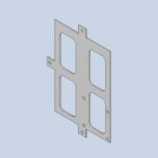 | Normal | Each | 1 |  |  |  | 0.013 kg | Aluminum
6.8.5 | PCB_board_box_top | 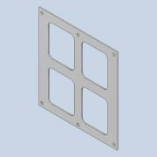 | Normal | Each | 1 |  |  |  | 0.017 kg | Aluminum
6.8.6 | PCB_board_box_back | 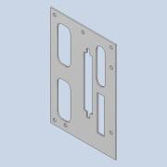 | Normal | Each | 1 |  |  |  | 0.016 kg | Aluminum
6.8.7 | connector | 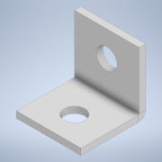 | Normal | Each | 16 |  |  |  | 0.000 kg | 一般
6.9 | washerM3x0.5h | 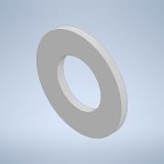 | Normal | Each | 24 |  |  |  | 0.000 kg | 一般
6.10 | cooling_fin | 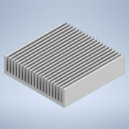 | Normal | Each | 1 |  |  |  | 0.001 kg | 一般
6.11 | CUI_DEVICES_CFM-4010V-070-273 | 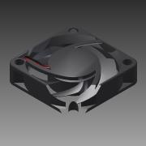 | Normal | Each | 1 |  |  |  | 0.006 kg | Generic
6.4 | MTi-1_v3 | 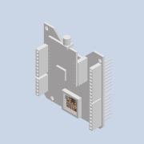 | Normal | Each | 1 |  | STEP AP214 | ANY | 0.008 kg |  | NT$16,464.00
6.4.1 | Board_1v2(2)^MTi-1-SoB_v2 | 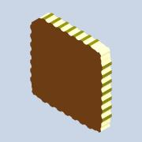 | Normal | Each | 1 |  |  | ANY | 0.000 kg
6.4.1.1 | Open CASCADE STEP translator 6.8 2.1.1^Board_1v2(2)_MTi-1-SoB_v2 |  | Normal | Each | 1 |  |  | ANY | 0.000 kg
6.4.1.1.1 | Open CASCADE STEP translator 6.8 2.1.1.1^Open CASCADE STEP translator 6.8 2.1.1_Board_1v2(2)_MTi-1-SoB_v2 | 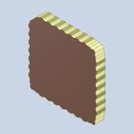 | Normal | Each | 1 |  |  | ANY | 0.000 kg | Generic
6.4.2 | U200_1v2(2)^MTi-1-SoB_v2 | 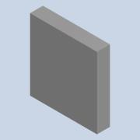 | Normal | Each | 1 |  |  | ANY | 0.000 kg
6.4.2.1 | 7460079024(2)^U200_1v2(2)_MTi-1-SoB_v2 |  | Normal | Each | 1 |  |  | ANY | 0.000 kg
6.4.2.1.1 | Extruded(2)^7460079024(2)_U200_1v2(2)_MTi-1-SoB_v2 | 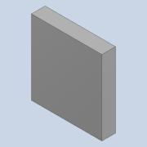 | Normal | Each | 1 |  |  | ANY | 0.000 kg | Generic
6.4.3 | C200_1v2(2)^MTi-1-SoB_v2 | 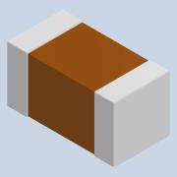 | Normal | Each | 1 |  |  | ANY | 0.000 kg
6.4.3.1 | Cap_0402(2)^C200_1v2(2)_MTi-1-SoB_v2 | 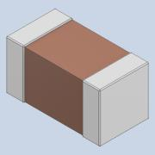 | Normal | Each | 1 |  |  | ANY | 0.000 kg | Generic
6.4.4 | C201_1v2(2)^MTi-1-SoB_v2 |  | Normal | Each | 1 |  |  | ANY | 0.000 kg
6.4.4.1 | Cap_0402(2)^C201_1v2(2)_MTi-1-SoB_v2 |  | Normal | Each | 1 |  |  | ANY | 0.000 kg | Generic
6.4.5 | C204_1v2(2)^MTi-1-SoB_v2 |  | Normal | Each | 1 |  |  | ANY | 0.000 kg
6.4.5.1 | Cap_0402(2)^C204_1v2(2)_MTi-1-SoB_v2 |  | Normal | Each | 1 |  |  | ANY | 0.000 kg | Generic
6.4.6 | C205_1v2(2)^MTi-1-SoB_v2 |  | Normal | Each | 1 |  |  | ANY | 0.000 kg
6.4.6.1 | Cap_0402(2)^C205_1v2(2)_MTi-1-SoB_v2 |  | Normal | Each | 1 |  |  | ANY | 0.000 kg | Generic
6.4.7 | C206_1v2(2)^MTi-1-SoB_v2 | 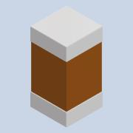 | Normal | Each | 1 |  |  | ANY | 0.000 kg
6.4.7.1 | Cap_0402(2)^C206_1v2(2)_MTi-1-SoB_v2 |  | Normal | Each | 1 |  |  | ANY | 0.000 kg | Generic
6.4.8 | C207_1v2(2)^MTi-1-SoB_v2 |  | Normal | Each | 1 |  |  | ANY | 0.000 kg
6.4.8.1 | Cap_0402(2)^C207_1v2(2)_MTi-1-SoB_v2 |  | Normal | Each | 1 |  |  | ANY | 0.000 kg | Generic
6.4.9 | C208_1v2(2)^MTi-1-SoB_v2 |  | Normal | Each | 1 |  |  | ANY | 0.000 kg
6.4.9.1 | Cap_0402(2)^C208_1v2(2)_MTi-1-SoB_v2 |  | Normal | Each | 1 |  |  | ANY | 0.000 kg | Generic
6.4.10 | C209_1v2(2)^MTi-1-SoB_v2 |  | Normal | Each | 1 |  |  | ANY | 0.000 kg
6.4.10.1 | Cap_0402(2)^C209_1v2(2)_MTi-1-SoB_v2 |  | Normal | Each | 1 |  |  | ANY | 0.000 kg | Generic
6.4.11 | C300_1v2(2)^MTi-1-SoB_v2 |  | Normal | Each | 1 |  |  | ANY | 0.000 kg
6.4.11.1 | Cap_0402(2)^C300_1v2(2)_MTi-1-SoB_v2 |  | Normal | Each | 1 |  |  | ANY | 0.000 kg | Generic
6.4.12 | C301_1v2(2)^MTi-1-SoB_v2 |  | Normal | Each | 1 |  |  | ANY | 0.000 kg
6.4.12.1 | Cap_0402(2)^C301_1v2(2)_MTi-1-SoB_v2 |  | Normal | Each | 1 |  |  | ANY | 0.000 kg | Generic
6.4.13 | C302_1v2(2)^MTi-1-SoB_v2 |  | Normal | Each | 1 |  |  | ANY | 0.000 kg
6.4.13.1 | Cap_0402(2)^C302_1v2(2)_MTi-1-SoB_v2 |  | Normal | Each | 1 |  |  | ANY | 0.000 kg | Generic
6.4.14 | C303_1v2(2)^MTi-1-SoB_v2 |  | Normal | Each | 1 |  |  | ANY | 0.000 kg
6.4.14.1 | Cap_0402(2)^C303_1v2(2)_MTi-1-SoB_v2 |  | Normal | Each | 1 |  |  | ANY | 0.000 kg | Generic
6.4.15 | C305_1v2(2)^MTi-1-SoB_v2 |  | Normal | Each | 1 |  |  | ANY | 0.000 kg
6.4.15.1 | Cap_0402(2)^C305_1v2(2)_MTi-1-SoB_v2 |  | Normal | Each | 1 |  |  | ANY | 0.000 kg | Generic
6.4.16 | C304_1v2(2)^MTi-1-SoB_v2 |  | Normal | Each | 1 |  |  | ANY | 0.000 kg
6.4.16.1 | Cap_0402(2)^C304_1v2(2)_MTi-1-SoB_v2 |  | Normal | Each | 1 |  |  | ANY | 0.000 kg | Generic
6.4.17 | R200_1v2(2)^MTi-1-SoB_v2 |  | Normal | Each | 1 |  |  | ANY | 0.000 kg
6.4.17.1 | RES0402(2)^R200_1v2(2)_MTi-1-SoB_v2 | 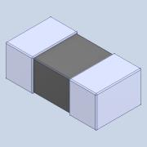 | Normal | Each | 1 |  |  | ANY | 0.000 kg | Generic
6.4.18 | R300_1v2(2)^MTi-1-SoB_v2 |  | Normal | Each | 1 |  |  | ANY | 0.000 kg
6.4.18.1 | RES0402(2)^R300_1v2(2)_MTi-1-SoB_v2 |  | Normal | Each | 1 |  |  | ANY | 0.000 kg | Generic
6.4.19 | R301_1v2(2)^MTi-1-SoB_v2 |  | Normal | Each | 1 |  |  | ANY | 0.000 kg
6.4.19.1 | RES0402(2)^R301_1v2(2)_MTi-1-SoB_v2 |  | Normal | Each | 1 |  |  | ANY | 0.000 kg | Generic
6.4.20 | S300_1v2(2)^MTi-1-SoB_v2 | 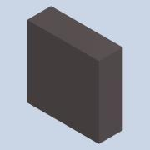 | Normal | Each | 1 |  |  | ANY | 0.000 kg
6.4.20.1 | 6752205952(2)^S300_1v2(2)_MTi-1-SoB_v2 |  | Normal | Each | 1 |  |  | ANY | 0.000 kg
6.4.20.1.1 | Extruded-1(2)^6752205952(2)_S300_1v2(2)_MTi-1-SoB_v2 | 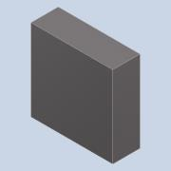 | Normal | Each | 1 |  |  | ANY | 0.000 kg | Generic
6.4.21 | S301_1v2(2)^MTi-1-SoB_v2 | 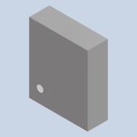 | Normal | Each | 1 |  |  | ANY | 0.000 kg
6.4.21.1 | User_Library-LGA-14_2_5x3(2)^S301_1v2(2)_MTi-1-SoB_v2 | 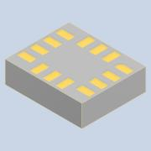 | Normal | Each | 1 |  |  | ANY | 0.000 kg | Generic
6.4.22 | R302_1v2(2)^MTi-1-SoB_v2 |  | Normal | Each | 1 |  |  | ANY | 0.000 kg
6.4.22.1 | RES0402(2)^R302_1v2(2)_MTi-1-SoB_v2 |  | Normal | Each | 1 |  |  | ANY | 0.000 kg | Generic
6.4.23 | C202_1v2(2)^MTi-1-SoB_v2 |  | Normal | Each | 1 |  |  | ANY | 0.000 kg
6.4.23.1 | Cap_0402(2)^C202_1v2(2)_MTi-1-SoB_v2 |  | Normal | Each | 1 |  |  | ANY | 0.000 kg | Generic
6.4.24 | C203_1v2(2)^MTi-1-SoB_v2 |  | Normal | Each | 1 |  |  | ANY | 0.000 kg
6.4.24.1 | Cap_0402(2)^C203_1v2(2)_MTi-1-SoB_v2 |  | Normal | Each | 1 |  |  | ANY | 0.000 kg | Generic
6.4.25 | Y200_1v2(2)^MTi-1-SoB_v2 | 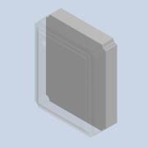 | Normal | Each | 1 |  |  | ANY | 0.000 kg
6.4.25.1 | User_Library-Crystal_(NDK)_2.0x1.6(2)^Y200_1v2(2)_MTi-1-SoB_v2 | 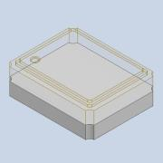 | Normal | Each | 1 |  |  | ANY | 0.000 kg | Generic
6.4.26 | R303_1v2(2)^MTi-1-SoB_v2 |  | Normal | Each | 1 |  |  | ANY | 0.000 kg
6.4.26.1 | RES0402(2)^R303_1v2(2)_MTi-1-SoB_v2 |  | Normal | Each | 1 |  |  | ANY | 0.000 kg | Generic
6.4.27 | Mti-7 development board | 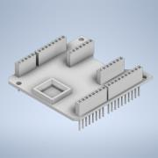 | Normal | Each | 1 |  |  |  | 0.007 kg | 一般
6.4.28 | GNSS_board | 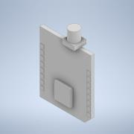 | Normal | Each | 1 |  |  |  | 0.001 kg | 一般
8 | signal_combiner | 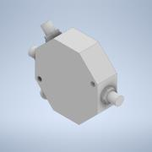 | Normal | Each | 1 |  |  |  | 0.025 kg | 一般
11 | battery_box_5V | 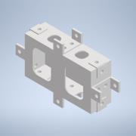 | Normal | Each | 1 |  |  |  | 0.031 kg
11.1 | battery_box_5V_base | 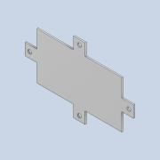 | Normal | Each | 1 |  |  |  | 0.009 kg | Aluminum
11.2 | battery_box_5V_side1 | 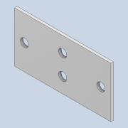 | Normal | Each | 2 |  |  |  | 0.002 kg | Aluminum
11.3 | connector | 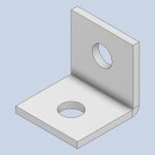 | Normal | Each | 12 |  |  |  | 0.000 kg | Aluminum
11.4 | battery_box_5V_front | 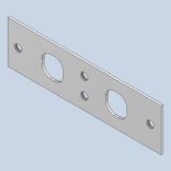 | Normal | Each | 1 |  |  |  | 0.003 kg | Aluminum
11.5 | battery_box_5V_back |  | Normal | Each | 1 |  |  |  | 0.003 kg | Aluminum
11.6 | battery_box_5V_top | 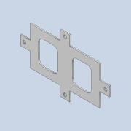 | Normal | Each | 1 |  |  |  | 0.006 kg | Aluminum
12 | Forward_lower plate | 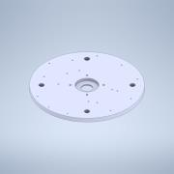 | Normal | Each | 1 |  |  |  | 430.488 g | 一般
13 | GEARBOX_SHAFT3 | 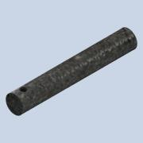 | Normal | Each | 4 |  |  |  | 0.040 kg | Steel
15 | socket_assembly | 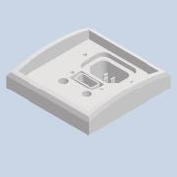 | Normal | Each | 1 |  |  |  | 0.043 kg
15.1 | power_signal_socket | 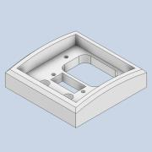 | Normal | Each | 1 |  |  |  | 0.035 kg | Acetal Resin, White
15.2 | power_socket_24V | 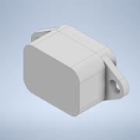 | Normal | Each | 1 |  |  |  | 0.008 kg | 一般
15.3 | Dsub_9pin_female | 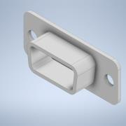 | Normal | Each | 1 |  |  |  | 0.001 kg | 一般
16 | antenna_socket | 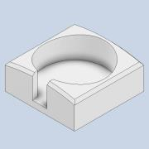 | Normal | Each | 1 |  |  |  | 0.061 kg | Acetal Resin, White
17 | GPSR_antenna | 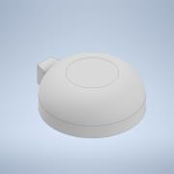 | Normal | Each | 1 |  |  |  | 0.029 kg | 一般
18 | copper_pillar_M3_L25 |  | Normal | Each | 4 |  |  |  | 0.006 kg | Copper
19 | forward_assembly.Harness5 |  | Normal | Each | 1 |  |  |  | 0.000 kg
20 | forward_assembly.Harness6 |  | Normal | Each | 1 |  |  |  | 0.000 kg
21 | forward_assembly.Harness7 |  | Normal | Each | 1 |  |  |  | 0.000 kg
22 | forward_assembly.Harness8 |  | Normal | Each | 1 |  |  |  | 0.000 kg
23 | Run 06 |  | Normal | Each | 1 |  |  |  | 0.000 kg
24 | forward_assembly.Harness11 |  | Normal | Each | 1 |  |  |  | 0.000 kg
25 | pad |  | Normal | Each | 1 |  |  |  | 0.000 kg | 一般
26 | GEARBOX_TEMP |  | Normal | Each | 1 |  |  |  | 2.335 kg
26.9 | METW-7 |  | Purchased | Each | 16 |  | METW．METWS．CAP-METW．CAP-METWS-E-type Buckle |  | 0.000 kg | Generic | NT$2.00
26.10 | washer10_16_1 |  | Normal | Each | 8 |  |  |  | 0.000 kg | Nylon 6/6 | NT$2.00
26.17 | CBB4-16 |  | Purchased | Each | 24 |  | CBB-Hexagon socket screws |  | 0.003 kg | Generic | NT$2.00
26.16 | 105.040 |  | Purchased | Each | 16 |  | 105(Slotted)-Threaded bushing (Self-tapping, Slotted) |  | 0.001 kg | Steel | NT$17.00
26.12 | KKES04-025 |  | Purchased | Each | 4 |  | KKED、KKES、KKEG-parallel key |  | 0.003 kg | Steel | NT$24.00
26.13 | KKES04-008 |  | Purchased | Each | 4 |  | KKED、KKES、KKEG-parallel key |  | 0.001 kg | Iron, Cast | NT$24.00
26.15 | 6000DDU |  | Purchased | Each | 8 |  | Contact Sealed Type DD DDU- |  | 0.018 kg |  | NT$50.00
26.15.1 | 6000DDU Outer ring |  | Purchased | Each | 1 |  | contact_sealed_type_dd_ddu_OR-NSK |  | 0.001 kg | Generic
26.15.2 | 6000DDU Inner ring |  | Purchased | Each | 1 |  | contact_sealed_type_dd_ddu_IR-NSK |  | 0.001 kg | Generic
26.15.3 | 6000DDU Ball |  | Purchased | Each | 13 |  | contact_sealed_type_dd_ddu_B-NSK |  | 0.000 kg | Generic
26.15.4 | 6000DDU Shield1 |  | Purchased | Each | 1 |  | contact_sealed_type_dd_ddu_S1-NSK |  | 0.000 kg | Generic
26.15.5 | 6000DDU Shield2 |  | Purchased | Each | 1 |  | contact_sealed_type_dd_ddu_S2-NSK |  | 0.000 kg | Generic
26.8 | gearbox_shaft1 |  | Normal | Each | 4 |  |  |  | 0.028 kg | Steel | NT$250.00
26.3 | gearbox_shaft2 |  | Normal | Each | 4 |  |  |  | 0.030 kg | Steel | NT$260.00
26.6 | 6007DDU |  | Purchased | Each | 1 |  | Contact Sealed Type DD DDU- |  | 0.151 kg |  | NT$260.00
26.6.1 | 6007DDU Outer ring |  | Purchased | Each | 1 |  | contact_sealed_type_dd_ddu_OR-NSK |  | 0.010 kg | Generic
26.6.2 | 6007DDU Inner ring |  | Purchased | Each | 1 |  | contact_sealed_type_dd_ddu_IR-NSK |  | 0.007 kg | Generic
26.6.3 | 6007DDU Ball |  | Purchased | Each | 13 |  | contact_sealed_type_dd_ddu_B-NSK |  | 0.000 kg | Generic
26.6.4 | 6007DDU Shield1 |  | Purchased | Each | 1 |  | contact_sealed_type_dd_ddu_S1-NSK |  | 0.001 kg | Generic
26.6.5 | 6007DDU Shield2 |  | Purchased | Each | 1 |  | contact_sealed_type_dd_ddu_S2-NSK |  | 0.001 kg | Generic
26.5 | SB2-3020_On |  | Purchased | Each | 1 |  | Bevel Gears (SB)-R- |  | 0.215 kg | Iron, Cast | NT$900.00
26.7 | SB2-2030_On |  | Purchased | Each | 4 |  | Bevel Gears (SB)-L- |  | 0.120 kg | Iron, Cast | NT$900.00
26.11 | SSA1-24J10_On |  | Purchased | Each | 4 |  | Steel, Hubless Spur Gears (SSA)- |  | 0.025 kg | Iron, Cast | NT$900.00
26.14 | SSA1-36J10_On |  | Purchased | Each | 4 |  | Steel, Hubless Spur Gears (SSA)- |  | 0.066 kg | Iron, Cast | NT$900.00
26.2 | gearbox_side1 |  | Normal | Each | 4 |  |  |  | 0.077 kg | PMMA Plastic | NT$1,800.00
26.4 | gearbox_top |  | Normal | Each | 1 |  |  |  | 0.164 kg | PMMA Plastic | NT$2,000.00
26.1 | gearbox_base |  | Normal | Each | 1 |  |  |  | 0.174 kg | PMMA Plastic | NT$3,000.00
27 | shift_fixed_socket |  | Normal | Each | 8 |  |  |  | 0.010 kg | Acetal Resin, White
29 | FBB4-6 |  | Purchased | Each | 4 |  | FBB SFBB-Pan head hexagon socket screw |  | 0.001 kg | Steel | NT$3.00
28 | 6000DDU |  | Purchased | Each | 4 |  | Contact Sealed Type DD DDU- |  | 0.018 kg |  | NT$50.00
28.1 | 6000DDU Outer ring |  | Purchased | Each | 1 |  | contact_sealed_type_dd_ddu_OR-NSK |  | 0.001 kg | Generic
28.2 | 6000DDU Inner ring |  | Purchased | Each | 1 |  | contact_sealed_type_dd_ddu_IR-NSK |  | 0.001 kg | Generic
28.3 | 6000DDU Ball |  | Purchased | Each | 13 |  | contact_sealed_type_dd_ddu_B-NSK |  | 0.000 kg | Generic
28.4 | 6000DDU Shield1 |  | Purchased | Each | 1 |  | contact_sealed_type_dd_ddu_S1-NSK |  | 0.000 kg | Generic
28.5 | 6000DDU Shield2 |  | Purchased | Each | 1 |  | contact_sealed_type_dd_ddu_S2-NSK |  | 0.000 kg | Generic
9 | signal_combiner_plate |  | Normal | Each | 1 |  |  |  | 0.009 kg | Aluminum | NT$60.00
14 | coupling |  | Normal | Each | 4 |  |  |  | 0.036 kg | Aluminum 6061 | NT$475.00
10 | battery_5V |  | Normal | Each | 1 |  |  |  | 0.120 kg | 一般 | NT$725.00
7 | battery_box_24V |  | Normal | Each | 1 |  |  |  | 0.104 kg |  | NT$790.00
7.1 | battery_box_24V_base |  | Normal | Each | 1 |  |  |  | 0.016 kg | Aluminum
7.2 | battery_box_24V_side1 |  | Normal | Each | 2 |  |  |  | 0.016 kg | Aluminum
7.3 | connector |  | Normal | Each | 18 |  |  |  | 0.000 kg | Aluminum
7.4 | battery_box_24V_front |  | Normal | Each | 1 |  |  |  | 0.017 kg | Aluminum
7.5 | battery_box_24V_back |  | Normal | Each | 1 |  |  |  | 0.017 kg | Aluminum
7.6 | battery_box_24V_top |  | Normal | Each | 1 |  |  |  | 0.012 kg | Aluminum
4 | battery_24V |  | Normal | Each | 1 |  |  |  | 0.900 kg | 一般 | NT$5,360.00
2 | ServoReductionMotor_SGER60_25 |  | Normal | Each | 1 |  |  |  | 1.800 kg |  | NT$36,540.00
2.1 | SM23165x |  | Normal | Each | 1 |  | SolidWorks IGES file using analytic representation for surfaces |  | 1.800 kg | Generic | NT$36,540.00

