12_Charts
Embedded Analytical Charts
Source: Donewell Insurance policy register 2020-2024

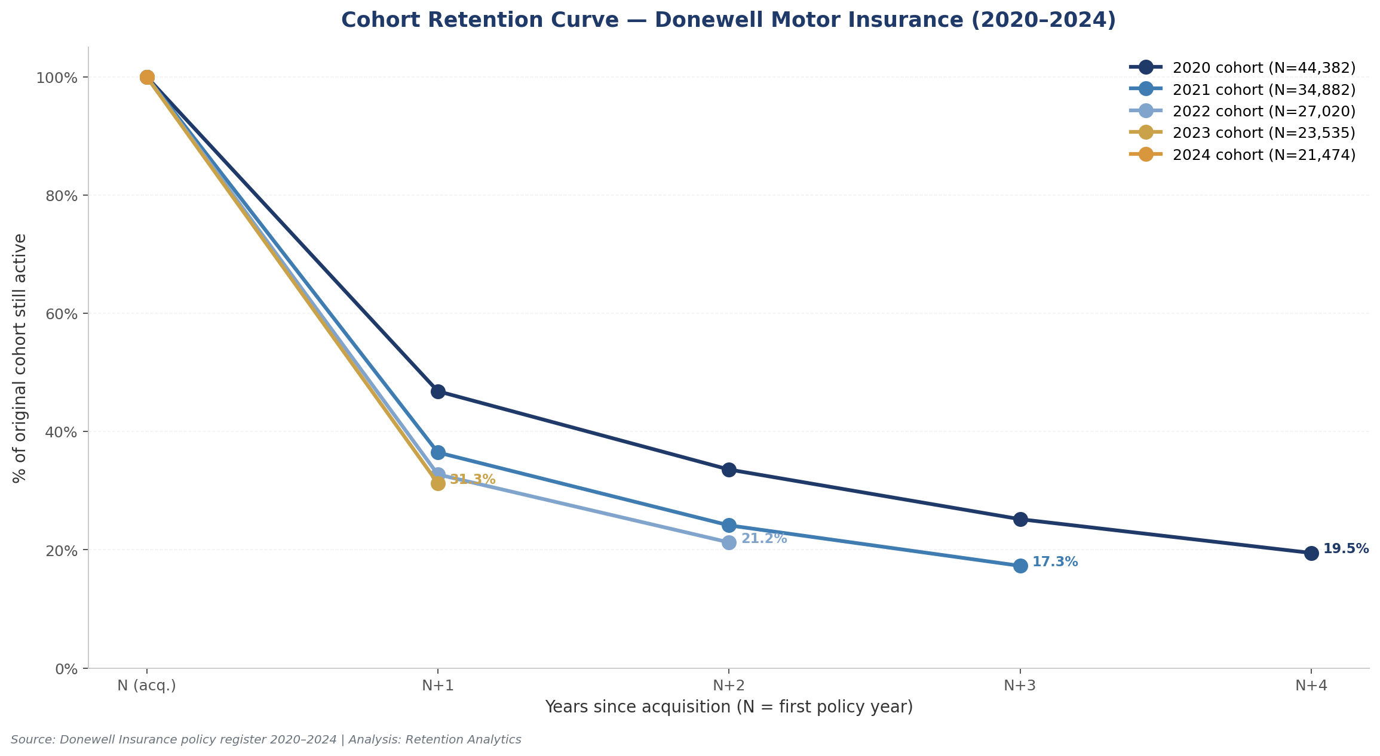

Figure 1: Cohort Retention Curve — % of original cohort active in subsequent years

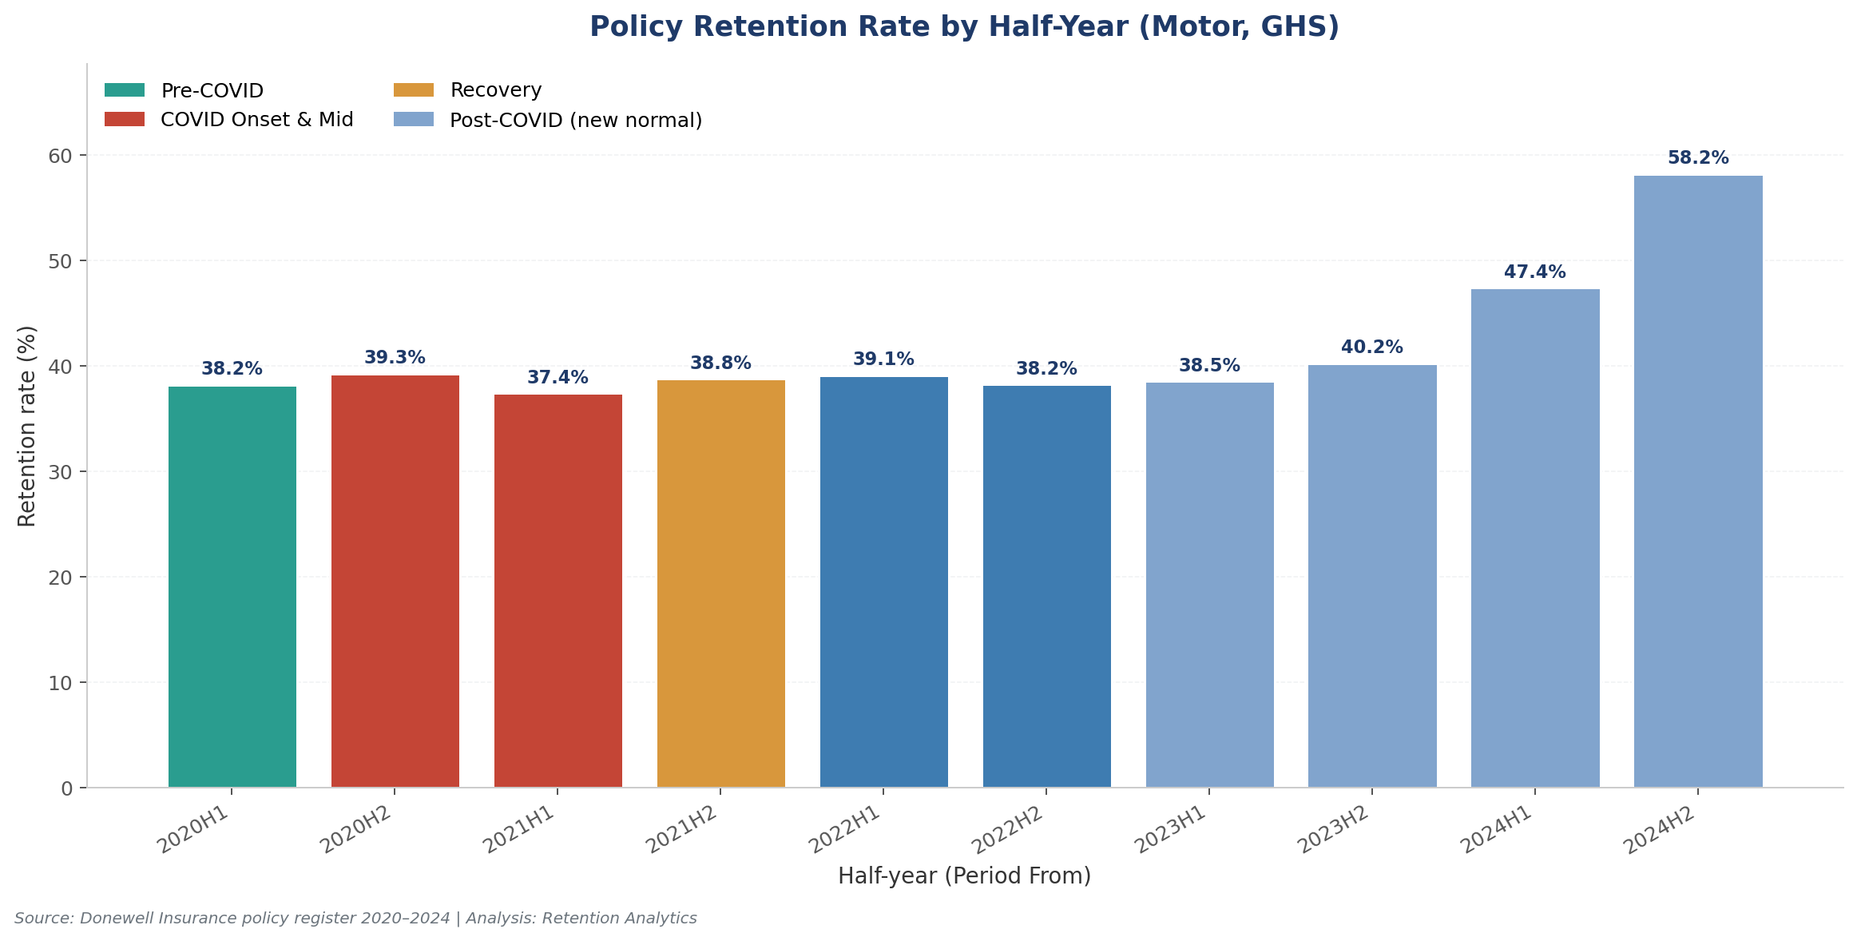

Figure 2: Retention Rate by Half-Year with COVID phase overlay

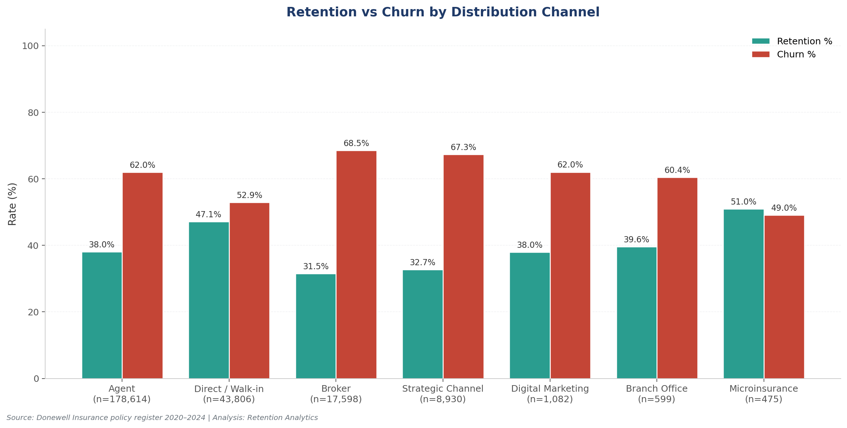

Figure 3: Retention vs Churn by Distribution Channel

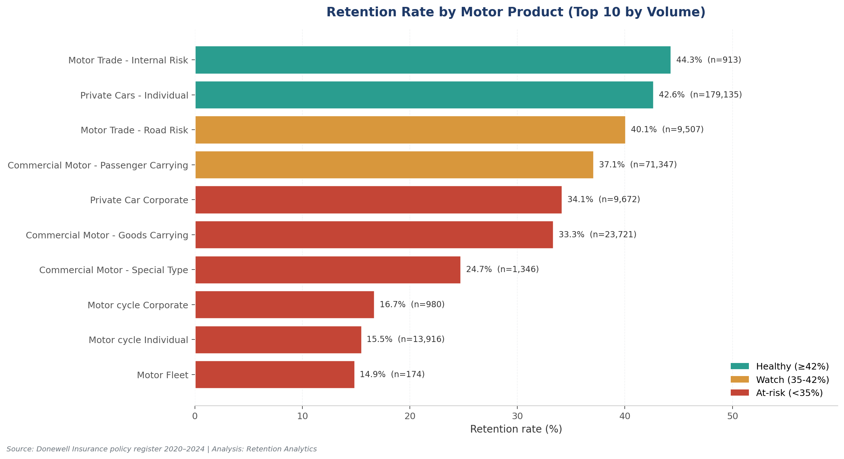

Figure 4: Retention Rate by Motor Product (Top 10 by volume)

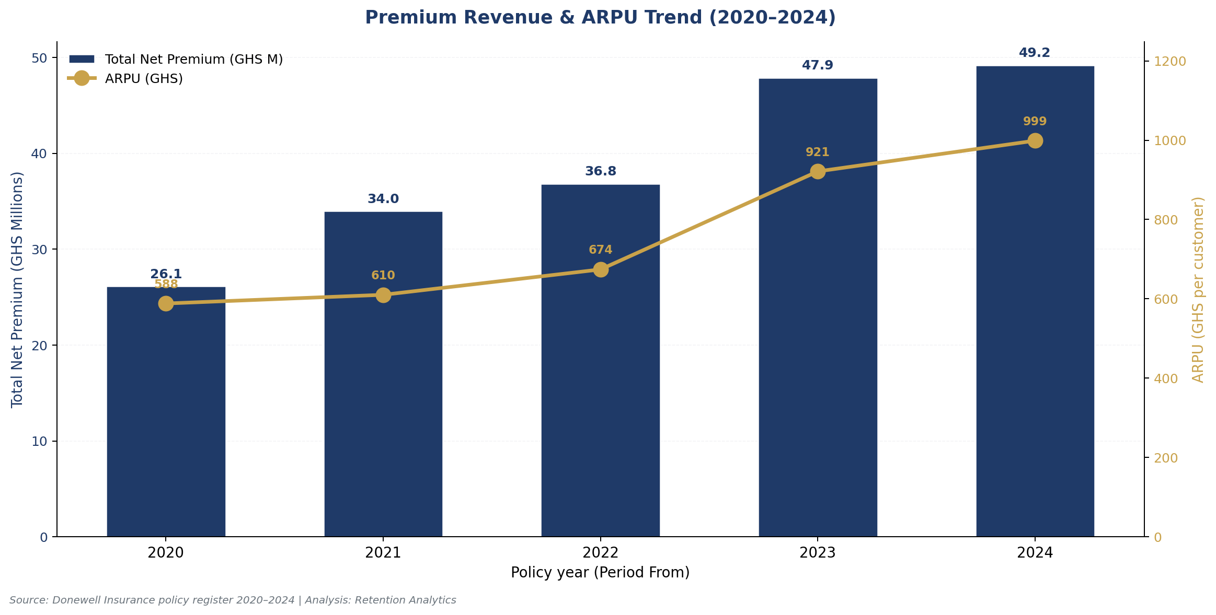

Figure 5: Premium Revenue & ARPU Trend (2020-2024)

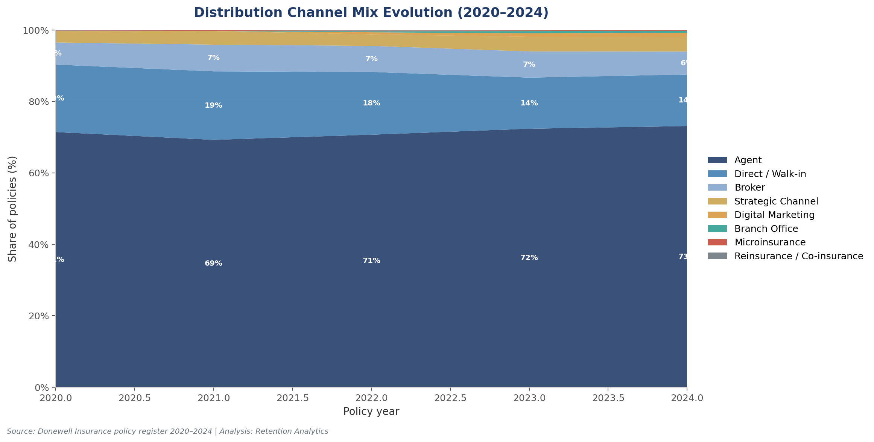

Figure 6: Distribution Channel Mix Evolution (2020-2024)

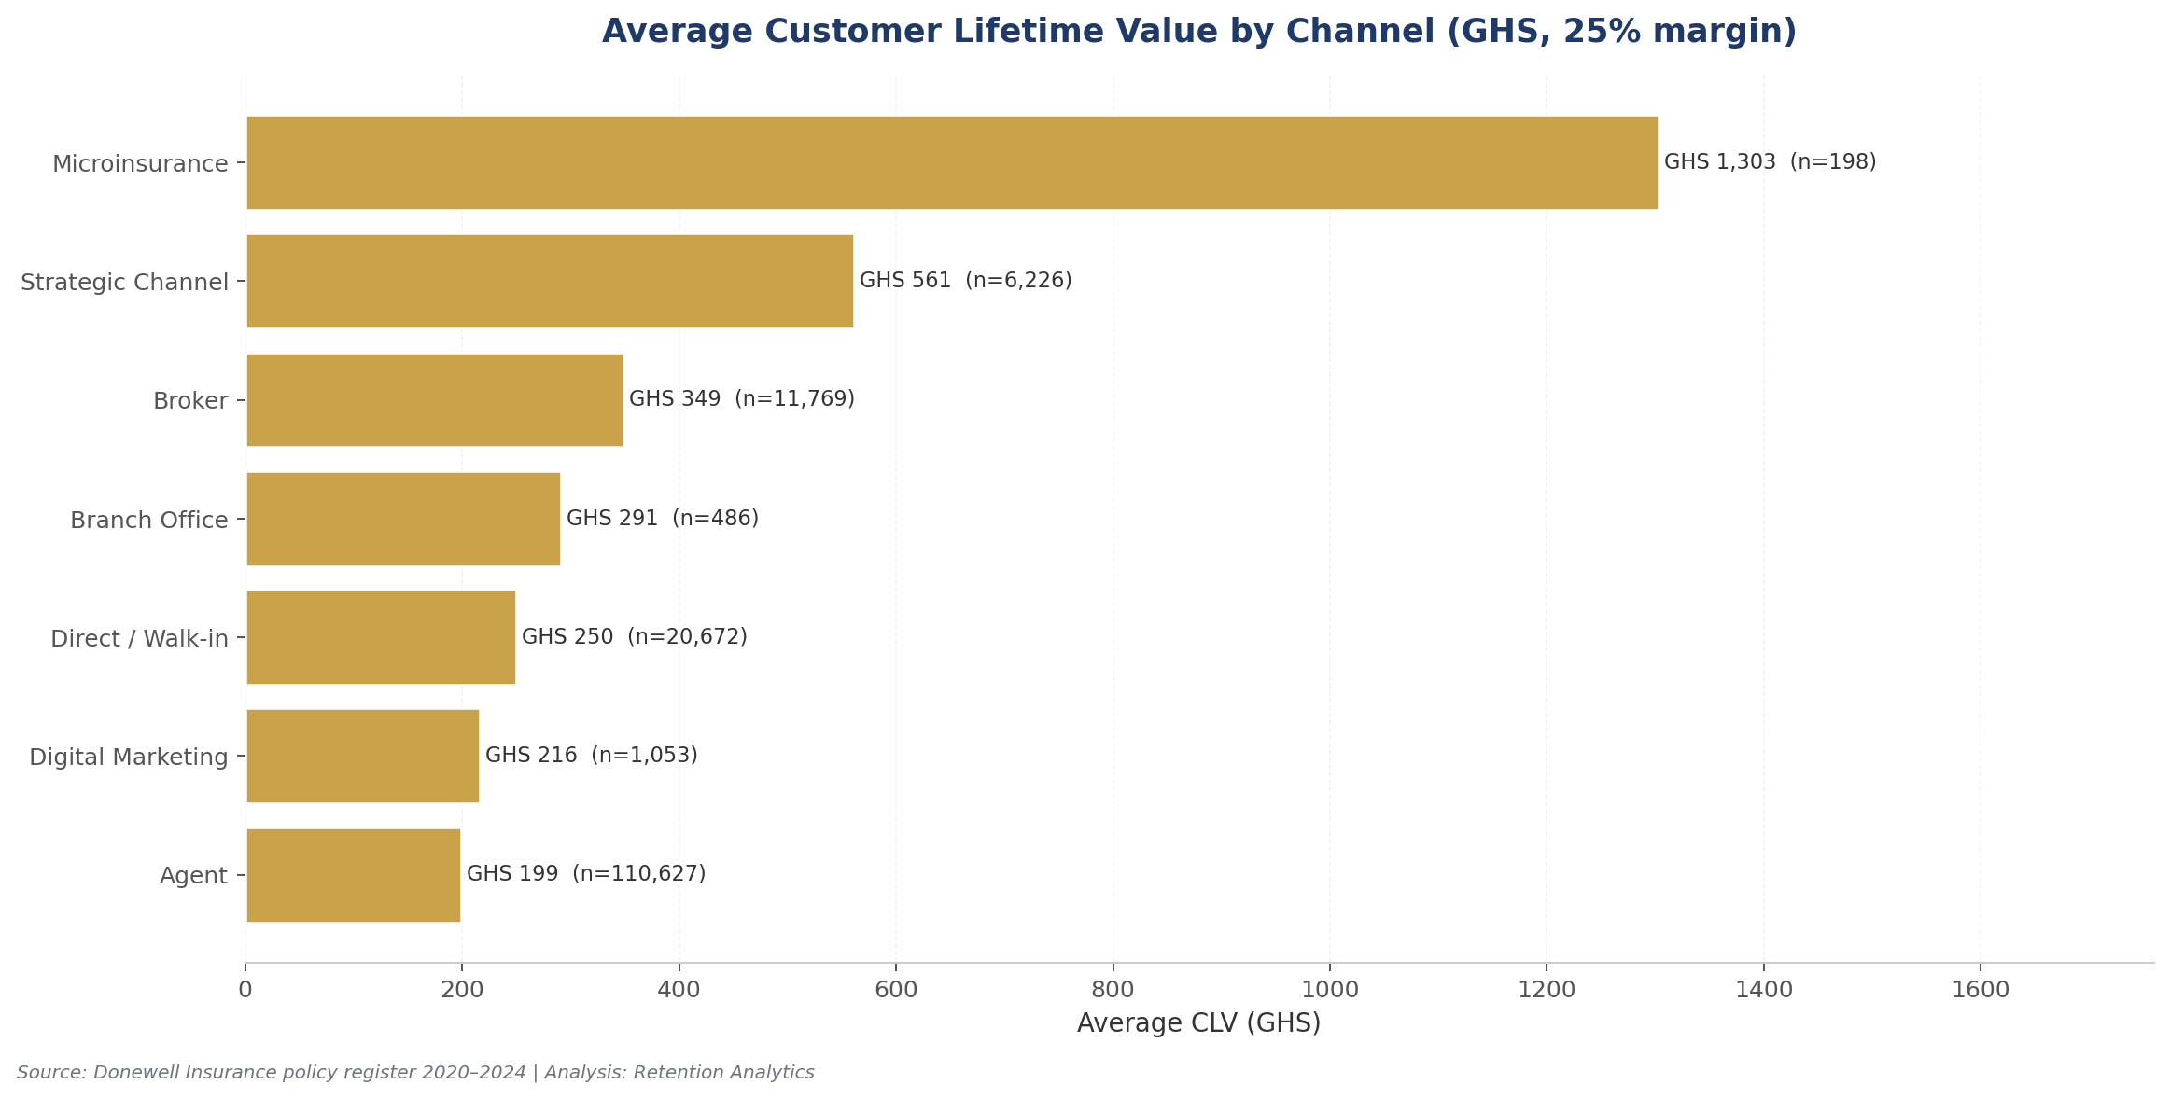

Figure 7: Average Customer Lifetime Value by Channel

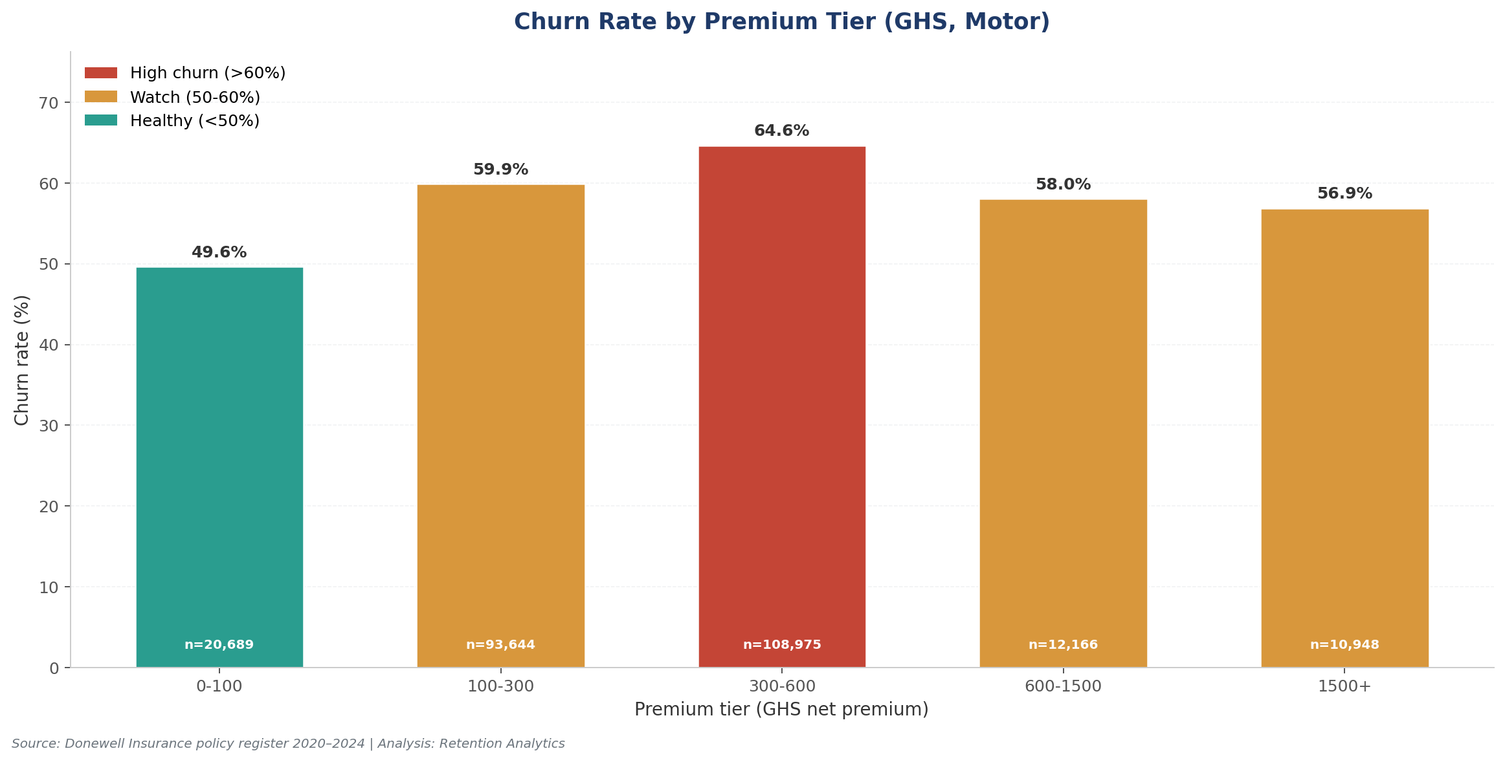

Figure 8: Churn Rate by Premium Tier

