Screw Design
Press Tab to Cycle Through Input Variables

 | Ball Screw Best Practices:
 | *Smaller screw leads will reduce maximum linear speed and efficiency while increasing mechanical advantage. *Increasing a ball screw diameter will increase the critical speed and buckling load. *Support the screw properly for it's length and application. *Heavy grease is a good general use lubricant for ball screws, unless the environment is particularly dusty in which case use a dry film lubricant. *Never overload the screw or you risk permanet deformation on the bearings or a bent screw. *Never ever exceed the critical rotation speed. *If avoiding backlash is critical, use preloaded nuts.

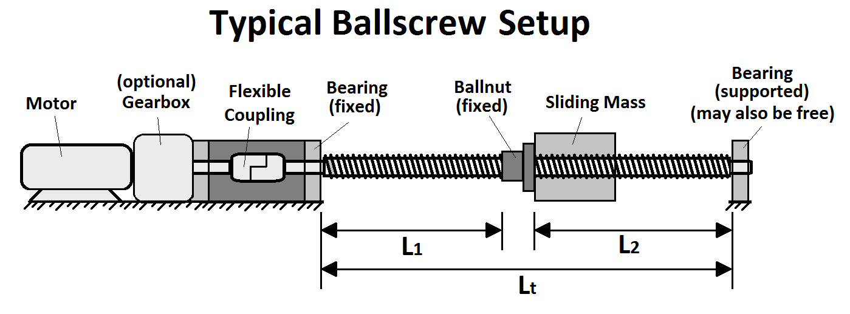
 | *A flexible coupling element must be used bewteen the motor and the screw or else the motor speed will be impossible to control and/or the system will be unstable. Worksheet Notes: *This worksheet assumes ballscrews are hardened steel, are properly lubricated, and the setup is adequitely rigid. *Use the drawing to the right as a reference. You can anlyse your system over distance L1 or L2, just make sure to select the proper end support conditions. *Your ball screw system is the most vulnerable to damage when the ball nut is fully extended to one extreme side.

 | Screw Dimensions (these dimensions apply to all calculations)
 | Screw OD | Screw Lead | Distance Between Supports (L1 or L2) | End Support Conditions (of either L1 or L2) | Total Sliding Mass | Maximum Acceleration (of sliding mass) | Screw Efficiency (Ball screw = 70-95%) (Lead Screw = 20-40%) | Lead Angle
 | (in) | (in/rot) | (in) | Pick | (lb) | (in/sec^2) | (%) | (deg) |  | Fixed-Free
 | 0.625 | 0.200 | 48.0 | Fixed-Supported | 39.0 | 5.0 | 95% | 5.816 |  | Suported-Supported
 |  |  |  |  |  |  |  |  |  | Fixed-Supported
 | Motor Drive Specifications |  |  |  |  |  |  |  | Fixed-Supported |  | Fixed-Fixed
 | Output Force |  |  | Output Speed |  |  |  |  | Fixed-Supported
 | Gear Ratio (input turns/ output turns) | Rated Continuous Motor Torque | Max Linear Force Output (compare this to the buckling load below and the rated load of your ball nut.) | Motor Rated Speed | Maximum Possible Linear Speed (compare this to the critical speed below) |  | Output Power |  | Fixed-Supported
 | (#) | (in-lb) | (lb) | (RPM) | (in/min) | (in/sec) | (KW) |  | Fixed-Supported
 | 1.0 | 6.5 | 181 | 3,700 | 740 | 12.3 | 0.28 |  | Fixed-Supported

 | Screw Application Details
 | Minimum Required Motor Torque | Screw & Guide Frictional Resistance Force | Axial Stress | Torsional Stress | Total Equivilant Stress | Factor of Safety (Nut Stress)
 | (in-lb) | (lb) | (psi) | (psi) | (psi) | (/)
 | 6.400 | 7.92 | 661.4 | 133.5 | 700.7 | 30

 | Screw Buckling Load & Critical Speed
 | Buckling Load (Max Safe Load) |  | Critical Speed (Max Safe Speed)
 | (lb) |  | (rpm) |  | (in/sec)
 | 1,908 |  | 1,994 |  | 11.2

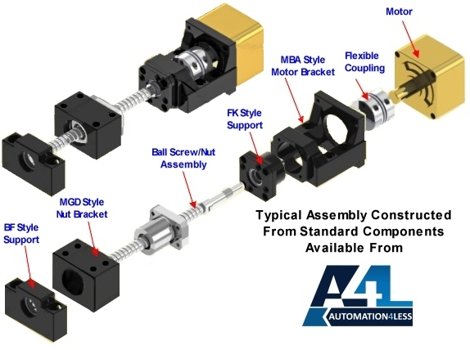
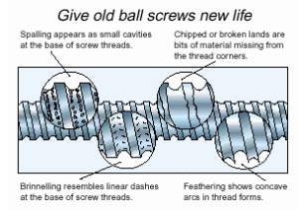
Signs of Screw Wear

 | SOURCES:
 | http://www.hiwin.com.tw/download/tech_doc/bs/Ballscrew-(E).pdf
 | http://www.learneasy.info/MDME/MEMmods/class_projects/backstop/controller/Topic4-BallscrewCalculations.pdf
 | http://us.misumi-ec.com/pdf/tech/mech/p2799.pdf
 | https://tech.thk.com/en/products/pdf/en_b15_006.pdf

Ball Screws VS Lead Screws
Ball Screws | Lead Screws
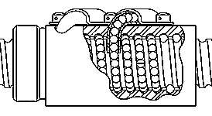
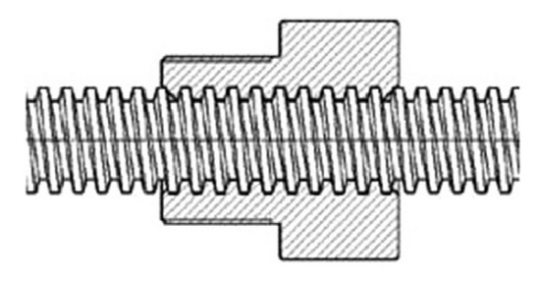

Pros: | Pros:
*Low backlash. | *Low Cost.
*High thrust loads. | *Quiet.
*Low wear over time allowing for long working life. | *Resistant to back driving.
*Low friction. | *Low vibration.
*Higher duty cycle. | *Wide range of leads.

Cons: | Cons:
*Noisy. | *Higher friction and hotter operating temperature.
*High cost. | *Operating life can be hard to predict.
*Risk of losing balls from the nut if overtravel occurs. | *Susceptible to backlash issues, especially when worn over time.
*Gravity can cause back driving in vertical applications.

Tips: | Tips:
*Efficiency: 70-95% (When properly lubricated). | *Efficiency: 20-40% (When properly lubricated).
*Ground is more precise & more expensive than rolled. | *To prevent galling/screw wear use rods and nuts made of different materials.
*Having two nuts on a single ball screw will not double the force capability of the system. | *An anti-backlash nut can reduce backlash at the cost of increased driving friction.
*Smaller screw leads will reduce maximum linear speed and efficiency while increasing mechanical advantage. | *Lead Screws are best used on low speed/low cycle applications.
*Increasing a ball screw diameter will increase the critical speed and buckling load. | *The increased friction on the lead screw might actually be desirable for some applications, such as a manual milling machine where the friction will reduce the propensity of the bed to walk as a result of vibrations.
Note: Typical coefficients of friction: 001 for ball bearings, .005 for profile rail, .01 for a cam follower, and .15 for plain bearings based on proper lubrication.

