column chart
Dengue case by different house type
Area type | Sum of Outcome
Developed | 32
Tinshed | 32
Undeveloped | 44
Tinshed | 44
Grand Total | 76

top 10 area
Top 10 area of Dengue cases
Area | Sum of Outcome
Badda | 4
Sabujbagh | 4
Kafrul | 4
Jatrabari | 5
Demra | 6
Mirpur | 7
Bangshal | 7
Grand Total | 37

KPIs
Area | Count of Gender |  |  | Column Labels
Male | 100% |  |  | Tinshed | Grand Total
Grand Total | 100% |  | Count of HouseType | 100% | 100%

Area | Count of Dengue
Negative | 47% |  | Area | Count of NS1 test
Positive | 53% |  | NS1-Negative | 71
Grand Total | 100% |  | NS1-Positive | 73
 |  |  | Grand Total | 144

Area | Count of Gender |  | Area | Count of IgG test
Male | 144 |  | IgG-Negative | 68
Grand Total | 144 |  | IgG-Positive | 76
 |  |  | Grand Total | 144

Area | Sum of Outcome
Mirpur | 7
Bangshal | 7 |  | Area | Count of IgM test
Demra | 6 |  | IgM-Negative | 88
Jatrabari | 5 |  | IgM-Positive | 56
Badda | 4 |  | Grand Total | 144
Sabujbagh | 4
Kafrul | 4
Biman Bandar | 3 | Jatrabari | 31
Khilgaon | 3 | Others | 502
Adabor | 3
Pallabi | 2
Cantonment | 2
Gendaria | 2
Dhanmondi | 2
Mohammadpur | 2
Rampura | 2
Hazaribagh | 2
Keraniganj | 2
Khilkhet | 2
Banasree | 1
Gulshan | 1
Shahbagh | 1
Kadamtali | 1
Ramna | 1
Motijheel | 1
Chawkbazar | 1
New Market | 1
Shyampur | 1
Tejgaon | 1
Paltan | 1
Kamrangirchar | 1
Kalabagan | 0
Sutrapur | 0
Sher-e-Bangla Nagar | 0
Bosila | 0
Grand Total | 76

pie chat of age vulnarability
Count of Dengue | Column Labels
Age group | Adult | Child | Senior Adult | Youth | Grand Total
Negative | 22 | 7 | 22 | 17 | 68
Positive | 20 | 15 | 27 | 14 | 76
Grand Total | 42 | 22 | 49 | 31 | 144 | Age group | Count of Area
 |  |  |  |  |  | Negative | 68
 |  |  |  |  |  | Positive | 76
 |  |  |  |  |  | Grand Total | 144
Age Group Vulnerability

stacked bar chart
Count of Dengue | Column Labels
Area type | Negative | Positive | Grand Total
Developed | 24% | 22% | 47%
Undeveloped | 23% | 31% | 53%
Grand Total | 47% | 53% | 100%

Area wise positive and negetive
Area wise positive and negetive count
 | Negetive | Positive
Badda | 0 | 1
Hazaribagh | 1 | 0
Jatrabari | 0 | 1
Kafrul | 0 | 1
Kamrangirchar | 0 | 1
Keraniganj | 2 | 0
Mohammadpur | 0 | 1
New Market | 3 | 0
Ramna | 0 | 1
Rampura | 1 | 0
Sabujbagh | 1 | 0
Shahbagh | 1 | 1
Sher-e-Bangla Nagar | 0 | 1
Shyampur | 0 | 1
Sutrapur | 1 | 0

Count of Dengue | Column Labels
Area type | Negative | Positive | Grand Total
Adabor | 1 | 3 | 4
Badda | 1 | 4 | 5
Banasree | 2 | 1 | 3
Bangshal | 1 | 7 | 8
Biman Bandar | 3 | 3 | 6
Bosila | 4 |  | 4
Cantonment |  | 2 | 2
Chawkbazar | 2 | 1 | 3
Demra |  | 6 | 6
Dhanmondi | 5 | 2 | 7
Area wise positive and negative count
 | Negative | Positive
Adabor | 1 | 3
Badda | 1 | 4
Banasree | 2 | 1
Bangshal | 1 | 7
Biman Bandar | 3 | 3
Bosila | 4
Cantonment |  | 2
Chawkbazar | 2 | 1
Demra |  | 6
Dhanmondi | 5 | 2
Gendaria | 2 | 2
Gulshan | 3 | 1
Hazaribagh | 4 | 2
Jatrabari | 2 | 5
Kadamtali | 3 | 1
Kafrul |  | 4
Kalabagan | 3
Kamrangirchar | 1 | 1
Keraniganj | 4 | 2
Khilgaon | 1 | 3
Khilkhet | 1 | 2
Mirpur | 3 | 7
Mohammadpur |  | 2
Motijheel | 1 | 1
New Market | 4 | 1
Pallabi | 1 | 2
Paltan | 4 | 1
Ramna | 2 | 1
Rampura | 1 | 2
Sabujbagh | 1 | 4
Shahbagh | 2 | 1
Sher-e-Bangla Nagar | 1
Shyampur | 1 | 1
Sutrapur | 4
Tejgaon |  | 1
Gendaria | 2 | 2 | 4
Gulshan | 3 | 1 | 4
Hazaribagh | 4 | 2 | 6
Jatrabari | 2 | 5 | 7
Kadamtali | 3 | 1 | 4
Kafrul |  | 4 | 4
Kalabagan | 3 |  | 3
Kamrangirchar | 1 | 1 | 2
Keraniganj | 4 | 2 | 6
Khilgaon | 1 | 3 | 4
Khilkhet | 1 | 2 | 3
Mirpur | 3 | 7 | 10
Mohammadpur |  | 2 | 2
Motijheel | 1 | 1 | 2
New Market | 4 | 1 | 5
Pallabi | 1 | 2 | 3
Paltan | 4 | 1 | 5
Ramna | 2 | 1 | 3
Rampura | 1 | 2 | 3
Sabujbagh | 1 | 4 | 5
Shahbagh | 2 | 1 | 3
Sher-e-Bangla Nagar | 1 |  | 1
Shyampur | 1 | 1 | 2
Sutrapur | 4 |  | 4
Tejgaon |  | 1 | 1
Grand Total | 68 | 76 | 144

Dashboard
Dengue Outbreak Analysis in Dhaka

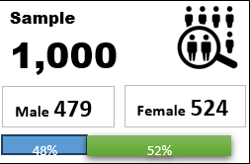
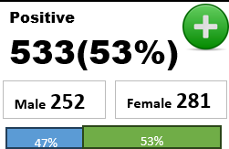
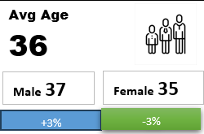
 | Tinshed
Total | 100%
Most Affected House Type
Building
354(35%)
Most Affected Area
Jatrabari
31(6%)

 | Jatrabari | Others
 | 31 | 502
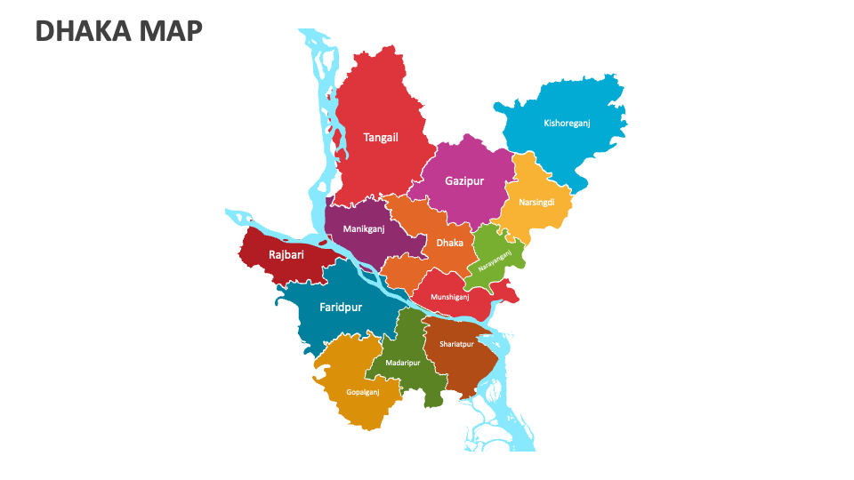

Area Based Outcome
 | Negative | Positive
Developed | 24% | 22%
Undeveloped | 23% | 31%
Dengue case by different house type
 | Total
Tinshed | 32
Tinshed | 44
Age Group Positive vs NEgative
 | Adult | Child | Senior Adult | Youth
Negative | 22 | 7 | 22 | 17
Positive | 20 | 15 | 27 | 14
S

🎇Observation:
1.Undeveloped Area have more positive cases
2. Child and Adult have the highest infection rate
3.Jatrabari and demra have the most postive cases

🎇Correlation Among Various Test with Outcome
Area wise positive and negative count
 | Negative | Positive
Adabor | 1 | 3
Badda | 1 | 4
Banasree | 2 | 1
Bangshal | 1 | 7
Biman Bandar | 3 | 3
Bosila | 4
Cantonment |  | 2
Chawkbazar | 2 | 1
Demra |  | 6
Dhanmondi | 5 | 2
Gendaria | 2 | 2
Gulshan | 3 | 1
Hazaribagh | 4 | 2
Jatrabari | 2 | 5
Kadamtali | 3 | 1
Kafrul |  | 4
Kalabagan | 3
Kamrangirchar | 1 | 1
Keraniganj | 4 | 2
Khilgaon | 1 | 3
Khilkhet | 1 | 2
Mirpur | 3 | 7
Mohammadpur |  | 2
Motijheel | 1 | 1
New Market | 4 | 1
Pallabi | 1 | 2
Paltan | 4 | 1
Ramna | 2 | 1
Rampura | 1 | 2
Sabujbagh | 1 | 4
Shahbagh | 2 | 1
Sher-e-Bangla Nagar | 1
Shyampur | 1 | 1
Sutrapur | 4
Tejgaon |  | 1

🎇Recommendation:
1.Focus on Underdeveloped areas
2.Conduct Educational research for better understanding of high rate of infection.
Top 10 area of Dengue cases
 | Total
Badda | 4
Sabujbagh | 4
Kafrul | 4
Jatrabari | 5
Demra | 6
Mirpur | 7
Bangshal | 7

