Graphs
Tick Data (25 x 25)
Tick Data (250 x 250)
25x25
Name | GasGrid:Tick
Vanilla | 0.03
Performance Fish | 0.04
10 Custom Gases | 0.11

250x250
Name | GasGridTick
Vanilla | 0.21
Performance Fish | 0.92
10 Custom Gases | 2.77

Config
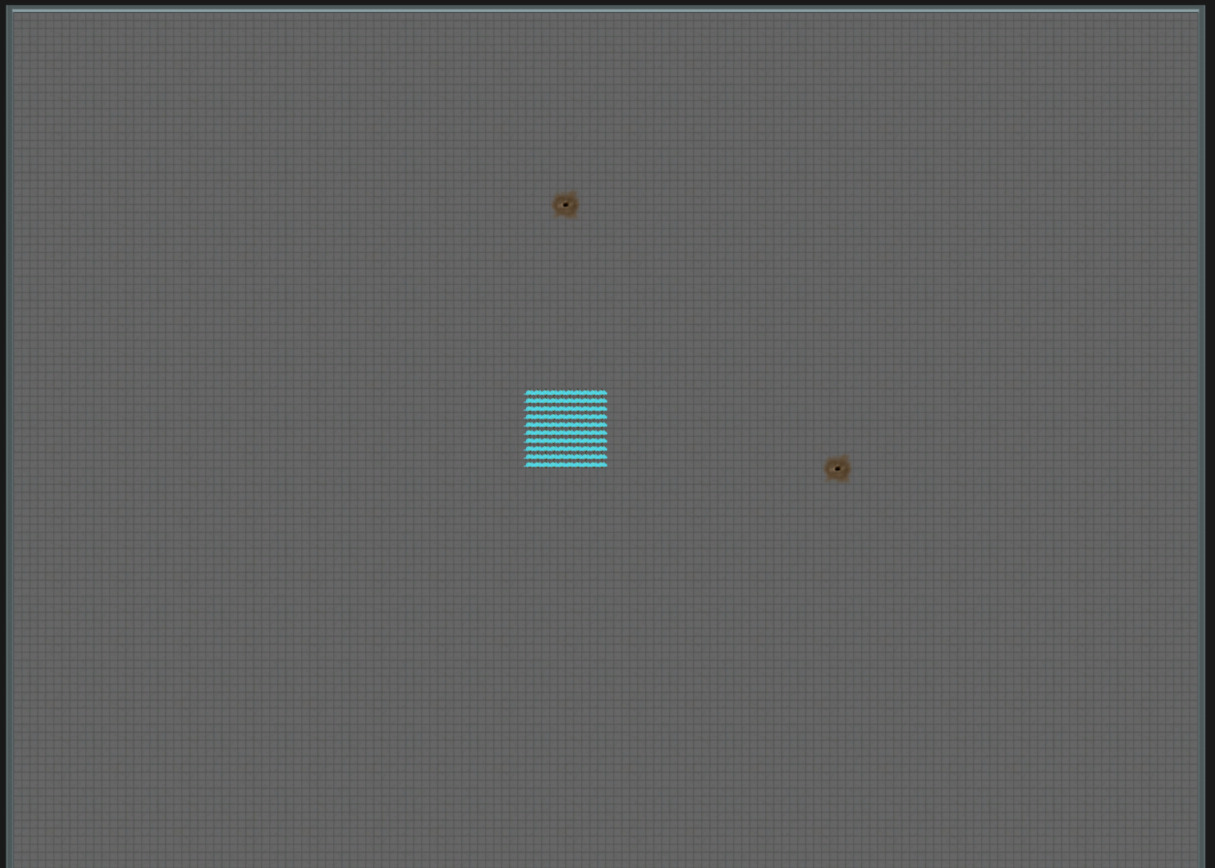
Test name format: [NAME]-[AREA SIZE]-[CONTROL?]
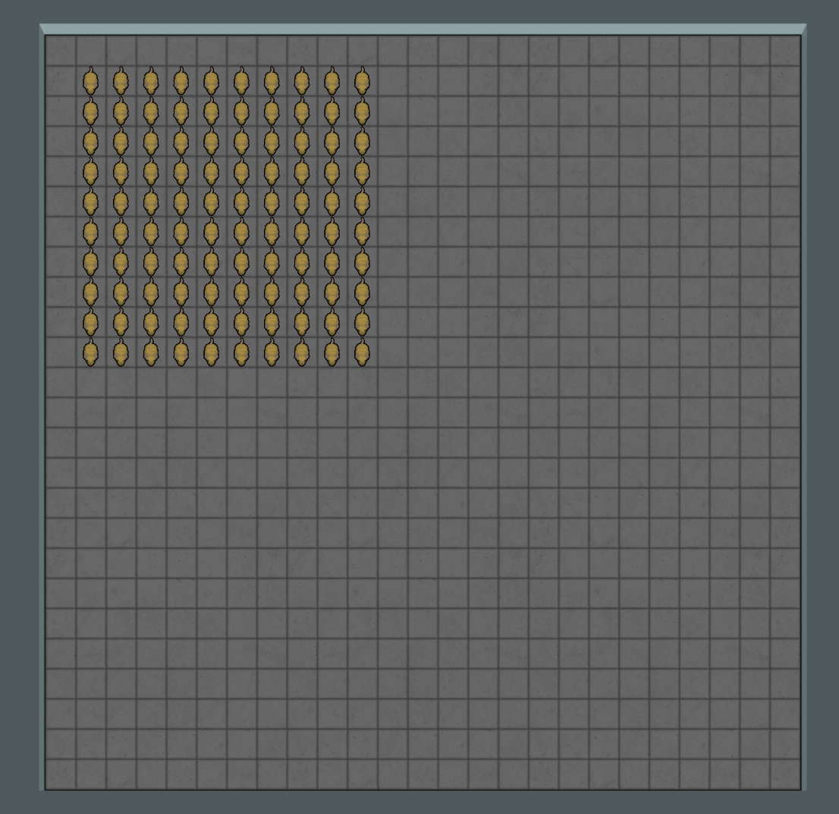
NAME = One-word label to describe Modlist (see mod lists below).
AREA SIZE = Dimensions of square area that gases filled in to (or left empty in the case of control tests).
CONTROL? = If present, no gases were filled in, otherwise all gases were filled in using the 'Fill All Gas' debug option.

All tests done at 3x speed, looking at average method time after 5 seconds, maps pictured on the right, all have 100 waste rats.
Test gases are designed to be as expensive as possible, having all immunity filters and no application filters.

Vanilla: | Fish: | SCGF: | All:
Prepatcher | Prepatcher | Prepatcher | Prepatcher
Harmony | Harmony | Harmony | Harmony
 | Fishery | Fishery | Fishery
Core | Core | Core | Core
 | Performance Fish | Performance Fish | Performance Fish
Biotech | Biotech | Biotech | Biotech
Dubs Performance Analyzer | Dubs Performance Analyzer | Dubs Performance Analyzer | Dubs Performance Analyzer | Area Size 25 | Area Size 250
 |  | Simple Custom Gas Framework | Simple Custom Gas Framework
 |  |  | [TestGases.xml]

