Sheet3
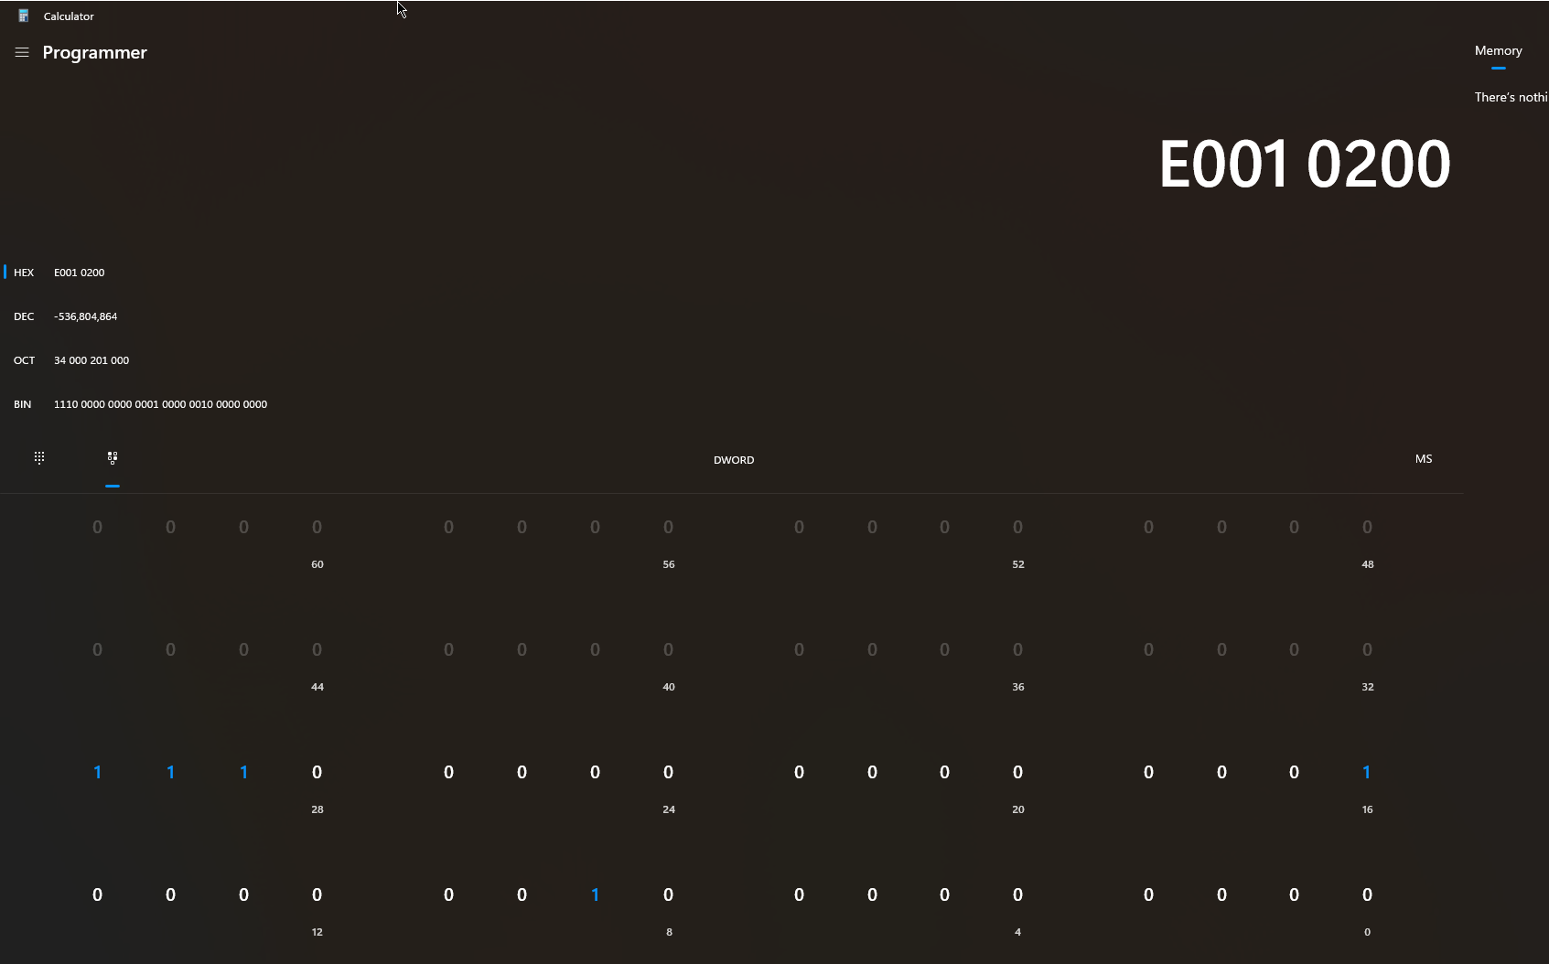
Word | Primary | Secondary | Decode
0 | 0x31000020 | 0x31000020 | Magic Number
1 | 0x00000000 | 0x00000000 | Setup
2 | 0x00000000 | 0x00000000 | Setup
3 | 0x00000000 | 0x00000000 | Setup
4 | 0x00000000 | 0x00000000 | Setup
5 | 0x01000000 | 0x01000000 | Setup
6 | 0xc00000ac | 0xc00000ac | CONFIG1 setup
7 | 0x00000004 | 0x00000004 | CONFIG1 setup
8 | 0xc4020000 | 0xc0020000 | OP_WAIT
9 | 0x47800000 | 0x47800000 | OP_SEG
10 | 0x00000fa0 | 0x00000fa0 | OP_SEG | NTIME | Tx Ramp
11 | 0x0380a3d0 | 0x0380a3d0 | OP_SEG
12 | 0x00000000 | 0x00000000 | OP_SEG
13 | 0x00010000 | 0x00010100 | OP_SEG
14 | 0x10000000 | 0x10000000 | OP_SEG
15 | 0xe0010200 | 0xe0010200 | OP_LOOP | NUM_LOOPS | Begin Loop
16 | 0x43800000 | 0x43800000
17 | 0x00000190 | 0x00000190
18 | 0x0380a3e0 | 0x0380a3d0
19 | 0x001b5000 | 0x00000000
20 | 0x00030400 | 0x00030400
21 | 0x42000000 | 0x42000000
22 | 0x00001000 | 0x00001000
23 | 0x0000c500 | 0x0000c500
24 | 0x42000000 | 0x42000000 |  |  |  | find RX_PLD_GATE
25 | 0x00000008 | 0x00000008
26 | 0x00000500 | 0x00000500
27 | 0x43000000 | 0x43000000
28 | 0x000000c8 | 0x000000c8
29 | 0x3d999800 | 0x00000000
30 | 0x00b00000 | 0x00b00000
31 | 0x43000000 | 0x43000000
32 | 0x0000025c | 0x0000025c
33 | 0x00000000 | 0x00000000
34 | 0x00b00000 | 0x00b00000
35 | 0x98000150 | 0x98000150
36 | 0xe0020000 | 0xe0020000 |  | NUM_LOOPS | Close Loop
37 | 0x47000000 | 0x47000000
38 | 0x000000c8 | 0x00000064
39 | 0x00000000 | 0x00000000
40 | 0x80000000 | 0x00000000
41 | 0x00028000 | 0x00000000
42 | 0xffffffff | 0xffffffff
43 | 0x10028001 | 0x10000000
44 | 0x10028000 | 0x10000002
45 | 0x10028004 | 0x10000000
46 | 0x10028000 | 0x10000008

