Sheet1
 | cpu | storage | value |  | normal | compress | efficient | total use | cpu used | storage used | business value
A | 20 | 30 | 10 |  | 0 | 1 | 0 | 1 | 10 | 15 | 5.5
B | 10 | 5 | 5 |  | 1 | 0 | 0 | 1 | 10 | 5 | 5
C | 30 | 10 | 10 |  | 1 | 0 | 0 | 1 | 30 | 10 | 10
D | 5 | 10 | 3 |  | 0 | 0 | 0 | 0 | 0 | 0 | 0
F | 15 | 30 | 10 |  | 0 | 0 | 0 | 0 | 0 | 0 | 0
G | 60 | 70 | 30 |  | 0 | 0 | 0 | 0 | 0 | 0 | 0
H | 80 | 80 | 80 |  | 0 | 1 | 0 | 1 | 40 | 40 | 44
I | 10 | 50 | 20 |  | 0 | 0 | 0 | 0 | 0 | 0 | 0
J | 3 | 50 | 5 |  | 0 | 0 | 1 | 1 | 6 | 25 | 5
 |  |  |  | sum | 2 | 2 | 1 |  | 96 | 95 | 69.5

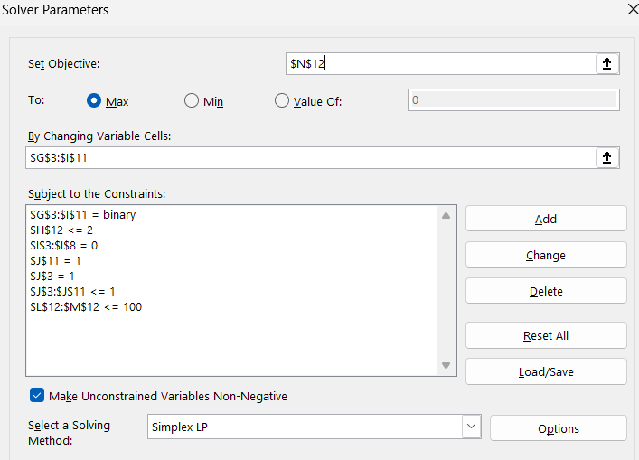
 | Constraint
 |  | normal + compress + efficient <= 1
 |  | CPU <= 100
 |  | Storage <= 100
 |  | total use of A, J = 1
 |  | sum of compress <= 2
 |  | all normal, compress = binary
 |  | efficient H I J = binary

