Sheet1
Title | Automatic Thai Subjective Examination using Cosine Similarity
UL | https://ieeexplore.ieee.org/abstract/document/8541276
Publisher | IEEE
Date of publication | 22-Nov-18
Abstract | This paper presents an automatic subjective examination system for Thai language based on semantic similarity. The examination answers are input into the system in short Thai sentences, without word boundaries. The input answers which are reference answers, and student answers, were segmented into a sequence of Thai words; using the longest matching algorithm and dictionary. These answers were transformed into vectors using TF-IDF, which is a frequency computation technique. Cosine similarity was used to measure the similarity of the answers. In order to evaluate the performance of the proposed system, we prepared a dataset of five questions from the final exam of the "Database Management System and Database Design" course and asked 70 students to provide their answers.

Datasets | The dataset utilized in our experiment was collected from 70 students enrolled in the “Database Management System and Database Design” course and was acquired from the descriptive answers of five subjective questions present in the course exam. The students' answers were compared with the reference answers, resulting in their scores. The answers were scored between „0‟ to „1‟, with „1‟ as the best or closest answer.

 | 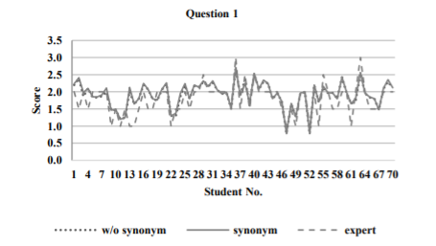 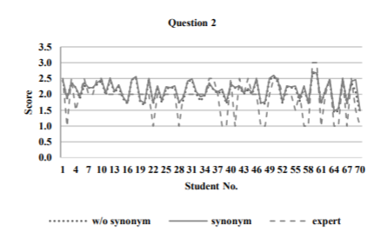 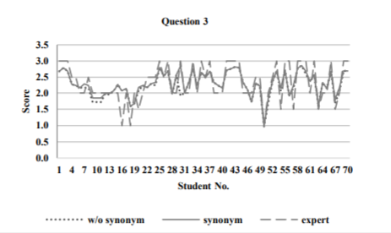 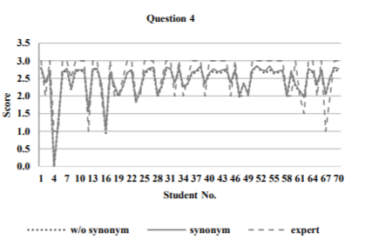 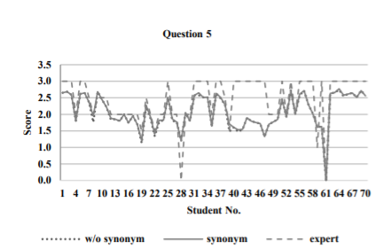

RELATED WORKS (methodology) | 1-Word Segmentation. 2-Stop word elimination. 3-Term Frequency – Inverse Document Frequency (TF-IDF) 4-Cosine Similarity

conclusion | This article presents an automatic Thai subjective examination using cosine similarity within short descriptive answers. A total of 70 students took part in the test, which consisted of five subjective questions. To assess the system's effectiveness, we compared the expert's scores with the scores of the students' replies, which were provided by our system combined with synonyms and without synonyms. The results show that the proposed system's and expert's scores follow a similar pattern. However, as a result of the preprocessing process, we discovered that in some circumstances, our system's ratings appeared to be quite low. The system's efficiency was harmed because we just looked at the frequency of the terms used and their synonyms without considering context. We plan to incorporate semantic and context analysis into future work to improve the efficiency of the proposed system.

problem Gap

Sheet2
Title | An approach to feature selection for sentiment analysis
UL | https://ieeexplore.ieee.org/abstract/document/5954773
Publisher | IEEE
Date of publication | June 23–25, 2011
Abstract | Sentiment analysis deals with methods for automatic analysis of the subjective aspects of the text. In this contribution we first present an overview of main approaches currently used in sentiment analysis. We further focus on feature selection methods for sentiment analysis and propose a new approach to feature selection. Our approach has been experimentally evaluated on movie review dataset. The results show that the proposed method is computationally efficient and in exchange sacrifices only a small amount of accuracy.

Datasets

Methdology

Results | 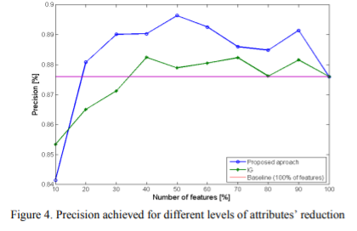 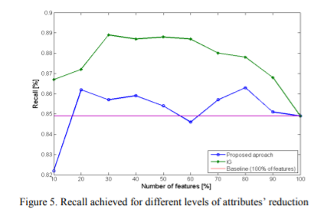 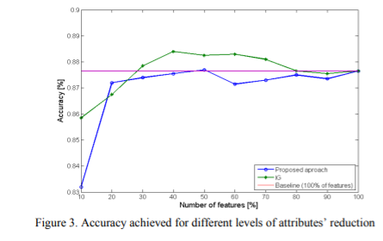

conclusion | In this paper described approach to feature, selection has been shown as a suitable alternative to existing univariate feature selection approaches, although it achieved slightly worse results than IG. In comparison to methods that are based on external knowledge, such as those presented in publications, the outcomes of IG and our methodology are clearly inferior. However, neither IG nor our approach requires information from other sources such as WordNet, POS annotation, or the use of ontologies; all that is required is data from submitted documents. Our approach has a number of major advantages, including low computing complexity and relatively simple algorithmic implementation, yet the resulting accuracy is similar to the other best-currently-used approaches for feature selection in SA.

future

problem gab

Sheet3
Title | Automatic Online Subjective Text Evaluation using Text Mining
UL | https://www.ijrte.org/wp-content/uploads/papers/v8i2/I8725078919.pdf
Publisher | International Journal of Recent Technology and Engineering (IJRTE)
Date of publication | Jul-19
Abstract | Semantic and semantic both works for evaluating the text data, but the semantic approach should do the same work with low time complexity. This work system carried out automated text evaluation for an online examination system with a semi-structured dataset. The system has been categorized into two phases, NLP and Features base evaluation. Natural Language Processing (NLP) has been used for preprocessing of data using tokenization, stop word removal, porter stemmer, etc. Similarity technique has been used to generate similarity scores between test answer and train answer data. Artificial Neural Network (ANN) has been used to generate the similarity score between two features vectors. Experimental analysis shows the how proposed system is better than some traditional approaches for semantic text evaluation.

Datasets | The dataset has been used for this work as the Question Answer (QA) dataset which is generated from our own web source. The system consists of two different modules admin as well as user, when the module communicates with the system he will upload the train data for question with an answer set. Moreover when the user login to the system he will solve all those questions and those answers as test data for the execution of the system.

Methdology | they used only three steps of pre-processing: 1- Stop word Removal Approach, 2-Stemming Algorithm, 3-tokenization. Then calculated using the ANN approach and answers are evaluated. The system has some predefined clusters such as grade a, b, c, d etc

result | 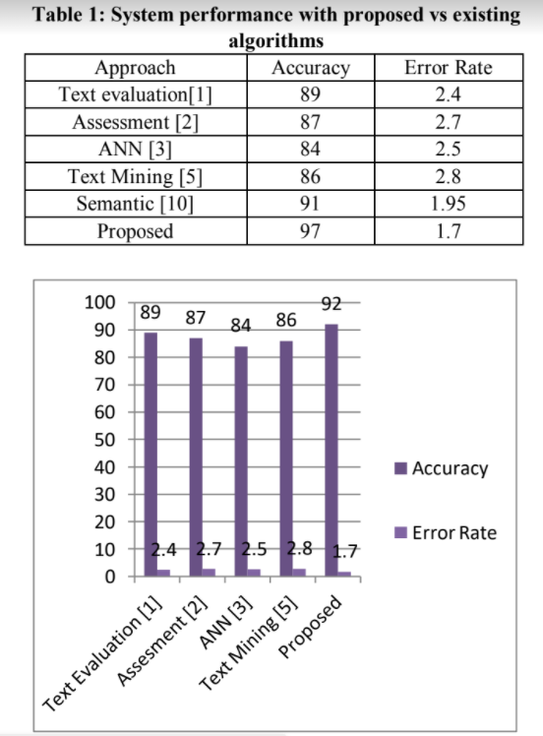 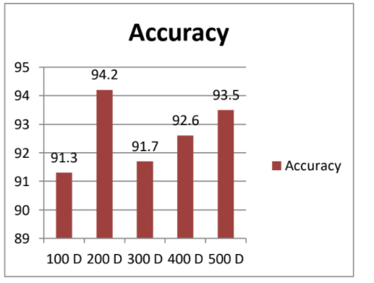

conclusion | The architecture described and presented in this project will have a high accuracy (up to 97%) with manual human performance. The project drives by similar facts which a human being thought of while evaluating such as Answer length, keywords presence, and context of keywords. Use of Natural Language Processing coupled with classification techniques, checks for keywords, and question-specific things as wel1l. 1-The system carried out the semantic analysis approach for weight calculation. 2-Training and testing phase work during the execution. 3- The ANN approach and cosine base weight similarity algorithm was proposed. 4- The system overcomes the negation handling as well as false detection issues of semantic analysisapproach.

Sheet4
Title | An Approach for Detection and Correction of Missing Word in Bengali Sentence
UL | https://ieeexplore.ieee.org/abstract/document/8679416
Publisher | IEEE
Date of publication | 04 April 2019
Abstract | Auto-correction for missing words in a sentence is not so easy. Also, it is found more challenging for the Bengali language. Our rigorous study reveals the fact that no significant research works have been done for the Bengali Language on this very topic. In this paper, we proposed a method that can detect the missing word and provide a suggestion list corresponding to missed words with 82.82% accuracy. We have used the n-gram model to find whether a word is missing between two words from a sentence or not. Then, we have used probability scoring to rank the suggestion list after finding the probable words for the missed word. We have used a corpus for making the decision which is the collection of bigram and another corpus is used for the preferable word for missed word which is a collection of the trigram. Finally, we have used another six corpora to evaluate our proposed method. All corpora are created by us using the data collected from the web.

PROPOSED FRAMEWORK | To build the method we need: (i) First, we need to decide whether a word is missing or not, and (ii) If missed, we should provide a suggestion list against the missed word. From a sentence first we will generate bigrams. If a bigram exists in our corpus, then it is alright, otherwise, it declares as an error. To provide suggestion list, we search in our trigram corpus where bigram first and the last word be trigram first and last word respectively and middle word be our suggestion word which is the missing word.

datasets

METHDOLOGY | Our methodologies consist of the following steps: (i) Data pre-processing, (ii) Generate n-gram, (iii) Detection of the missed word, and (iv) Find the suggestion list (if an error exists).

Result | 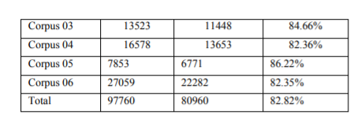 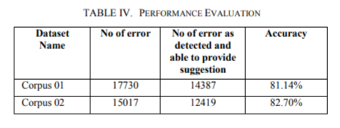

conclusion | In this paper, we have proposed an approach for missed word error detection and correction in the Bengali language. We bring out the concept of missed word error that is essentially different than non-word error and real-word error in the context of the Bengali language. Therefore, we have focused on how to detect the word which is unintentionally missed during typing in a sentence. In this research paper, we has developed a solution to this problem and achieved more than 82% accuracy. We strongly believe that this particular research area opens up new possibilities for greater improvement of the Bengali language. We are working on this topic to incorporate deep learning for accuracy enhancement. In future works, we plan to explore issues of time complexity, statistical analysis for detection accuracy, different corpus for training and testing.

Sheet7
Title | Fast and Easy Short Answer Grading with High Accuracy
UL | https://aclanthology.org/N16-1123/
Publisher | Association for Computational Linguistics
Date of publication | Jun-16
Abstract | We present a fast, simple, and high-accuracy short answer grading system. Given a short answer question and its correct answer, key measures of the correctness of a student response can be derived from its semantic similarity with the correct answer. Our supervised model utilizes recent advances in the identification of short-text similarity and augments text similarity features with key grading-specific constructs. We present experimental results where our model demonstrates top performance on multiple benchmarks.

methdology | Following feature extraction, Our system trains a supervised model for grading. Text Similarity, Semantic Vector Similarity, Question Demoting, Term Weighting, Length Ratio

Experiments | We evaluate our features on two grading tasks. The first task, proposed by Mohler et al. (2011), asks to compute a real-valued score for a student response on a scale of 0 to 5. The second task, proposed at SemEval-2013 (Dzikovska et al., 2013), asks to assign a label (e.g., correct or irrelevant) to a student response that shows how appropriate it is as an answer to the question. Thus from a machine learning perspective, the first is a regression task and the second is a classification task. We use the NLTK stopwords corpus (Bird et al., 2009) to identify function words. Results are discussed below.

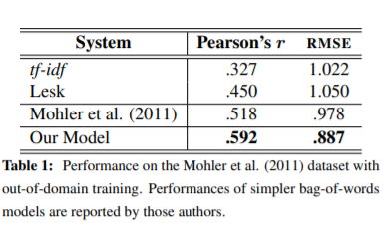 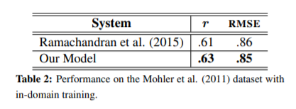 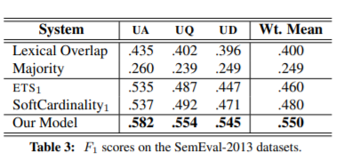

Conclusions and Future Work | We present a fast, simple, and high-performance short answer grading system. State-of-the-art measures of text similarity are combined with grading specific constructs to produce top results on multiple benchmarks. There is, however, the immense scope for improvement. Subtle factors like differences in modality or polarity might go undetected with coarse text similarity measures. Inclusion of text-level paraphrase and entailment features can help in such cases. Additional term weighting mechanisms are needed to identify important answer words in many cases. Our system provides a simple base model that can be easily extended with new features for more accurate answer grading.

