EDA Charts
📊 EDA Analysis Charts — DecodeLabs Internship Project 2

📦 Section 1: Product Performance
Chart 1: Product Sales Volume
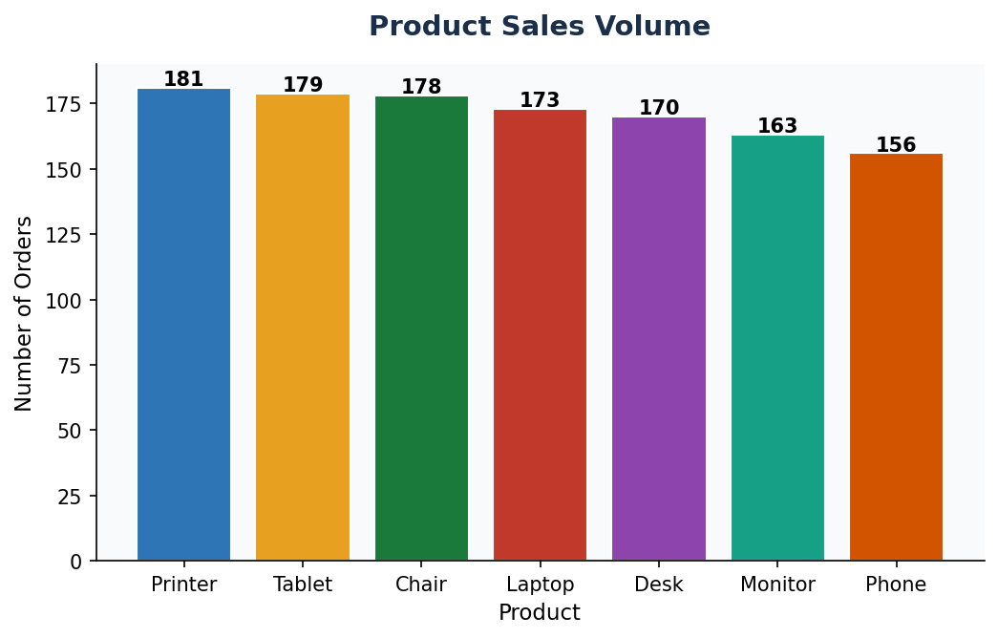

💡 Shows the total number of orders per product. Printer leads all categories.

Chart 2: Shipped vs Returned by Product
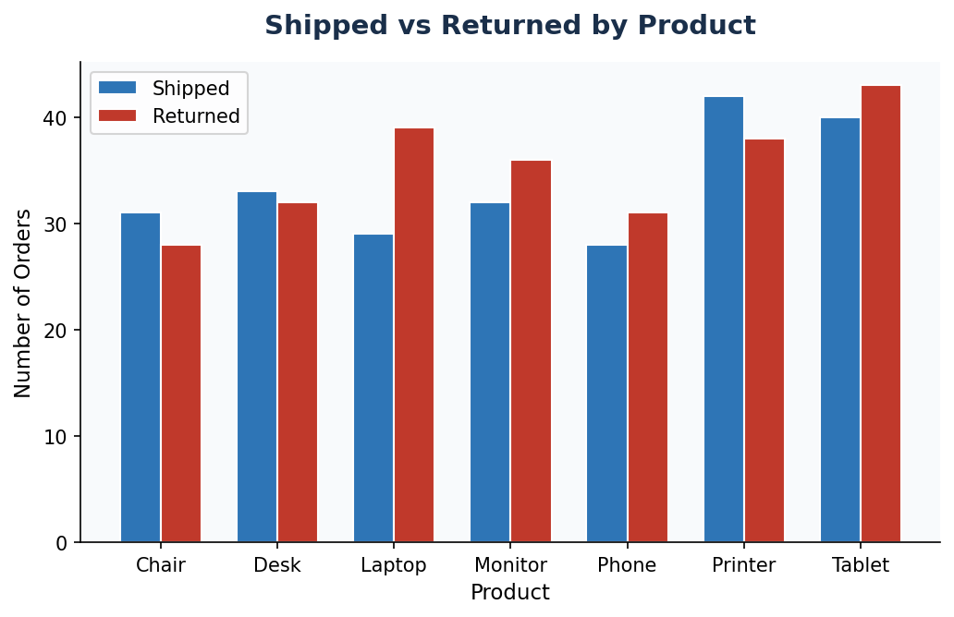

💡 Compares shipping success vs return rate per product. Tablet has the highest returns.

🚦 Section 2: Order Status Breakdown
Chart 3: Order Status Distribution
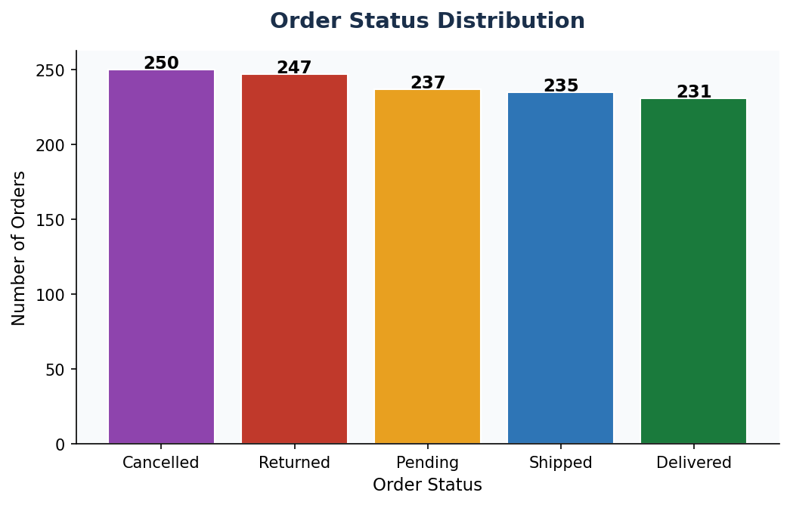

💡 Shows how 1,200 orders are distributed across 5 statuses. Cancellations and Returns are alarmingly high.

📣 Section 3: Referral Source Analysis
Chart 4: Revenue by Referral Source
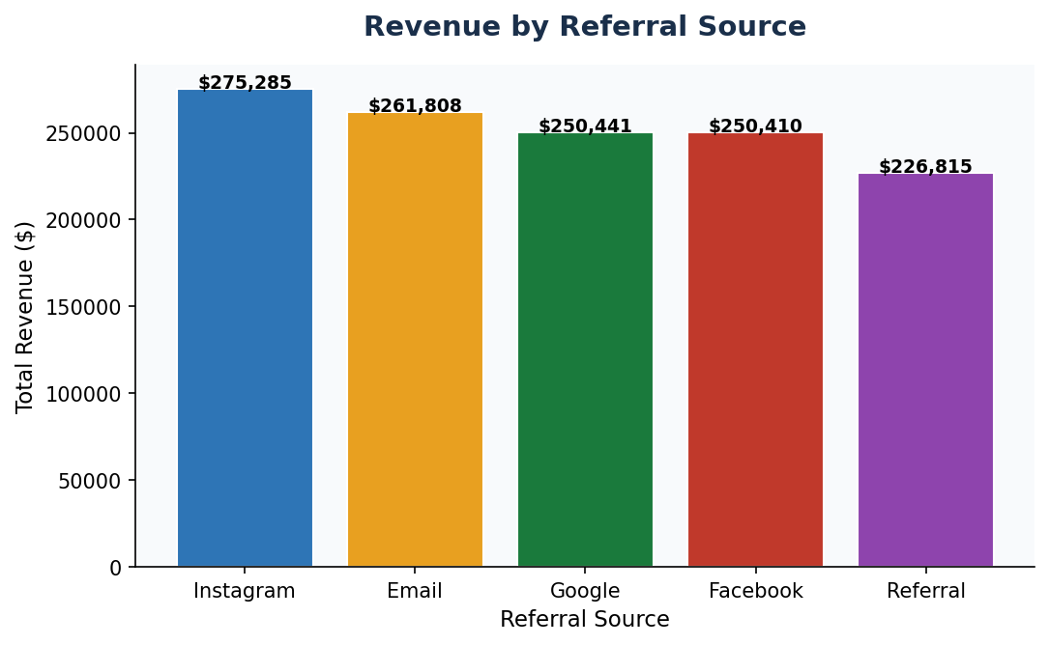

💡 Instagram generates the highest revenue of all referral channels.

Chart 5: Cancellations by Referral Source
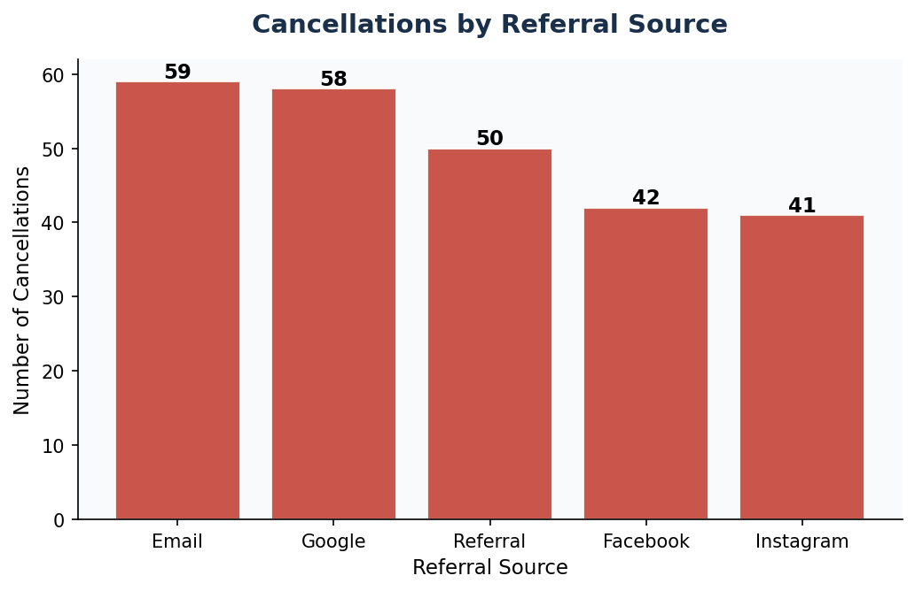

💡 Email campaigns produce the most cancellations — lowest quality leads.

🎟️ Section 4: Coupon Analysis
Chart 6: Coupon Users vs Non-Coupon Users
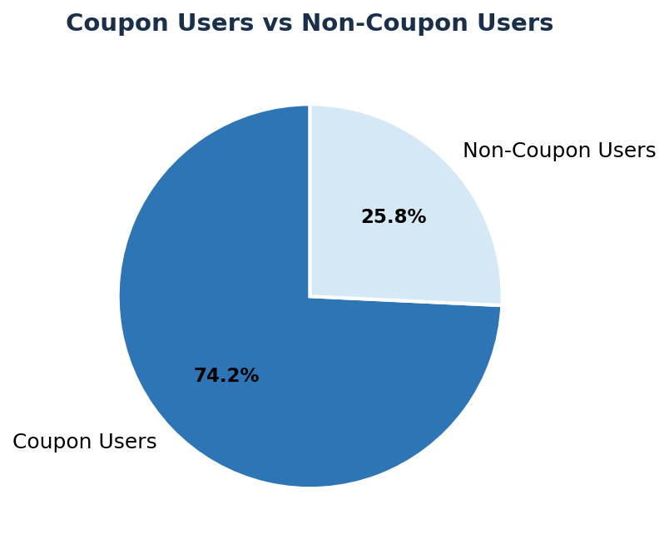

💡 74.3% of customers use coupons, indicating high price sensitivity.

📅 Section 5: Time Analysis
Chart 7: Orders by Month
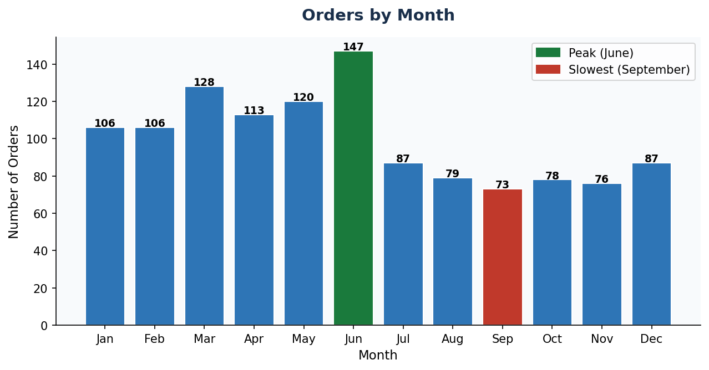

💡 June peaks, September slumps. Seasonal patterns are clear and actionable.

Chart 8: Orders by Day of Week
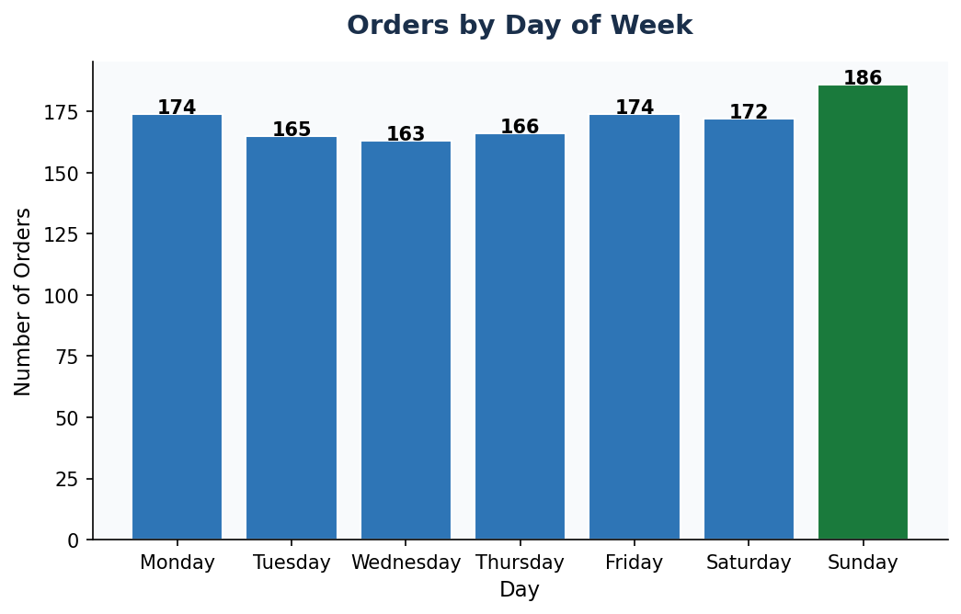

💡 Sunday is the busiest shopping day — weekend promotions are key.

👥 Section 6: Customer Retention
Chart 9: Customer Retention
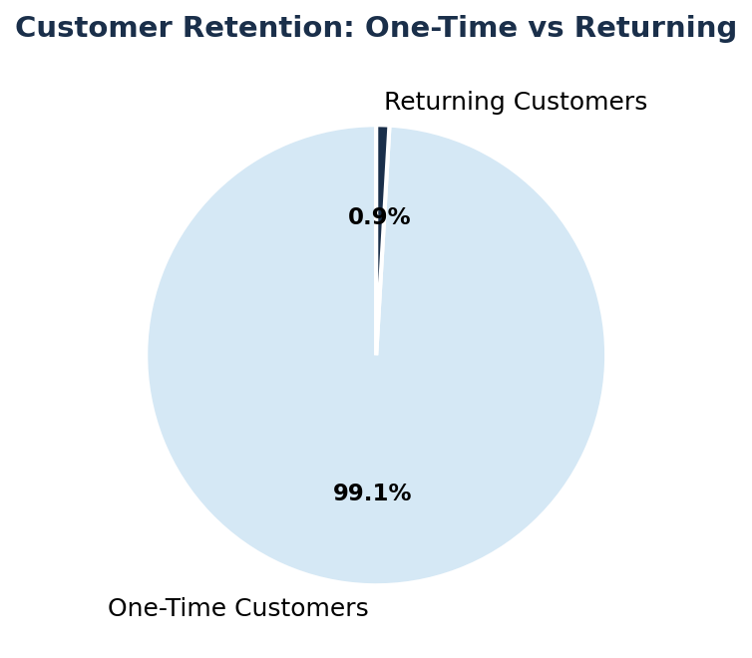

💡 Only 0.9% of customers return — the most critical business issue.

