30DaysChart
Conversion Rate to USD
2021-12-29 | 0.882110
2021-12-30 | 0.883697
2021-12-31 | 0.879004
2022-01-01 | 0.879576
2022-01-02 | 0.879128
2022-01-03 | 0.885822
2022-01-04 | 0.885518
2022-01-05 | 0.882352
2022-01-06 | 0.884483
2022-01-07 | 0.880574
2022-01-08 | 0.880119
2022-01-09 | 0.880106
2022-01-10 | 0.882825
2022-01-11 | 0.880004
2022-01-12 | 0.874778
2022-01-13 | 0.872192
2022-01-14 | 0.876220
2022-01-15 | 0.876140
2022-01-16 | 0.875913
2022-01-17 | 0.876620
2022-01-18 | 0.882199
2022-01-19 | 0.881431
2022-01-20 | 0.882143
2022-01-21 | 0.881320
2022-01-22 | 0.881429
2022-01-23 | 0.880892
2022-01-24 | 0.883975
2022-01-25 | 0.886105
2022-01-26 | 0.886497
2022-01-27

ExampleScreenshots
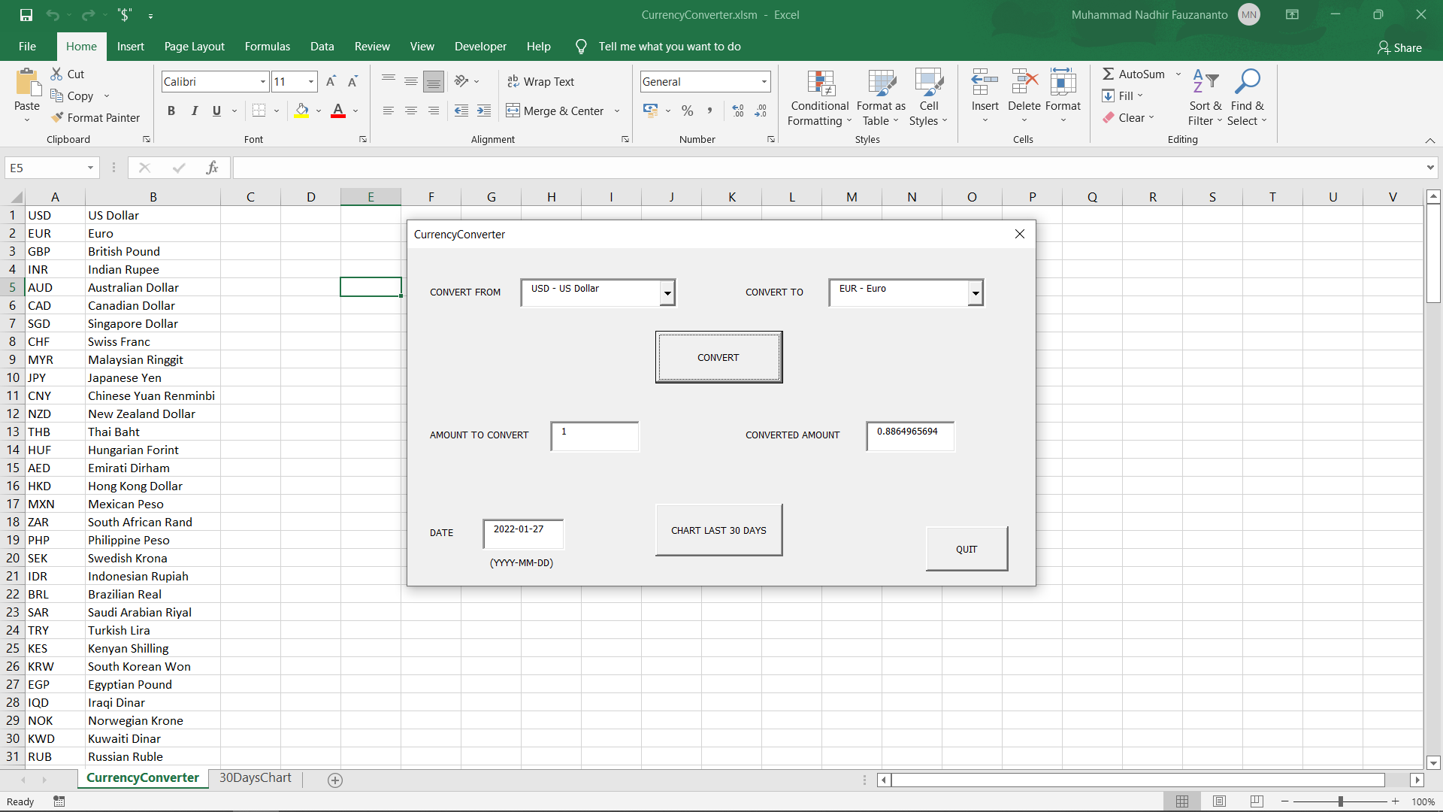

Convert USD to EUR, Today's Rate



Convert USD to EUR, Random Date

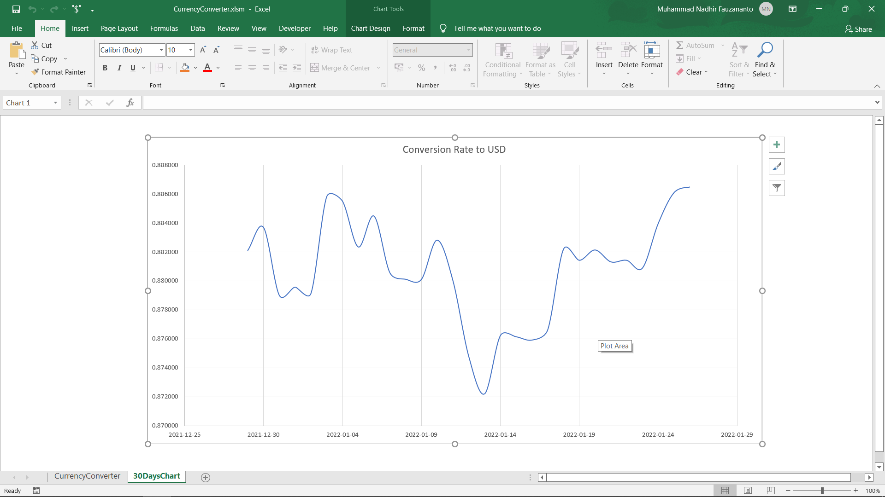

Last 30 Days Chart for EUR

