Data Descriptions
LIRF 2011 Water Balance and Crop Data
Data Descriptions
General |  | These data are from a limited irrigation field study conducted at the Limited Irrigation Research Farm (LIRF) NE of Greeley, CO (40o 27'N,104o 38' W, 1425 m ASL) by USDA-ARS WMRU. Plot layout: randomized block design with 4 replications and 6 irrigation treatments. Plot size: 9 x 40 m with measurement from the center 4 rows. Each year's plot was moved to a new (adjoining) field section in rotation following winter wheat. Detailed information on methodology is given in the Methodology file.
Worksheets |  | Tmnt 1 through Tmnt 6 contains information about daily crop and waterbalance information for each of the 6 irrigation treatments during the growing season. Seasonal contains seasonal crop production and soil water field capacity data. CropLog lists management activities for the season. Chlorophyll Florescence includes supplimental data on crop photosynthesis
Tmnt 1 - Tmnt 6 (cropping and water balance worksheets)
Cells |  | Orange cells are field measured data. Yellow cells with values are estimates (rooting depth), interpolations (canopy cover), or daily values generated by a water balance model.
Parameter | Column | Description
DOY | A | Day of Year
Precip | B | Daily Precipitation (for hourly, see climate spreadsheet files). Data collected by 3 on-site tipping bucket rain gauges, including CoAgMet GLY04 guage. Value is the average of the three, or, average of 2 of the 3 if one was malfunctioning. (mm)
Irrig | C | Amount of irrigation water applied to the treatment by surface drip irrigation to each row. Measured by turbine meters and recorded each 20 min by CR1000. (mm)
Soil water content | E - K | Volumetric soil water content measured in the center of each plot by Neutron Moisture Meter at 30 cm, 60 cm, and 90 cm, 120 cm, 150 cm, and 200 cm depths; and by portable TDR from 0 - 15 cm. Values represent the average of 4 replications. Measurements represent soil water content in the 0 - 15, 15 - 45, 45 - 75, 75 - 105, 105 - 135, 135 - 175, and 175 - 225 cm depth soil layers. Only the top 4 layers are used in the maize water balance.
 | L
Growth Stage | M | Corn growth stage assessed visually based on criteria in Iowa State Univ guide (Abendroth, et al. 2011).
Root Depth | N | Root Depth based on assumed root growth and broadly on measured soil water uptake depth.
Canopy Cover | O | Canopy ground cover measured by RGB camera image vertically from 6 m above the crop.
LAI | P | Leaf Area Index, estimated by measuring length and average width of all leaves. Only measured once in 2011 after R1.
Height | Q | Measured crop height (cm)
N Applied | R | Nitrate-N available in the upper root zone (0 - 60 cm) preplant (from soil sample analysis, listed on initial DOY), applied by sidedress at planting, and applied by fertigation through the irrigation water as Urea Ammonium Nitrate - 32%. Does not include N in the irrigation water (25 ppm = 0.25 kg/ha per mm of irrigation applied).
 | S
ETr | T | Daily Reference Evapotranspiration as calculated by the hourly ASCE Standardized Penman Monteith equation for a tall reference crop (alfalfa) . Data from CoAgMet GLY04 weather station, with minor QA/QC corrections. Hourly data is available in the climate database. (mm)
Kcb | U | Basal crop coefficient for ASCE Standardized tall crop reference. Initial and mid season (full cover) values for maize were from Table 8.8 in Allen, etal. (2007). Values were then adjusted for non-full canopy ground cover, Fc (assumed 80%) as Kcb = 0.15 + 1.01*Fc for 0<Fc<0.8. The coefficient was then manually adjusted, as needed so that the water balance predicted soil water content matched the measured soil water content.
Ks | V | Stress Coefficient, based on soil water deficit as calculated in FAO-56 (Allen et al., 1998). Assumes Total Available Water = FC/2, and Readily Available Water = TAW/2. For SWC<RAW, Ks = (SWC - PWP)/RAW - PWP) = (SWC-FC/2)/(FC/4).
ETcb | W | "Basal" crop evapotranspiration, calculated as: ETcb = Kcb*Ks*ETr. Represents crop transpiration plus diffusive soil evaporation through a non-wet soil surface.
Evap | X | Soil Evaporation from a wet soil surface. This was estimated for each precipitation or irrigation event as the total evaporable water (TEW in Allen etal., 1998) times the wetted sunlit soil surface area (wetted soil not covered by crop canopy or residue). Assumptions: TEW = 12 mm, residue cover = 50%, residue effectiveness = 50%; soil surface wetted by drip irrigation (wetted width (fraction of 0.76m)) = 0.1*Irrig(mm)^0.5; evaporation occurs beginning on the day of precip or irrig up to the limit (1.0*ETr). Models that assume irrigation events wet the whole soil surface may overestimate Evap from this drip irrigation trial.
Deep Perc | Y | Deep percolation of water below the root zone. Estimated as Prec or Irrig minus the calculated soil water deficit at the end of day of the event.
ETc | Z | Daily crop Evapotranspiration: the sum of ETcb + Evap. This will overestimate daily ETc on the day of a Precip or Irrig event, because Evap is assumed to occur in one day, but closely matches the waterbalance-based ETc in the longer term (weekly, seasonally). (mm)
BREB ETc | AA | Daily ETc measured by Bowen Ratio Energy Balance instrumentation on an adjacent field managed similar to Tmnt 1 (if available). (mm)
 | AB
Predicted Soil Water Deficit | AC | Daily Soil water deficit (field capacity - soil water content) for each treatment predicted by the water balance in the 105 cm soil profile (mm)
Measured Soil Water Deficit | AD | Daily Soil water deficit (field capacity - soil water content) for each treatment (mean of 4 reps) measured by neutron moisture meter in the 105 cm soil profile (mm)
Predicted Soil Water Deficit | AE | Daily Soil water deficit (field capacity - soil water content) for each treatment predicted by the water balance in the active root zone (mm)
Measured Soil Water Deficit | AF | Daily Soil water deficit (field capacity - soil water content) for each treatment (mean of 4 reps) measured by neutron moisture meter in the active root zone (mm)

Seasonal |  | Means and Standard Deviations (4 replications) by treatment and by individual plot values of crop parameters (plant population, maximum LAI, Biomass (above ground, dry weight), Harvest Index (measured on biomass samples), grain yield (normalized to 15.5% moisture content), grain yield (dry weight), grain 1000 seed weight (dry weight); and Soil Field Capacity by treatment and depth.

CropLog |  | Daily log of crop management events for the season including tillage, planting, fertilization, chemical application, crop condition, and weather conditions.

Chlorphyll Florescense |  | Photon Yield, Y; Electron Transfer Rate, ETR; and Photosynthetically Active Radiation, PAR; for 3 treatments (1, 4, 5) for 10 dates in 2011. Means and standard deviations of 40 measurements (10 measurements x 4 reps).

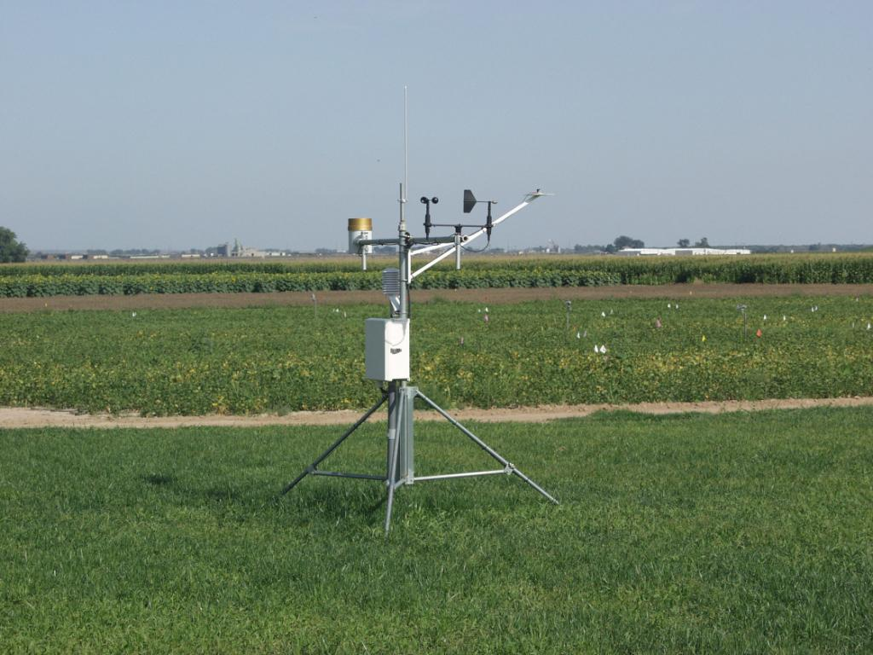
References
 |  | Abendroth, L.J, R W. Elmore, M.J.Boyer, and S.K.Marley. 2011. Corn Growth and Development. PMR1009. Iowa State Univ Extension. Ames, IA.
 |  | Allen, R.G., L.S. Pereira, D. Raes, and M. Smith. 1998. Crop Evapotranspiration: Guidelines for computing crop water requirements. FAO Irrigation and Drainage Paper #56. FAO, Rome.
 |  | Allen, R.G., J.L Wright, W.O. Pruitt, L.S. Pereira, M.E. Jensen. (2007) Water Requirements. Ch 8 in G.J. Hoffman, R.G. Evans, M.E. Jensen, D.L. Martin, and R.L. Elliott (eds) Design and Operation of Farm Irrigation Systems (2nd Ed). ASABE, St. Joseph, MI.

Tmnt1
DOY | Water Inputs |  | Soil Water Content (by depth increment in cm) |  |  |  |  |  |  | Plant Parameters |  | canopy Cover | Soil Water Deficit (mm) |  | DAS
...
122 | 0.0 | 0.0 |  |  |  |  |  |  |  |  | 50 | 0 % | 80.2 | 6.2 | 0
123 | 0.0 | 0.0 |  |  |  |  |  |  |  | Planting | 50 | 0 % | 80.5 | 6.5 | 1
124 | 0.0 | 0.0 |  |  |  |  |  |  |  |  | 50 | 0 % | 80.7 | 6.7 | 2
125 | 0.0 | 0.0 |  |  |  |  |  |  |  |  | 50 | 0 % | 80.9 | 6.9 | 3
126 | 0.0 | 0.0 |  |  |  |  |  |  |  |  | 50 | 0 % | 81.0 | 7.0 | 4
127 | 0.0 | 28.7 |  |  |  |  |  |  |  |  | 50 | 0 % | 57.2 | 0.0 | 5
128 | 0.0 | 0.0 |  |  |  |  |  |  |  |  | 50 | 0 % | 58.5 | 1.2 | 6
129 | 0.0 | 0.0 |  |  |  |  |  |  |  |  | 50 | 0 % | 60.1 | 2.9 | 7
130 | 0.0 | 0.0 |  |  |  |  |  |  |  |  | 50 | 0 % | 61.4 | 4.2 | 8
131 | 32.0 | 0.0 |  |  |  |  |  |  |  |  | 50 | 0 % | 38.5 | 0.0 | 9
Canopy/Cover
 | canopy Cover
 | 0
 | 0
 | 0
 | 0
 | 0
 | 0
 | 0
 | 0
 | 0
 | 0
 | 0
 | 0
 | 0
 | 0
 | 0
 | 0
 | 0
 | 0
 | 0
 | 0
 | 0
 | 0
 | 0
 | 0
 | 0
 | 0
 | 0
 | 0.01
 | 0.01
 | 0.01
 | 0.01
 | 0.02
 | 0.02
 | 0.02
 | 0.02
 | 0.02
 | 0.02
 | 0.03
 | 0.03
 | 0.03
 | 0.04
 | 0.04
 | 0.04
 | 0.04
 | 0.05
 | 0.05
 | 0.05
 | 0.05
 | 0.05
 | 0.06
...
132 | 16.0 | 0.0 |  |  |  |  |  |  |  |  | 50 | 0 % | 23.9 | 0.0 | 10 |  |  | 16.0
133 | 0.0 | 0.0 |  |  |  |  |  |  |  |  | 50 | 0 % | 24.8 | 0.9 | 11 |  |  | 0.0
134 | 0.0 | 0.0 |  |  |  |  |  |  |  |  | 50 | 0 % | 25.0 | 1.2 | 12 |  |  | 0.0
135 | 0.0 | 0.0 |  |  |  |  |  |  |  |  | 50 | 0 % | 25.5 | 1.6 | 13 |  |  | 0.0
136 | 0.0 | 0.0 |  |  |  |  |  |  |  |  | 50 | 0 % | 26.4 | 2.5 | 14 |  |  | 0.0
137 | 0.0 | 0.0 |  |  |  |  |  |  |  |  | 50 | 0 % | 26.9 | 3.0 | 15 |  |  | 0.0
138 | 15.0 | 0.0 |  |  |  |  |  |  |  |  | 50 | 0 % | 21.0 | 0.0 | 16 |  |  | 15.0
139 | 17.0 | 0.0 |  |  |  |  |  |  |  |  | 50 | 0 % | 5.1 | 0.0 | 17 |  |  | 17.0
140 | 7.0 | 0.0 |  |  |  |  |  |  |  |  | 60 | 0 % | 3.9 | 0.0 | 18 |  |  | 7.0
141 | 0.0 | 0.0 |  |  |  |  |  |  |  |  | 60 | 0 % | 4.7 | 0.8 | 19 |  |  | 0.0
Somme Water Input / Water deficit
 | Water Dificit | Somme Water Input
 | 00 | 26
 | 00 | 27
 | 15 | 21
 | 17 | 05
 | 07 | 04
 | 00 | 05
 | 00 | 06
 | 00 | 07
 | 06 | 06
 | 00 | 06
 | 00 | 07
 | 00 | 08
 | 00 | 09
 | 00 | 09
 | 00 | 10
 | 07 | 07
 | 00 | 08
 | 00 | 10
 | 00 | 11
 | 00 | 13
 | 00 | 14
 | 00 | 16
 | 00 | 19
 | 00 | 20
 | 00 | 20
 | 00 | 22
 | 00 | 23
 | 00 | 25
 | 00 | 26
 | 08 | 26
 | 00 | 28
 | 00 | 30
 | 08 | 28
 | 00 | 30
 | 00 | 31
 | 03 | 31
 | 00 | 33
 | 15 | 23
 | 00 | 25
 | 00 | 27
 | 00 | 29
 | 00 | 32
 | 00 | 36
 | 00 | 39
 | 00 | 42
 | 33 | 16
 | 00 | 20
 | 00 | 23
 | 00 | 27
 | 00 | 33
...
142 | 0.0 | 0.0 |  |  |  |  |  |  |  |  | 70 | 0 % | 5.8 | 1.9 | 20 |  |  | 0.0
143 | 0.0 | 0.0 |  |  |  |  |  |  |  |  | 70 | 0 % | 6.9 | 3.0 | 21 |  |  | 0.0
144 | 6.0 | 0.0 |  |  |  |  |  |  |  |  | 80 | 0 % | 5.5 | 1.6 | 22 |  |  | 6.0
145 | 0.0 | 0.0 |  |  |  |  |  |  |  | Emergence | 90 | 0 % | 6.3 | 2.4 | 23 |  |  | 0.0
146 | 0.0 | 0.0 |  |  |  |  |  |  |  |  | 100 | 1 % | 7.1 | 3.2 | 24 |  |  | 0.0
147 | 0.0 | 0.0 |  |  |  |  |  |  |  |  | 110 | 1 % | 8.0 | 4.1 | 25 |  |  | 0.0
148 | 0.0 | 0.0 |  |  |  |  |  |  |  |  | 120 | 1 % | 8.7 | 4.8 | 26 |  |  | 0.0
149 | 0.0 | 0.0 |  |  |  |  |  |  |  |  | 130 | 1 % | 9.4 | 5.5 | 27 |  |  | 0.0
150 | 0.0 | 0.0 |  |  |  |  |  |  |  |  | 140 | 2 % | 10.2 | 6.3 | 28 |  |  | 0.0
151 | 0.0 | 6.6 |  |  |  |  |  |  |  |  | 150 | 2 % | 7.4 | 3.5 | 29 |  |  | 6.6
152 | 0.0 | 0.0 |  |  |  |  |  |  |  |  | 160 | 2 % | 8.1 | 4.2 | 30 |  |  | 0.0
153 | 0.0 | 0.0 |  |  |  |  |  |  |  |  | 170 | 2 % | 10.1 | 6.2 | 31 |  |  | 0.0
154 | 0.0 | 0.0 |  |  |  |  |  |  |  |  | 180 | 2 % | 11.5 | 7.6 | 32 |  |  | 0.0
155 | 0.0 | 0.0 |  |  |  |  |  |  |  |  | 190 | 2 % | 12.8 | 8.9 | 33 |  |  | 0.0
156 | 0.0 | 0.0 |  |  |  |  |  |  |  |  | 200 | 3 % | 14.2 | 10.3 | 34 |  |  | 0.0
157 | 0.0 | 0.0 |  |  |  |  |  |  |  |  | 210 | 3 % | 16.0 | 12.1 | 35 |  |  | 0.0
158 | 0.0 | 0.0 |  |  |  |  |  |  |  |  | 220 | 3 % | 18.5 | 14.6 | 36 |  |  | 0.0
159 | 0.0 | 0.0 |  |  |  |  |  |  |  |  | 230 | 4 % | 20.0 | 16.1 | 37 |  |  | 0.0
160 | 0.0 | 0.0 | 17.2 | 23.3 | 16.1 | 14.0 | 13.1 | 15.5 | 16.6 |  | 240 | 4 % | 20.4 | 16.5 | 38 |  |  | 0.0
 |  |  |  |  |  |  |  |  |  |  |  |  |  |  |  |  |  | 0.0
 |  |  |  |  |  |  |  |  |  |  |  |  |  |  |  |  |  | 0.0
 |  |  |  |  |  |  |  |  |  |  |  |  |  |  |  | R= Phase Reprotective | V= Phase vegetative | 0.0
 |  |  |  |  |  |  |  |  |  |  |  |  |  |  |  |  |  | 0.0
 |  |  |  |  |  |  |  |  |  |  |  |  |  |  |  |  |  | 8.0
 |  |  |  |  |  |  |  |  |  |  |  |  |  |  |  |  |  | 0.0
 |  |  |  |  |  |  |  |  |  |  |  |  |  |  |  |  |  | 0.0
 |  |  |  |  |  |  |  |  |  |  |  |  |  |  |  |  |  | 7.5
 |  |  |  |  |  |  |  |  |  |  |  |  |  |  |  |  |  | 0.0
 |  |  |  |  |  |  |  |  |  |  |  |  |  |  |  |  |  | 0.0
 |  |  |  |  |  |  |  |  |  |  |  |  |  |  |  |  |  | 3.0
 |  |  |  |  |  |  |  |  |  |  |  |  |  |  |  |  |  | 0.0
 |  |  |  |  |  |  |  |  |  |  |  |  |  |  |  |  |  | 15.0
...

