1. Title Page
[Grocery Basket Analyses]

Project Name: Grocery Basket Analyses
Date: 12_2023
Analyst: Nadia Ordonez

Contents:
Population Flow
Consistency checks
Wrangling steps
Column derivations
Visualizations
Recommendations

Data sources:
Instacart: Orders, Orders Products Prior, Products | The Instacart Online Grocery Shopping Dataset 2017, Accessed from www.instacart.com/datasets/grocery-shopping-2017 via Kaggle on 19.12.2023
Career Foundry: Customers
NOTE: The Customer and “prices” column in the products data set from Instacart, were both fabricated for the purpose of this course by CareerFoundry

2. Population Flow
Title page

Population flow

Exclusion flag
Condition: max_order < 5
Obervations to be removed: 1441523
Final total count of order_products_all: 30992966

Orders_products_combined
Orders_products_merged
Orders_products_all

Total: 32434489
Total: 32434489
Total: 32434489

1.) The grey boxes in the first row of the population flow represent the original data sets as they were when they were downloaded.
2.) The second row of boxes (coloured) represents the data sets after manipulatting them, e.g., removed missing values and duplicates. This offers a visual oveview of how the data flows throughout the data consistency checks.
3.) The third row, where also the arrows are coloured, represents the merges that were performed between the datasets.

3. Consistency checks
 |  |  |  | Title page
Consistency checks

Dataset | Missing values | Missing values treatment | Duplicates
orders | days_since_prior_order (206209)* | Relevant missing values that represent first order. They were NOT dropped | No duplicates
orders_products_prior | No missing values |  | No duplicates
products | product_name (16) | Missing values were not removed since they can be linked to unique_ids | (5) rows were dropped
customers | No missing values |  | No duplicates

* See details in Appendix 1

4. Wrangling steps
 |  |  |  | Title page
Wrangling steps

Wrangling during Step 1 (see IC Data Import, Wrangling and Consistency checks)
Columns dropped | Columns renamed | Columns' type changed | Comment/Reason
Orders
eval_set |  |  | Irrelevant column. This column contains system information that acts as a label for the entire data set. It has one value—prior—which indicates that this was the prior data set released by Instacart.
 | orders.rename(columns = {'order_dow' : 'orders_day_of_week'}, inplace = True) |  | For clarification
Orders products prior
 | orders_products_prior.rename(columns = {'add_to_cart_order' : 'add_to_cart_sequence'}, inplace = True) |  | For clarification
Products
 |  | products['product_name'] = products['product_name'].astype('str') | Original the column was of mixed data types
Customers
 | customers.rename(columns = {'n_dependants' : 'number_of_dependants'}, inplace = True) |  | For clarification
 | customers.rename(columns = {'fam_status' : 'family_status'}, inplace = True) |  | For clarification
First Name |  |  | Column contains personally identifiable information (PII) regulated by GDPR
Surnam |  |  | Column contains personally identifiable information (PII) regulated by GDPR
 |  | customers['date_joined'] = pd.to_datetime(customers['date_joined']) | To be included in the describe output

RAM memory issues during Step 2, 3 and 4 (see Step 2 IC Orders products combined, Step 3 IC Orders products merged and Step 4 IC Orders products all)
Columns dropped | Columns renamed | Columns' type changed | Comment/Reason
Orders
 |  | orders['order_id'] = orders['order_id'].astype('int32') | To avoid RAM memory issues
 |  | orders['user_id'] = orders['user_id'].astype('int32') | To avoid RAM memory issues
 |  | orders['order_number'] = orders['order_number'].astype('int8') | To avoid RAM memory issues
 |  | orders['orders_day_of_week'] = orders['orders_day_of_week'].astype('int8') | To avoid RAM memory issues
 |  | orders['order_hour_of_day'] = orders['order_hour_of_day'].astype('int8') | To avoid RAM memory issues

Orders products prior
 |  | orders_products_prior['order_id'] = orders_products_prior['order_id'].astype('int32') | To avoid RAM memory issues
 |  | orders_products_prior['product_id'] = orders_products_prior['product_id'].astype('int32') | To avoid RAM memory issues
 |  | orders_products_prior['add_to_cart_sequence'] = orders_products_prior['add_to_cart_sequence'].astype('int32') | To avoid RAM memory issues
 |  | orders_products_prior['reordered'] = orders_products_prior['reordered'].astype('int8') | To avoid RAM memory issues

Products
 |  | products['product_id'] = products['product_id'].astype('int32') | To avoid RAM memory issues
 |  | products['aisle_id'] = products['aisle_id'].astype('int8') | To avoid RAM memory issues
 |  | products['department_id'] = products['department_id'].astype('int8') | To avoid RAM memory issues

Customers
 |  | customers['user_id'] = customers['user_id'].astype('int32') | To avoid RAM memory issues
 |  | customers['gender'] = customers['gender'].astype('category') | To avoid RAM memory issues
 |  | customers['state'] = customers['state'].astype('category') | To avoid RAM memory issues
 |  | customers['age'] = customers['age'].astype('int32') | To avoid RAM memory issues
 |  | customers['number_of_dependants'] = customers['number_of_dependants'].astype('int32') | To avoid RAM memory issues
 |  | customers['family_status'] = customers['family_status'].astype('category') | To avoid RAM memory issues

5. Column derivations
 |  |  |  | Title page

Column derivations and aggregations

Dataset | New column | Column/s it was derived from | Conditions
orders_products_final_step5 | max_order_number | order_number | orders_products_all['max_order_number'] = orders_products_all.groupby(['user_id'])['order_number'].transform(np.max)
 | activity_customer* | max_order_number | orders_products_all.loc[orders_products_all['max_order_number'] < 5, 'activity_customer'] = 'low'
 |  |  | orders_products_all.loc[orders_products_all['max_order_number'] >= 5, 'activity_customer'] = 'no_low'
orders_products_der_step6 | price_range_products | prices | If the item’s price is lower than or equal to 5 dollars, it will be labeled a “low-range”. If the item’s price is above 5 dollars but lower than or equal to 15 dollars, it will be labeled a “mid-range”. If the item’s price is above 15 dollars, it will be labeled a “high-range”.
 | busiest_days | orders_day_of_week | “Busiest days” corresponding to the two busiest days of the week. At the same time, our stakeholders also like to know the two slowest days, labeled as "Least busiest days". The reamining days should be labeled as "Regular days".
 | busiest_period_of_day | order_hour_of_day | Since the app freezes usually when is processing more than 2.5M orders at a time, then hour of days with more than 2.5M will be labeled as "Most orders". “Fewest orders" are those with < 100 thousand orders, since the app does not experience any problems at all with this volumen of orders. The reamining hours of the day should be labeled as "Average orders".
 | region | state | List of regions of the United States (https://simple.wikipedia.org/wiki/List_of_regions_of_the_United_States). Only regions will be created, not divisions. A dictionary will be created to map states to regions.
 | loyalty_flag | max_order_number | If the maximum orders the user has made is over 40, then the customer will be labeled a “Loyal”. If the maximum orders the user has made is over 10 but less than or equal to 40, then the customer will be labeled “Regular”. If the maximum orders the user has made is less than or equal to 10, then the customer will be labeled “New”.
 | mean_price_per_user | prices | orders_products_final['mean_price_per_user'] = orders_products_final.groupby(['user_id'])['prices'].transform(np.mean)
 | type_of_spender | mean_price_per_user | If the mean of the prices of products purchased by a user is lower than 10, then they will labeled “Low spender”. If the mean of the prices of products purchased by a user is higher than or equal to 10, then they will be labeled “High spender”.
 | median_days_since_prior_order | days_since_prior_order | orders_products_final['median_days_since_prior_order'] = orders_products_final.groupby(['user_id'])['days_since_prior_order'].transform(np.median)
 | usage_frequency | median_days_since_prior_order | If the median of “days_since_prior_order” is higher than 20, then the customer should be labeled a “Non-frequent customer”. If the median is higher than 10 and lower than or equal to 20, then the customer should be labeled a “Regular customer”. If the median is lower than or equal to 10, then the customer should be labeled a “Frequent customer”.
orders_products_cust_step7 | age_profile | age | If the user is younger than 26, then user will be labeled as “Young adult”.
 |  |  | If the user is 26 and younger than 65, they will be labeled a “Adult”.
 |  |  | Users 65 and older will be labeled as "Retired".
 | dependents_profile | number_of_dependents | If the user does not have dependents (=0), then user will be labeled as “No kids”.
 |  |  | If the user has 1 or more dependents, then they will be labeled as “With kids”.
 | income_profile | income | Users with incomes of 60k per year or lower will be labeled as "Low income".
 |  |  | Users with incomes higher than 60k but less than 250k will be labeled as "Middle income".
 |  |  | User with incomes of 250k or higher will be labeled as "High income".
 | customer_profile | age_profile, dependents_profile and income_profile | Concatenation of three variables.

* Variable dropped_See Step 5 IC Final dataset after exclusion flag

6. Visualizations
 |  |  |  |  | Title page

Visualisations

Customer profiles questions

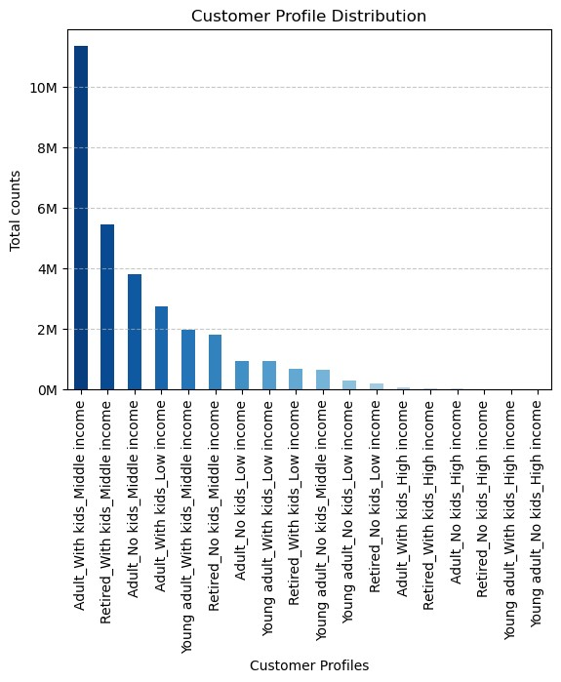
 | The top three most prevalent customer profiles in our database share a common characteristic—middle income. These profiles include adults, both with and without children, as well as retirees with kids. Notably, the "Adult with kids and middle income" profile stands out with an impressive frequency, exceeding 10 million occurrences.

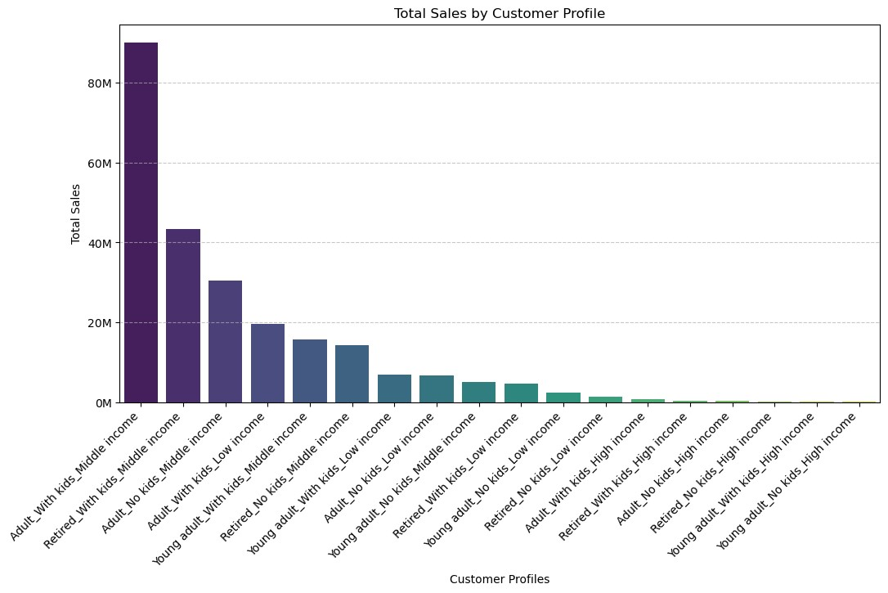
 |  |  |  | The significance of our top three identified customer profiles extends beyond their frequency; they also contribute substantially to our sales figures. Collectively, these profiles represent a substantial share, contributing to sales exceeding 163 million.

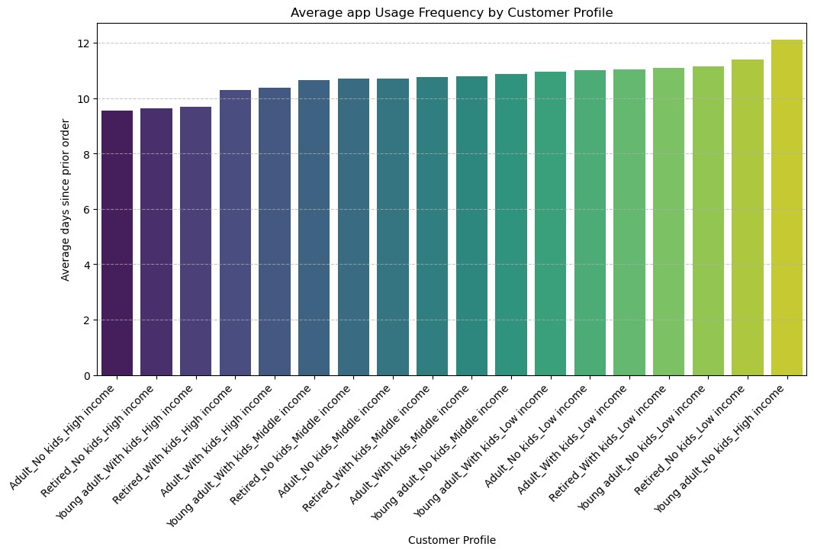
 |  |  |  |  | Regarding usage frequency averages, an interesting trend emerges. Customer profiles with higher incomes exhibit a more frequent ordering pattern, with an average order placement interval of approximately 9 days. In contrast, our top three previously identified customer profiles, distinguished by both frequency and sales, tend to place orders at a slightly lower frequency, averaging around 11 days.

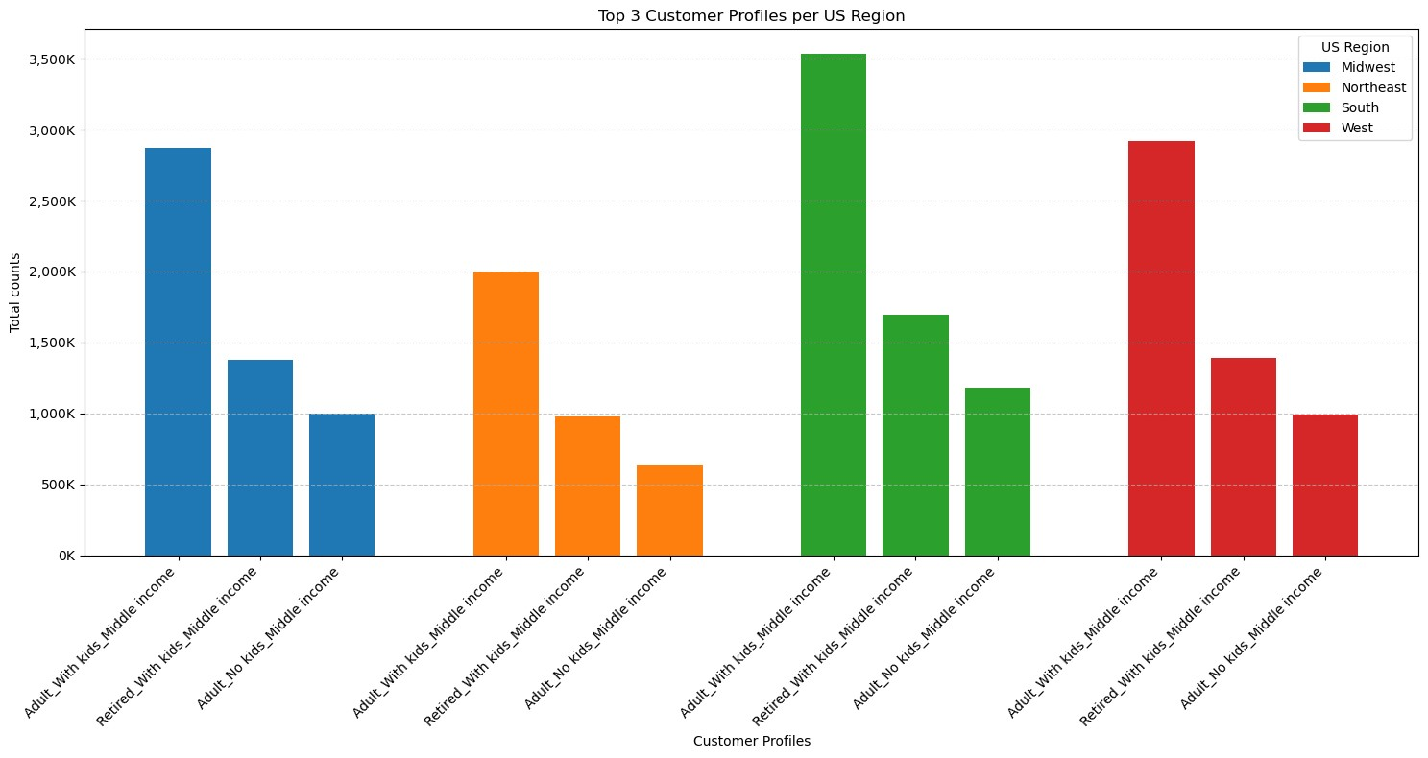
 |  |  |  |  |  | Here, our previously identified top three customer profiles, based on both frequency and sales, continue to stand out as the most common across all four US regions. The graph further reveals that the Southern states, followed by the Western and Midwestern states, exhibit a significant concentration of customer profiles.

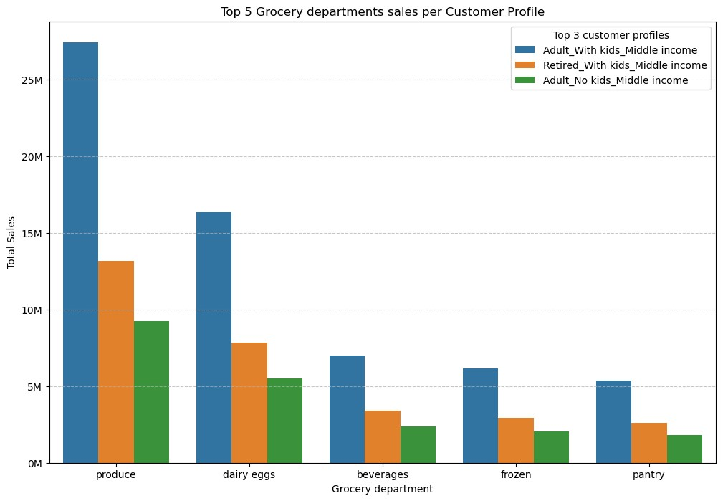
 |  |  |  |  | Our top three customer profiles, identified by their overall frequency, regional frequency, and total sales, exhibit similar spending habits across various grocery departments. Predominantly, they allocate their expenditures to the following grocery categories: produce, dairy-eggs, beverages, frozen, and pantry. Notably, the customer profile "Adult with kids and middle income" stands out for its substantial spending on products from the produce department.

Stakeholder key research questions visuals

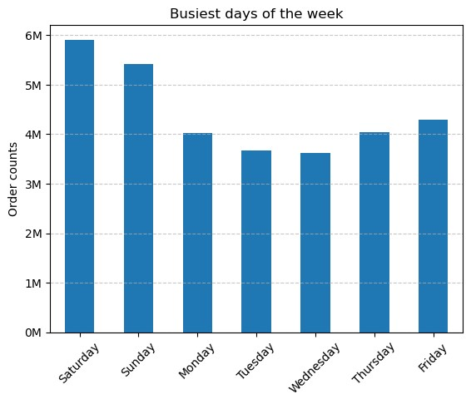
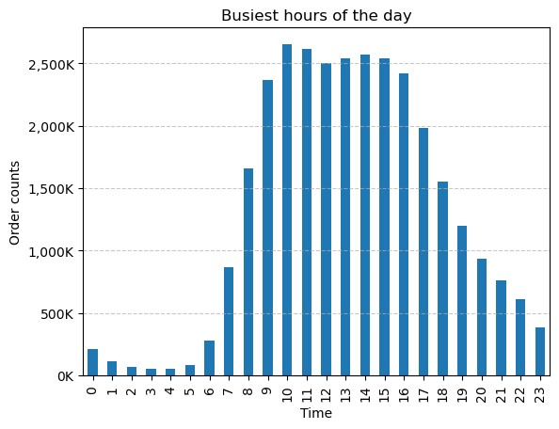
 |  |  | Optimized Ad Scheduling:
 |  |  | Fewer orders are placed during Wednesday and Tuesday between 23:00 and 06:00 hours.

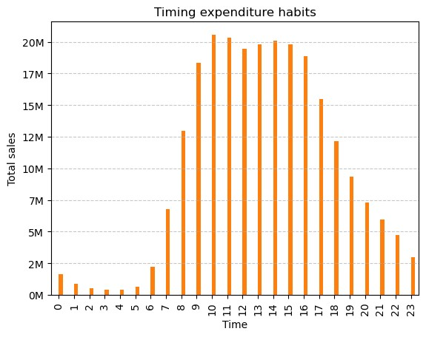
 |  |  | Strategic Advertising Timing:
 |  |  | Between 09:00 and 16:00 hours, our users spent hourly more than 17M dollars. Strikingly, at 10:00, 11h00 and 14:00 more than 20M in sales are registered.

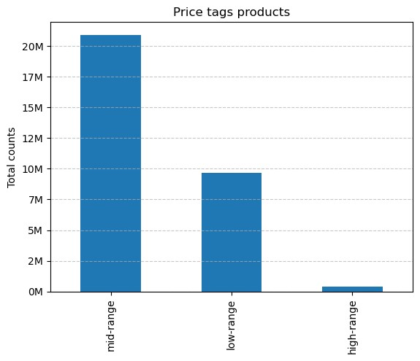
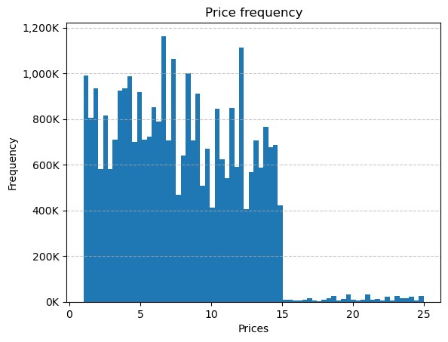
 |  |  | Product Pricing:
 |  |  | Mid-range products are the most popular among our users. These are products that cost between 5 and 15 dollars. Products that cost more than 15 dollars are not purchased very frequently.

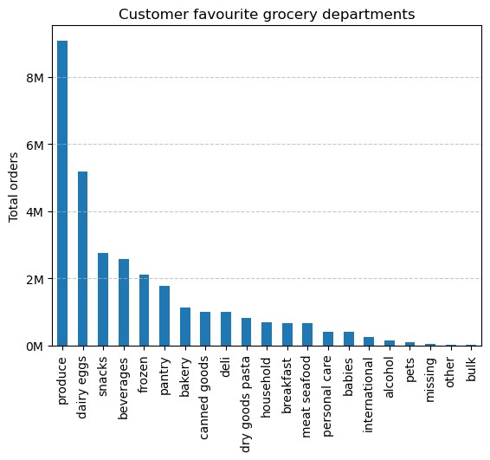
 |  | Targeted Grocery Department Promotion:
 |  | More than 8M products were ordered from the produce grocery department, followed by dairy eggs, snacks, beverages and frozen with more than 2M products being order at each department category.

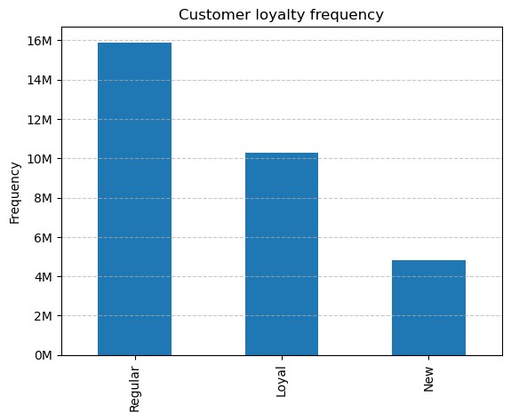
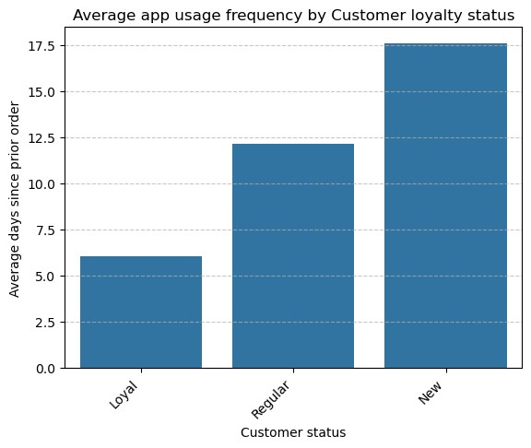
 |  |  |  |  | Demographic and Regional Insights:
 |  |  |  |  | Nearly 16M customers are regular. These regular customers are those who placed a maximum of 10 to 40 orders. Loyal customers order once a week during our app while regular customers order once every two weeks.

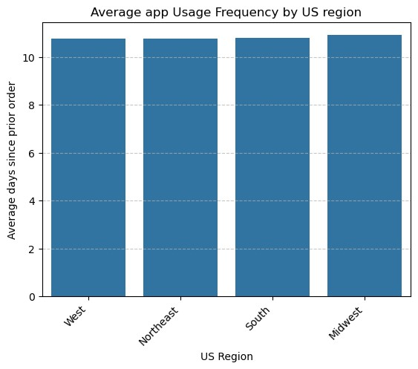
 |  | Demographic and Regional Insights:
 |  | In all US regions, our customers are using our app within a similar frequency, placing orders every 10 to 11 days.

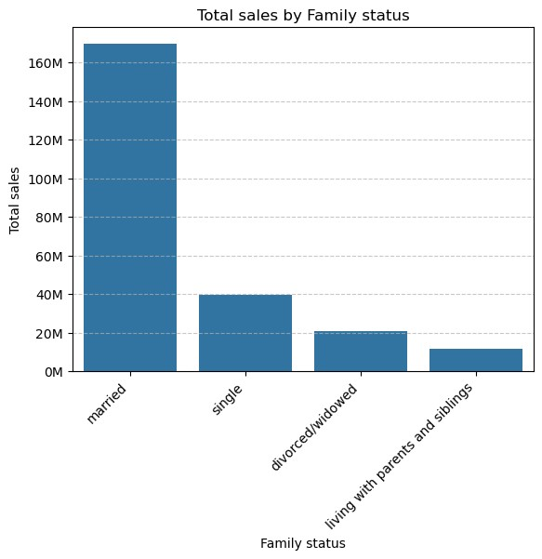
 | Demographic and Regional Insights:
 | Based on family status, most of the sales are coming from customers who are married. This group generated more than 160M dollars in sales.

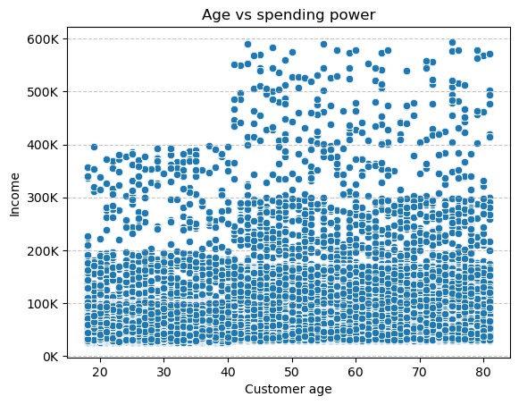
 | Demographic and Regional Insights:
 | Users below the age of 40 typically have a maximum income cap of 400K, with the majority earning less than 200K. As individuals progress into their 40s and approach the golden years, there is a potential for income to peak around 600K, although the majority are likely to earn below 300K during this stage of their careers.

7. Recommendations
 |  |  | Title page

Recommendations

Question | Visual | Recommendation
The sales team needs to know what the busiest days of the week and hours of the day are (i.e., the days and times with the most orders) in order to schedule ads at times when there are fewer orders. |  | Optimized Ad Scheduling: To enhance the effectiveness of our targeted marketing campaign, consider scheduling ads during periods with lower order volumes. The analysis indicates that Wednesdays and Thursdays between 23:00 and 06:00 experience the fewest orders on our app.
They also want to know whether there are particular times of the day when people spend the most money, as this might inform the type of products they advertise at these times. |  | Strategic Advertising Timing: Capitalize on peak user activity and spending by focusing product advertising between 09:00 and 16:00. During these hours, our users spend each hour over 17 million dollars. Aligning marketing efforts with this active period can maximize engagement and sales.
Instacart has a lot of products with different price tags. Marketing and sales want to use simpler price range groupings to help direct their efforts. |  | Product Pricing: Simplify the product pricing scheme for the marketing and sales teams. Emphasize mid-range products priced between 5 and 15 dollars, as these have proven to be the most popular among our users.
Are there certain types of products that are more popular than others? The marketing and sales teams want to know which departments have the highest frequency of product orders. |  | Targeted Grocery Department Promotion: Acknowledge the popularity of certain grocery departments, such as produce, dairy eggs, snacks, beverages, and frozen items, where over 2 million products are ordered in each category. Consider intensifying promotions in these areas or strategizing to boost the visibility of other departments.
The marketing and sales teams are particularly interested in the different types of customers in their system and how their ordering behaviors differ. |  | Demographic and Regional Insights: Launch a loyalty program targeting customers who currently contribute to 33.8% of all app sales. On average, these loyal customers place orders once a week, presenting an opportunity to foster continued engagement and loyalty.
 |  | Leverage demographic insights to tailor marketing strategies. Recognize that customers across all US regions and family statuses exhibit similar app usage frequencies, placing orders every 10 to 11 days on average. However, note that married customers, particularly those older than 40, exhibit higher spending power, contributing to sales exceeding 160 million dollars in our current database. Consider refining marketing approaches to capitalize on these trends.
 |  | Our top three middle-income customer profiles, encompassing adults with and without kids, and retirees with kids, reveal the standout influence of the "Adult with kids and middle income" category, surpassing 10 million occurrences and contributing substantially to our $163 million in sales. Despite a slightly less frequent ordering pattern, these profiles exhibit prevalence nationwide, with the Southern states leading in customer counts. In a targeted marketing campaign aimed at amplifying engagement with our key customer base, prioritizing the "Adult with kids and middle income" group is essential. Tailoring messages and promotions specifically to meet their preferences could further enhance our market share.

