Strategy Analysis
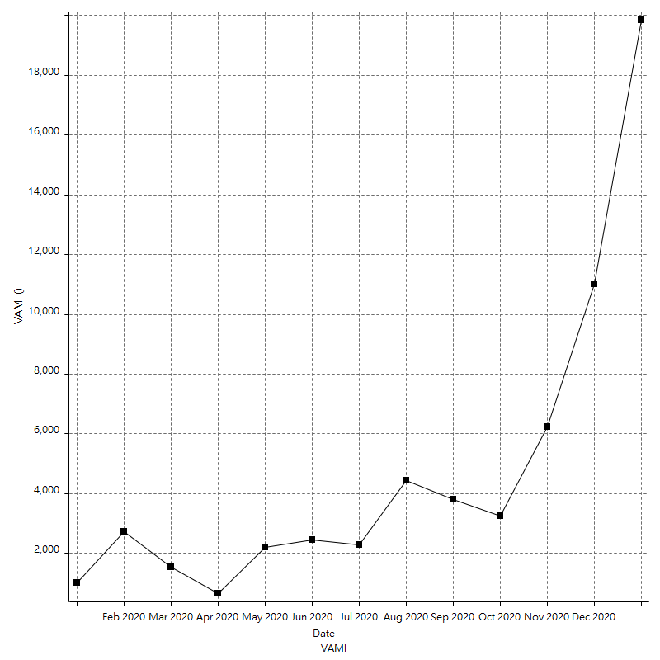
Strategy Performance Summary

 | All Trades | Long Trades | Short Trades
Net Profit | 182900.02 ¤ | 182900.02 ¤ | n/a
Gross Profit | 487164.53 ¤ | 487164.53 ¤ | n/a
Gross Loss | -304264.51 ¤ | -304264.51 ¤ | n/a
Adjusted Net Profit | 91879.41 ¤ | 91879.41 ¤ | n/a
Adjusted Gross Profit | 436095.81 ¤ | 436095.81 ¤ | n/a
Adjusted Gross Loss | -344216.39 ¤ | -344216.39 ¤ | n/a
Select Net Profit | 100766.91 ¤ | 100766.91 ¤ | n/a
Select Gross Profit | 311749.82 ¤ | 311749.82 ¤ | n/a
Select Gross Loss | -210982.90 ¤ | -210982.90 ¤ | n/a
Account Size Required | 49386.32 ¤ | 49386.32 ¤ | n/a
Return on Account | 370.35% | 370.35% | n/a
Return on Initial Capital | 1829.00% | 1829.00% | n/a
Max Strategy Drawdown | -54298.26 ¤ | -54298.26 ¤ | n/a
Max Strategy Drawdown (%) | -14448.90% | -14448.90% | n/a
Max Close To Close Drawdown | -49386.32 ¤ | -49386.32 ¤ | n/a
Max Close To Close Drawdown (%) | -147.36% | -147.36% | n/a
Return on Max Strategy Drawdown | 3.3684322797 | 3.3684322797 | n/a
Profit Factor | 1.6011217654 | 1.6011217654 | n/a
Adjusted Profit Factor | 1.2669234055 | 1.2669234055 | n/a
Select Profit Factor | 1.4776070176 | 1.4776070176 | n/a
Max # Contracts Held | 10000000 | 10000000 | 0
Slippage Paid | 4160.00 ¤ | 4160.00 ¤ | n/a
Commission Paid | 24306.96 ¤ | 24306.96 ¤ | n/a
Open Position P/L | 9112.02 ¤ | 9112.02 ¤ | n/a
Annual Rate of Return | 1833.76% | 1833.76% | n/a
Monthly Rate of Return | 152.81% | 152.81% | n/a
Buy & Hold Return | 29900.71 ¤ | 29900.71 ¤ | n/a
Avg Monthly Return | 14770.16 ¤ | 14770.16 ¤ | 14770.16 ¤
Monthly Return StdDev | 28079.54 ¤ | 28079.54 ¤ | 28079.54 ¤
Total # of Trades | 149 | 149 | 0
% Profitable | 61.07% | 61.07% | 0.00%

Performance Ratios

Upside Potential Ratio | n/a
Sharpe Ratio | 0.5539985258
Annualized Sharpe Ratio | 1.919107188
Sortino Ratio | 2.4470344554
Fouse Ratio | 0.36772783933
Calmar Ratio | 0.00026195309376
Sterling Ratio | 0.0015162850496
RINA Index | 28.849132196
Net Profit as % of Largest loss | 1281.62%
Net Profit as % of Max Trade Drawdown | 1301.41%
Net Profit as % of Max Strategy Drawdown | 336.84%
Select Net Profit as % of Largest loss | 706.09%
Select Net Profit as % of Max Trade Drawdown | 717.00%
Select Net Profit as % of Max Strategy Drawdown | 185.58%
Adj Net Profit as % of Largest loss | 643.82%
Adj Net Profit as % of Max Trade Drawdown | 653.76%
Adj Net Profit as % of Max Strategy Drawdown | 169.21%

Time Analysis

Trading Period | 12 Mths, 4 Dys, 7 Hrs, 15 Mins
Time in the Market | 11 Mths, 25 Dys, 21 Hrs, 10 Mins
Percent in the Market | 97.69%
Longest flat period | 5 Hrs, 45 Mins
Max Run-up Date | 2020-12-30
Max Drawdown Date | 2020-12-27
Max Strategy Drawdown Date | 3/13/20
Max Close To Close Drawdown Date | 3/13/20

Equity Curve Detailed

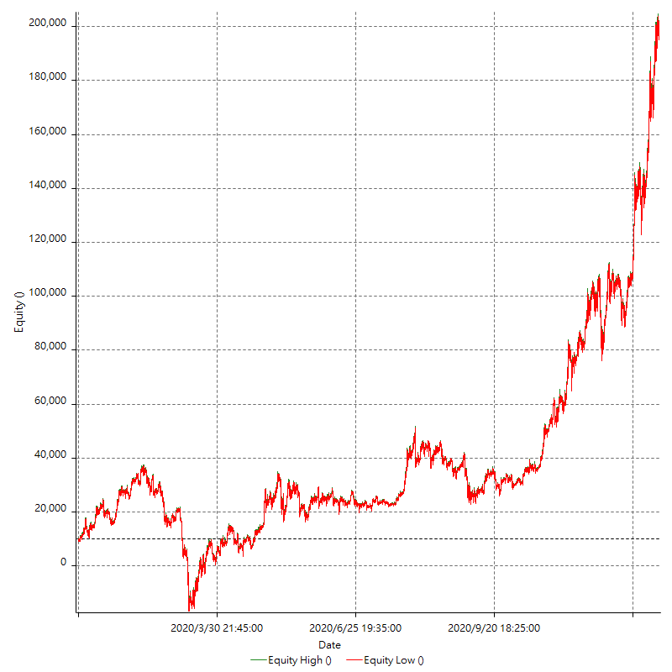

Equity Curve Detailed with DrawDown

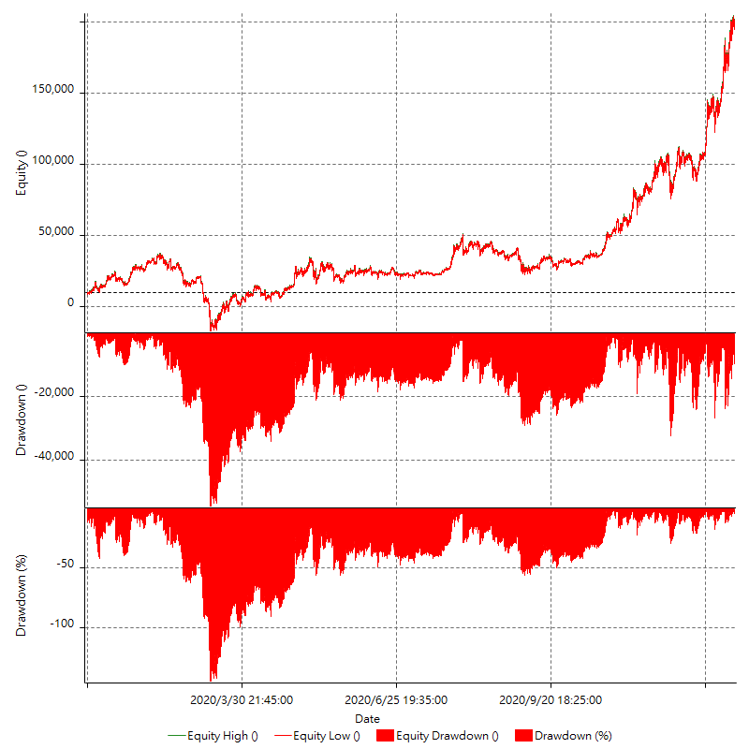

Equity Curve Detailed Long

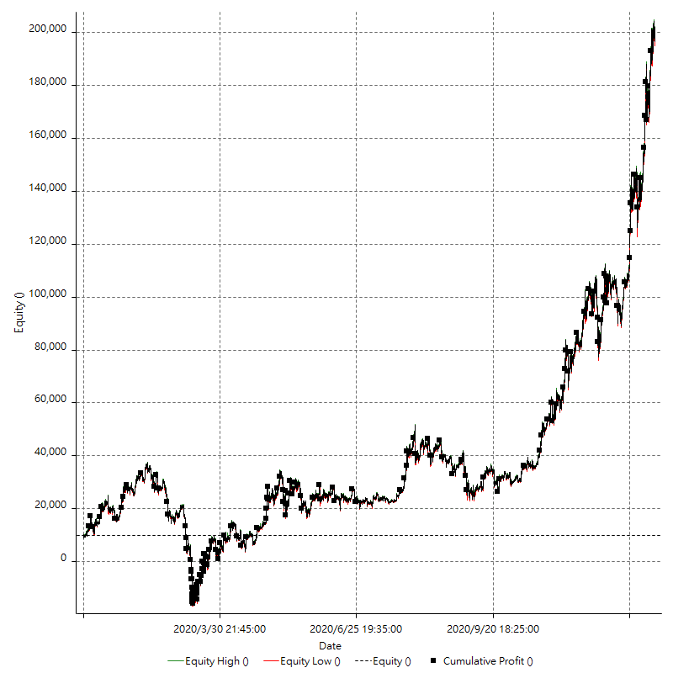

Equity Curve Detailed Short

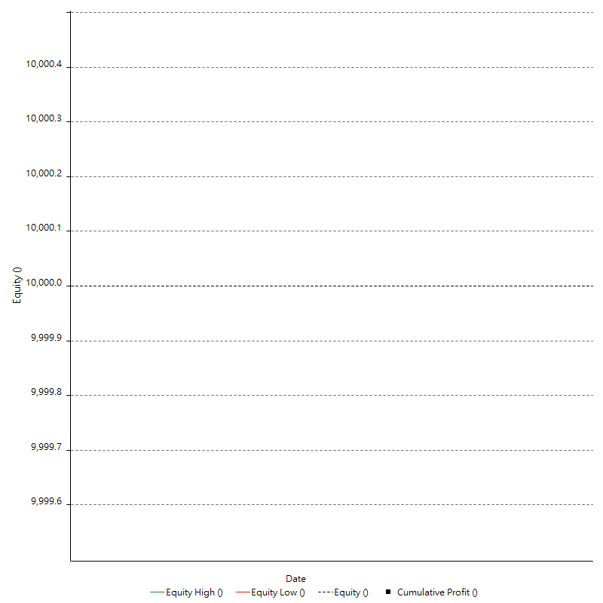

Equity Run-up & Drawdown

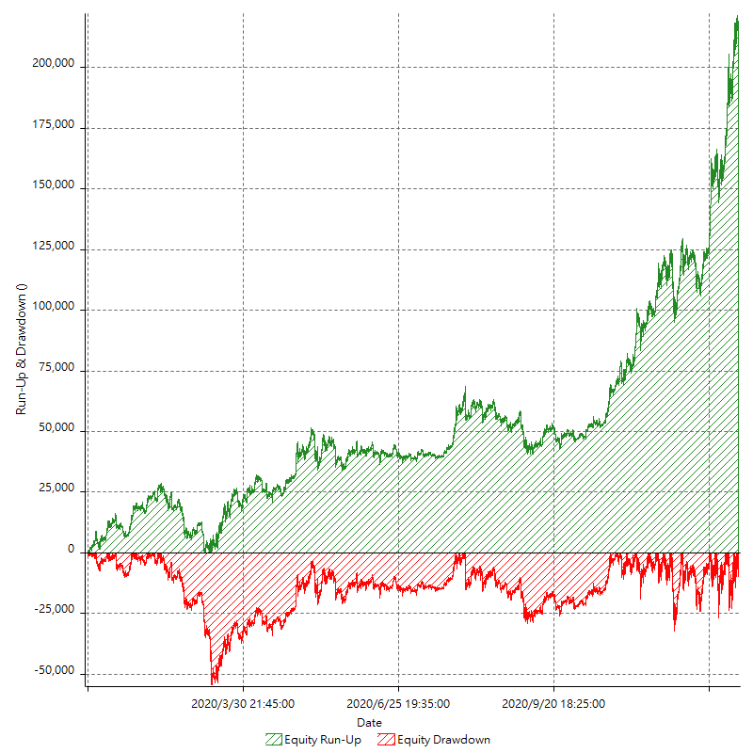

Equity Run-up & Drawdown (%)

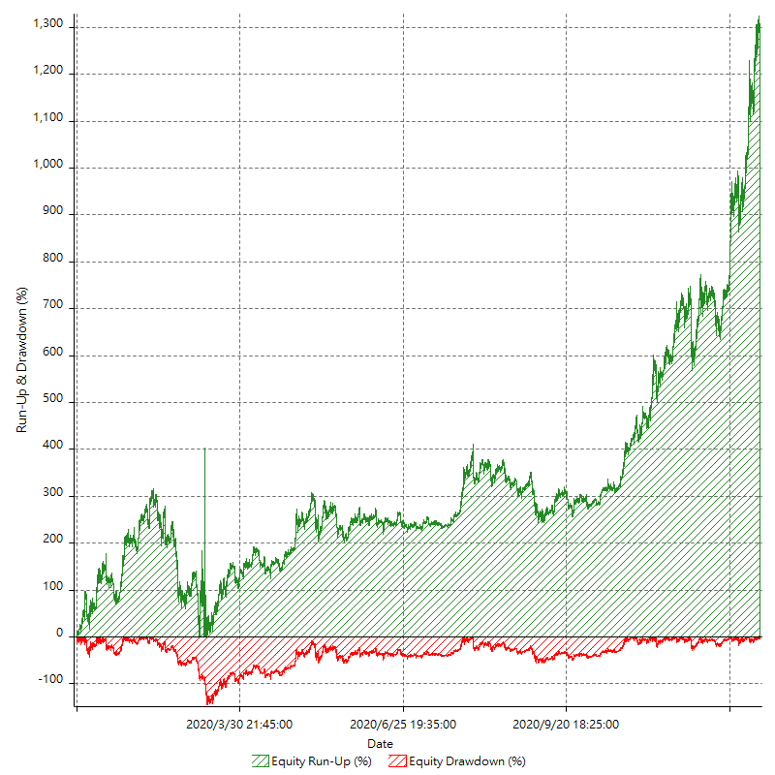

Equity Curve Close To Close

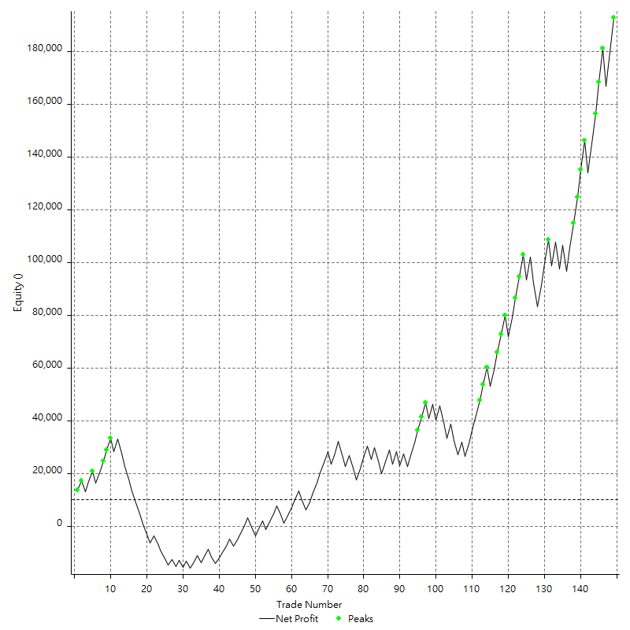

Equity Curve Close To Close With Drawdown

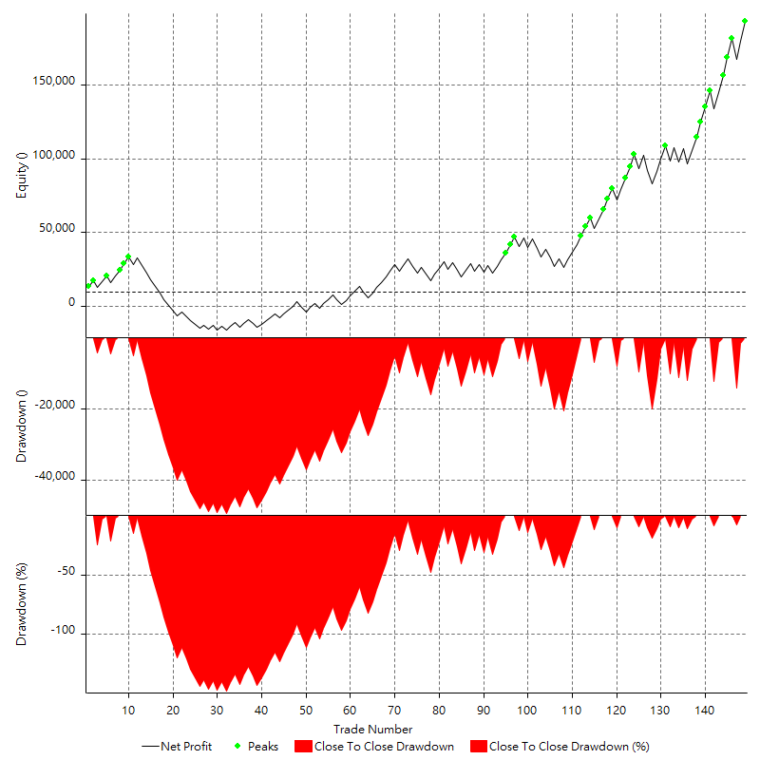

Buy & Hold Return

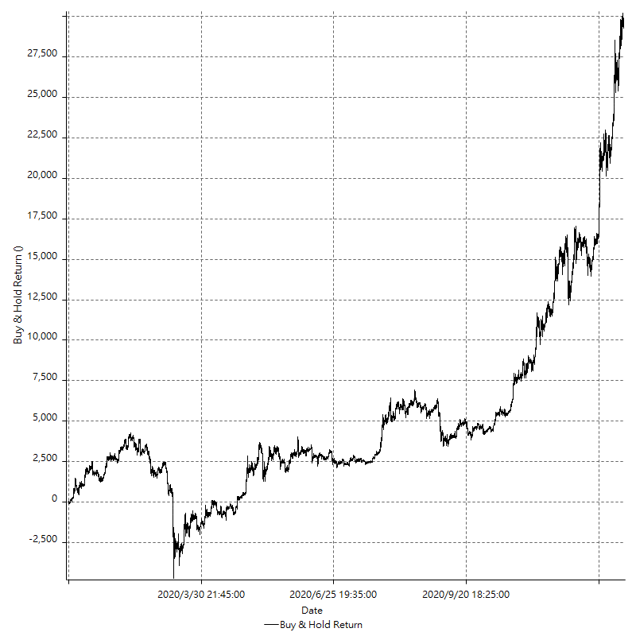

Value Added Monthly Index

Trade Analysis
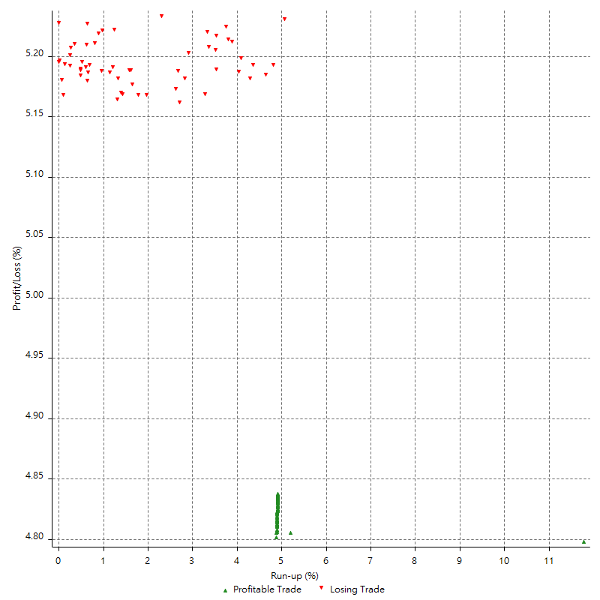
Total Trade Analysis

 | All Trades | Long Trades | Short Trades
Total # of Trades | 149 | 149 | 0
Total # of Open Trades | 1 | 1 | 0
Number Winning Trades | 91 | 91 | 0
Number Losing Trades | 58 | 58 | 0
% Profitable | 61.07% | 61.07% | 0.00%
Avg Trade (win & loss) | 1227.52 ¤ | 1227.52 ¤ | n/a
Average Winning Trade | 5353.46 ¤ | 5353.46 ¤ | n/a
Average Losing Trade | -5245.94 ¤ | -5245.94 ¤ | n/a
Ratio Avg Win / Avg Loss | 1.0204951911 | 1.0204951911 | n/a
Largest Winning Trade | 1317633.90% | 1317633.90% | n/a
Largest Losing Trade | -1427102.64% | -1427102.64% | n/a
Avg # Bars in Trades | 682 | 682 | n/a
Avg # Bars in Winning Trades | 789.4 | 789.4 | n/a
Avg # Bars in Losing Trades | 513.5 | 513.5 | n/a
Avg # Bars Between Trades | n/a | n/a | n/a
Avg # Bars Between Winning Trades | 363 | 363 | n/a
Avg # Bars Between Losing Trades | 1294.6 | 1294.6 | n/a

Outliers

 | Total | Positive | Negative
1 Std. Deviation of Avg. Trade | 5855.34 ¤ | 2828.35 ¤ | 2563.44 ¤
Avg. Trade +1 Std. Deviation | 7082.85 ¤ | 8181.81 ¤ | -2682.50 ¤
Avg. Trade - 1 Std. Deviation | -4627.82 ¤ | 2525.11 ¤ | -7809.38 ¤
Number of Outliers | 26 | 17 | 9
Outlier Profit/Loss | 82133.10 ¤ | 175414.71 ¤ | -93281.61 ¤

Run-up/Drawdown

 | Run-up | Drawdown
Max Value | 13390.78 ¤ | -14054.00 ¤
Max Value Date | 2020-12-30 | 2020-12-27
Avg Value | 4114.34 ¤ | -3575.53 ¤
Max Value (%) | 11.78% | -5.12%
Max Value (%) Date | 2020-03-13 | 2020-03-13
Avg Value (%) | 3.77% | -3.37%
1 Std. Deviation | 3088.14 ¤ | 2866.56 ¤
Avg. Trade +1 Std. Deviation | 7202.48 ¤ | -708.98 ¤
Avg. Trade - 1 Std. Deviation | 1026.20 ¤ | -6442.09 ¤

Trade Series Analysis

Z-score | 0.6319988292
Confidence Limits | 0.47261285478
Strategy ME | 1227.52 ¤
Max Consec. Winners | 6
Max Consec. Losers | 9
Largest Consec. Profit | 49674.87 ¤
Largest Consec. Loss | -39412.40 ¤
Largest Consec. Profit (%) | 1120.10%
Largest Consec. Loss (%) | -221.71%

Trade Series Statistics

Consecutive Winners | Number of Series | Avg. Gain per Series | Avg. Loss Next Trade
1 | 16 | 5009.68 ¤ | -5644.54 ¤
2 | 8 | 4646.90 ¤ | -3515.24 ¤
3 | 3 | 5278.84 ¤ | -6183.08 ¤
4 | 7 | 5539.22 ¤ | -6752.77 ¤
5 | 2 | 7405.15 ¤ | -9194.20 ¤
6 | 2 | 4666.66 ¤ | -5902.20 ¤
Consecutive Losers | Number of Series | Avg. Loss per Series | Avg. Gain Next Trade
1 | 25 | -6222.93 ¤ | 5545.16 ¤
2 | 10 | -4910.20 ¤ | 4220.84 ¤
4 | 1 | -2768.69 ¤ | 2030.74 ¤
9 | 1 | -4379.16 ¤ | 2870.21 ¤

Total Trades

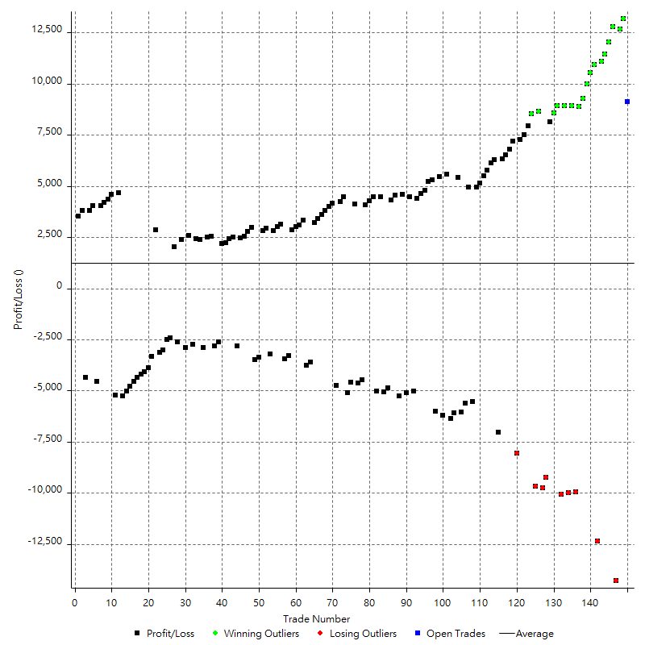

Winning Trades

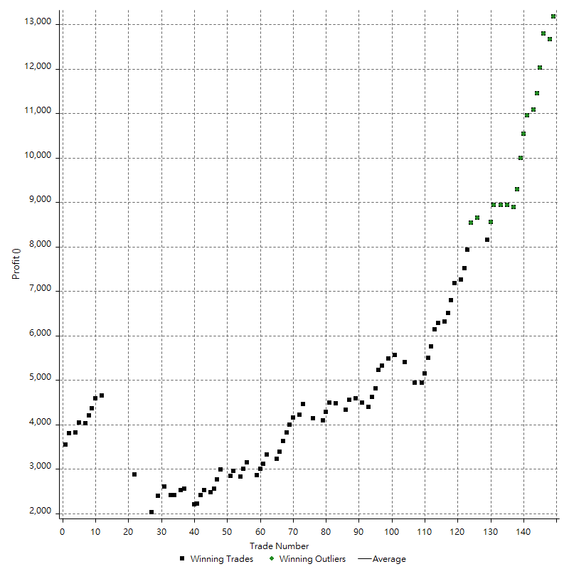

Losing Trades

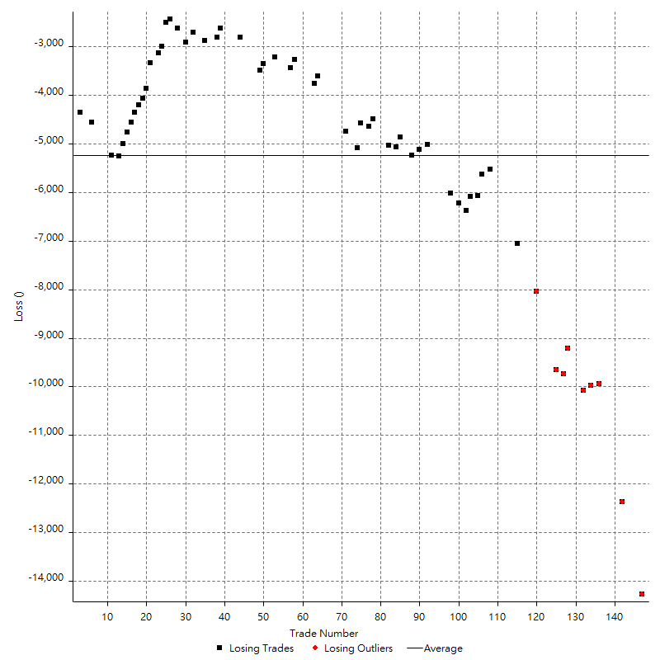

Drawdown

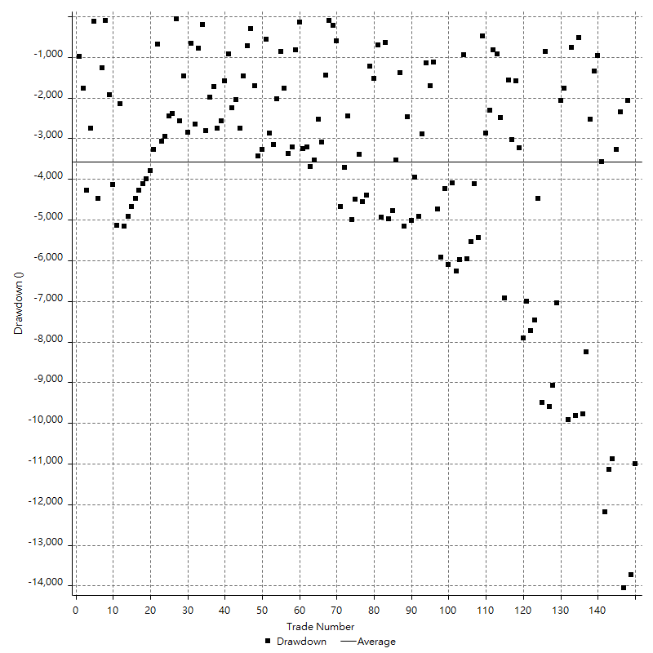

Drawdown P/L

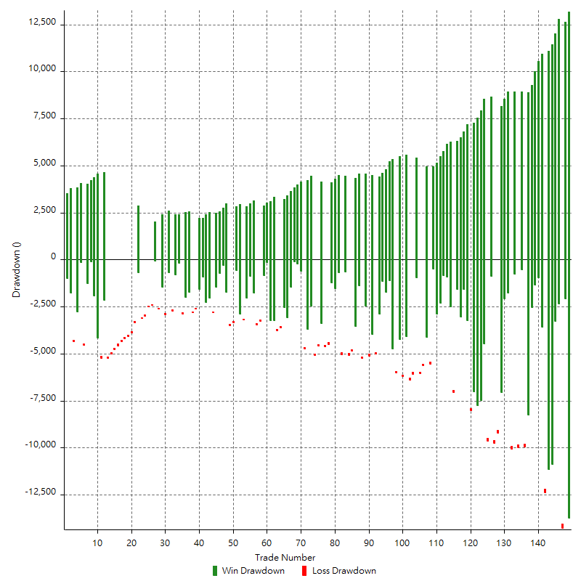

Maximum Adverse Excursion

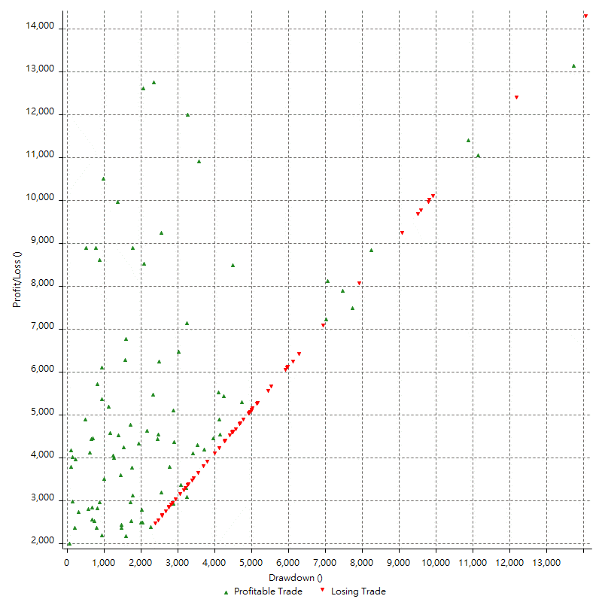

Maximum Adverse Excursion (%)

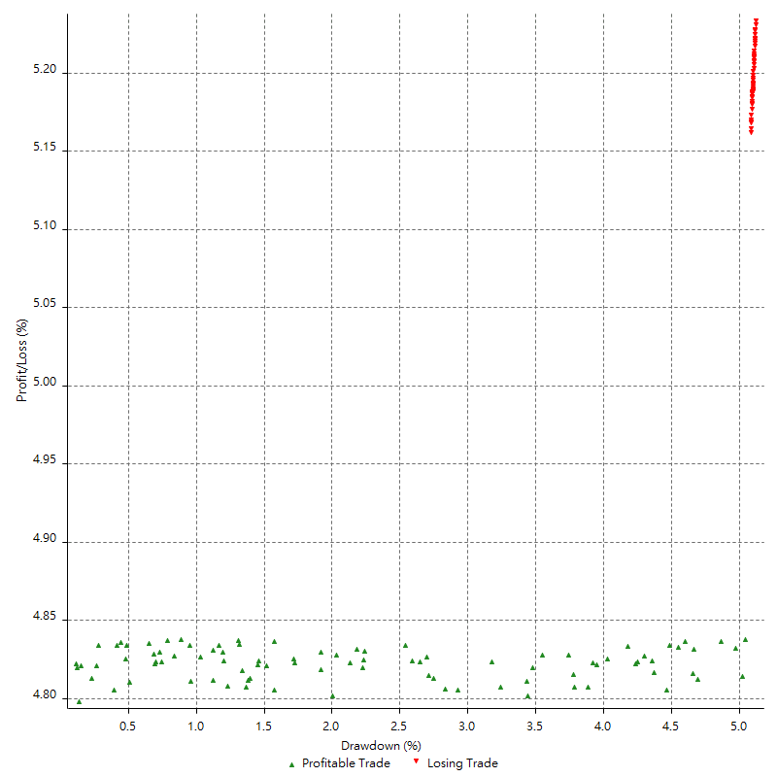

Run-up

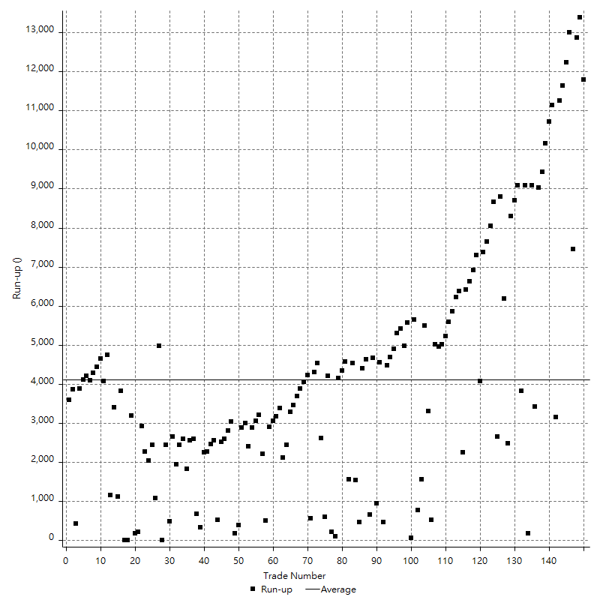

Run-up P/L

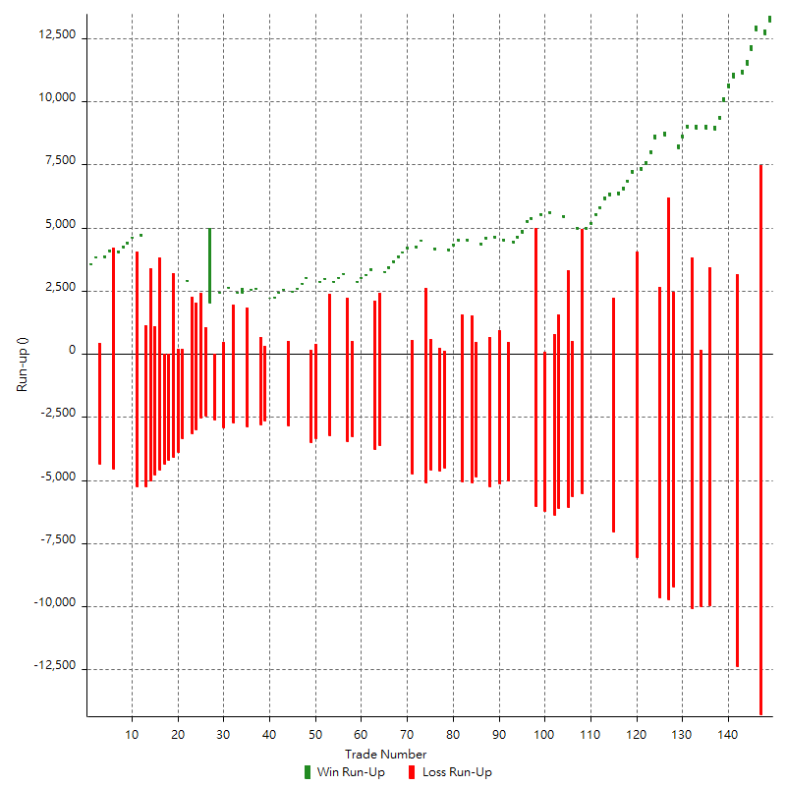

Maximum Favorable Excursion

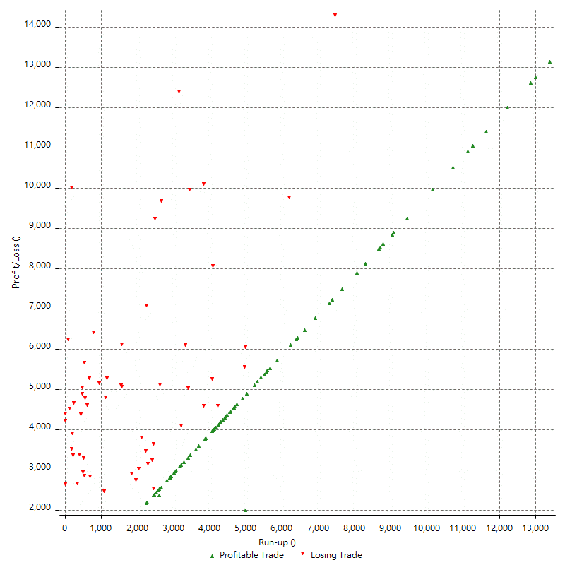

Maximum Favorable Excursion (%)

Periodical Analysis
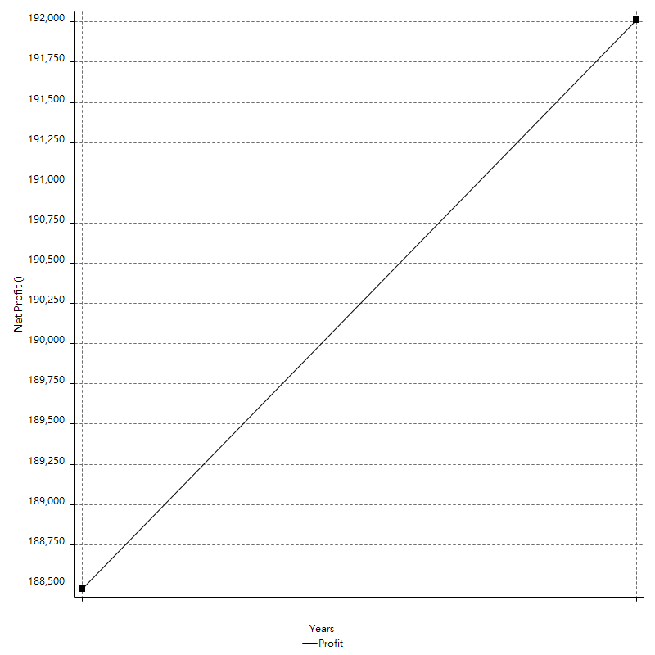
Hourly Period Analysis

Period | Profit () | Profit (%) | Gross Profit | Gross Loss | # Trades | % Profitable
1/2/21 | 314.80 ¤ | 0.16% | 314.80 ¤ | 0.00 ¤ | 1 | 100.00%
1/1/21 | 58.40 ¤ | 0.03% | 58.40 ¤ | 0.00 ¤ | 1 | 100.00%
1/1/21 | 977.10 ¤ | 0.49% | 977.10 ¤ | 0.00 ¤ | 1 | 100.00%
1/1/21 | -479.20 ¤ | -0.24% | 0.00 ¤ | -479.20 ¤ | 1 | 0.00%
1/1/21 | 1863.70 ¤ | 0.94% | 1863.70 ¤ | 0.00 ¤ | 1 | 100.00%
1/1/21 | 433.40 ¤ | 0.22% | 433.40 ¤ | 0.00 ¤ | 1 | 100.00%
1/1/21 | -1049.50 ¤ | -0.53% | 0.00 ¤ | -1049.50 ¤ | 1 | 0.00%
1/1/21 | -2030.60 ¤ | -1.01% | 0.00 ¤ | -2030.60 ¤ | 1 | 0.00%
1/1/21 | 1091.00 ¤ | 0.54% | 1091.00 ¤ | 0.00 ¤ | 1 | 100.00%
1/1/21 | -972.20 ¤ | -0.48% | 0.00 ¤ | -972.20 ¤ | 1 | 0.00%
1/1/21 | -1352.80 ¤ | -0.67% | 0.00 ¤ | -1352.80 ¤ | 1 | 0.00%
1/1/21 | 2755.80 ¤ | 1.38% | 2755.80 ¤ | 0.00 ¤ | 1 | 100.00%
1/1/21 | -903.50 ¤ | -0.45% | 0.00 ¤ | -903.50 ¤ | 1 | 0.00%
1/1/21 | 98.10 ¤ | 0.05% | 98.10 ¤ | 0.00 ¤ | 1 | 100.00%
1/1/21 | 486.60 ¤ | 0.24% | 486.60 ¤ | 0.00 ¤ | 1 | 100.00%
1/1/21 | 1690.20 ¤ | 0.85% | 1690.20 ¤ | 0.00 ¤ | 1 | 100.00%
1/1/21 | -466.50 ¤ | -0.23% | 0.00 ¤ | -466.50 ¤ | 1 | 0.00%
1/1/21 | -211.60 ¤ | -0.11% | 0.00 ¤ | -211.60 ¤ | 1 | 0.00%
1/1/21 | -480.10 ¤ | -0.24% | 0.00 ¤ | -480.10 ¤ | 1 | 0.00%
1/1/21 | -648.50 ¤ | -0.32% | 0.00 ¤ | -648.50 ¤ | 1 | 0.00%
1/1/21 | -971.20 ¤ | -0.48% | 0.00 ¤ | -971.20 ¤ | 1 | 0.00%
1/1/21 | 1077.40 ¤ | 0.54% | 1077.40 ¤ | 0.00 ¤ | 1 | 100.00%
1/1/21 | -1676.10 ¤ | -0.83% | 0.00 ¤ | -1676.10 ¤ | 1 | 0.00%
1/1/21 | 4241.20 ¤ | 2.14% | 4241.20 ¤ | 0.00 ¤ | 1 | 100.00%
1/1/21 | -307.90 ¤ | -0.16% | 0.00 ¤ | -307.90 ¤ | 1 | 0.00%
12/31/20 | -1353.50 ¤ | -0.68% | 0.00 ¤ | -1353.50 ¤ | 1 | 0.00%
12/31/20 | 1026.20 ¤ | 0.52% | 1026.20 ¤ | 0.00 ¤ | 1 | 100.00%
12/31/20 | -187.00 ¤ | -0.09% | 0.00 ¤ | -187.00 ¤ | 1 | 0.00%
12/31/20 | 576.30 ¤ | 0.29% | 576.30 ¤ | 0.00 ¤ | 1 | 100.00%
12/31/20 | 1451.80 ¤ | 0.74% | 1451.80 ¤ | 0.00 ¤ | 1 | 100.00%
12/31/20 | 2353.60 ¤ | 1.21% | 2353.60 ¤ | 0.00 ¤ | 1 | 100.00%
12/31/20 | 1623.70 ¤ | 0.84% | 1623.70 ¤ | 0.00 ¤ | 1 | 100.00%
12/31/20 | -3747.20 ¤ | -1.90% | 0.00 ¤ | -3747.20 ¤ | 1 | 0.00%
12/31/20 | 3836.30 ¤ | 1.99% | 3836.30 ¤ | 0.00 ¤ | 1 | 100.00%
12/31/20 | -193.20 ¤ | -0.10% | 0.00 ¤ | -193.20 ¤ | 1 | 0.00%
12/31/20 | -2328.90 ¤ | -1.19% | 0.00 ¤ | -2328.90 ¤ | 1 | 0.00%
12/31/20 | -3987.40 ¤ | -2.00% | 0.00 ¤ | -3987.40 ¤ | 1 | 0.00%
12/31/20 | -245.20 ¤ | -0.12% | 0.00 ¤ | -245.20 ¤ | 1 | 0.00%
12/31/20 | 897.80 ¤ | 0.45% | 897.80 ¤ | 0.00 ¤ | 1 | 100.00%
12/31/20 | 290.00 ¤ | 0.15% | 290.00 ¤ | 0.00 ¤ | 1 | 100.00%
12/31/20 | -1747.70 ¤ | -0.87% | 0.00 ¤ | -1747.70 ¤ | 1 | 0.00%
12/31/20 | 2023.30 ¤ | 1.02% | 2023.30 ¤ | 0.00 ¤ | 1 | 100.00%
12/31/20 | -365.00 ¤ | -0.18% | 0.00 ¤ | -365.00 ¤ | 1 | 0.00%
12/31/20 | -119.60 ¤ | -0.06% | 0.00 ¤ | -119.60 ¤ | 1 | 0.00%
12/31/20 | -515.40 ¤ | -0.26% | 0.00 ¤ | -515.40 ¤ | 1 | 0.00%
12/31/20 | 3740.60 ¤ | 1.91% | 3740.60 ¤ | 0.00 ¤ | 1 | 100.00%
12/31/20 | -472.10 ¤ | -0.24% | 0.00 ¤ | -472.10 ¤ | 1 | 0.00%
12/31/20 | -5461.00 ¤ | -2.71% | 0.00 ¤ | -5461.00 ¤ | 1 | 0.00%
12/31/20 | 4552.10 ¤ | 2.31% | 4552.10 ¤ | 0.00 ¤ | 1 | 100.00%
12/30/20 | 1579.20 ¤ | 0.81% | 1579.20 ¤ | 0.00 ¤ | 1 | 100.00%
12/30/20 | -1447.40 ¤ | -0.74% | 0.00 ¤ | -1447.40 ¤ | 1 | 0.00%
12/30/20 | 611.80 ¤ | 0.31% | 611.80 ¤ | 0.00 ¤ | 1 | 100.00%
12/30/20 | -480.50 ¤ | -0.24% | 0.00 ¤ | -480.50 ¤ | 1 | 0.00%
12/30/20 | 2642.00 ¤ | 1.36% | 2642.00 ¤ | 0.00 ¤ | 1 | 100.00%
12/30/20 | 2540.70 ¤ | 1.33% | 2540.70 ¤ | 0.00 ¤ | 1 | 100.00%
12/30/20 | 1496.20 ¤ | 0.79% | 1496.20 ¤ | 0.00 ¤ | 1 | 100.00%
12/30/20 | -89.50 ¤ | -0.05% | 0.00 ¤ | -89.50 ¤ | 1 | 0.00%
12/30/20 | -60.30 ¤ | -0.03% | 0.00 ¤ | -60.30 ¤ | 1 | 0.00%
12/30/20 | 391.10 ¤ | 0.21% | 391.10 ¤ | 0.00 ¤ | 1 | 100.00%
12/30/20 | 2408.00 ¤ | 1.29% | 2408.00 ¤ | 0.00 ¤ | 1 | 100.00%
12/30/20 | 1087.80 ¤ | 0.58% | 1087.80 ¤ | 0.00 ¤ | 1 | 100.00%
12/30/20 | -1201.40 ¤ | -0.64% | 0.00 ¤ | -1201.40 ¤ | 1 | 0.00%
12/30/20 | 347.80 ¤ | 0.19% | 347.80 ¤ | 0.00 ¤ | 1 | 100.00%
12/30/20 | 477.40 ¤ | 0.26% | 477.40 ¤ | 0.00 ¤ | 1 | 100.00%
12/30/20 | -5476.00 ¤ | -2.85% | 0.00 ¤ | -5476.00 ¤ | 1 | 0.00%
12/30/20 | 1367.58 ¤ | 0.72% | 2268.96 ¤ | -901.38 ¤ | 2 | 50.00%
12/30/20 | 2895.60 ¤ | 1.54% | 2895.60 ¤ | 0.00 ¤ | 1 | 100.00%
12/30/20 | 1965.90 ¤ | 1.06% | 1965.90 ¤ | 0.00 ¤ | 1 | 100.00%
12/30/20 | -233.40 ¤ | -0.13% | 0.00 ¤ | -233.40 ¤ | 1 | 0.00%
12/30/20 | -434.70 ¤ | -0.23% | 0.00 ¤ | -434.70 ¤ | 1 | 0.00%
12/30/20 | 2733.80 ¤ | 1.49% | 2733.80 ¤ | 0.00 ¤ | 1 | 100.00%
12/30/20 | -231.20 ¤ | -0.13% | 0.00 ¤ | -231.20 ¤ | 1 | 0.00%
12/30/20 | 2635.40 ¤ | 1.45% | 2635.40 ¤ | 0.00 ¤ | 1 | 100.00%
12/29/20 | 4113.50 ¤ | 2.32% | 4113.50 ¤ | 0.00 ¤ | 1 | 100.00%
12/29/20 | 1364.20 ¤ | 0.78% | 1364.20 ¤ | 0.00 ¤ | 1 | 100.00%
12/29/20 | -797.60 ¤ | -0.45% | 0.00 ¤ | -797.60 ¤ | 1 | 0.00%
12/29/20 | 505.20 ¤ | 0.29% | 505.20 ¤ | 0.00 ¤ | 1 | 100.00%
12/29/20 | 2497.90 ¤ | 1.44% | 2497.90 ¤ | 0.00 ¤ | 1 | 100.00%
12/29/20 | 1370.30 ¤ | 0.80% | 1370.30 ¤ | 0.00 ¤ | 1 | 100.00%
12/29/20 | 1989.10 ¤ | 1.17% | 1989.10 ¤ | 0.00 ¤ | 1 | 100.00%
12/29/20 | -3080.90 ¤ | -1.78% | 0.00 ¤ | -3080.90 ¤ | 1 | 0.00%
12/29/20 | -811.30 ¤ | -0.47% | 0.00 ¤ | -811.30 ¤ | 1 | 0.00%
12/29/20 | -1719.30 ¤ | -0.98% | 0.00 ¤ | -1719.30 ¤ | 1 | 0.00%
12/29/20 | -460.80 ¤ | -0.26% | 0.00 ¤ | -460.80 ¤ | 1 | 0.00%
12/29/20 | 2221.40 ¤ | 1.28% | 2221.40 ¤ | 0.00 ¤ | 1 | 100.00%
12/29/20 | -891.80 ¤ | -0.51% | 0.00 ¤ | -891.80 ¤ | 1 | 0.00%
12/29/20 | 1404.40 ¤ | 0.81% | 1404.40 ¤ | 0.00 ¤ | 1 | 100.00%
12/29/20 | -636.20 ¤ | -0.37% | 0.00 ¤ | -636.20 ¤ | 1 | 0.00%
12/29/20 | 3485.80 ¤ | 2.04% | 3485.80 ¤ | 0.00 ¤ | 1 | 100.00%
12/29/20 | 66.90 ¤ | 0.04% | 66.90 ¤ | 0.00 ¤ | 1 | 100.00%
12/29/20 | 79.20 ¤ | 0.05% | 79.20 ¤ | 0.00 ¤ | 1 | 100.00%
12/29/20 | -688.60 ¤ | -0.40% | 0.00 ¤ | -688.60 ¤ | 1 | 0.00%
12/29/20 | -971.50 ¤ | -0.56% | 0.00 ¤ | -971.50 ¤ | 1 | 0.00%
12/29/20 | -3795.10 ¤ | -2.16% | 0.00 ¤ | -3795.10 ¤ | 1 | 0.00%
12/29/20 | 592.00 ¤ | 0.34% | 592.00 ¤ | 0.00 ¤ | 1 | 100.00%
12/29/20 | 449.40 ¤ | 0.26% | 449.40 ¤ | 0.00 ¤ | 1 | 100.00%
12/29/20 | -3543.30 ¤ | -1.98% | 0.00 ¤ | -3543.30 ¤ | 1 | 0.00%
12/28/20 | 2278.00 ¤ | 1.29% | 2278.00 ¤ | 0.00 ¤ | 1 | 100.00%
12/28/20 | 2044.20 ¤ | 1.17% | 2044.20 ¤ | 0.00 ¤ | 1 | 100.00%
12/28/20 | -1465.60 ¤ | -0.83% | 0.00 ¤ | -1465.60 ¤ | 1 | 0.00%
12/28/20 | -1864.70 ¤ | -1.05% | 0.00 ¤ | -1864.70 ¤ | 1 | 0.00%
12/28/20 | 138.30 ¤ | 0.08% | 138.30 ¤ | 0.00 ¤ | 1 | 100.00%
12/28/20 | -1080.80 ¤ | -0.61% | 0.00 ¤ | -1080.80 ¤ | 1 | 0.00%
12/28/20 | 607.70 ¤ | 0.34% | 607.70 ¤ | 0.00 ¤ | 1 | 100.00%
12/28/20 | 1206.40 ¤ | 0.68% | 1206.40 ¤ | 0.00 ¤ | 1 | 100.00%
12/28/20 | -3694.50 ¤ | -2.05% | 0.00 ¤ | -3694.50 ¤ | 1 | 0.00%
12/28/20 | 664.08 ¤ | 0.37% | 664.08 ¤ | 0.00 ¤ | 1 | 100.00%
12/28/20 | 4292.99 ¤ | 2.45% | 4292.99 ¤ | 0.00 ¤ | 1 | 100.00%
12/28/20 | 1777.70 ¤ | 1.02% | 1777.70 ¤ | 0.00 ¤ | 1 | 100.00%
12/28/20 | 1884.70 ¤ | 1.10% | 1884.70 ¤ | 0.00 ¤ | 1 | 100.00%
12/28/20 | -2508.20 ¤ | -1.44% | 0.00 ¤ | -2508.20 ¤ | 1 | 0.00%
12/28/20 | -293.30 ¤ | -0.17% | 0.00 ¤ | -293.30 ¤ | 1 | 0.00%
12/28/20 | -1249.50 ¤ | -0.71% | 0.00 ¤ | -1249.50 ¤ | 1 | 0.00%
12/28/20 | -99.10 ¤ | -0.06% | 0.00 ¤ | -99.10 ¤ | 1 | 0.00%
12/28/20 | 1361.90 ¤ | 0.78% | 1361.90 ¤ | 0.00 ¤ | 1 | 100.00%
12/28/20 | -565.10 ¤ | -0.32% | 0.00 ¤ | -565.10 ¤ | 1 | 0.00%
12/28/20 | -1782.10 ¤ | -1.01% | 0.00 ¤ | -1782.10 ¤ | 1 | 0.00%
12/28/20 | 539.10 ¤ | 0.31% | 539.10 ¤ | 0.00 ¤ | 1 | 100.00%
12/28/20 | -344.00 ¤ | -0.19% | 0.00 ¤ | -344.00 ¤ | 1 | 0.00%
12/28/20 | 2066.60 ¤ | 1.18% | 2066.60 ¤ | 0.00 ¤ | 1 | 100.00%
12/28/20 | 5785.90 ¤ | 3.43% | 5785.90 ¤ | 0.00 ¤ | 1 | 100.00%
12/27/20 | -1836.40 ¤ | -1.08% | 0.00 ¤ | -1836.40 ¤ | 1 | 0.00%
12/27/20 | 1258.80 ¤ | 0.74% | 1258.80 ¤ | 0.00 ¤ | 1 | 100.00%
12/27/20 | 2368.10 ¤ | 1.42% | 2368.10 ¤ | 0.00 ¤ | 1 | 100.00%
12/27/20 | -8766.73 ¤ | -4.99% | 0.00 ¤ | -8766.73 ¤ | 1 | 0.00%
12/27/20 | 1624.50 ¤ | 0.93% | 1624.50 ¤ | 0.00 ¤ | 1 | 100.00%
12/27/20 | 1894.80 ¤ | 1.10% | 1894.80 ¤ | 0.00 ¤ | 1 | 100.00%
12/27/20 | -1749.60 ¤ | -1.01% | 0.00 ¤ | -1749.60 ¤ | 1 | 0.00%
12/27/20 | -4415.60 ¤ | -2.47% | 0.00 ¤ | -4415.60 ¤ | 1 | 0.00%
12/27/20 | -350.00 ¤ | -0.20% | 0.00 ¤ | -350.00 ¤ | 1 | 0.00%
12/27/20 | -879.90 ¤ | -0.49% | 0.00 ¤ | -879.90 ¤ | 1 | 0.00%
12/27/20 | 1729.90 ¤ | 0.97% | 1729.90 ¤ | 0.00 ¤ | 1 | 100.00%
12/27/20 | -3139.20 ¤ | -1.73% | 0.00 ¤ | -3139.20 ¤ | 1 | 0.00%
12/27/20 | -1426.10 ¤ | -0.78% | 0.00 ¤ | -1426.10 ¤ | 1 | 0.00%
12/27/20 | -34.70 ¤ | -0.02% | 0.00 ¤ | -34.70 ¤ | 1 | 0.00%
12/27/20 | 1241.60 ¤ | 0.68% | 1241.60 ¤ | 0.00 ¤ | 1 | 100.00%
12/27/20 | 0.00 ¤ | 0.00% | 0.00 ¤ | 0.00 ¤ | 0 | 0.00%
12/27/20 | 653.99 ¤ | 0.36% | 653.99 ¤ | 0.00 ¤ | 1 | 100.00%
12/27/20 | 7964.90 ¤ | 4.61% | 7964.90 ¤ | 0.00 ¤ | 1 | 100.00%
12/27/20 | 1885.10 ¤ | 1.10% | 1885.10 ¤ | 0.00 ¤ | 1 | 100.00%
12/27/20 | 929.10 ¤ | 0.55% | 929.10 ¤ | 0.00 ¤ | 1 | 100.00%
12/27/20 | 445.60 ¤ | 0.26% | 445.60 ¤ | 0.00 ¤ | 1 | 100.00%
12/27/20 | -488.30 ¤ | -0.29% | 0.00 ¤ | -488.30 ¤ | 1 | 0.00%
12/27/20 | -1835.50 ¤ | -1.07% | 0.00 ¤ | -1835.50 ¤ | 1 | 0.00%
12/27/20 | 3441.00 ¤ | 2.04% | 3441.00 ¤ | 0.00 ¤ | 1 | 100.00%
12/26/20 | 665.90 ¤ | 0.40% | 665.90 ¤ | 0.00 ¤ | 1 | 100.00%
12/26/20 | -868.79 ¤ | -0.52% | 0.00 ¤ | -868.79 ¤ | 1 | 0.00%
12/26/20 | 0.00 ¤ | 0.00% | 0.00 ¤ | 0.00 ¤ | 0 | 0.00%
12/26/20 | 1928.56 ¤ | 1.16% | 1928.56 ¤ | 0.00 ¤ | 1 | 100.00%
12/26/20 | 2105.60 ¤ | 1.28% | 2105.60 ¤ | 0.00 ¤ | 1 | 100.00%
12/26/20 | -207.80 ¤ | -0.13% | 0.00 ¤ | -207.80 ¤ | 1 | 0.00%
12/26/20 | -1746.20 ¤ | -1.05% | 0.00 ¤ | -1746.20 ¤ | 1 | 0.00%
12/26/20 | 2615.40 ¤ | 1.60% | 2615.40 ¤ | 0.00 ¤ | 1 | 100.00%
12/26/20 | 2002.70 ¤ | 1.24% | 2002.70 ¤ | 0.00 ¤ | 1 | 100.00%
12/26/20 | 4629.90 ¤ | 2.94% | 4629.90 ¤ | 0.00 ¤ | 1 | 100.00%
12/26/20 | 747.00 ¤ | 0.48% | 747.00 ¤ | 0.00 ¤ | 1 | 100.00%
12/26/20 | 282.10 ¤ | 0.18% | 282.10 ¤ | 0.00 ¤ | 1 | 100.00%
12/26/20 | 1319.10 ¤ | 0.85% | 1319.10 ¤ | 0.00 ¤ | 1 | 100.00%
12/26/20 | -1073.10 ¤ | -0.69% | 0.00 ¤ | -1073.10 ¤ | 1 | 0.00%
12/26/20 | -597.50 ¤ | -0.38% | 0.00 ¤ | -597.50 ¤ | 1 | 0.00%
12/26/20 | 1207.10 ¤ | 0.78% | 1207.10 ¤ | 0.00 ¤ | 1 | 100.00%
12/26/20 | -729.80 ¤ | -0.47% | 0.00 ¤ | -729.80 ¤ | 1 | 0.00%
12/26/20 | 955.70 ¤ | 0.62% | 955.70 ¤ | 0.00 ¤ | 1 | 100.00%
12/26/20 | -1024.50 ¤ | -0.66% | 0.00 ¤ | -1024.50 ¤ | 1 | 0.00%
12/26/20 | -419.20 ¤ | -0.27% | 0.00 ¤ | -419.20 ¤ | 1 | 0.00%
12/26/20 | 36.89 ¤ | 0.02% | 36.89 ¤ | 0.00 ¤ | 1 | 100.00%
12/26/20 | 0.00 ¤ | 0.00% | 0.00 ¤ | 0.00 ¤ | 0 | 0.00%
12/26/20 | 2384.41 ¤ | 1.55% | 2384.41 ¤ | 0.00 ¤ | 1 | 100.00%
12/26/20 | -648.60 ¤ | -0.42% | 0.00 ¤ | -648.60 ¤ | 1 | 0.00%
12/25/20 | 1058.80 ¤ | 0.69% | 1058.80 ¤ | 0.00 ¤ | 1 | 100.00%
12/25/20 | 1808.90 ¤ | 1.19% | 1808.90 ¤ | 0.00 ¤ | 1 | 100.00%
12/25/20 | -909.50 ¤ | -0.60% | 0.00 ¤ | -909.50 ¤ | 1 | 0.00%
12/25/20 | 247.10 ¤ | 0.16% | 247.10 ¤ | 0.00 ¤ | 1 | 100.00%
12/25/20 | 538.70 ¤ | 0.35% | 538.70 ¤ | 0.00 ¤ | 1 | 100.00%
12/25/20 | 1944.10 ¤ | 1.30% | 1944.10 ¤ | 0.00 ¤ | 1 | 100.00%
12/25/20 | 1071.20 ¤ | 0.72% | 1071.20 ¤ | 0.00 ¤ | 1 | 100.00%
12/25/20 | 705.50 ¤ | 0.48% | 705.50 ¤ | 0.00 ¤ | 1 | 100.00%
12/25/20 | -785.50 ¤ | -0.53% | 0.00 ¤ | -785.50 ¤ | 1 | 0.00%
12/25/20 | -3764.00 ¤ | -2.46% | 0.00 ¤ | -3764.00 ¤ | 1 | 0.00%
12/25/20 | 175.40 ¤ | 0.11% | 175.40 ¤ | 0.00 ¤ | 1 | 100.00%
12/25/20 | -1278.60 ¤ | -0.83% | 0.00 ¤ | -1278.60 ¤ | 1 | 0.00%
12/25/20 | 6001.30 ¤ | 4.06% | 6001.30 ¤ | 0.00 ¤ | 1 | 100.00%
12/25/20 | 167.90 ¤ | 0.11% | 167.90 ¤ | 0.00 ¤ | 1 | 100.00%
12/25/20 | 2682.40 ¤ | 1.85% | 2682.40 ¤ | 0.00 ¤ | 1 | 100.00%
12/25/20 | 396.70 ¤ | 0.27% | 396.70 ¤ | 0.00 ¤ | 1 | 100.00%
12/25/20 | 193.30 ¤ | 0.13% | 193.30 ¤ | 0.00 ¤ | 1 | 100.00%
12/25/20 | 871.40 ¤ | 0.61% | 871.40 ¤ | 0.00 ¤ | 1 | 100.00%
12/25/20 | -401.20 ¤ | -0.28% | 0.00 ¤ | -401.20 ¤ | 1 | 0.00%
12/25/20 | 807.00 ¤ | 0.56% | 807.00 ¤ | 0.00 ¤ | 1 | 100.00%
12/25/20 | -908.90 ¤ | -0.63% | 0.00 ¤ | -908.90 ¤ | 1 | 0.00%
12/25/20 | -142.50 ¤ | -0.10% | 0.00 ¤ | -142.50 ¤ | 1 | 0.00%
12/25/20 | -111.90 ¤ | -0.08% | 0.00 ¤ | -111.90 ¤ | 1 | 0.00%
12/25/20 | -1188.60 ¤ | -0.82% | 0.00 ¤ | -1188.60 ¤ | 1 | 0.00%
12/24/20 | 402.90 ¤ | 0.28% | 402.90 ¤ | 0.00 ¤ | 1 | 100.00%
12/24/20 | 2539.80 ¤ | 1.78% | 2539.80 ¤ | 0.00 ¤ | 1 | 100.00%
12/24/20 | -75.10 ¤ | -0.05% | 0.00 ¤ | -75.10 ¤ | 1 | 0.00%
12/24/20 | 1608.00 ¤ | 1.14% | 1608.00 ¤ | 0.00 ¤ | 1 | 100.00%
12/24/20 | -85.10 ¤ | -0.06% | 0.00 ¤ | -85.10 ¤ | 1 | 0.00%
12/24/20 | -685.60 ¤ | -0.48% | 0.00 ¤ | -685.60 ¤ | 1 | 0.00%
12/24/20 | 695.20 ¤ | 0.49% | 695.20 ¤ | 0.00 ¤ | 1 | 100.00%
12/24/20 | 512.10 ¤ | 0.36% | 512.10 ¤ | 0.00 ¤ | 1 | 100.00%
12/24/20 | -247.90 ¤ | -0.18% | 0.00 ¤ | -247.90 ¤ | 1 | 0.00%
12/24/20 | -679.20 ¤ | -0.48% | 0.00 ¤ | -679.20 ¤ | 1 | 0.00%
12/24/20 | 1851.20 ¤ | 1.32% | 1851.20 ¤ | 0.00 ¤ | 1 | 100.00%
12/24/20 | -1005.00 ¤ | -0.71% | 0.00 ¤ | -1005.00 ¤ | 1 | 0.00%
12/24/20 | 428.00 ¤ | 0.30% | 428.00 ¤ | 0.00 ¤ | 1 | 100.00%
12/24/20 | -1112.30 ¤ | -0.79% | 0.00 ¤ | -1112.30 ¤ | 1 | 0.00%
12/24/20 | -283.80 ¤ | -0.20% | 0.00 ¤ | -283.80 ¤ | 1 | 0.00%
12/24/20 | 1726.10 ¤ | 1.23% | 1726.10 ¤ | 0.00 ¤ | 1 | 100.00%
12/24/20 | 2366.00 ¤ | 1.72% | 2366.00 ¤ | 0.00 ¤ | 1 | 100.00%
12/24/20 | -1291.10 ¤ | -0.93% | 0.00 ¤ | -1291.10 ¤ | 1 | 0.00%
12/24/20 | 936.80 ¤ | 0.68% | 936.80 ¤ | 0.00 ¤ | 1 | 100.00%
12/24/20 | 1124.30 ¤ | 0.82% | 1124.30 ¤ | 0.00 ¤ | 1 | 100.00%
12/24/20 | 139.80 ¤ | 0.10% | 139.80 ¤ | 0.00 ¤ | 1 | 100.00%
12/24/20 | -3279.10 ¤ | -2.34% | 0.00 ¤ | -3279.10 ¤ | 1 | 0.00%
12/24/20 | 2269.80 ¤ | 1.65% | 2269.80 ¤ | 0.00 ¤ | 1 | 100.00%
12/24/20 | -2759.00 ¤ | -1.96% | 0.00 ¤ | -2759.00 ¤ | 1 | 0.00%
12/23/20 | -1049.30 ¤ | -0.74% | 0.00 ¤ | -1049.30 ¤ | 1 | 0.00%
12/23/20 | 506.80 ¤ | 0.36% | 506.80 ¤ | 0.00 ¤ | 1 | 100.00%
12/23/20 | -2109.80 ¤ | -1.47% | 0.00 ¤ | -2109.80 ¤ | 1 | 0.00%
12/23/20 | -550.60 ¤ | -0.38% | 0.00 ¤ | -550.60 ¤ | 1 | 0.00%
12/23/20 | -624.40 ¤ | -0.43% | 0.00 ¤ | -624.40 ¤ | 1 | 0.00%
12/23/20 | 147.40 ¤ | 0.10% | 147.40 ¤ | 0.00 ¤ | 1 | 100.00%
12/23/20 | 667.30 ¤ | 0.46% | 667.30 ¤ | 0.00 ¤ | 1 | 100.00%
12/23/20 | 48.10 ¤ | 0.03% | 48.10 ¤ | 0.00 ¤ | 1 | 100.00%
12/23/20 | -2440.20 ¤ | -1.67% | 0.00 ¤ | -2440.20 ¤ | 1 | 0.00%
12/23/20 | 843.39 ¤ | 0.58% | 843.39 ¤ | 0.00 ¤ | 1 | 100.00%
12/23/20 | 3233.19 ¤ | 2.28% | 3233.19 ¤ | 0.00 ¤ | 1 | 100.00%
12/23/20 | 6436.50 ¤ | 4.75% | 6436.50 ¤ | 0.00 ¤ | 1 | 100.00%
12/23/20 | -4003.50 ¤ | -2.87% | 0.00 ¤ | -4003.50 ¤ | 1 | 0.00%
12/23/20 | -1809.10 ¤ | -1.28% | 0.00 ¤ | -1809.10 ¤ | 1 | 0.00%
12/23/20 | 1227.40 ¤ | 0.88% | 1227.40 ¤ | 0.00 ¤ | 1 | 100.00%
12/23/20 | -211.40 ¤ | -0.15% | 0.00 ¤ | -211.40 ¤ | 1 | 0.00%
12/23/20 | 973.90 ¤ | 0.70% | 973.90 ¤ | 0.00 ¤ | 1 | 100.00%
12/23/20 | -451.00 ¤ | -0.32% | 0.00 ¤ | -451.00 ¤ | 1 | 0.00%
12/23/20 | 61.10 ¤ | 0.04% | 61.10 ¤ | 0.00 ¤ | 1 | 100.00%
12/23/20 | -1864.20 ¤ | -1.32% | 0.00 ¤ | -1864.20 ¤ | 1 | 0.00%
12/23/20 | 347.40 ¤ | 0.25% | 347.40 ¤ | 0.00 ¤ | 1 | 100.00%
12/23/20 | -924.90 ¤ | -0.65% | 0.00 ¤ | -924.90 ¤ | 1 | 0.00%
12/23/20 | -1710.70 ¤ | -1.19% | 0.00 ¤ | -1710.70 ¤ | 1 | 0.00%
12/23/20 | 1124.90 ¤ | 0.79% | 1124.90 ¤ | 0.00 ¤ | 1 | 100.00%
12/22/20 | 1941.60 ¤ | 1.38% | 1941.60 ¤ | 0.00 ¤ | 1 | 100.00%
12/22/20 | 1640.20 ¤ | 1.18% | 1640.20 ¤ | 0.00 ¤ | 1 | 100.00%
12/22/20 | 225.90 ¤ | 0.16% | 225.90 ¤ | 0.00 ¤ | 1 | 100.00%
12/22/20 | 137.70 ¤ | 0.10% | 137.70 ¤ | 0.00 ¤ | 1 | 100.00%
12/22/20 | -1059.00 ¤ | -0.76% | 0.00 ¤ | -1059.00 ¤ | 1 | 0.00%
12/22/20 | 1641.50 ¤ | 1.19% | 1641.50 ¤ | 0.00 ¤ | 1 | 100.00%
12/22/20 | 211.00 ¤ | 0.15% | 211.00 ¤ | 0.00 ¤ | 1 | 100.00%
12/22/20 | -2035.70 ¤ | -1.45% | 0.00 ¤ | -2035.70 ¤ | 1 | 0.00%
12/22/20 | 719.90 ¤ | 0.52% | 719.90 ¤ | 0.00 ¤ | 1 | 100.00%
12/22/20 | -281.40 ¤ | -0.20% | 0.00 ¤ | -281.40 ¤ | 1 | 0.00%
12/22/20 | 2525.70 ¤ | 1.84% | 2525.70 ¤ | 0.00 ¤ | 1 | 100.00%
12/22/20 | 974.10 ¤ | 0.72% | 974.10 ¤ | 0.00 ¤ | 1 | 100.00%
12/22/20 | 4345.70 ¤ | 3.30% | 4345.70 ¤ | 0.00 ¤ | 1 | 100.00%
12/22/20 | -231.90 ¤ | -0.18% | 0.00 ¤ | -231.90 ¤ | 1 | 0.00%
12/22/20 | 601.10 ¤ | 0.46% | 601.10 ¤ | 0.00 ¤ | 1 | 100.00%
12/22/20 | 73.90 ¤ | 0.06% | 73.90 ¤ | 0.00 ¤ | 1 | 100.00%
12/22/20 | -1819.20 ¤ | -1.37% | 0.00 ¤ | -1819.20 ¤ | 1 | 0.00%
12/22/20 | 1549.60 ¤ | 1.18% | 1549.60 ¤ | 0.00 ¤ | 1 | 100.00%
12/22/20 | -2302.60 ¤ | -1.72% | 0.00 ¤ | -2302.60 ¤ | 1 | 0.00%
12/22/20 | 242.50 ¤ | 0.18% | 242.50 ¤ | 0.00 ¤ | 1 | 100.00%
12/22/20 | -209.90 ¤ | -0.16% | 0.00 ¤ | -209.90 ¤ | 1 | 0.00%
12/22/20 | 1242.40 ¤ | 0.94% | 1242.40 ¤ | 0.00 ¤ | 1 | 100.00%
12/22/20 | 946.90 ¤ | 0.72% | 946.90 ¤ | 0.00 ¤ | 1 | 100.00%
12/22/20 | -1761.70 ¤ | -1.32% | 0.00 ¤ | -1761.70 ¤ | 1 | 0.00%
12/21/20 | -2962.10 ¤ | -2.17% | 0.00 ¤ | -2962.10 ¤ | 1 | 0.00%
12/21/20 | 851.60 ¤ | 0.63% | 851.60 ¤ | 0.00 ¤ | 1 | 100.00%
12/21/20 | 2708.80 ¤ | 2.04% | 2708.80 ¤ | 0.00 ¤ | 1 | 100.00%
12/21/20 | -123.60 ¤ | -0.09% | 0.00 ¤ | -123.60 ¤ | 1 | 0.00%
12/21/20 | -201.10 ¤ | -0.15% | 0.00 ¤ | -201.10 ¤ | 1 | 0.00%
12/21/20 | 1884.40 ¤ | 1.44% | 1884.40 ¤ | 0.00 ¤ | 1 | 100.00%
12/21/20 | 0.00 ¤ | 0.00% | 0.00 ¤ | 0.00 ¤ | 1 | 0.00%
12/21/20 | 0.00 ¤ | 0.00% | 0.00 ¤ | 0.00 ¤ | 1 | 0.00%
12/21/20 | 0.00 ¤ | 0.00% | 0.00 ¤ | 0.00 ¤ | 1 | 0.00%
12/21/20 | 0.00 ¤ | 0.00% | 0.00 ¤ | 0.00 ¤ | 1 | 0.00%
12/21/20 | 3335.20 ¤ | 2.61% | 3335.20 ¤ | 0.00 ¤ | 1 | 100.00%
12/21/20 | -4267.30 ¤ | -3.23% | 0.00 ¤ | -4267.30 ¤ | 1 | 0.00%
12/21/20 | 297.30 ¤ | 0.23% | 297.30 ¤ | 0.00 ¤ | 1 | 100.00%
12/21/20 | -8574.34 ¤ | -6.11% | 0.00 ¤ | -8574.34 ¤ | 2 | 0.00%
12/21/20 | -3343.10 ¤ | -2.33% | 0.00 ¤ | -3343.10 ¤ | 1 | 0.00%
12/21/20 | -2199.30 ¤ | -1.51% | 0.00 ¤ | -2199.30 ¤ | 1 | 0.00%
12/21/20 | 609.40 ¤ | 0.42% | 609.40 ¤ | 0.00 ¤ | 1 | 100.00%
12/21/20 | -546.70 ¤ | -0.37% | 0.00 ¤ | -546.70 ¤ | 1 | 0.00%
12/21/20 | 1028.90 ¤ | 0.71% | 1028.90 ¤ | 0.00 ¤ | 1 | 100.00%
12/21/20 | -1529.20 ¤ | -1.04% | 0.00 ¤ | -1529.20 ¤ | 1 | 0.00%
12/21/20 | 1990.00 ¤ | 1.38% | 1990.00 ¤ | 0.00 ¤ | 1 | 100.00%
12/21/20 | 958.90 ¤ | 0.67% | 958.90 ¤ | 0.00 ¤ | 1 | 100.00%
12/21/20 | -186.90 ¤ | -0.13% | 0.00 ¤ | -186.90 ¤ | 1 | 0.00%
12/21/20 | 1905.60 ¤ | 1.35% | 1905.60 ¤ | 0.00 ¤ | 1 | 100.00%
12/20/20 | 495.90 ¤ | 0.35% | 495.90 ¤ | 0.00 ¤ | 1 | 100.00%
12/20/20 | -637.90 ¤ | -0.45% | 0.00 ¤ | -637.90 ¤ | 1 | 0.00%
12/20/20 | -6309.40 ¤ | -4.26% | 0.00 ¤ | -6309.40 ¤ | 1 | 0.00%
12/20/20 | 2083.70 ¤ | 1.43% | 2083.70 ¤ | 0.00 ¤ | 1 | 100.00%
12/20/20 | 779.30 ¤ | 0.54% | 779.30 ¤ | 0.00 ¤ | 1 | 100.00%
12/20/20 | 1218.70 ¤ | 0.85% | 1218.70 ¤ | 0.00 ¤ | 1 | 100.00%
12/20/20 | 566.30 ¤ | 0.39% | 566.30 ¤ | 0.00 ¤ | 1 | 100.00%
12/20/20 | -1320.10 ¤ | -0.91% | 0.00 ¤ | -1320.10 ¤ | 1 | 0.00%
12/20/20 | 2861.30 ¤ | 2.02% | 2861.30 ¤ | 0.00 ¤ | 1 | 100.00%
12/20/20 | 94.60 ¤ | 0.07% | 94.60 ¤ | 0.00 ¤ | 1 | 100.00%
12/20/20 | 935.60 ¤ | 0.66% | 935.60 ¤ | 0.00 ¤ | 1 | 100.00%
12/20/20 | -1311.80 ¤ | -0.92% | 0.00 ¤ | -1311.80 ¤ | 1 | 0.00%
12/20/20 | 1236.60 ¤ | 0.88% | 1236.60 ¤ | 0.00 ¤ | 1 | 100.00%
12/20/20 | -1334.30 ¤ | -0.94% | 0.00 ¤ | -1334.30 ¤ | 1 | 0.00%
12/20/20 | -1136.90 ¤ | -0.79% | 0.00 ¤ | -1136.90 ¤ | 1 | 0.00%
12/20/20 | 1119.10 ¤ | 0.79% | 1119.10 ¤ | 0.00 ¤ | 1 | 100.00%
12/20/20 | 454.50 ¤ | 0.32% | 454.50 ¤ | 0.00 ¤ | 1 | 100.00%
12/20/20 | 291.40 ¤ | 0.21% | 291.40 ¤ | 0.00 ¤ | 1 | 100.00%
12/20/20 | 1166.80 ¤ | 0.83% | 1166.80 ¤ | 0.00 ¤ | 1 | 100.00%
12/20/20 | 823.30 ¤ | 0.59% | 823.30 ¤ | 0.00 ¤ | 1 | 100.00%
12/20/20 | -1197.10 ¤ | -0.85% | 0.00 ¤ | -1197.10 ¤ | 1 | 0.00%
12/20/20 | -777.10 ¤ | -0.55% | 0.00 ¤ | -777.10 ¤ | 1 | 0.00%
12/20/20 | 588.40 ¤ | 0.42% | 588.40 ¤ | 0.00 ¤ | 1 | 100.00%
12/20/20 | -4068.20 ¤ | -2.80% | 0.00 ¤ | -4068.20 ¤ | 1 | 0.00%
12/19/20 | -600.10 ¤ | -0.41% | 0.00 ¤ | -600.10 ¤ | 1 | 0.00%
12/19/20 | -336.60 ¤ | -0.23% | 0.00 ¤ | -336.60 ¤ | 1 | 0.00%
12/19/20 | 382.80 ¤ | 0.26% | 382.80 ¤ | 0.00 ¤ | 1 | 100.00%
12/19/20 | 906.50 ¤ | 0.63% | 906.50 ¤ | 0.00 ¤ | 1 | 100.00%
12/19/20 | 122.60 ¤ | 0.08% | 122.60 ¤ | 0.00 ¤ | 1 | 100.00%
12/19/20 | -949.00 ¤ | -0.65% | 0.00 ¤ | -949.00 ¤ | 1 | 0.00%
12/19/20 | -821.30 ¤ | -0.56% | 0.00 ¤ | -821.30 ¤ | 1 | 0.00%
12/19/20 | 2701.34 ¤ | 1.88% | 2701.34 ¤ | 0.00 ¤ | 1 | 100.00%
12/19/20 | 2032.80 ¤ | 1.44% | 2032.80 ¤ | 0.00 ¤ | 1 | 100.00%
12/19/20 | 1180.60 ¤ | 0.84% | 1180.60 ¤ | 0.00 ¤ | 1 | 100.00%
12/19/20 | 1091.70 ¤ | 0.78% | 1091.70 ¤ | 0.00 ¤ | 1 | 100.00%
12/19/20 | 1382.20 ¤ | 1.00% | 1382.20 ¤ | 0.00 ¤ | 1 | 100.00%
12/19/20 | -754.40 ¤ | -0.54% | 0.00 ¤ | -754.40 ¤ | 1 | 0.00%
12/19/20 | 272.50 ¤ | 0.20% | 272.50 ¤ | 0.00 ¤ | 1 | 100.00%
12/19/20 | 114.00 ¤ | 0.08% | 114.00 ¤ | 0.00 ¤ | 1 | 100.00%
12/19/20 | 401.40 ¤ | 0.29% | 401.40 ¤ | 0.00 ¤ | 1 | 100.00%
12/19/20 | 56.40 ¤ | 0.04% | 56.40 ¤ | 0.00 ¤ | 1 | 100.00%
12/19/20 | -487.20 ¤ | -0.35% | 0.00 ¤ | -487.20 ¤ | 1 | 0.00%
12/19/20 | -844.70 ¤ | -0.61% | 0.00 ¤ | -844.70 ¤ | 1 | 0.00%
12/19/20 | -1047.50 ¤ | -0.75% | 0.00 ¤ | -1047.50 ¤ | 1 | 0.00%
12/19/20 | -464.40 ¤ | -0.33% | 0.00 ¤ | -464.40 ¤ | 1 | 0.00%
12/19/20 | 1650.10 ¤ | 1.19% | 1650.10 ¤ | 0.00 ¤ | 1 | 100.00%
12/19/20 | 622.90 ¤ | 0.45% | 622.90 ¤ | 0.00 ¤ | 1 | 100.00%
12/19/20 | -1505.00 ¤ | -1.08% | 0.00 ¤ | -1505.00 ¤ | 1 | 0.00%
12/18/20 | 1120.70 ¤ | 0.81% | 1120.70 ¤ | 0.00 ¤ | 1 | 100.00%
12/18/20 | 1035.00 ¤ | 0.75% | 1035.00 ¤ | 0.00 ¤ | 1 | 100.00%
12/18/20 | 1520.20 ¤ | 1.12% | 1520.20 ¤ | 0.00 ¤ | 1 | 100.00%
12/18/20 | 439.50 ¤ | 0.32% | 439.50 ¤ | 0.00 ¤ | 1 | 100.00%
12/18/20 | -695.50 ¤ | -0.51% | 0.00 ¤ | -695.50 ¤ | 1 | 0.00%
12/18/20 | -2.70 ¤ | 0.00% | 0.00 ¤ | -2.70 ¤ | 1 | 0.00%
12/18/20 | 497.30 ¤ | 0.37% | 497.30 ¤ | 0.00 ¤ | 1 | 100.00%
12/18/20 | 1656.50 ¤ | 1.23% | 1656.50 ¤ | 0.00 ¤ | 1 | 100.00%
12/18/20 | 1.90 ¤ | 0.00% | 1.90 ¤ | 0.00 ¤ | 1 | 100.00%
12/18/20 | -1299.90 ¤ | -0.96% | 0.00 ¤ | -1299.90 ¤ | 1 | 0.00%
12/18/20 | -1896.60 ¤ | -1.38% | 0.00 ¤ | -1896.60 ¤ | 1 | 0.00%
12/18/20 | -131.00 ¤ | -0.10% | 0.00 ¤ | -131.00 ¤ | 1 | 0.00%
12/18/20 | -829.50 ¤ | -0.60% | 0.00 ¤ | -829.50 ¤ | 1 | 0.00%
12/18/20 | -1559.00 ¤ | -1.11% | 0.00 ¤ | -1559.00 ¤ | 1 | 0.00%
12/18/20 | 267.40 ¤ | 0.19% | 267.40 ¤ | 0.00 ¤ | 1 | 100.00%
12/18/20 | 581.70 ¤ | 0.42% | 581.70 ¤ | 0.00 ¤ | 1 | 100.00%
12/18/20 | 642.70 ¤ | 0.46% | 642.70 ¤ | 0.00 ¤ | 1 | 100.00%
12/18/20 | 311.70 ¤ | 0.23% | 311.70 ¤ | 0.00 ¤ | 1 | 100.00%
12/18/20 | 986.00 ¤ | 0.72% | 986.00 ¤ | 0.00 ¤ | 1 | 100.00%
12/18/20 | 614.50 ¤ | 0.45% | 614.50 ¤ | 0.00 ¤ | 1 | 100.00%
12/18/20 | -2660.50 ¤ | -1.91% | 0.00 ¤ | -2660.50 ¤ | 1 | 0.00%
12/18/20 | 426.80 ¤ | 0.31% | 426.80 ¤ | 0.00 ¤ | 1 | 100.00%
12/18/20 | 3209.00 ¤ | 2.36% | 3209.00 ¤ | 0.00 ¤ | 1 | 100.00%
12/18/20 | -1199.30 ¤ | -0.88% | 0.00 ¤ | -1199.30 ¤ | 1 | 0.00%
12/17/20 | -1898.90 ¤ | -1.37% | 0.00 ¤ | -1898.90 ¤ | 1 | 0.00%
12/17/20 | 3289.40 ¤ | 2.43% | 3289.40 ¤ | 0.00 ¤ | 1 | 100.00%
12/17/20 | -243.50 ¤ | -0.18% | 0.00 ¤ | -243.50 ¤ | 1 | 0.00%
12/17/20 | -2783.40 ¤ | -2.01% | 0.00 ¤ | -2783.40 ¤ | 1 | 0.00%
12/17/20 | -2129.10 ¤ | -1.51% | 0.00 ¤ | -2129.10 ¤ | 1 | 0.00%
12/17/20 | -2005.20 ¤ | -1.41% | 0.00 ¤ | -2005.20 ¤ | 1 | 0.00%
12/17/20 | -1490.40 ¤ | -1.03% | 0.00 ¤ | -1490.40 ¤ | 1 | 0.00%
12/17/20 | 2768.70 ¤ | 1.96% | 2768.70 ¤ | 0.00 ¤ | 1 | 100.00%
12/17/20 | 1764.50 ¤ | 1.26% | 1764.50 ¤ | 0.00 ¤ | 1 | 100.00%
12/17/20 | 1611.90 ¤ | 1.17% | 1611.90 ¤ | 0.00 ¤ | 1 | 100.00%
12/17/20 | -1131.90 ¤ | -0.81% | 0.00 ¤ | -1131.90 ¤ | 1 | 0.00%
12/17/20 | 3154.90 ¤ | 2.32% | 3154.90 ¤ | 0.00 ¤ | 1 | 100.00%
12/17/20 | 1206.10 ¤ | 0.89% | 1206.10 ¤ | 0.00 ¤ | 1 | 100.00%
12/17/20 | -596.47 ¤ | -0.44% | 0.00 ¤ | -596.47 ¤ | 1 | 0.00%
12/17/20 | 0.00 ¤ | 0.00% | 0.00 ¤ | 0.00 ¤ | 0 | 0.00%
12/17/20 | 4487.21 ¤ | 3.43% | 4487.21 ¤ | 0.00 ¤ | 1 | 100.00%
12/17/20 | 2391.60 ¤ | 1.86% | 2391.60 ¤ | 0.00 ¤ | 1 | 100.00%
12/17/20 | 866.80 ¤ | 0.68% | 866.80 ¤ | 0.00 ¤ | 1 | 100.00%
12/17/20 | 2892.00 ¤ | 2.32% | 2892.00 ¤ | 0.00 ¤ | 1 | 100.00%
12/17/20 | 360.10 ¤ | 0.29% | 360.10 ¤ | 0.00 ¤ | 1 | 100.00%
12/17/20 | -452.01 ¤ | -0.36% | 0.00 ¤ | -452.01 ¤ | 1 | 0.00%
12/17/20 | 0.00 ¤ | 0.00% | 0.00 ¤ | 0.00 ¤ | 0 | 0.00%
12/17/20 | 2898.94 ¤ | 2.38% | 2898.94 ¤ | 0.00 ¤ | 1 | 100.00%
12/17/20 | 199.30 ¤ | 0.16% | 199.30 ¤ | 0.00 ¤ | 1 | 100.00%
12/16/20 | 686.90 ¤ | 0.57% | 686.90 ¤ | 0.00 ¤ | 1 | 100.00%
12/16/20 | 396.30 ¤ | 0.33% | 396.30 ¤ | 0.00 ¤ | 1 | 100.00%
12/16/20 | 4764.10 ¤ | 4.11% | 4764.10 ¤ | 0.00 ¤ | 1 | 100.00%
12/16/20 | 584.90 ¤ | 0.51% | 584.90 ¤ | 0.00 ¤ | 1 | 100.00%
12/16/20 | 1650.00 ¤ | 1.45% | 1650.00 ¤ | 0.00 ¤ | 1 | 100.00%
12/16/20 | -769.60 ¤ | -0.67% | 0.00 ¤ | -769.60 ¤ | 1 | 0.00%
12/16/20 | -414.71 ¤ | -0.36% | 0.00 ¤ | -414.71 ¤ | 1 | 0.00%
12/16/20 | 0.00 ¤ | 0.00% | 0.00 ¤ | 0.00 ¤ | 0 | 0.00%
12/16/20 | 0.00 ¤ | 0.00% | 0.00 ¤ | 0.00 ¤ | 0 | 0.00%
12/16/20 | 0.00 ¤ | 0.00% | 0.00 ¤ | 0.00 ¤ | 0 | 0.00%
12/16/20 | 4397.14 ¤ | 3.98% | 4397.14 ¤ | 0.00 ¤ | 1 | 100.00%
12/16/20 | -196.80 ¤ | -0.18% | 0.00 ¤ | -196.80 ¤ | 1 | 0.00%
12/16/20 | 165.40 ¤ | 0.15% | 165.40 ¤ | 0.00 ¤ | 1 | 100.00%
12/16/20 | 2490.60 ¤ | 2.31% | 2490.60 ¤ | 0.00 ¤ | 1 | 100.00%
12/16/20 | 9.90 ¤ | 0.01% | 9.90 ¤ | 0.00 ¤ | 1 | 100.00%
12/16/20 | 576.10 ¤ | 0.54% | 576.10 ¤ | 0.00 ¤ | 1 | 100.00%
12/16/20 | -273.30 ¤ | -0.25% | 0.00 ¤ | -273.30 ¤ | 1 | 0.00%
12/16/20 | 690.60 ¤ | 0.65% | 690.60 ¤ | 0.00 ¤ | 1 | 100.00%
12/16/20 | -19.70 ¤ | -0.02% | 0.00 ¤ | -19.70 ¤ | 1 | 0.00%
12/16/20 | 280.00 ¤ | 0.26% | 280.00 ¤ | 0.00 ¤ | 1 | 100.00%
12/16/20 | -880.80 ¤ | -0.82% | 0.00 ¤ | -880.80 ¤ | 1 | 0.00%
12/16/20 | 570.30 ¤ | 0.53% | 570.30 ¤ | 0.00 ¤ | 1 | 100.00%
12/16/20 | -143.60 ¤ | -0.13% | 0.00 ¤ | -143.60 ¤ | 1 | 0.00%
12/16/20 | -486.60 ¤ | -0.45% | 0.00 ¤ | -486.60 ¤ | 1 | 0.00%
12/15/20 | -133.20 ¤ | -0.12% | 0.00 ¤ | -133.20 ¤ | 1 | 0.00%
12/15/20 | 252.20 ¤ | 0.23% | 252.20 ¤ | 0.00 ¤ | 1 | 100.00%
12/15/20 | -641.50 ¤ | -0.59% | 0.00 ¤ | -641.50 ¤ | 1 | 0.00%
12/15/20 | -153.40 ¤ | -0.14% | 0.00 ¤ | -153.40 ¤ | 1 | 0.00%
12/15/20 | -113.80 ¤ | -0.10% | 0.00 ¤ | -113.80 ¤ | 1 | 0.00%
12/15/20 | 959.20 ¤ | 0.89% | 959.20 ¤ | 0.00 ¤ | 1 | 100.00%
12/15/20 | 392.90 ¤ | 0.37% | 392.90 ¤ | 0.00 ¤ | 1 | 100.00%
12/15/20 | 11.80 ¤ | 0.01% | 11.80 ¤ | 0.00 ¤ | 1 | 100.00%
12/15/20 | 173.40 ¤ | 0.16% | 173.40 ¤ | 0.00 ¤ | 1 | 100.00%
12/15/20 | 496.80 ¤ | 0.47% | 496.80 ¤ | 0.00 ¤ | 1 | 100.00%
12/15/20 | 306.70 ¤ | 0.29% | 306.70 ¤ | 0.00 ¤ | 1 | 100.00%
12/15/20 | -302.50 ¤ | -0.28% | 0.00 ¤ | -302.50 ¤ | 1 | 0.00%
12/15/20 | -105.40 ¤ | -0.10% | 0.00 ¤ | -105.40 ¤ | 1 | 0.00%
12/15/20 | 1301.30 ¤ | 1.24% | 1301.30 ¤ | 0.00 ¤ | 1 | 100.00%
12/15/20 | 570.60 ¤ | 0.55% | 570.60 ¤ | 0.00 ¤ | 1 | 100.00%
12/15/20 | -641.10 ¤ | -0.61% | 0.00 ¤ | -641.10 ¤ | 1 | 0.00%
12/15/20 | 416.60 ¤ | 0.40% | 416.60 ¤ | 0.00 ¤ | 1 | 100.00%
12/15/20 | 301.10 ¤ | 0.29% | 301.10 ¤ | 0.00 ¤ | 1 | 100.00%
12/15/20 | -1638.90 ¤ | -1.54% | 0.00 ¤ | -1638.90 ¤ | 1 | 0.00%
12/15/20 | -1786.30 ¤ | -1.65% | 0.00 ¤ | -1786.30 ¤ | 1 | 0.00%
12/15/20 | -312.00 ¤ | -0.29% | 0.00 ¤ | -312.00 ¤ | 1 | 0.00%
12/15/20 | 1133.60 ¤ | 1.06% | 1133.60 ¤ | 0.00 ¤ | 1 | 100.00%
12/15/20 | 394.70 ¤ | 0.37% | 394.70 ¤ | 0.00 ¤ | 1 | 100.00%
12/15/20 | 736.30 ¤ | 0.69% | 736.30 ¤ | 0.00 ¤ | 1 | 100.00%
12/14/20 | 187.10 ¤ | 0.18% | 187.10 ¤ | 0.00 ¤ | 1 | 100.00%
12/14/20 | 693.10 ¤ | 0.66% | 693.10 ¤ | 0.00 ¤ | 1 | 100.00%
12/14/20 | -20.30 ¤ | -0.02% | 0.00 ¤ | -20.30 ¤ | 1 | 0.00%
12/14/20 | 101.60 ¤ | 0.10% | 101.60 ¤ | 0.00 ¤ | 1 | 100.00%
12/14/20 | -91.00 ¤ | -0.09% | 0.00 ¤ | -91.00 ¤ | 1 | 0.00%
12/14/20 | 452.30 ¤ | 0.43% | 452.30 ¤ | 0.00 ¤ | 1 | 100.00%
12/14/20 | -165.00 ¤ | -0.16% | 0.00 ¤ | -165.00 ¤ | 1 | 0.00%
12/14/20 | -421.10 ¤ | -0.40% | 0.00 ¤ | -421.10 ¤ | 1 | 0.00%
12/14/20 | -213.80 ¤ | -0.20% | 0.00 ¤ | -213.80 ¤ | 1 | 0.00%
12/14/20 | 266.30 ¤ | 0.25% | 266.30 ¤ | 0.00 ¤ | 1 | 100.00%
12/14/20 | 1298.90 ¤ | 1.25% | 1298.90 ¤ | 0.00 ¤ | 1 | 100.00%
12/14/20 | -390.10 ¤ | -0.37% | 0.00 ¤ | -390.10 ¤ | 1 | 0.00%
12/14/20 | 66.30 ¤ | 0.06% | 66.30 ¤ | 0.00 ¤ | 1 | 100.00%
12/14/20 | -702.50 ¤ | -0.67% | 0.00 ¤ | -702.50 ¤ | 1 | 0.00%
12/14/20 | -641.20 ¤ | -0.61% | 0.00 ¤ | -641.20 ¤ | 1 | 0.00%
12/14/20 | 984.90 ¤ | 0.94% | 984.90 ¤ | 0.00 ¤ | 1 | 100.00%
12/14/20 | 102.00 ¤ | 0.10% | 102.00 ¤ | 0.00 ¤ | 1 | 100.00%
12/14/20 | 315.30 ¤ | 0.30% | 315.30 ¤ | 0.00 ¤ | 1 | 100.00%
12/14/20 | 158.40 ¤ | 0.15% | 158.40 ¤ | 0.00 ¤ | 1 | 100.00%
12/14/20 | -1816.70 ¤ | -1.72% | 0.00 ¤ | -1816.70 ¤ | 1 | 0.00%
12/14/20 | -144.10 ¤ | -0.14% | 0.00 ¤ | -144.10 ¤ | 1 | 0.00%
12/14/20 | 1960.00 ¤ | 1.88% | 1960.00 ¤ | 0.00 ¤ | 1 | 100.00%
12/14/20 | 443.10 ¤ | 0.43% | 443.10 ¤ | 0.00 ¤ | 1 | 100.00%
12/14/20 | -1381.80 ¤ | -1.32% | 0.00 ¤ | -1381.80 ¤ | 1 | 0.00%
12/13/20 | 622.70 ¤ | 0.60% | 622.70 ¤ | 0.00 ¤ | 1 | 100.00%
12/13/20 | -884.00 ¤ | -0.84% | 0.00 ¤ | -884.00 ¤ | 1 | 0.00%
12/13/20 | 474.20 ¤ | 0.45% | 474.20 ¤ | 0.00 ¤ | 1 | 100.00%
12/13/20 | -553.10 ¤ | -0.53% | 0.00 ¤ | -553.10 ¤ | 1 | 0.00%
12/13/20 | 33.90 ¤ | 0.03% | 33.90 ¤ | 0.00 ¤ | 1 | 100.00%
12/13/20 | -373.10 ¤ | -0.35% | 0.00 ¤ | -373.10 ¤ | 1 | 0.00%
12/13/20 | -719.00 ¤ | -0.68% | 0.00 ¤ | -719.00 ¤ | 1 | 0.00%
12/13/20 | 1379.90 ¤ | 1.31% | 1379.90 ¤ | 0.00 ¤ | 1 | 100.00%
12/13/20 | -1208.70 ¤ | -1.14% | 0.00 ¤ | -1208.70 ¤ | 1 | 0.00%
12/13/20 | -229.50 ¤ | -0.22% | 0.00 ¤ | -229.50 ¤ | 1 | 0.00%
12/13/20 | -149.70 ¤ | -0.14% | 0.00 ¤ | -149.70 ¤ | 1 | 0.00%
12/13/20 | 408.40 ¤ | 0.38% | 408.40 ¤ | 0.00 ¤ | 1 | 100.00%
12/13/20 | 71.80 ¤ | 0.07% | 71.80 ¤ | 0.00 ¤ | 1 | 100.00%
12/13/20 | 167.00 ¤ | 0.16% | 167.00 ¤ | 0.00 ¤ | 1 | 100.00%
12/13/20 | 407.94 ¤ | 0.39% | 407.94 ¤ | 0.00 ¤ | 1 | 100.00%
12/13/20 | 0.00 ¤ | 0.00% | 0.00 ¤ | 0.00 ¤ | 0 | 0.00%
12/13/20 | 3393.75 ¤ | 3.32% | 3393.75 ¤ | 0.00 ¤ | 1 | 100.00%
12/13/20 | 782.00 ¤ | 0.77% | 782.00 ¤ | 0.00 ¤ | 1 | 100.00%
12/13/20 | 236.20 ¤ | 0.23% | 236.20 ¤ | 0.00 ¤ | 1 | 100.00%
12/13/20 | 730.20 ¤ | 0.73% | 730.20 ¤ | 0.00 ¤ | 1 | 100.00%
12/13/20 | -197.10 ¤ | -0.20% | 0.00 ¤ | -197.10 ¤ | 1 | 0.00%
12/13/20 | -15.70 ¤ | -0.02% | 0.00 ¤ | -15.70 ¤ | 1 | 0.00%
12/13/20 | 294.70 ¤ | 0.29% | 294.70 ¤ | 0.00 ¤ | 1 | 100.00%
12/13/20 | -338.30 ¤ | -0.34% | 0.00 ¤ | -338.30 ¤ | 1 | 0.00%
12/12/20 | -871.10 ¤ | -0.86% | 0.00 ¤ | -871.10 ¤ | 1 | 0.00%
12/12/20 | 1236.60 ¤ | 1.23% | 1236.60 ¤ | 0.00 ¤ | 1 | 100.00%
12/12/20 | 85.30 ¤ | 0.09% | 85.30 ¤ | 0.00 ¤ | 1 | 100.00%
12/12/20 | 196.70 ¤ | 0.20% | 196.70 ¤ | 0.00 ¤ | 1 | 100.00%
12/12/20 | 359.40 ¤ | 0.36% | 359.40 ¤ | 0.00 ¤ | 1 | 100.00%
12/12/20 | 2049.30 ¤ | 2.10% | 2049.30 ¤ | 0.00 ¤ | 1 | 100.00%
12/12/20 | 1018.30 ¤ | 1.05% | 1018.30 ¤ | 0.00 ¤ | 1 | 100.00%
12/12/20 | 16.40 ¤ | 0.02% | 16.40 ¤ | 0.00 ¤ | 1 | 100.00%
12/12/20 | 331.90 ¤ | 0.34% | 331.90 ¤ | 0.00 ¤ | 1 | 100.00%
12/12/20 | -641.20 ¤ | -0.66% | 0.00 ¤ | -641.20 ¤ | 1 | 0.00%
12/12/20 | -155.30 ¤ | -0.16% | 0.00 ¤ | -155.30 ¤ | 1 | 0.00%
12/12/20 | -428.00 ¤ | -0.44% | 0.00 ¤ | -428.00 ¤ | 1 | 0.00%
12/12/20 | 977.60 ¤ | 1.01% | 977.60 ¤ | 0.00 ¤ | 1 | 100.00%
12/12/20 | -330.50 ¤ | -0.34% | 0.00 ¤ | -330.50 ¤ | 1 | 0.00%
12/12/20 | 681.20 ¤ | 0.71% | 681.20 ¤ | 0.00 ¤ | 1 | 100.00%
12/12/20 | -186.40 ¤ | -0.19% | 0.00 ¤ | -186.40 ¤ | 1 | 0.00%
12/12/20 | 534.80 ¤ | 0.56% | 534.80 ¤ | 0.00 ¤ | 1 | 100.00%
12/12/20 | -154.30 ¤ | -0.16% | 0.00 ¤ | -154.30 ¤ | 1 | 0.00%
12/12/20 | -549.20 ¤ | -0.57% | 0.00 ¤ | -549.20 ¤ | 1 | 0.00%
12/12/20 | 1017.30 ¤ | 1.07% | 1017.30 ¤ | 0.00 ¤ | 1 | 100.00%
12/12/20 | -251.10 ¤ | -0.26% | 0.00 ¤ | -251.10 ¤ | 1 | 0.00%
12/12/20 | 8.50 ¤ | 0.01% | 8.50 ¤ | 0.00 ¤ | 1 | 100.00%
12/12/20 | 551.40 ¤ | 0.58% | 551.40 ¤ | 0.00 ¤ | 1 | 100.00%
12/12/20 | 1941.90 ¤ | 2.08% | 1941.90 ¤ | 0.00 ¤ | 1 | 100.00%
12/11/20 | -630.20 ¤ | -0.67% | 0.00 ¤ | -630.20 ¤ | 1 | 0.00%
12/11/20 | -25.80 ¤ | -0.03% | 0.00 ¤ | -25.80 ¤ | 1 | 0.00%
12/11/20 | 1426.70 ¤ | 1.54% | 1426.70 ¤ | 0.00 ¤ | 1 | 100.00%
12/11/20 | -51.70 ¤ | -0.06% | 0.00 ¤ | -51.70 ¤ | 1 | 0.00%
12/11/20 | -441.90 ¤ | -0.48% | 0.00 ¤ | -441.90 ¤ | 1 | 0.00%
12/11/20 | 312.50 ¤ | 0.34% | 312.50 ¤ | 0.00 ¤ | 1 | 100.00%
12/11/20 | 301.60 ¤ | 0.33% | 301.60 ¤ | 0.00 ¤ | 1 | 100.00%
12/11/20 | -1140.10 ¤ | -1.22% | 0.00 ¤ | -1140.10 ¤ | 1 | 0.00%
12/11/20 | 638.30 ¤ | 0.69% | 638.30 ¤ | 0.00 ¤ | 1 | 100.00%
12/11/20 | 761.80 ¤ | 0.83% | 761.80 ¤ | 0.00 ¤ | 1 | 100.00%
12/11/20 | 628.00 ¤ | 0.69% | 628.00 ¤ | 0.00 ¤ | 1 | 100.00%
12/11/20 | 2292.20 ¤ | 2.57% | 2292.20 ¤ | 0.00 ¤ | 1 | 100.00%
12/11/20 | -890.00 ¤ | -0.99% | 0.00 ¤ | -890.00 ¤ | 1 | 0.00%
12/11/20 | -344.60 ¤ | -0.38% | 0.00 ¤ | -344.60 ¤ | 1 | 0.00%
12/11/20 | -879.30 ¤ | -0.96% | 0.00 ¤ | -879.30 ¤ | 1 | 0.00%
12/11/20 | 680.50 ¤ | 0.75% | 680.50 ¤ | 0.00 ¤ | 1 | 100.00%
12/11/20 | -1566.80 ¤ | -1.70% | 0.00 ¤ | -1566.80 ¤ | 1 | 0.00%
12/11/20 | 477.80 ¤ | 0.52% | 477.80 ¤ | 0.00 ¤ | 1 | 100.00%
12/11/20 | -915.80 ¤ | -0.99% | 0.00 ¤ | -915.80 ¤ | 1 | 0.00%
12/11/20 | 113.60 ¤ | 0.12% | 113.60 ¤ | 0.00 ¤ | 1 | 100.00%
12/11/20 | 1238.10 ¤ | 1.36% | 1238.10 ¤ | 0.00 ¤ | 1 | 100.00%
12/11/20 | -319.00 ¤ | -0.35% | 0.00 ¤ | -319.00 ¤ | 1 | 0.00%
12/11/20 | -692.90 ¤ | -0.75% | 0.00 ¤ | -692.90 ¤ | 1 | 0.00%
12/11/20 | -3192.60 ¤ | -3.34% | 0.00 ¤ | -3192.60 ¤ | 1 | 0.00%
12/10/20 | -434.50 ¤ | -0.45% | 0.00 ¤ | -434.50 ¤ | 1 | 0.00%
12/10/20 | -241.10 ¤ | -0.25% | 0.00 ¤ | -241.10 ¤ | 1 | 0.00%
12/10/20 | -524.80 ¤ | -0.54% | 0.00 ¤ | -524.80 ¤ | 1 | 0.00%
12/10/20 | 536.80 ¤ | 0.56% | 536.80 ¤ | 0.00 ¤ | 1 | 100.00%
12/10/20 | 554.30 ¤ | 0.58% | 554.30 ¤ | 0.00 ¤ | 1 | 100.00%
12/10/20 | 730.10 ¤ | 0.77% | 730.10 ¤ | 0.00 ¤ | 1 | 100.00%
12/10/20 | 363.70 ¤ | 0.38% | 363.70 ¤ | 0.00 ¤ | 1 | 100.00%
12/10/20 | 429.40 ¤ | 0.46% | 429.40 ¤ | 0.00 ¤ | 1 | 100.00%
12/10/20 | 891.00 ¤ | 0.96% | 891.00 ¤ | 0.00 ¤ | 1 | 100.00%
12/10/20 | -1651.00 ¤ | -1.74% | 0.00 ¤ | -1651.00 ¤ | 1 | 0.00%
12/10/20 | -27.70 ¤ | -0.03% | 0.00 ¤ | -27.70 ¤ | 1 | 0.00%
12/10/20 | 42.80 ¤ | 0.05% | 42.80 ¤ | 0.00 ¤ | 1 | 100.00%
12/10/20 | 535.20 ¤ | 0.57% | 535.20 ¤ | 0.00 ¤ | 1 | 100.00%
12/10/20 | -1413.80 ¤ | -1.48% | 0.00 ¤ | -1413.80 ¤ | 1 | 0.00%
12/10/20 | -1504.40 ¤ | -1.55% | 0.00 ¤ | -1504.40 ¤ | 1 | 0.00%
12/10/20 | 929.20 ¤ | 0.97% | 929.20 ¤ | 0.00 ¤ | 1 | 100.00%
12/10/20 | 280.20 ¤ | 0.29% | 280.20 ¤ | 0.00 ¤ | 1 | 100.00%
12/10/20 | -79.50 ¤ | -0.08% | 0.00 ¤ | -79.50 ¤ | 1 | 0.00%
12/10/20 | -1138.10 ¤ | -1.17% | 0.00 ¤ | -1138.10 ¤ | 1 | 0.00%
12/10/20 | -76.80 ¤ | -0.08% | 0.00 ¤ | -76.80 ¤ | 1 | 0.00%
12/10/20 | 909.60 ¤ | 0.94% | 909.60 ¤ | 0.00 ¤ | 1 | 100.00%
12/10/20 | -190.30 ¤ | -0.20% | 0.00 ¤ | -190.30 ¤ | 1 | 0.00%
12/10/20 | -721.60 ¤ | -0.74% | 0.00 ¤ | -721.60 ¤ | 1 | 0.00%
12/10/20 | -1020.90 ¤ | -1.04% | 0.00 ¤ | -1020.90 ¤ | 1 | 0.00%
12/9/20 | 12.70 ¤ | 0.01% | 12.70 ¤ | 0.00 ¤ | 1 | 100.00%
12/9/20 | 959.10 ¤ | 0.99% | 959.10 ¤ | 0.00 ¤ | 1 | 100.00%
12/9/20 | 1172.50 ¤ | 1.22% | 1172.50 ¤ | 0.00 ¤ | 1 | 100.00%
12/9/20 | 780.80 ¤ | 0.82% | 780.80 ¤ | 0.00 ¤ | 1 | 100.00%
12/9/20 | 850.50 ¤ | 0.90% | 850.50 ¤ | 0.00 ¤ | 1 | 100.00%
12/9/20 | -1326.50 ¤ | -1.38% | 0.00 ¤ | -1326.50 ¤ | 1 | 0.00%
12/9/20 | -712.30 ¤ | -0.74% | 0.00 ¤ | -712.30 ¤ | 1 | 0.00%
12/9/20 | 376.60 ¤ | 0.39% | 376.60 ¤ | 0.00 ¤ | 1 | 100.00%
12/9/20 | -978.90 ¤ | -1.01% | 0.00 ¤ | -978.90 ¤ | 1 | 0.00%
12/9/20 | 4.70 ¤ | 0.00% | 4.70 ¤ | 0.00 ¤ | 1 | 100.00%
12/9/20 | 2110.80 ¤ | 2.22% | 2110.80 ¤ | 0.00 ¤ | 1 | 100.00%
12/9/20 | -495.00 ¤ | -0.52% | 0.00 ¤ | -495.00 ¤ | 1 | 0.00%
12/9/20 | 970.00 ¤ | 1.03% | 970.00 ¤ | 0.00 ¤ | 1 | 100.00%
12/9/20 | 2023.20 ¤ | 2.19% | 2023.20 ¤ | 0.00 ¤ | 1 | 100.00%
12/9/20 | 825.00 ¤ | 0.90% | 825.00 ¤ | 0.00 ¤ | 1 | 100.00%
12/9/20 | -385.90 ¤ | -0.42% | 0.00 ¤ | -385.90 ¤ | 1 | 0.00%
12/9/20 | -2202.50 ¤ | -2.34% | 0.00 ¤ | -2202.50 ¤ | 1 | 0.00%
12/9/20 | -256.30 ¤ | -0.27% | 0.00 ¤ | -256.30 ¤ | 1 | 0.00%
12/9/20 | 174.60 ¤ | 0.19% | 174.60 ¤ | 0.00 ¤ | 1 | 100.00%
12/9/20 | -1077.60 ¤ | -1.13% | 0.00 ¤ | -1077.60 ¤ | 1 | 0.00%
12/9/20 | -119.20 ¤ | -0.12% | 0.00 ¤ | -119.20 ¤ | 1 | 0.00%
12/9/20 | 614.90 ¤ | 0.65% | 614.90 ¤ | 0.00 ¤ | 1 | 100.00%
12/9/20 | -1.00 ¤ | 0.00% | 0.00 ¤ | -1.00 ¤ | 1 | 0.00%
12/9/20 | -920.90 ¤ | -0.96% | 0.00 ¤ | -920.90 ¤ | 1 | 0.00%
12/8/20 | -4459.04 ¤ | -4.44% | 0.00 ¤ | -4459.04 ¤ | 2 | 0.00%
12/8/20 | -1464.50 ¤ | -1.44% | 0.00 ¤ | -1464.50 ¤ | 1 | 0.00%
12/8/20 | 780.80 ¤ | 0.77% | 780.80 ¤ | 0.00 ¤ | 1 | 100.00%
12/8/20 | -1273.30 ¤ | -1.24% | 0.00 ¤ | -1273.30 ¤ | 1 | 0.00%
12/8/20 | -194.20 ¤ | -0.19% | 0.00 ¤ | -194.20 ¤ | 1 | 0.00%
12/8/20 | -207.80 ¤ | -0.20% | 0.00 ¤ | -207.80 ¤ | 1 | 0.00%
12/8/20 | 196.00 ¤ | 0.19% | 196.00 ¤ | 0.00 ¤ | 1 | 100.00%
12/8/20 | 525.60 ¤ | 0.52% | 525.60 ¤ | 0.00 ¤ | 1 | 100.00%
12/8/20 | -1044.40 ¤ | -1.01% | 0.00 ¤ | -1044.40 ¤ | 1 | 0.00%
12/8/20 | -167.60 ¤ | -0.16% | 0.00 ¤ | -167.60 ¤ | 1 | 0.00%
12/8/20 | 1947.50 ¤ | 1.92% | 1947.50 ¤ | 0.00 ¤ | 1 | 100.00%
12/8/20 | -637.10 ¤ | -0.63% | 0.00 ¤ | -637.10 ¤ | 1 | 0.00%
12/8/20 | -20.80 ¤ | -0.02% | 0.00 ¤ | -20.80 ¤ | 1 | 0.00%
12/8/20 | -149.80 ¤ | -0.15% | 0.00 ¤ | -149.80 ¤ | 1 | 0.00%
12/8/20 | -2753.30 ¤ | -2.63% | 0.00 ¤ | -2753.30 ¤ | 1 | 0.00%
12/8/20 | -678.20 ¤ | -0.64% | 0.00 ¤ | -678.20 ¤ | 1 | 0.00%
12/8/20 | -181.40 ¤ | -0.17% | 0.00 ¤ | -181.40 ¤ | 1 | 0.00%
12/8/20 | -389.90 ¤ | -0.37% | 0.00 ¤ | -389.90 ¤ | 1 | 0.00%
12/8/20 | 267.80 ¤ | 0.25% | 267.80 ¤ | 0.00 ¤ | 1 | 100.00%
12/8/20 | -63.20 ¤ | -0.06% | 0.00 ¤ | -63.20 ¤ | 1 | 0.00%
12/8/20 | 98.70 ¤ | 0.09% | 98.70 ¤ | 0.00 ¤ | 1 | 100.00%
12/8/20 | -443.60 ¤ | -0.42% | 0.00 ¤ | -443.60 ¤ | 1 | 0.00%
12/8/20 | -115.60 ¤ | -0.11% | 0.00 ¤ | -115.60 ¤ | 1 | 0.00%
12/8/20 | 363.10 ¤ | 0.34% | 363.10 ¤ | 0.00 ¤ | 1 | 100.00%
12/7/20 | 808.30 ¤ | 0.77% | 808.30 ¤ | 0.00 ¤ | 1 | 100.00%
12/7/20 | 353.70 ¤ | 0.34% | 353.70 ¤ | 0.00 ¤ | 1 | 100.00%
12/7/20 | 620.40 ¤ | 0.60% | 620.40 ¤ | 0.00 ¤ | 1 | 100.00%
12/7/20 | 345.50 ¤ | 0.33% | 345.50 ¤ | 0.00 ¤ | 1 | 100.00%
12/7/20 | 167.20 ¤ | 0.16% | 167.20 ¤ | 0.00 ¤ | 1 | 100.00%
12/7/20 | -2082.00 ¤ | -1.97% | 0.00 ¤ | -2082.00 ¤ | 1 | 0.00%
12/7/20 | -577.10 ¤ | -0.54% | 0.00 ¤ | -577.10 ¤ | 1 | 0.00%
12/7/20 | 159.50 ¤ | 0.15% | 159.50 ¤ | 0.00 ¤ | 1 | 100.00%
12/7/20 | 226.10 ¤ | 0.21% | 226.10 ¤ | 0.00 ¤ | 1 | 100.00%
12/7/20 | -193.10 ¤ | -0.18% | 0.00 ¤ | -193.10 ¤ | 1 | 0.00%
12/7/20 | -273.40 ¤ | -0.26% | 0.00 ¤ | -273.40 ¤ | 1 | 0.00%
12/7/20 | 960.70 ¤ | 0.91% | 960.70 ¤ | 0.00 ¤ | 1 | 100.00%
12/7/20 | -553.50 ¤ | -0.52% | 0.00 ¤ | -553.50 ¤ | 1 | 0.00%
12/7/20 | -328.30 ¤ | -0.31% | 0.00 ¤ | -328.30 ¤ | 1 | 0.00%
12/7/20 | -192.20 ¤ | -0.18% | 0.00 ¤ | -192.20 ¤ | 1 | 0.00%
12/7/20 | -1339.20 ¤ | -1.24% | 0.00 ¤ | -1339.20 ¤ | 1 | 0.00%
12/7/20 | 733.00 ¤ | 0.68% | 733.00 ¤ | 0.00 ¤ | 1 | 100.00%
12/7/20 | 497.40 ¤ | 0.47% | 497.40 ¤ | 0.00 ¤ | 1 | 100.00%
12/7/20 | -350.40 ¤ | -0.33% | 0.00 ¤ | -350.40 ¤ | 1 | 0.00%
12/7/20 | 78.40 ¤ | 0.07% | 78.40 ¤ | 0.00 ¤ | 1 | 100.00%
12/7/20 | 499.00 ¤ | 0.47% | 499.00 ¤ | 0.00 ¤ | 1 | 100.00%
12/7/20 | -560.10 ¤ | -0.52% | 0.00 ¤ | -560.10 ¤ | 1 | 0.00%
12/7/20 | -712.20 ¤ | -0.66% | 0.00 ¤ | -712.20 ¤ | 1 | 0.00%
12/7/20 | 216.00 ¤ | 0.20% | 216.00 ¤ | 0.00 ¤ | 1 | 100.00%
12/6/20 | 2105.10 ¤ | 2.00% | 2105.10 ¤ | 0.00 ¤ | 1 | 100.00%
12/6/20 | -1126.10 ¤ | -1.06% | 0.00 ¤ | -1126.10 ¤ | 1 | 0.00%
12/6/20 | 739.60 ¤ | 0.70% | 739.60 ¤ | 0.00 ¤ | 1 | 100.00%
12/6/20 | 322.60 ¤ | 0.31% | 322.60 ¤ | 0.00 ¤ | 1 | 100.00%
12/6/20 | 316.50 ¤ | 0.30% | 316.50 ¤ | 0.00 ¤ | 1 | 100.00%
12/6/20 | -403.10 ¤ | -0.38% | 0.00 ¤ | -403.10 ¤ | 1 | 0.00%
12/6/20 | 383.60 ¤ | 0.36% | 383.60 ¤ | 0.00 ¤ | 1 | 100.00%
12/6/20 | -9.00 ¤ | -0.01% | 0.00 ¤ | -9.00 ¤ | 1 | 0.00%
12/6/20 | 272.90 ¤ | 0.26% | 272.90 ¤ | 0.00 ¤ | 1 | 100.00%
12/6/20 | 1830.30 ¤ | 1.78% | 1830.30 ¤ | 0.00 ¤ | 1 | 100.00%
12/6/20 | -771.10 ¤ | -0.74% | 0.00 ¤ | -771.10 ¤ | 1 | 0.00%
12/6/20 | -981.40 ¤ | -0.94% | 0.00 ¤ | -981.40 ¤ | 1 | 0.00%
12/6/20 | 640.40 ¤ | 0.62% | 640.40 ¤ | 0.00 ¤ | 1 | 100.00%
12/6/20 | -189.90 ¤ | -0.18% | 0.00 ¤ | -189.90 ¤ | 1 | 0.00%
12/6/20 | -518.60 ¤ | -0.49% | 0.00 ¤ | -518.60 ¤ | 1 | 0.00%
12/6/20 | -1538.70 ¤ | -1.45% | 0.00 ¤ | -1538.70 ¤ | 1 | 0.00%
12/6/20 | 437.80 ¤ | 0.41% | 437.80 ¤ | 0.00 ¤ | 1 | 100.00%
12/6/20 | 233.70 ¤ | 0.22% | 233.70 ¤ | 0.00 ¤ | 1 | 100.00%
12/6/20 | -259.60 ¤ | -0.25% | 0.00 ¤ | -259.60 ¤ | 1 | 0.00%
12/6/20 | 83.30 ¤ | 0.08% | 83.30 ¤ | 0.00 ¤ | 1 | 100.00%
12/6/20 | -585.50 ¤ | -0.55% | 0.00 ¤ | -585.50 ¤ | 1 | 0.00%
12/6/20 | -244.10 ¤ | -0.23% | 0.00 ¤ | -244.10 ¤ | 1 | 0.00%
12/6/20 | 322.40 ¤ | 0.30% | 322.40 ¤ | 0.00 ¤ | 1 | 100.00%
12/6/20 | 1039.40 ¤ | 0.99% | 1039.40 ¤ | 0.00 ¤ | 1 | 100.00%
12/5/20 | 1200.60 ¤ | 1.15% | 1200.60 ¤ | 0.00 ¤ | 1 | 100.00%
12/5/20 | -167.40 ¤ | -0.16% | 0.00 ¤ | -167.40 ¤ | 1 | 0.00%
12/5/20 | -4.90 ¤ | 0.00% | 0.00 ¤ | -4.90 ¤ | 1 | 0.00%
12/5/20 | -762.20 ¤ | -0.73% | 0.00 ¤ | -762.20 ¤ | 1 | 0.00%
12/5/20 | 47.70 ¤ | 0.05% | 47.70 ¤ | 0.00 ¤ | 1 | 100.00%
12/5/20 | 85.70 ¤ | 0.08% | 85.70 ¤ | 0.00 ¤ | 1 | 100.00%
12/5/20 | -40.70 ¤ | -0.04% | 0.00 ¤ | -40.70 ¤ | 1 | 0.00%
12/5/20 | 64.90 ¤ | 0.06% | 64.90 ¤ | 0.00 ¤ | 1 | 100.00%
12/5/20 | 14.90 ¤ | 0.01% | 14.90 ¤ | 0.00 ¤ | 1 | 100.00%
12/5/20 | 1101.10 ¤ | 1.06% | 1101.10 ¤ | 0.00 ¤ | 1 | 100.00%
12/5/20 | -636.70 ¤ | -0.61% | 0.00 ¤ | -636.70 ¤ | 1 | 0.00%
12/5/20 | 366.30 ¤ | 0.35% | 366.30 ¤ | 0.00 ¤ | 1 | 100.00%
12/5/20 | -945.90 ¤ | -0.90% | 0.00 ¤ | -945.90 ¤ | 1 | 0.00%
12/5/20 | -29.60 ¤ | -0.03% | 0.00 ¤ | -29.60 ¤ | 1 | 0.00%
12/5/20 | -192.70 ¤ | -0.18% | 0.00 ¤ | -192.70 ¤ | 1 | 0.00%
12/5/20 | 1619.60 ¤ | 1.56% | 1619.60 ¤ | 0.00 ¤ | 1 | 100.00%
12/5/20 | 27.30 ¤ | 0.03% | 27.30 ¤ | 0.00 ¤ | 1 | 100.00%
12/5/20 | 265.60 ¤ | 0.26% | 265.60 ¤ | 0.00 ¤ | 1 | 100.00%
12/5/20 | 806.30 ¤ | 0.79% | 806.30 ¤ | 0.00 ¤ | 1 | 100.00%
12/5/20 | 109.60 ¤ | 0.11% | 109.60 ¤ | 0.00 ¤ | 1 | 100.00%
12/5/20 | 260.70 ¤ | 0.26% | 260.70 ¤ | 0.00 ¤ | 1 | 100.00%
12/5/20 | 1124.40 ¤ | 1.11% | 1124.40 ¤ | 0.00 ¤ | 1 | 100.00%
12/5/20 | -690.50 ¤ | -0.68% | 0.00 ¤ | -690.50 ¤ | 1 | 0.00%
12/5/20 | 235.80 ¤ | 0.23% | 235.80 ¤ | 0.00 ¤ | 1 | 100.00%
12/4/20 | 84.30 ¤ | 0.08% | 84.30 ¤ | 0.00 ¤ | 1 | 100.00%
12/4/20 | -629.00 ¤ | -0.62% | 0.00 ¤ | -629.00 ¤ | 1 | 0.00%
12/4/20 | -1613.80 ¤ | -1.56% | 0.00 ¤ | -1613.80 ¤ | 1 | 0.00%
12/4/20 | -816.90 ¤ | -0.78% | 0.00 ¤ | -816.90 ¤ | 1 | 0.00%
12/4/20 | -156.20 ¤ | -0.15% | 0.00 ¤ | -156.20 ¤ | 1 | 0.00%
12/4/20 | 685.40 ¤ | 0.66% | 685.40 ¤ | 0.00 ¤ | 1 | 100.00%
12/4/20 | 214.70 ¤ | 0.21% | 214.70 ¤ | 0.00 ¤ | 1 | 100.00%
12/4/20 | 85.90 ¤ | 0.08% | 85.90 ¤ | 0.00 ¤ | 1 | 100.00%
12/4/20 | -960.60 ¤ | -0.92% | 0.00 ¤ | -960.60 ¤ | 1 | 0.00%
12/4/20 | 685.40 ¤ | 0.66% | 685.40 ¤ | 0.00 ¤ | 1 | 100.00%
12/4/20 | -40.70 ¤ | -0.04% | 0.00 ¤ | -40.70 ¤ | 1 | 0.00%
12/4/20 | 775.80 ¤ | 0.75% | 775.80 ¤ | 0.00 ¤ | 1 | 100.00%
12/4/20 | -765.30 ¤ | -0.74% | 0.00 ¤ | -765.30 ¤ | 1 | 0.00%
12/4/20 | -3879.00 ¤ | -3.60% | 0.00 ¤ | -3879.00 ¤ | 1 | 0.00%
12/4/20 | -41.10 ¤ | -0.04% | 0.00 ¤ | -41.10 ¤ | 1 | 0.00%
12/4/20 | 715.30 ¤ | 0.67% | 715.30 ¤ | 0.00 ¤ | 1 | 100.00%
12/4/20 | -221.30 ¤ | -0.21% | 0.00 ¤ | -221.30 ¤ | 1 | 0.00%
12/4/20 | 1159.40 ¤ | 1.09% | 1159.40 ¤ | 0.00 ¤ | 1 | 100.00%
12/4/20 | -651.90 ¤ | -0.61% | 0.00 ¤ | -651.90 ¤ | 1 | 0.00%
12/4/20 | 567.80 ¤ | 0.53% | 567.80 ¤ | 0.00 ¤ | 1 | 100.00%
12/4/20 | -352.20 ¤ | -0.33% | 0.00 ¤ | -352.20 ¤ | 1 | 0.00%
12/4/20 | -1217.40 ¤ | -1.13% | 0.00 ¤ | -1217.40 ¤ | 1 | 0.00%
12/4/20 | -979.30 ¤ | -0.90% | 0.00 ¤ | -979.30 ¤ | 1 | 0.00%
12/4/20 | 347.40 ¤ | 0.32% | 347.40 ¤ | 0.00 ¤ | 1 | 100.00%
12/3/20 | 56.30 ¤ | 0.05% | 56.30 ¤ | 0.00 ¤ | 1 | 100.00%
12/3/20 | -102.20 ¤ | -0.09% | 0.00 ¤ | -102.20 ¤ | 1 | 0.00%
12/3/20 | 911.10 ¤ | 0.85% | 911.10 ¤ | 0.00 ¤ | 1 | 100.00%
12/3/20 | -582.90 ¤ | -0.54% | 0.00 ¤ | -582.90 ¤ | 1 | 0.00%
12/3/20 | 741.50 ¤ | 0.69% | 741.50 ¤ | 0.00 ¤ | 1 | 100.00%
12/3/20 | 509.80 ¤ | 0.48% | 509.80 ¤ | 0.00 ¤ | 1 | 100.00%
12/3/20 | -856.40 ¤ | -0.79% | 0.00 ¤ | -856.40 ¤ | 1 | 0.00%
12/3/20 | -555.40 ¤ | -0.51% | 0.00 ¤ | -555.40 ¤ | 1 | 0.00%
12/3/20 | 1069.10 ¤ | 1.00% | 1069.10 ¤ | 0.00 ¤ | 1 | 100.00%
12/3/20 | 580.10 ¤ | 0.54% | 580.10 ¤ | 0.00 ¤ | 1 | 100.00%
12/3/20 | -173.30 ¤ | -0.16% | 0.00 ¤ | -173.30 ¤ | 1 | 0.00%
12/3/20 | -640.20 ¤ | -0.60% | 0.00 ¤ | -640.20 ¤ | 1 | 0.00%
12/3/20 | -182.70 ¤ | -0.17% | 0.00 ¤ | -182.70 ¤ | 1 | 0.00%
12/3/20 | 412.30 ¤ | 0.38% | 412.30 ¤ | 0.00 ¤ | 1 | 100.00%
12/3/20 | 680.71 ¤ | 0.64% | 680.71 ¤ | 0.00 ¤ | 1 | 100.00%
12/3/20 | 1825.74 ¤ | 1.74% | 1825.74 ¤ | 0.00 ¤ | 1 | 100.00%
12/3/20 | 2180.60 ¤ | 2.13% | 2180.60 ¤ | 0.00 ¤ | 1 | 100.00%
...
Period | Profit () | Profit (%) | Gross Profit | Gross Loss | # Trades | % Profitable
Jan-21 | 3538.00 ¤ | 1.78% | 3538.00 ¤ | 0.00 ¤ | 1 | 100.00%
Dec-20 | 88310.36 ¤ | 80.16% | 146304.35 ¤ | -57993.98 ¤ | 19 | 73.68%
Nov-20 | 47746.22 ¤ | 76.49% | 84398.48 ¤ | -36652.26 ¤ | 16 | 75.00%
Oct-20 | 30037.48 ¤ | 92.77% | 37088.42 ¤ | -7050.94 ¤ | 8 | 87.50%
Sep-20 | -5652.52 ¤ | -14.86% | 10943.28 ¤ | -16595.79 ¤ | 6 | 50.00%
Aug-20 | -6392.51 ¤ | -14.39% | 18941.32 ¤ | -25333.83 ¤ | 9 | 44.44%
Jul-20 | 21660.27 ¤ | 95.15% | 21660.27 ¤ | 0.00 ¤ | 5 | 100.00%
Jun-20 | -1565.79 ¤ | -6.44% | 13808.21 ¤ | -15374.00 ¤ | 7 | 57.14%
May-20 | 2394.70 ¤ | 10.92% | 36157.74 ¤ | -33763.04 ¤ | 16 | 56.25%
Apr-20 | 15428.86 ¤ | 237.11% | 29149.84 ¤ | -13720.98 ¤ | 12 | 66.67%
Mar-20 | -8935.95 ¤ | -57.86% | 60630.79 ¤ | -69566.74 ¤ | 46 | 50.00%
Feb-20 | -11795.85 ¤ | -43.31% | 10937.20 ¤ | -22733.05 ¤ | 7 | 28.57%
Jan-20 | 17238.75 ¤ | 172.39% | 27832.85 ¤ | -10594.11 ¤ | 10 | 70.00%

Monthly Rolling Period Analysis

Period | Profit () | Profit (%) | Gross Profit | Gross Loss | # Trades | % Profitable
Today - 01/2021 | 3538.00 ¤ | 1.78% | 3538.00 ¤ | 0.00 ¤ | 1 | 100.00%
12/2020 - 01/2021 | 91848.36 ¤ | 83.37% | 149842.35 ¤ | -57993.98 ¤ | 19 | 73.68%
11/2020 - 01/2021 | 139594.58 ¤ | 223.65% | 232876.19 ¤ | -93281.61 ¤ | 34 | 73.53%
10/2020 - 01/2021 | 169632.06 ¤ | 523.88% | 269964.61 ¤ | -100332.55 ¤ | 41 | 75.61%
09/2020 - 01/2021 | 163979.55 ¤ | 431.16% | 280907.88 ¤ | -116928.34 ¤ | 46 | 71.74%
08/2020 - 01/2021 | 157587.04 ¤ | 354.73% | 299849.20 ¤ | -142262.17 ¤ | 54 | 68.52%
07/2020 - 01/2021 | 179247.31 ¤ | 787.39% | 321509.48 ¤ | -142262.17 ¤ | 58 | 70.69%
06/2020 - 01/2021 | 177681.52 ¤ | 730.28% | 335317.69 ¤ | -157636.17 ¤ | 64 | 68.75%
05/2020 - 01/2021 | 180076.22 ¤ | 820.92% | 371475.43 ¤ | -191399.20 ¤ | 79 | 65.82%
04/2020 - 01/2021 | 195505.09 ¤ | 3004.56% | 399028.94 ¤ | -203523.86 ¤ | 90 | 66.67%
03/2020 - 01/2021 | 186569.14 ¤ | 1208.12% | 459199.83 ¤ | -272630.69 ¤ | 135 | 61.48%
02/2020 - 01/2021 | 174773.29 ¤ | 641.63% | 470137.03 ¤ | -295363.74 ¤ | 141 | 60.28%
01/2020 - 01/2021 | 192012.04 ¤ | 1920.12% | 496276.55 ¤ | -304264.51 ¤ | 150 | 61.33%

Annual Period Analysis

Period | Profit () | Profit (%) | Gross Profit | Gross Loss | # Trades | % Profitable
2021 | 3538.00 ¤ | 1.78% | 3538.00 ¤ | 0.00 ¤ | 1 | 100.00%
2020 | 188474.04 ¤ | 1884.74% | 492738.55 ¤ | -304264.51 ¤ | 150 | 61.33%

Annual Rolling Period Analysis

Period | Profit () | Profit (%) | Gross Profit | Gross Loss | # Trades | % Profitable
Today - 2021 | 3538.00 ¤ | 1.78% | 3538.00 ¤ | 0.00 ¤ | 1 | 100.00%
2020 - 2021 | 192012.04 ¤ | 1920.12% | 496276.55 ¤ | -304264.51 ¤ | 150 | 61.33%

Hourly Returns & Drawdowns

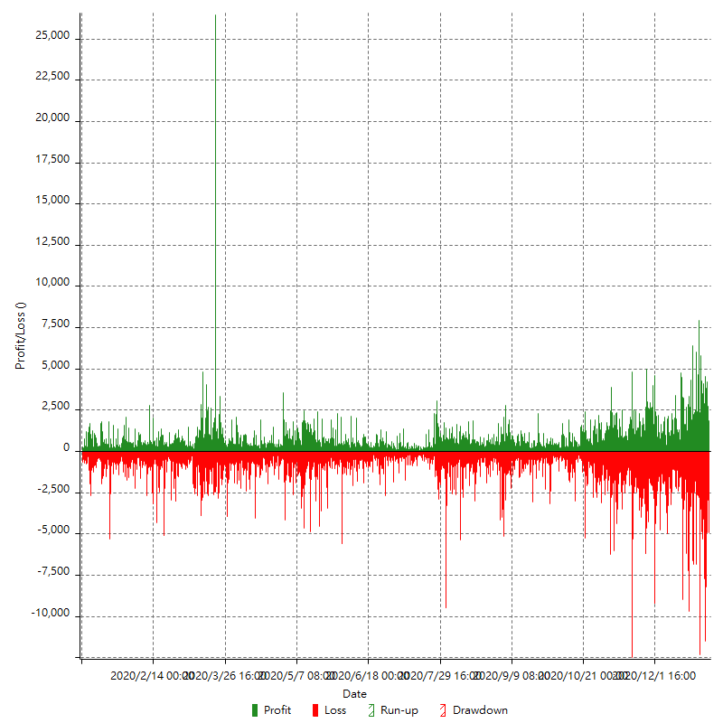

Hourly Returns & Drawdowns (%)

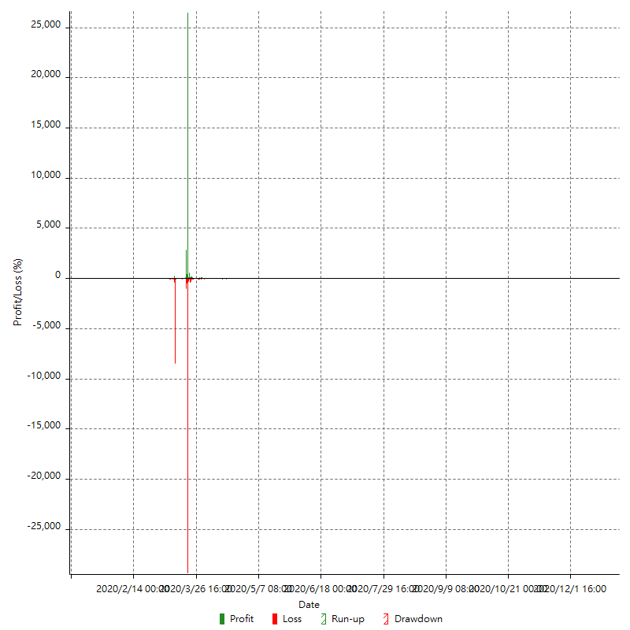

Hourly Accumulative Net Profit

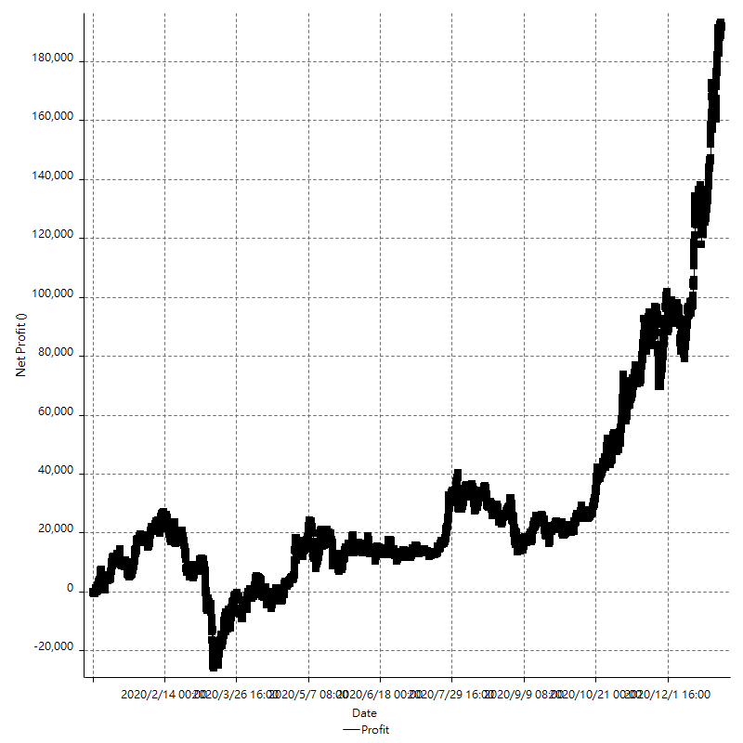

Daily Returns & Drawdowns

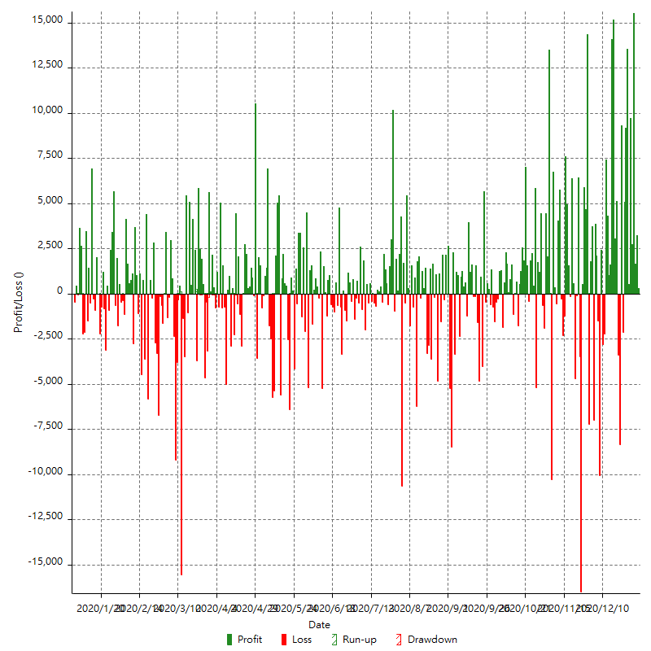

Daily Returns & Drawdowns (%)

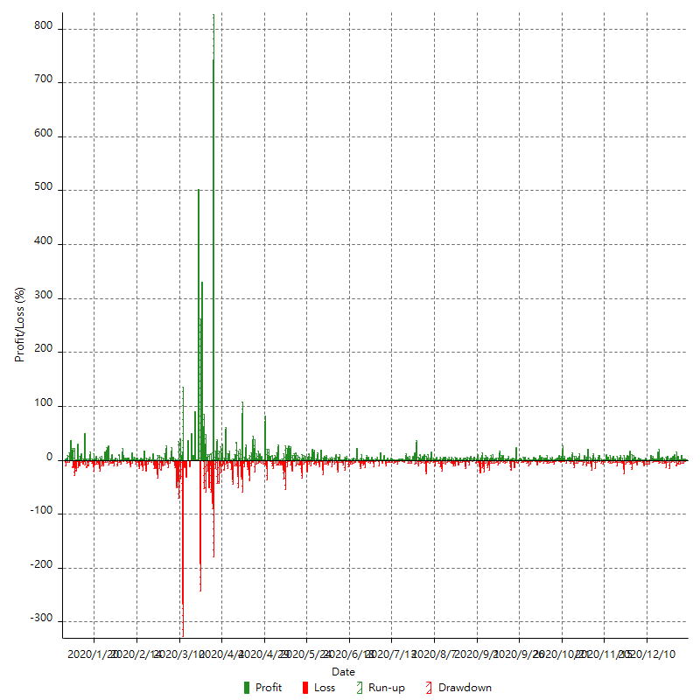

Daily Accumulative Net Profit

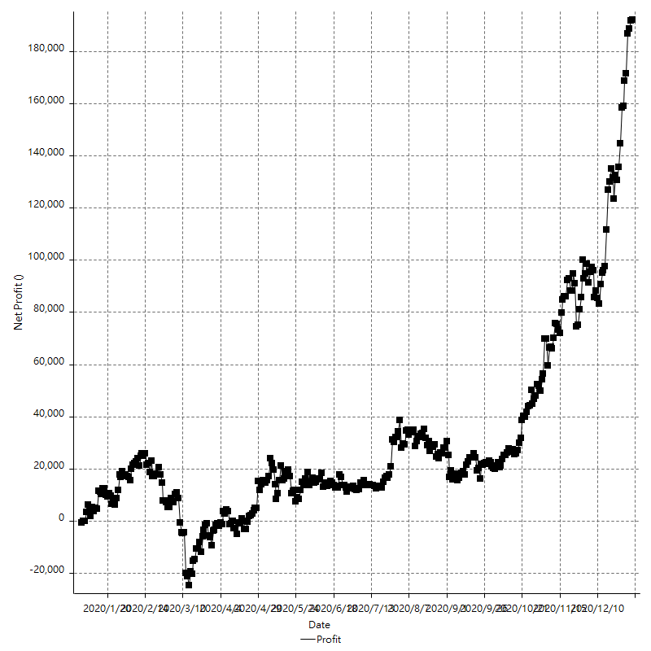

Weekly Returns & Drawdowns

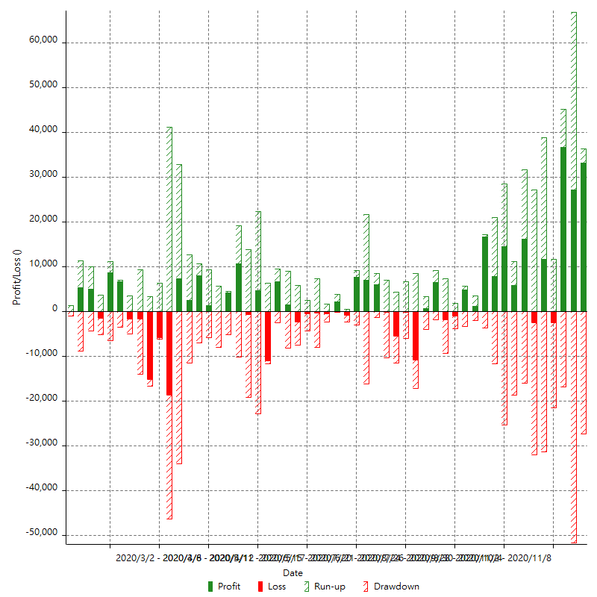

Weekly Returns & Drawdowns (%)

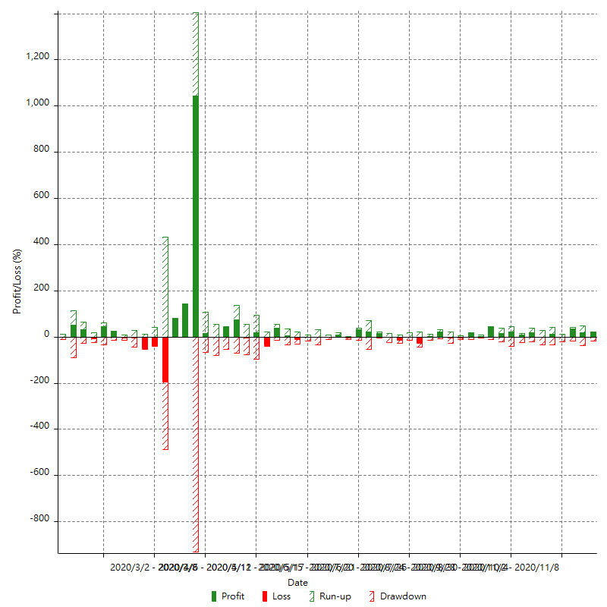

Weekly Accumulative Net Profit

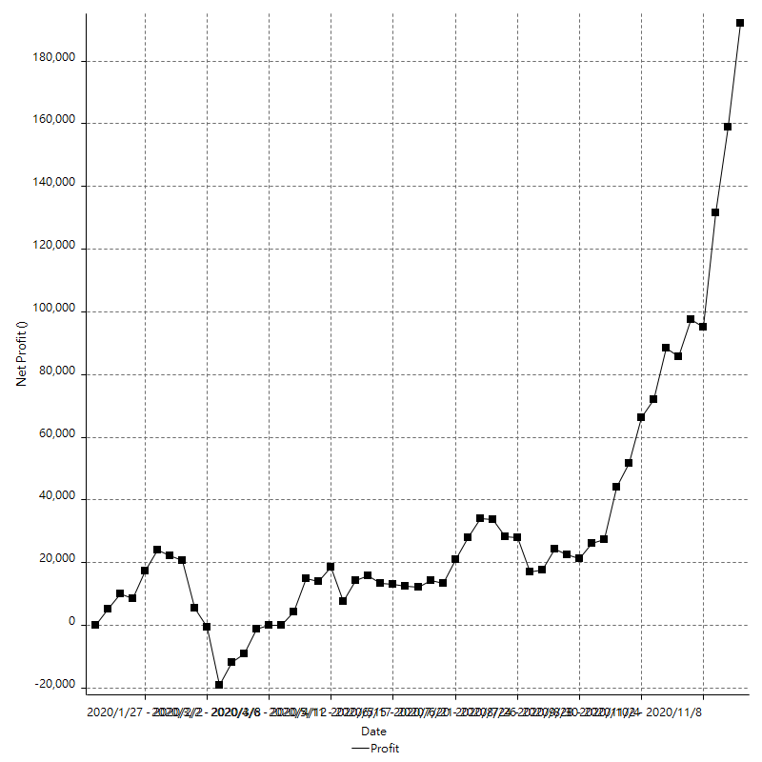

Monthly Returns & Drawdowns

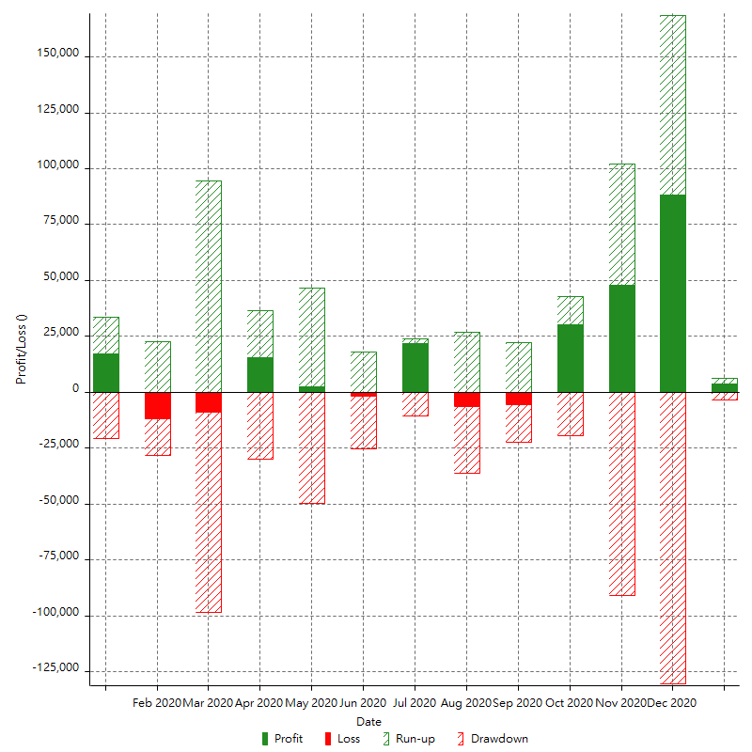

Monthly Returns & Drawdowns (%)

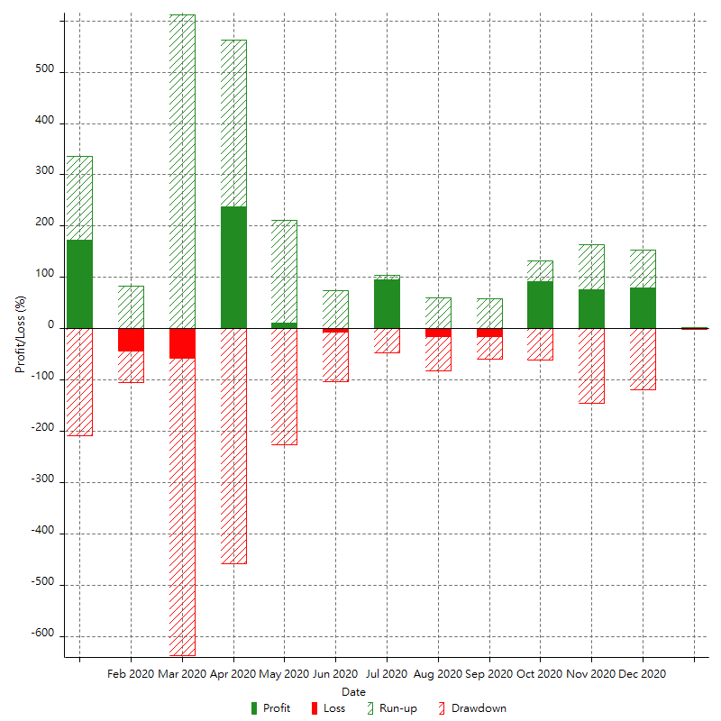

Monthly Accumulative Net Profit

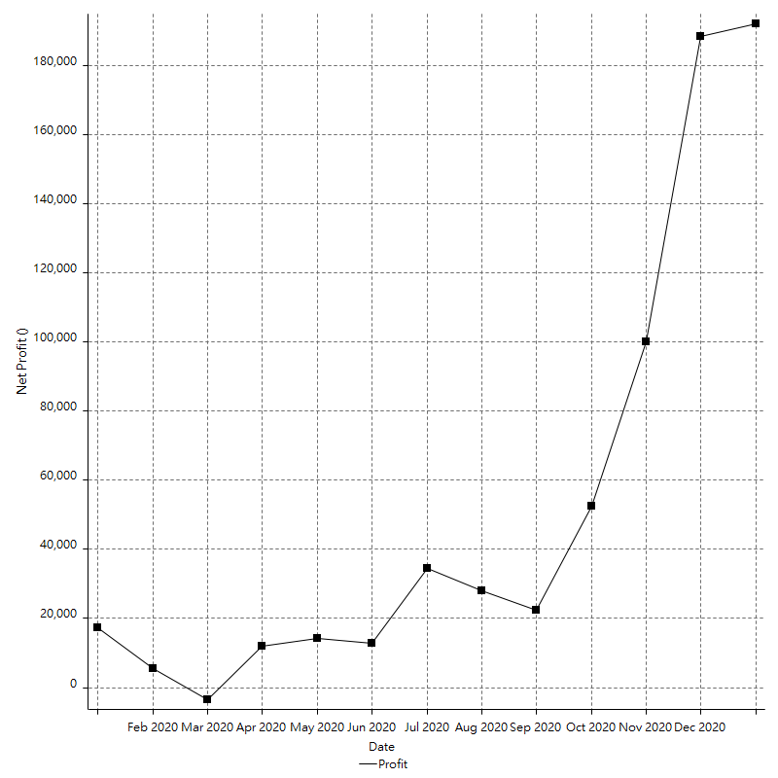

Average Profit By Month

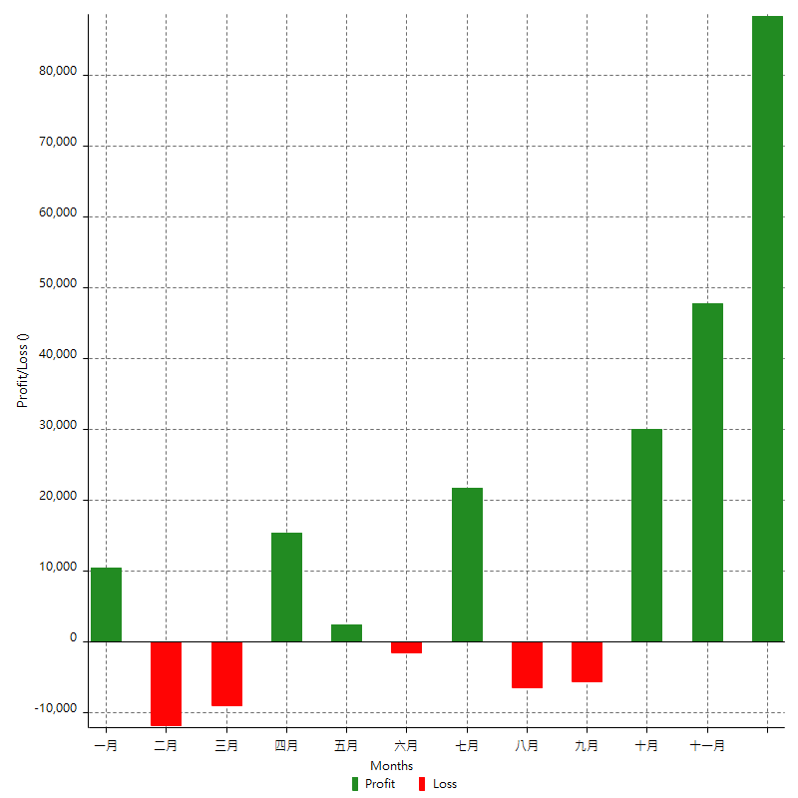

Annual Returns & Drawdowns

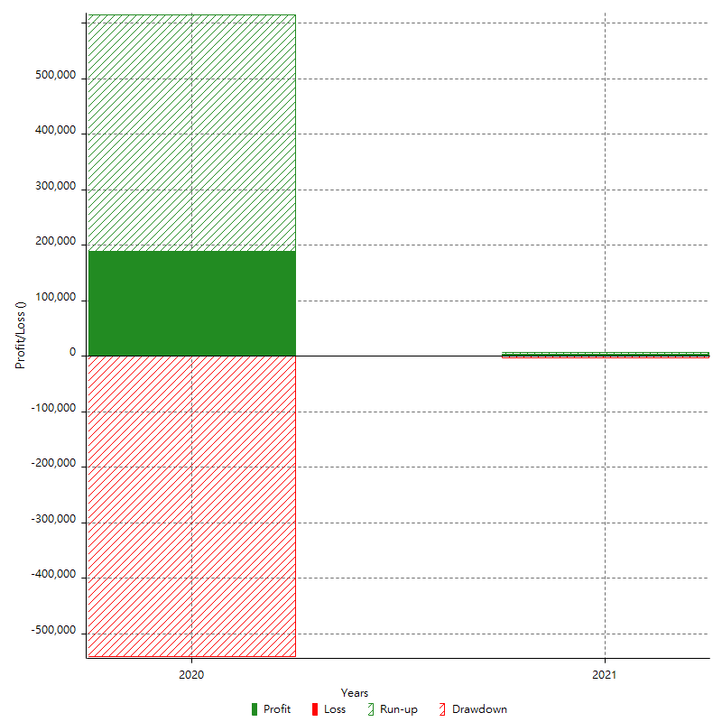

Annual Returns & Drawdowns (%)

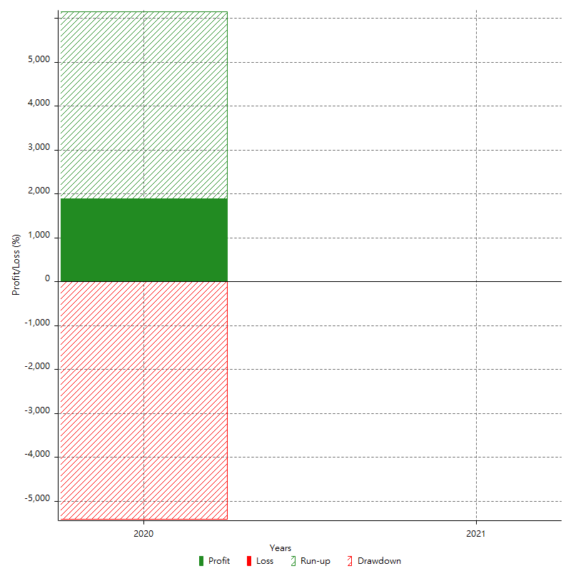

Annual Accumulative Net Profit

