Validation
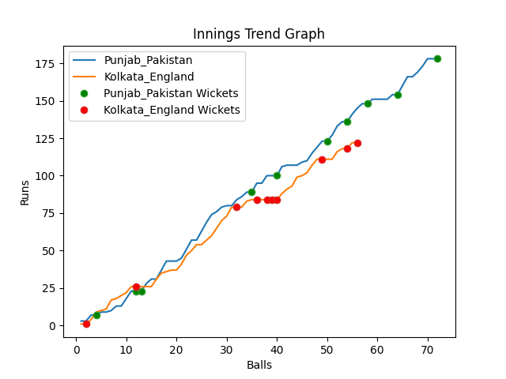
Batting | Runs | Balls Faced | MOD | Bowler | Batting No | Batting | Runs | Balls Faced | MOD | Bowler | Batting No
Mohammad Rizwan | 66 | 25 | LBW | Chris Woakes | 1 | Jason Roy | 35 | 13 | Bowled | Haris Rauf | 1
Babar Azam(C) | 4 | 3 | Caught | Mark Wood | 2 | Jos Buttler | 0 | 1 | LBW | Haris Rauf | 2
Fakhar Zaman | 13 | 7 | Caught | Adil Rashid | 3 | Dawid Malan | 12 | 6 | Bowled | Shaheen Afridi | 3
Mohammad Hafeez | 0 | 1 | Caught | Chris Jordan | 4 | Jonny Bairstow | 32 | 13 | Bowled | Haris Rauf | 4
Shoaib Malik | 9 | 4 | Caught | Mark Wood | 5 | Eoin Morgan(C) | 14 | 6 | NOT OUT |  | 5
Asif Ali | 11 | 5 | LBW | Adil Rashid | 6 | Moeen Ali | 0 | 2 | Bowled | Shaheen Afridi | 6
Shadab Khan | 20 | 6 | LBW | Chris Woakes | 7 | Liam Livingstone | 0 | 1 | Caught | Shaheen Afridi | 7
Imad Wasim | 13 | 4 | LBW | Liam Livingstone | 8 | Chris Woakes | 0 | 1 | LBW | Shaheen Afridi | 8
Hasan Ali | 24 | 11 | LBW | Adil Rashid | 9 | Chris Jordan | 18 | 6 | LBW | Imad Wasim | 9
Shaheen Afridi | 3 | 2 | Caught | Mark Wood | 10 | Adil Rashid | 7 | 5 | LBW | Imad Wasim | 10
Haris Rauf | 15 | 4 | NOT OUT |  | 11 | Mark Wood | 4 | 2 | LBW | Shadab Khan | 11

Total | Wickets | Overs | Balls |  |  | Total | Wickets | Overs | Balls
178 | 10 | 12.0 | 72 |  |  | 122 | 10 | 9.2 | 56

Bowling | Overs | Runs | Wickets | Economy |  | Bowling | Overs | Runs | Wickets | Economy
Chris Jordan | 2.0 | 32 | 1 | 16 |  | Haris Rauf | 2.0 | 22 | 3 | 11
Chris Woakes | 2.0 | 31 | 2 | 15.5 |  | Shaheen Afridi | 2.0 | 22 | 4 | 11
Liam Livingstone | 2.0 | 38 | 1 | 19 |  | Hasan Ali | 2.0 | 30 | 0 | 15
Mark Wood | 3.0 | 39 | 3 | 13 |  | Imad Wasim | 2.0 | 25 | 2 | 12.5
Adil Rashid | 3.0 | 38 | 3 | 12.67 |  | Shadab Khan | 1.2 | 23 | 1 | 19.17

 |  |  |  |  | Punjab Pakistan Won the toss and chose to bat
 |  |  |  |  | Punjab Pakistan Won by 56 runs

