Validation
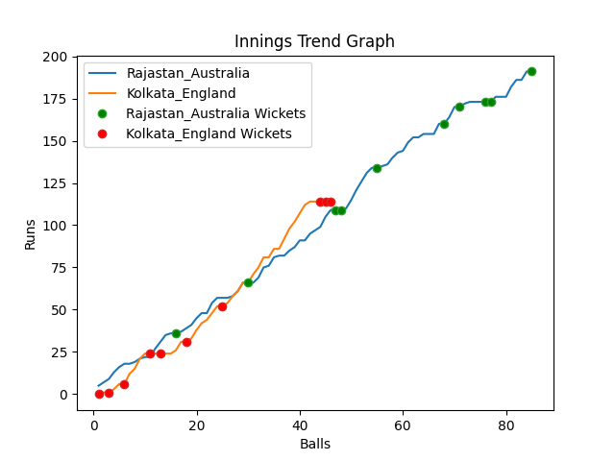
Batting | Runs | Balls Faced | MOD | Bowler | Batting No | Batting | Runs | Balls Faced | MOD | Bowler | Batting No
David Warner | 19 | 8 | Bowled | Chris Jordan | 1 | Jason Roy | 0 | 1 | Bowled | Josh Hazlewood | 1
Aaron Finch(C) | 34 | 17 | LBW | Liam Livingstone | 2 | Jos Buttler | 0 | 1 | Bowled | Josh Hazlewood | 2
Mitchell Marsh | 57 | 22 | Caught | Adil Rashid | 3 | Dawid Malan | 1 | 2 | Caught | Josh Hazlewood | 3
Steve Smith | 33 | 13 | LBW | Chris Jordan | 4 | Jonny Bairstow | 67 | 20 | LBW | Mitchell Starc | 4
Glenn Maxwell | 0 | 1 | Caught | Chris Jordan | 5 | Eoin Morgan(C) | 9 | 3 | LBW | Adam Zampa | 5
Matthew Wade | 1 | 2 | Bowled | Liam Livingstone | 6 | Moeen Ali | 0 | 2 | Caught | Mitchell Starc | 6
Marcus Stionis | 16 | 8 | LBW | Chris Jordan | 7 | Liam Livingstone | 7 | 5 | Bowled | Mitchell Starc | 7
Pat Cummins | 10 | 3 | Caught | Adil Rashid | 8 | Chris Woakes | 21 | 7 | Caught | Marcus Stionis | 8
Mitchell Starc | 18 | 9 | Caught | Liam Livingstone | 9 | Chris Jordan | 9 | 3 | NOT OUT |  | 9
Adam Zampa | 0 | 1 | Caught | Chris Jordan | 10 | Adil Rashid | 0 | 1 | LBW | Mitchell Starc | 10
Josh Hazlewood | 3 | 1 | NOT OUT |  | 11 | Mark Wood | 0 | 1 | LBW | Mitchell Starc | 11

Total | Wickets | Overs | Balls |  |  | Total | Wickets | Overs | Balls
191 | 10 | 14.1 | 85 |  |  | 114 | 10 | 7.4 | 46

Bowling | Overs | Runs | Wickets | Economy |  | Bowling | Overs | Runs | Wickets | Economy
Mark Wood | 3.0 | 44 | 0 | 14.67 |  | Pat Cummins | 1.0 | 21 | 0 | 21
Adil Rashid | 3.0 | 40 | 2 | 13.33 |  | Marcus Stionis | 1.0 | 14 | 1 | 14
Chris Jordan | 3.0 | 30 | 5 | 10 |  | Josh Hazlewood | 2.0 | 26 | 3 | 13
Chris Woakes | 3.0 | 58 | 0 | 19.33 |  | Adam Zampa | 2.0 | 46 | 1 | 23
Liam Livingstone | 2.1 | 19 | 3 | 9.05 |  | Mitchell Starc | 1.4 | 7 | 5 | 5

 |  |  |  |  | Rajastan Australia Won the toss and chose to bat
 |  |  |  |  | Rajastan Australia Won by 77 runs

