Validation
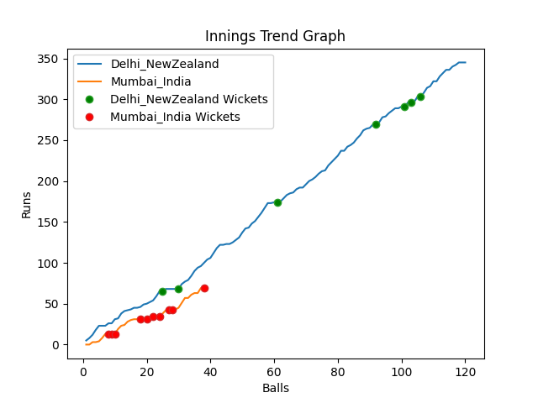
Batting | Runs | Balls Faced | MOD | Bowler | Batting No | Batting | Runs | Balls Faced | MOD | Bowler | Batting No
Martin Guptill | 19 | 14 | Bowled | Hardik Pandya | 1 | KL Rahul | 12 | 6 | Caught | Tim Southee | 1
Daryl Mitchell | 46 | 15 | LBW | Hardik Pandya | 2 | Rohit Sharma | 8 | 6 | Caught | Adam Milne | 2
Kane Williamson(C) | 60 | 18 | LBW | Yuzvendra Chahal | 3 | Virat Kohli(C) | 0 | 1 | Bowled | Tim Southee | 3
Devon Conway | 105 | 31 | Bowled | Yuzvendra Chahal | 4 | Suryakumar Yadav | 0 | 1 | Bowled | Tim Southee | 4
Glenn Phillips | 55 | 19 | Caught | Mohommad Shami | 5 | Rishabh Pant | 11 | 5 | LBW | Ish Sodhi | 5
James Neesham | 12 | 6 | LBW | Jasprit Bumrah | 6 | Ravindra Jadeja | 0 | 2 | Bowled | Adam Milne | 6
Mitchell Santner | 5 | 2 | Caught | Mohommad Shami | 7 | Hardik Pandya | 29 | 10 | LBW | Tim Southee | 7
Adam Milne | 1 | 3 | * NOT OUT |  | 8 | Bhuvneshwar Kumar | 0 | 2 | LBW | Adam Milne | 8
Ish Sodhi | 42 | 12 | NOT OUT |  | 9 | Mohommad Shami | 8 | 3 | LBW | Mitchell Santner | 9
Tim Southee | 0 | 0 |  |  | 10 | Jasprit Bumrah | 0 | 1 | LBW | Mitchell Santner | 10
Trent Boult | 0 | 0 |  |  | 11 | Yuzvendra Chahal | 1 | 1 | NOT OUT |  | 11

Total | Wickets | Overs | Balls |  |  | Total | Wickets | Overs | Balls
345 | 7 | 20.0 | 120 |  |  | 69 | 10 | 6.2 | 38

Bowling | Overs | Runs | Wickets | Economy |  | Bowling | Overs | Runs | Wickets | Economy
Yuzvendra Chahal | 4.0 | 79 | 2 | 19.75 |  | Ish Sodhi | 1.0 | 8 | 1 | 8
Jasprit Bumrah | 4.0 | 68 | 1 | 17 |  | Adam Milne | 1.0 | 3 | 3 | 3
Mohommad Shami | 4.0 | 57 | 2 | 14.25 |  | Mitchell Santner | 1.0 | 11 | 2 | 11
Bhuvneshwar Kumar | 4.0 | 85 | 0 | 21.25 |  | Trent Boult | 2.0 | 26 | 0 | 13
Hardik Pandya | 4.0 | 56 | 2 | 14 |  | Tim Southee | 1.2 | 21 | 4 | 17.5

 |  |  |  |  | Delhi NewZealand Won the toss and chose to bat
 |  |  |  |  | Delhi NewZealand Won by 276 runs

