Validation
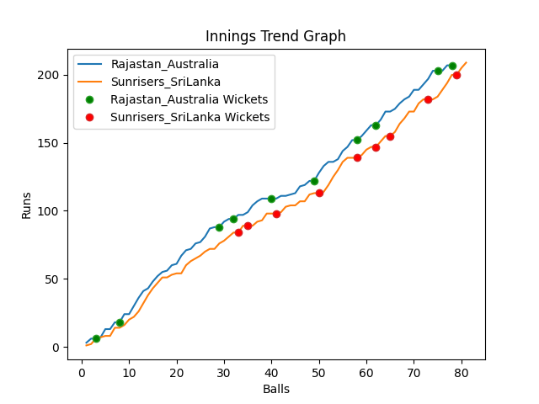
Batting | Runs | Balls Faced | MOD | Bowler | Batting No | Batting | Runs | Balls Faced | MOD | Bowler | Batting No
David Warner | 3 | 2 | LBW | Nuwan Pradeep | 1 | Dinesh Chandimal | 123 | 39 | NOT OUT |  | 1
Aaron Finch(C) | 14 | 5 | LBW | Maheesh Theekshana | 2 | Pathum Nissanka | 22 | 11 | Caught | Josh Hazlewood | 2
Mitchell Marsh | 57 | 21 | Bowled | Nuwan Pradeep | 3 | Charith Asalanka | 5 | 2 | Caught | Josh Hazlewood | 3
Steve Smith | 47 | 14 | Bowled | Wanindu Hasaranga | 4 | Dhananjaya de Silva | 8 | 5 | Caught | Adam Zampa | 4
Glenn Maxwell | 6 | 3 | Caught | Nuwan Pradeep | 5 | Bhanuka Rajapakse | 4 | 4 | Bowled | Pat Cummins | 5
Matthew Wade | 5 | 4 | Bowled | Maheesh Theekshana | 6 | Dasun Shanka(C) | 1 | 3 | Bowled | Marcus Stionis | 6
Marcus Stionis | 9 | 7 | Bowled | Chamika Karunarathne | 7 | Wanindu Hasaranga | 8 | 4 | LBW | Josh Hazlewood | 7
Pat Cummins | 19 | 5 | LBW | Wanindu Hasaranga | 8 | Chamika Karunarathne | 8 | 3 | LBW | Josh Hazlewood | 8
Mitchell Starc | 24 | 8 | LBW | Dushmantha Chameera | 9 | Dushmantha Chameera | 3 | 2 | Bowled | Mitchell Starc | 9
Adam Zampa | 19 | 6 | NOT OUT |  | 10 | Maheesh Theekshana | 18 | 6 | Caught | Pat Cummins | 10
Josh Hazlewood | 4 | 3 | Bowled | Dushmantha Chameera | 11 | Nuwan Pradeep | 9 | 2 | * NOT OUT |  | 11

Total | Wickets | Overs | Balls |  |  | Total | Wickets | Overs | Balls
207 | 10 | 13.0 | 78 |  |  | 209 | 9 | 13.3 | 81

Bowling | Overs | Runs | Wickets | Economy |  | Bowling | Overs | Runs | Wickets | Economy
Chamika Karunarathne | 2.0 | 36 | 1 | 18 |  | Marcus Stionis | 2.0 | 28 | 1 | 14
Wanindu Hasaranga | 2.0 | 37 | 2 | 18.5 |  | Josh Hazlewood | 3.0 | 32 | 4 | 10.67
Nuwan Pradeep | 3.0 | 41 | 3 | 13.67 |  | Adam Zampa | 3.0 | 52 | 1 | 17.33
Maheesh Theekshana | 3.0 | 48 | 2 | 16 |  | Mitchell Starc | 3.0 | 56 | 1 | 18.67
Dushmantha Chameera | 3.0 | 45 | 2 | 15 |  | Pat Cummins | 2.3 | 41 | 2 | 17.83

 |  |  |  |  | Rajastan Australia Won the toss and chose to bat
 |  |  |  |  | Sunrisers SriLanka Won by 1 wickets

