Validation
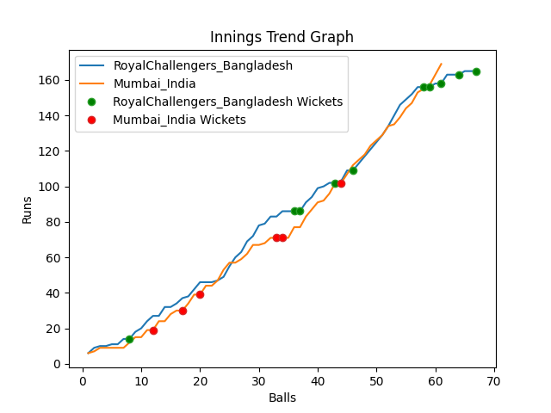
Batting | Runs | Balls Faced | MOD | Bowler | Batting No | Batting | Runs | Balls Faced | MOD | Bowler | Batting No
Tamim Iqbal | 10 | 5 | Bowled | Jasprit Bumrah | 1 | KL Rahul | 38 | 12 | LBW | Taskin Ahmed | 1
Liton Das | 51 | 22 | LBW | Mohommad Shami | 2 | Rohit Sharma | 9 | 9 | Caught | Mustafizur Rahman | 2
Shakib Al Hasan | 37 | 13 | Caught | Yuzvendra Chahal | 3 | Virat Kohli(C) | 11 | 5 | Caught | Taskin Ahmed | 3
Mushfiqur Rahim | 0 | 1 | Caught | Jasprit Bumrah | 4 | Suryakumar Yadav | 9 | 3 | Bowled | Mahedi Hasan | 4
Mahmudulla(C) | 10 | 4 | LBW | Mohommad Shami | 5 | Rishabh Pant | 14 | 7 | Caught | Shoriful Islam | 5
Afif Hossain | 4 | 2 | NOT OUT |  | 6 | Ravindra Jadeja | 0 | 1 | Bowled | Shoriful Islam | 6
Shamim Hossain | 44 | 11 | LBW | Hardik Pandya | 7 | Hardik Pandya | 39 | 12 | NOT OUT |  | 7
Mahedi Hasan | 0 | 1 | LBW | Hardik Pandya | 8 | Bhuvneshwar Kumar | 49 | 12 | * NOT OUT |  | 8
Taskin Ahmed | 2 | 2 | Bowled | Yuzvendra Chahal | 9 | Mohommad Shami | 0 | 0 |  |  | 9
Mustafizur Rahman | 5 | 3 | Bowled | Yuzvendra Chahal | 10 | Jasprit Bumrah | 0 | 0 |  |  | 10
Shoriful Islam | 2 | 3 | Caught | Jasprit Bumrah | 11 | Yuzvendra Chahal | 0 | 0 |  |  | 11

Total | Wickets | Overs | Balls |  |  | Total | Wickets | Overs | Balls
165 | 10 | 11.1 | 67 |  |  | 169 | 6 | 10.1 | 61

Bowling | Overs | Runs | Wickets | Economy |  | Bowling | Overs | Runs | Wickets | Economy
Mohommad Shami | 2.0 | 26 | 2 | 13 |  | Mustafizur Rahman | 2.0 | 29 | 1 | 14.5
Bhuvneshwar Kumar | 2.0 | 40 | 0 | 20 |  | Taskin Ahmed | 2.0 | 37 | 2 | 18.5
Hardik Pandya | 2.0 | 41 | 2 | 20.5 |  | Mahedi Hasan | 2.0 | 40 | 1 | 20
Yuzvendra Chahal | 3.0 | 26 | 3 | 8.67 |  | Shamim Hossain | 2.0 | 38 | 0 | 19
Jasprit Bumrah | 2.1 | 32 | 3 | 15.24 |  | Shoriful Islam | 2.1 | 25 | 2 | 11.9

 |  |  |  |  | Mumbai India Won the toss and chose to bowl
 |  |  |  |  | Mumbai India Won by 4 wickets

