Match Summary
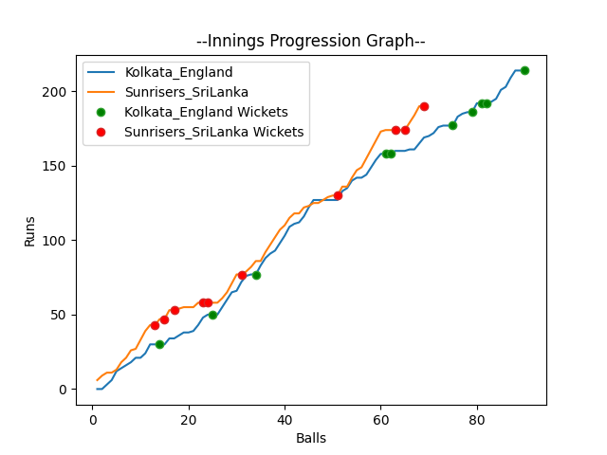
Batting | Runs | Balls Faced | MOD | Bowler | Batting No | Batting | Runs | Balls Faced | MOD | Bowler | Batting No
Jason Roy | 24 | 11 | Bowled | Dushmantha Chameera | 1 | Dinesh Chandimal | 16 | 6 | Caught | Chris Woakes | 1
Jos Buttler | 17 | 7 | Caught | Wanindu Hasaranga | 2 | Pathum Nissanka | 28 | 9 | LBW | Chris Jordan | 2
Dawid Malan | 50 | 22 | LBW | Dushmantha Chameera | 3 | Charith Asalanka | 4 | 2 | LBW | Chris Jordan | 3
Jonny Bairstow | 16 | 6 | Caught | Nuwan Pradeep | 4 | Dhananjaya de Silva | 6 | 2 | Bowled | Chris Jordan | 4
Eoin Morgan(C) | 60 | 21 | Bowled | Nuwan Pradeep | 5 | Bhanuka Rajapakse | 20 | 8 | Caught | Mark Wood | 5
Moeen Ali | 0 | 1 | LBW | Nuwan Pradeep | 6 | Dasun Shanka(C) | 0 | 1 | LBW | Chris Woakes | 6
Liam Livingstone | 10 | 8 | Bowled | Chamika Karunarathne | 7 | Wanindu Hasaranga | 36 | 14 | Bowled | Chris Woakes | 7
Chris Woakes | 30 | 10 | Caught | Wanindu Hasaranga | 8 | Chamika Karunarathne | 20 | 11 | Caught | Mark Wood | 8
Chris Jordan | 6 | 2 | LBW | Chamika Karunarathne | 9 | Dushmantha Chameera | 44 | 10 | NOT OUT |  | 9
Adil Rashid | 0 | 1 | LBW | Chamika Karunarathne | 10 | Maheesh Theekshana | 0 | 2 | LBW | Mark Wood | 10
Mark Wood | 1 | 1 | NOT OUT |  | 11 | Nuwan Pradeep | 16 | 4 | Bowled | Adil Rashid | 11

Total | Wickets | Overs | Balls |  |  | Total | Wickets | Overs | Balls
214 | 10 | 15.0 | 90 |  |  | 190 | 10 | 11.3 | 69

Bowling | Overs | Runs | Wickets | Economy |  | Bowling | Overs | Runs | Wickets | Economy
Nuwan Pradeep | 3.0 | 39 | 3 | 13 |  | Chris Jordan | 2.0 | 20 | 3 | 10
Maheesh Theekshana | 3.0 | 54 | 0 | 18 |  | Chris Woakes | 2.0 | 19 | 3 | 9.5
Dushmantha Chameera | 3.0 | 32 | 2 | 10.67 |  | Liam Livingstone | 2.0 | 50 | 0 | 25
Chamika Karunarathne | 3.0 | 36 | 3 | 12 |  | Mark Wood | 3.0 | 39 | 3 | 13
Wanindu Hasaranga | 3.0 | 53 | 2 | 17.67 |  | Adil Rashid | 2.3 | 62 | 1 | 26.96

 |  |  |  |  | Kolkata England Won the toss and chose to bat
 |  |  |  |  | Kolkata England Won by 24 runs

