Validation
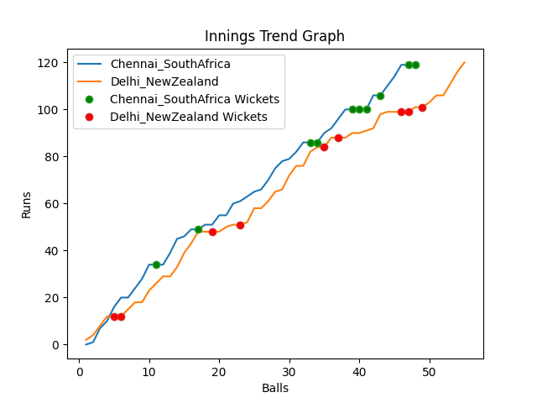
Batting | Runs | Balls Faced | MOD | Bowler | Batting No | Batting | Runs | Balls Faced | MOD | Bowler | Batting No
Temba Bavuma(C) | 25 | 9 | LBW | Tim Southee | 1 | Martin Guptill | 12 | 5 | Caught | Tabraiz Shamsi | 1
Quinton de Kock | 22 | 9 | Bowled | Trent Boult | 2 | Daryl Mitchell | 6 | 3 | Bowled | Kagiso Rabada | 2
Rassie Van der Dussen | 12 | 5 | Caught | Ish Sodhi | 3 | Kane Williamson(C) | 0 | 1 | LBW | Tabraiz Shamsi | 3
Aiden Markram | 27 | 10 | NOT OUT |  | 4 | Devon Conway | 30 | 11 | Bowled | Kagiso Rabada | 4
David Miller | 0 | 1 | Caught | Trent Boult | 5 | Glenn Phillips | 30 | 12 | Caught | Tabraiz Shamsi | 5
Reeza Hendricks | 14 | 5 | Caught | Tim Southee | 6 | James Neesham | 7 | 6 | Caught | Keshav Maharaj | 6
Dwaine Pretorius | 0 | 1 | LBW | Tim Southee | 7 | Mitchell Santner | 4 | 2 | Caught | Anrich Nortje | 7
Kagiso Rabada | 0 | 1 | LBW | Tim Southee | 8 | Adam Milne | 24 | 10 | * NOT OUT |  | 8
Keshav Maharaj | 6 | 2 | Bowled | Ish Sodhi | 9 | Ish Sodhi | 0 | 1 | LBW | Keshav Maharaj | 9
Anrich Nortje | 13 | 4 | Bowled | Ish Sodhi | 10 | Tim Southee | 2 | 2 | LBW | Kagiso Rabada | 10
Tabraiz Shamsi | 0 | 1 | LBW | Ish Sodhi | 11 | Trent Boult | 5 | 2 | NOT OUT |  | 11

Total | Wickets | Overs | Balls |  |  | Total | Wickets | Overs | Balls
119 | 10 | 8.0 | 48 |  |  | 120 | 9 | 9.1 | 55

Bowling | Overs | Runs | Wickets | Economy |  | Bowling | Overs | Runs | Wickets | Economy
Adam Milne | 1.0 | 12 | 0 | 12 |  | Tabraiz Shamsi | 2.0 | 28 | 3 | 14
Mitchell Santner | 1.0 | 16 | 0 | 16 |  | Anrich Nortje | 2.0 | 21 | 1 | 10.5
Trent Boult | 2.0 | 33 | 2 | 16.5 |  | Keshav Maharaj | 2.0 | 28 | 2 | 14
Tim Southee | 2.0 | 28 | 4 | 14 |  | Kagiso Rabada | 2.0 | 19 | 3 | 9.5
Ish Sodhi | 2.0 | 30 | 4 | 15 |  | Dwaine Pretorius | 1.1 | 24 | 0 | 21.82

 |  |  |  |  | Chennai SouthAfrica Won the toss and chose to bat
 |  |  |  |  | Delhi NewZealand Won by 1 wickets

