Validation
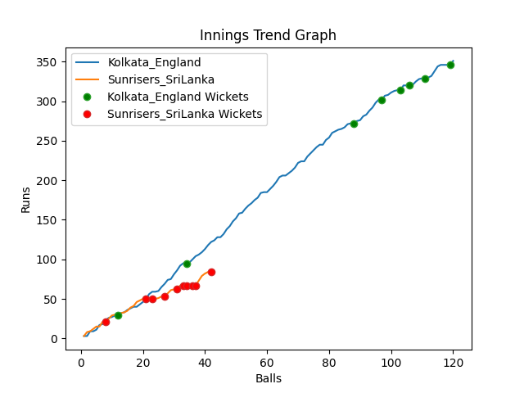
Batting | Runs | Balls Faced | MOD | Bowler | Batting No | Batting | Runs | Balls Faced | MOD | Bowler | Batting No
Jason Roy | 13 | 5 | Bowled | Maheesh Theekshana | 1 | Dinesh Chandimal | 12 | 5 | Caught | Adil Rashid | 1
Jos Buttler | 52 | 20 | Caught | Nuwan Pradeep | 2 | Pathum Nissanka | 14 | 8 | Caught | Liam Livingstone | 2
Dawid Malan | 85 | 28 | Bowled | Dushmantha Chameera | 3 | Charith Asalanka | 26 | 10 | Caught | Chris Woakes | 3
Jonny Bairstow | 126 | 38 | Caught | Wanindu Hasaranga | 4 | Dhananjaya de Silva | 0 | 2 | Bowled | Chris Woakes | 4
Eoin Morgan(C) | 29 | 8 | Caught | Maheesh Theekshana | 5 | Bhanuka Rajapakse | 1 | 3 | Caught | Mark Wood | 5
Moeen Ali | 16 | 7 | Bowled | Chamika Karunarathne | 6 | Dasun Shanka(C) | 11 | 5 | Bowled | Adil Rashid | 6
Liam Livingstone | 6 | 3 | Caught | Dushmantha Chameera | 7 | Wanindu Hasaranga | 5 | 2 | LBW | Mark Wood | 7
Chris Woakes | 18 | 9 | Caught | Wanindu Hasaranga | 8 | Chamika Karunarathne | 0 | 1 | LBW | Mark Wood | 8
Chris Jordan | 1 | 1 | NOT OUT |  | 9 | Dushmantha Chameera | 0 | 2 | Bowled | Mark Wood | 9
Adil Rashid | 5 | 1 | * NOT OUT |  | 10 | Maheesh Theekshana | 0 | 1 | LBW | Adil Rashid | 10
Mark Wood | 0 | 0 |  |  | 11 | Nuwan Pradeep | 15 | 3 | NOT OUT |  | 11

Total | Wickets | Overs | Balls |  |  | Total | Wickets | Overs | Balls
351 | 8 | 20.0 | 120 |  |  | 84 | 10 | 7.0 | 42

Bowling | Overs | Runs | Wickets | Economy |  | Bowling | Overs | Runs | Wickets | Economy
Nuwan Pradeep | 4.0 | 83 | 1 | 20.75 |  | Chris Jordan | 1.0 | 16 | 0 | 16
Maheesh Theekshana | 4.0 | 64 | 2 | 16 |  | Chris Woakes | 1.0 | 4 | 2 | 4
Dushmantha Chameera | 4.0 | 63 | 2 | 15.75 |  | Liam Livingstone | 1.0 | 12 | 1 | 12
Chamika Karunarathne | 4.0 | 78 | 1 | 19.5 |  | Mark Wood | 2.0 | 20 | 4 | 10
Wanindu Hasaranga | 4.0 | 63 | 2 | 15.75 |  | Adil Rashid | 2.0 | 32 | 3 | 16

 |  |  |  |  | Sunrisers SriLanka Won the toss and chose to bowl
 |  |  |  |  | Kolkata England Won by 267 runs

