Validation
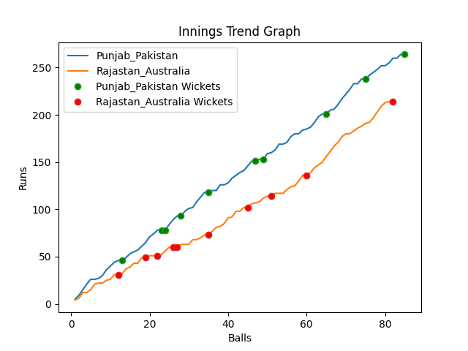
Batting | Runs | Balls Faced | MOD | Bowler | Batting No | Batting | Runs | Balls Faced | MOD | Bowler | Batting No
Mohammad Rizwan | 43 | 12 | Bowled | Mitchell Starc | 1 | David Warner | 23 | 9 | Caught | Shaheen Afridi | 1
Babar Azam(C) | 40 | 15 | Caught | Josh Hazlewood | 2 | Aaron Finch(C) | 25 | 9 | Bowled | Imad Wasim | 2
Fakhar Zaman | 7 | 3 | Caught | Pat Cummins | 3 | Mitchell Marsh | 9 | 4 | Bowled | Shadab Khan | 3
Mohammad Hafeez | 0 | 1 | Bowled | Pat Cummins | 4 | Steve Smith | 2 | 3 | Caught | Imad Wasim | 4
Shoaib Malik | 15 | 4 | Caught | Marcus Stionis | 5 | Glenn Maxwell | 24 | 12 | Caught | Hasan Ali | 5
Asif Ali | 24 | 6 | Caught | Josh Hazlewood | 6 | Matthew Wade | 0 | 1 | Bowled | Shadab Khan | 6
Shadab Khan | 30 | 11 | Bowled | Mitchell Starc | 7 | Marcus Stionis | 3 | 2 | LBW | Haris Rauf | 7
Imad Wasim | 2 | 2 | Bowled | Pat Cummins | 8 | Pat Cummins | 35 | 13 | LBW | Shadab Khan | 8
Hasan Ali | 72 | 19 | Caught | Mitchell Starc | 9 | Mitchell Starc | 11 | 5 | LBW | Imad Wasim | 9
Shaheen Afridi | 17 | 7 | Bowled | Marcus Stionis | 10 | Adam Zampa | 46 | 13 | Bowled | Imad Wasim | 10
Haris Rauf | 14 | 5 | NOT OUT |  | 11 | Josh Hazlewood | 36 | 11 | NOT OUT |  | 11

Total | Wickets | Overs | Balls |  |  | Total | Wickets | Overs | Balls
264 | 10 | 14.1 | 85 |  |  | 214 | 10 | 13.4 | 82

Bowling | Overs | Runs | Wickets | Economy |  | Bowling | Overs | Runs | Wickets | Economy
Josh Hazlewood | 3.0 | 65 | 2 | 21.67 |  | Shadab Khan | 2.0 | 26 | 3 | 13
Adam Zampa | 3.0 | 64 | 0 | 21.33 |  | Haris Rauf | 3.0 | 60 | 1 | 20
Mitchell Starc | 3.0 | 47 | 3 | 15.67 |  | Shaheen Afridi | 3.0 | 53 | 1 | 17.67
Pat Cummins | 3.0 | 49 | 3 | 16.33 |  | Hasan Ali | 3.0 | 48 | 1 | 16
Marcus Stionis | 2.1 | 39 | 2 | 18.57 |  | Imad Wasim | 2.4 | 27 | 4 | 11.25

 |  |  |  |  | Punjab Pakistan Won the toss and chose to bat
 |  |  |  |  | Punjab Pakistan Won by 50 runs

