Validation
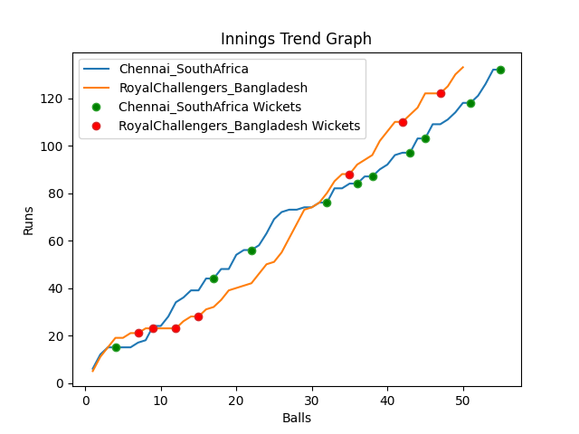
Batting | Runs | Balls Faced | MOD | Bowler | Batting No | Batting | Runs | Balls Faced | MOD | Bowler | Batting No
Temba Bavuma(C) | 39 | 13 | Bowled | Shoriful Islam | 1 | Tamim Iqbal | 21 | 7 | Caught | Anrich Nortje | 1
Quinton de Kock | 0 | 1 | Caught | Shoriful Islam | 2 | Liton Das | 2 | 2 | Caught | Keshav Maharaj | 2
Rassie Van der Dussen | 8 | 7 | LBW | Taskin Ahmed | 3 | Shakib Al Hasan | 2 | 2 | Caught | Anrich Nortje | 3
Aiden Markram | 12 | 5 | Caught | Mahedi Hasan | 4 | Mushfiqur Rahim | 0 | 3 | Caught | Anrich Nortje | 4
David Miller | 17 | 7 | Bowled | Mustafizur Rahman | 5 | Mahmudulla(C) | 33 | 11 | Bowled | Tabraiz Shamsi | 5
Reeza Hendricks | 8 | 4 | Bowled | Shoriful Islam | 6 | Afif Hossain | 41 | 13 | NOT OUT |  | 6
Dwaine Pretorius | 14 | 6 | LBW | Mahedi Hasan | 7 | Shamim Hossain | 22 | 7 | Caught | Anrich Nortje | 7
Kagiso Rabada | 3 | 2 | Caught | Taskin Ahmed | 8 | Mahedi Hasan | 9 | 4 | Bowled | Keshav Maharaj | 8
Keshav Maharaj | 6 | 2 | Caught | Taskin Ahmed | 9 | Taskin Ahmed | 3 | 1 | * NOT OUT |  | 9
Anrich Nortje | 22 | 7 | LBW | Shamim Hossain | 10 | Mustafizur Rahman | 0 | 0 |  |  | 10
Tabraiz Shamsi | 3 | 1 | NOT OUT |  | 11 | Shoriful Islam | 0 | 0 |  |  | 11

Total | Wickets | Overs | Balls |  |  | Total | Wickets | Overs | Balls
132 | 10 | 9.1 | 55 |  |  | 133 | 7 | 8.2 | 50

Bowling | Overs | Runs | Wickets | Economy |  | Bowling | Overs | Runs | Wickets | Economy
Shoriful Islam | 2.0 | 25 | 3 | 12.5 |  | Dwaine Pretorius | 1.0 | 24 | 0 | 24
Mustafizur Rahman | 2.0 | 32 | 1 | 16 |  | Tabraiz Shamsi | 2.0 | 39 | 1 | 19.5
Taskin Ahmed | 2.0 | 28 | 3 | 14 |  | Anrich Nortje | 2.0 | 20 | 4 | 10
Mahedi Hasan | 2.0 | 36 | 2 | 18 |  | Keshav Maharaj | 2.0 | 27 | 2 | 13.5
Shamim Hossain | 1.1 | 11 | 1 | 10 |  | Kagiso Rabada | 1.2 | 23 | 0 | 19.17

 |  |  |  |  | Chennai SouthAfrica Won the toss and chose to bat
 |  |  |  |  | RoyalChallengers Bangladesh Won by 3 wickets

