Validation
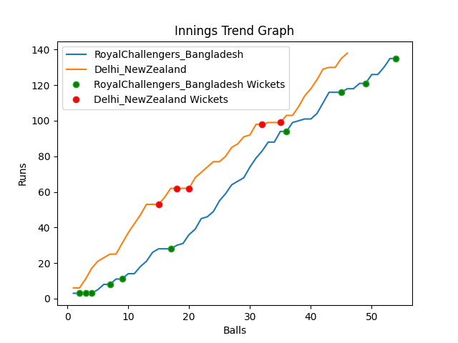
Batting | Runs | Balls Faced | MOD | Bowler | Batting No | Batting | Runs | Balls Faced | MOD | Bowler | Batting No
Tamim Iqbal | 3 | 2 | LBW | Tim Southee | 1 | Martin Guptill | 53 | 15 | LBW | Taskin Ahmed | 1
Liton Das | 0 | 1 | LBW | Trent Boult | 2 | Daryl Mitchell | 12 | 5 | Bowled | Shoriful Islam | 2
Shakib Al Hasan | 0 | 1 | Caught | Trent Boult | 3 | Kane Williamson(C) | 9 | 3 | Bowled | Taskin Ahmed | 3
Mushfiqur Rahim | 0 | 1 | LBW | Trent Boult | 4 | Devon Conway | 0 | 2 | LBW | Mahedi Hasan | 4
Mahmudulla(C) | 5 | 3 | Bowled | Tim Southee | 5 | Glenn Phillips | 24 | 9 | LBW | Shoriful Islam | 5
Afif Hossain | 34 | 12 | LBW | Ish Sodhi | 6 | James Neesham | 9 | 4 | NOT OUT |  | 6
Shamim Hossain | 10 | 5 | Bowled | Ish Sodhi | 7 | Mitchell Santner | 31 | 8 | * NOT OUT |  | 7
Mahedi Hasan | 55 | 16 | LBW | Trent Boult | 8 | Adam Milne | 0 | 0 |  |  | 8
Taskin Ahmed | 9 | 5 | Bowled | Adam Milne | 9 | Ish Sodhi | 0 | 0 |  |  | 9
Mustafizur Rahman | 5 | 3 | NOT OUT |  | 10 | Tim Southee | 0 | 0 |  |  | 10
Shoriful Islam | 14 | 5 | Bowled | Adam Milne | 11 | Trent Boult | 0 | 0 |  |  | 11

Total | Wickets | Overs | Balls |  |  | Total | Wickets | Overs | Balls
135 | 10 | 9.0 | 54 |  |  | 138 | 5 | 7.4 | 46

Bowling | Overs | Runs | Wickets | Economy |  | Bowling | Overs | Runs | Wickets | Economy
Mitchell Santner | 1.0 | 25 | 0 | 25 |  | Mahedi Hasan | 1.0 | 15 | 1 | 15
Trent Boult | 2.0 | 28 | 4 | 14 |  | Shamim Hossain | 1.0 | 15 | 0 | 15
Tim Southee | 2.0 | 26 | 2 | 13 |  | Shoriful Islam | 2.0 | 34 | 2 | 17
Ish Sodhi | 2.0 | 23 | 2 | 11.5 |  | Mustafizur Rahman | 2.0 | 50 | 0 | 25
Adam Milne | 2.0 | 33 | 2 | 16.5 |  | Taskin Ahmed | 1.4 | 24 | 2 | 17.14

 |  |  |  |  | Delhi NewZealand Won the toss and chose to bowl
 |  |  |  |  | Delhi NewZealand Won by 5 wickets

