Validation
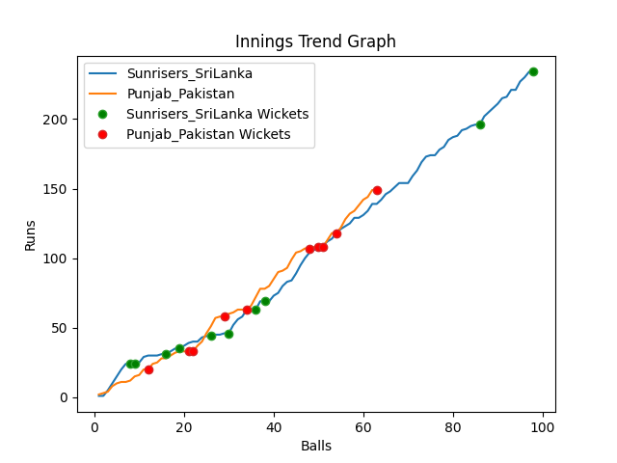
Batting | Runs | Balls Faced | MOD | Bowler | Batting No | Batting | Runs | Balls Faced | MOD | Bowler | Batting No
Dinesh Chandimal | 6 | 4 | Caught | Hasan Ali | 1 | Mohammad Rizwan | 17 | 8 | Bowled | Maheesh Theekshana | 1
Pathum Nissanka | 23 | 7 | Caught | Shaheen Afridi | 2 | Babar Azam(C) | 6 | 7 | Bowled | Chamika Karunarathne | 2
Charith Asalanka | 0 | 1 | Caught | Shaheen Afridi | 3 | Fakhar Zaman | 30 | 13 | LBW | Nuwan Pradeep | 3
Dhananjaya de Silva | 5 | 7 | LBW | Shadab Khan | 4 | Mohammad Hafeez | 0 | 1 | Bowled | Chamika Karunarathne | 4
Bhanuka Rajapakse | 4 | 3 | LBW | Imad Wasim | 5 | Shoaib Malik | 7 | 3 | Caught | Wanindu Hasaranga | 5
Dasun Shanka(C) | 58 | 27 | LBW | Shadab Khan | 6 | Asif Ali | 30 | 11 | Bowled | Dushmantha Chameera | 6
Wanindu Hasaranga | 1 | 2 | Caught | Shadab Khan | 7 | Shadab Khan | 17 | 6 | LBW | Chamika Karunarathne | 7
Chamika Karunarathne | 17 | 6 | Caught | Haris Rauf | 8 | Imad Wasim | 1 | 1 | NOT OUT |  | 8
Dushmantha Chameera | 6 | 2 | LBW | Shaheen Afridi | 9 | Hasan Ali | 0 | 1 | LBW | Chamika Karunarathne | 9
Maheesh Theekshana | 88 | 32 | LBW | Shaheen Afridi | 10 | Shaheen Afridi | 10 | 3 | Caught | Chamika Karunarathne | 10
Nuwan Pradeep | 26 | 7 | NOT OUT |  | 11 | Haris Rauf | 31 | 9 | Bowled | Nuwan Pradeep | 11

Total | Wickets | Overs | Balls |  |  | Total | Wickets | Overs | Balls
234 | 10 | 16.2 | 98 |  |  | 149 | 10 | 10.3 | 63

Bowling | Overs | Runs | Wickets | Economy |  | Bowling | Overs | Runs | Wickets | Economy
Hasan Ali | 3.0 | 46 | 1 | 15.33 |  | Maheesh Theekshana | 2.0 | 28 | 1 | 14
Imad Wasim | 3.0 | 37 | 1 | 12.33 |  | Dushmantha Chameera | 2.0 | 28 | 1 | 14
Shadab Khan | 3.0 | 32 | 3 | 10.67 |  | Chamika Karunarathne | 2.0 | 19 | 5 | 9.5
Haris Rauf | 4.0 | 73 | 1 | 18.25 |  | Wanindu Hasaranga | 2.0 | 44 | 1 | 22
Shaheen Afridi | 3.2 | 46 | 4 | 14.38 |  | Nuwan Pradeep | 2.3 | 30 | 2 | 13.04

 |  |  |  |  | Punjab Pakistan Won the toss and chose to bowl
 |  |  |  |  | Sunrisers SriLanka Won by 85 runs

