Match Summary
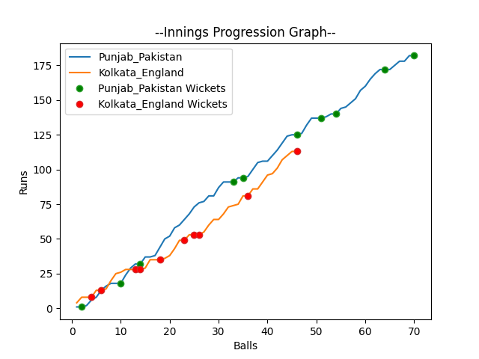
Batting | Runs | Balls Faced | MOD | Bowler | Batting No | Batting | Runs | Balls Faced | MOD | Bowler | Batting No
Mohammad Rizwan | 15 | 6 | Caught | Chris Jordan | 1 | Jason Roy | 8 | 4 | Bowled | Haris Rauf | 1
Babar Azam(C) | 0 | 1 | LBW | Mark Wood | 2 | Jos Buttler | 18 | 6 | LBW | Hasan Ali | 2
Fakhar Zaman | 3 | 4 | Bowled | Adil Rashid | 3 | Dawid Malan | 5 | 2 | LBW | Haris Rauf | 3
Mohammad Hafeez | 66 | 18 | Caught | Mark Wood | 4 | Jonny Bairstow | 3 | 4 | Bowled | Hasan Ali | 4
Shoaib Malik | 7 | 5 | LBW | Mark Wood | 5 | Eoin Morgan(C) | 0 | 1 | LBW | Hasan Ali | 5
Asif Ali | 14 | 5 | Bowled | Chris Jordan | 6 | Moeen Ali | 14 | 5 | Bowled | Imad Wasim | 6
Shadab Khan | 31 | 11 | Caught | Chris Woakes | 7 | Liam Livingstone | 15 | 6 | Caught | Hasan Ali | 7
Imad Wasim | 3 | 3 | Caught | Chris Woakes | 8 | Chris Woakes | 4 | 2 | Caught | Shadab Khan | 8
Hasan Ali | 13 | 5 | LBW | Mark Wood | 9 | Chris Jordan | 0 | 1 | Bowled | Shadab Khan | 9
Shaheen Afridi | 23 | 7 | NOT OUT |  | 10 | Adil Rashid | 27 | 9 | Bowled | Haris Rauf | 10
Haris Rauf | 7 | 5 | Bowled | Adil Rashid | 11 | Mark Wood | 19 | 6 | NOT OUT |  | 11

Total | Wickets | Overs | Balls |  |  | Total | Wickets | Overs | Balls
182 | 10 | 11.4 | 70 |  |  | 113 | 10 | 7.4 | 46

Bowling | Overs | Runs | Wickets | Economy |  | Bowling | Overs | Runs | Wickets | Economy
Chris Jordan | 2.0 | 33 | 2 | 16.5 |  | Imad Wasim | 1.0 | 18 | 1 | 18
Chris Woakes | 2.0 | 32 | 2 | 16 |  | Shadab Khan | 1.0 | 11 | 2 | 11
Liam Livingstone | 2.0 | 39 | 0 | 19.5 |  | Haris Rauf | 2.0 | 30 | 3 | 15
Mark Wood | 3.0 | 36 | 4 | 12 |  | Shaheen Afridi | 2.0 | 35 | 0 | 17.5
Adil Rashid | 2.4 | 42 | 2 | 17.5 |  | Hasan Ali | 1.4 | 19 | 4 | 13.57

 |  |  |  |  | Punjab Pakistan Won the toss and chose to bat
 |  |  |  |  | Punjab Pakistan Won by 69 runs

