Match Summary
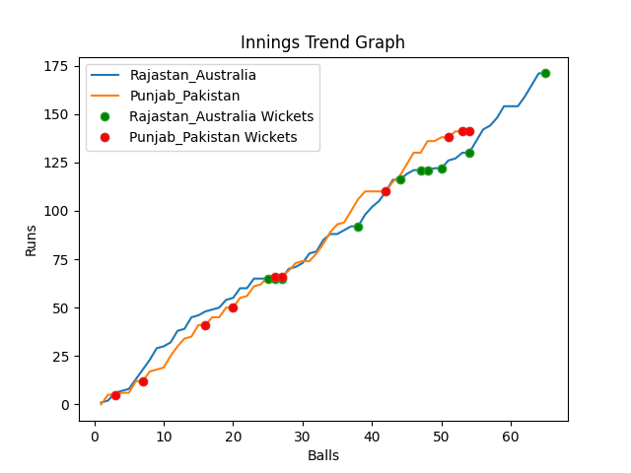
Batting | Runs | Balls Faced | MOD | Bowler | Batting No | Batting | Runs | Balls Faced | MOD | Bowler | Batting No
David Warner | 46 | 16 | LBW | Shadab Khan | 1 | Mohammad Rizwan | 5 | 3 | Caught | Josh Hazlewood | 1
Aaron Finch(C) | 31 | 16 | Bowled | Shaheen Afridi | 2 | Babar Azam(C) | 6 | 3 | LBW | Adam Zampa | 2
Mitchell Marsh | 0 | 1 | Bowled | Shadab Khan | 3 | Fakhar Zaman | 8 | 4 | Bowled | Mitchell Starc | 3
Steve Smith | 0 | 1 | Caught | Shadab Khan | 4 | Mohammad Hafeez | 49 | 16 | Caught | Adam Zampa | 4
Glenn Maxwell | 26 | 7 | Bowled | Hasan Ali | 5 | Shoaib Malik | 9 | 4 | Bowled | Pat Cummins | 5
Matthew Wade | 15 | 5 | LBW | Hasan Ali | 6 | Asif Ali | 10 | 4 | Caught | Marcus Stionis | 6
Marcus Stionis | 3 | 2 | Bowled | Imad Wasim | 7 | Shadab Khan | 0 | 1 | LBW | Marcus Stionis | 7
Pat Cummins | 0 | 1 | LBW | Hasan Ali | 8 | Imad Wasim | 43 | 14 | Bowled | Pat Cummins | 8
Mitchell Starc | 4 | 2 | NOT OUT |  | 9 | Hasan Ali | 8 | 3 | LBW | Pat Cummins | 9
Adam Zampa | 5 | 3 | LBW | Imad Wasim | 10 | Shaheen Afridi | 3 | 1 | NOT OUT |  | 10
Josh Hazlewood | 41 | 11 | Bowled | Haris Rauf | 11 | Haris Rauf | 0 | 1 | Bowled | Pat Cummins | 11

Total | Wickets | Overs | Balls |  |  | Total | Wickets | Overs | Balls
171 | 10 | 10.5 | 65 |  |  | 141 | 10 | 9.0 | 54

Bowling | Overs | Runs | Wickets | Economy |  | Bowling | Overs | Runs | Wickets | Economy
Shaheen Afridi | 2.0 | 45 | 1 | 22.5 |  | Marcus Stionis | 1.0 | 12 | 2 | 12
Hasan Ali | 2.0 | 23 | 3 | 11.5 |  | Josh Hazlewood | 2.0 | 32 | 1 | 16
Imad Wasim | 2.0 | 24 | 2 | 12 |  | Adam Zampa | 2.0 | 34 | 2 | 17
Shadab Khan | 2.0 | 32 | 3 | 16 |  | Mitchell Starc | 2.0 | 41 | 1 | 20.5
Haris Rauf | 2.5 | 47 | 1 | 18.8 |  | Pat Cummins | 2.0 | 22 | 4 | 11

 |  |  |  |  | Punjab Pakistan Won the toss and chose to bowl
 |  |  |  |  | Rajastan Australia Won by 30 runs

