Validation
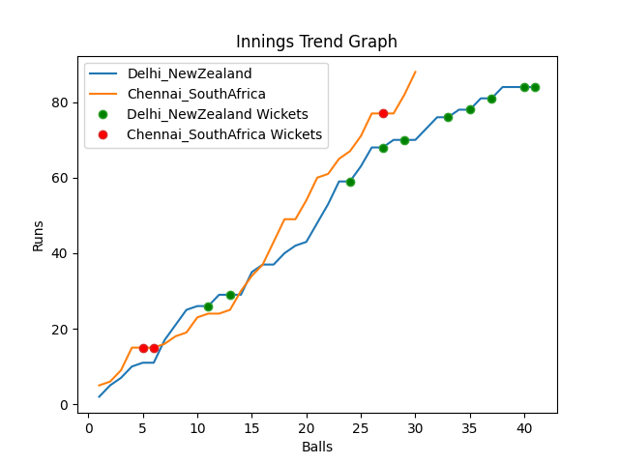
Batting | Runs | Balls Faced | MOD | Bowler | Batting No | Batting | Runs | Balls Faced | MOD | Bowler | Batting No
Martin Guptill | 6 | 4 | LBW | Anrich Nortje | 1 | Temba Bavuma(C) | 12 | 4 | Bowled | Trent Boult | 1
Daryl Mitchell | 20 | 8 | LBW | Keshav Maharaj | 2 | Quinton de Kock | 31 | 11 | NOT OUT |  | 2
Kane Williamson(C) | 9 | 5 | Bowled | Anrich Nortje | 3 | Rassie Van der Dussen | 0 | 1 | Bowled | Trent Boult | 3
Devon Conway | 27 | 9 | LBW | Kagiso Rabada | 4 | Aiden Markram | 34 | 11 | Bowled | Mitchell Santner | 4
Glenn Phillips | 9 | 3 | Bowled | Dwaine Pretorius | 5 | David Miller | 11 | 3 | * NOT OUT |  | 5
James Neesham | 2 | 2 | Bowled | Dwaine Pretorius | 6 | Reeza Hendricks | 0 | 0 |  |  | 6
Mitchell Santner | 3 | 3 | Caught | Tabraiz Shamsi | 7 | Dwaine Pretorius | 0 | 0 |  |  | 7
Adam Milne | 2 | 2 | LBW | Tabraiz Shamsi | 8 | Kagiso Rabada | 0 | 0 |  |  | 8
Ish Sodhi | 3 | 3 | Caught | Anrich Nortje | 9 | Keshav Maharaj | 0 | 0 |  |  | 9
Tim Southee | 3 | 1 | NOT OUT |  | 10 | Anrich Nortje | 0 | 0 |  |  | 10
Trent Boult | 0 | 1 | Bowled | Anrich Nortje | 11 | Tabraiz Shamsi | 0 | 0 |  |  | 11

Total | Wickets | Overs | Balls |  |  | Total | Wickets | Overs | Balls
84 | 10 | 6.5 | 41 |  |  | 88 | 3 | 5.0 | 30

Bowling | Overs | Runs | Wickets | Economy |  | Bowling | Overs | Runs | Wickets | Economy
Keshav Maharaj | 1.0 | 11 | 1 | 11 |  | Trent Boult | 1.0 | 15 | 2 | 15
Kagiso Rabada | 1.0 | 19 | 1 | 19 |  | Tim Southee | 1.0 | 9 | 0 | 9
Dwaine Pretorius | 1.0 | 11 | 2 | 11 |  | Ish Sodhi | 1.0 | 25 | 0 | 25
Tabraiz Shamsi | 2.0 | 22 | 2 | 11 |  | Adam Milne | 1.0 | 18 | 0 | 18
Anrich Nortje | 1.5 | 21 | 4 | 14 |  | Mitchell Santner | 1.0 | 21 | 1 | 21

