Validation
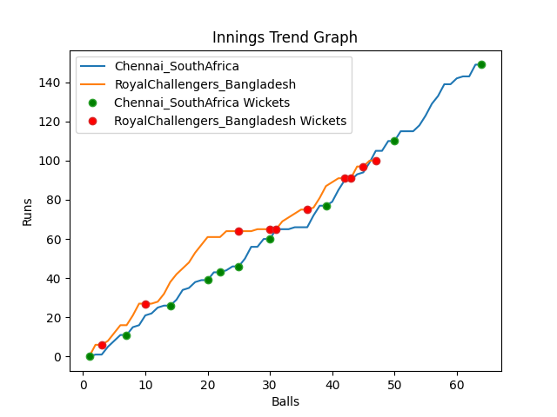
Batting | Runs | Balls Faced | MOD | Bowler | Batting No | Batting | Runs | Balls Faced | MOD | Bowler | Batting No
Temba Bavuma(C) | 0 | 1 | Caught | Shoriful Islam | 1 | Tamim Iqbal | 6 | 3 | LBW | Tabraiz Shamsi | 1
Quinton de Kock | 7 | 4 | Caught | Mustafizur Rahman | 2 | Liton Das | 33 | 12 | Bowled | Dwaine Pretorius | 2
Rassie Van der Dussen | 20 | 10 | Caught | Shamim Hossain | 3 | Shakib Al Hasan | 21 | 7 | Caught | Anrich Nortje | 3
Aiden Markram | 8 | 4 | LBW | Taskin Ahmed | 4 | Mushfiqur Rahim | 4 | 5 | Bowled | Dwaine Pretorius | 4
David Miller | 6 | 3 | Bowled | Mahedi Hasan | 5 | Mahmudulla(C) | 16 | 8 | Caught | Anrich Nortje | 5
Reeza Hendricks | 4 | 2 | Bowled | Mahedi Hasan | 6 | Afif Hossain | 0 | 1 | LBW | Tabraiz Shamsi | 6
Dwaine Pretorius | 12 | 6 | Caught | Mustafizur Rahman | 7 | Shamim Hossain | 10 | 5 | LBW | Tabraiz Shamsi | 7
Kagiso Rabada | 14 | 5 | LBW | Shamim Hossain | 8 | Mahedi Hasan | 1 | 2 | Caught | Keshav Maharaj | 8
Keshav Maharaj | 37 | 14 | Bowled | Shoriful Islam | 9 | Taskin Ahmed | 0 | 1 | Bowled | Keshav Maharaj | 9
Anrich Nortje | 32 | 10 | Bowled | Mahedi Hasan | 10 | Mustafizur Rahman | 6 | 2 | LBW | Keshav Maharaj | 10
Tabraiz Shamsi | 9 | 5 | NOT OUT |  | 11 | Shoriful Islam | 3 | 1 | NOT OUT |  | 11

Total | Wickets | Overs | Balls |  |  | Total | Wickets | Overs | Balls
149 | 10 | 10.4 | 64 |  |  | 100 | 10 | 7.5 | 47

Bowling | Overs | Runs | Wickets | Economy |  | Bowling | Overs | Runs | Wickets | Economy
Mustafizur Rahman | 2.0 | 38 | 2 | 19 |  | Kagiso Rabada | 1.0 | 11 | 0 | 11
Taskin Ahmed | 2.0 | 28 | 1 | 14 |  | Dwaine Pretorius | 1.0 | 1 | 2 | 1
Mahedi Hasan | 2.0 | 21 | 3 | 10.5 |  | Tabraiz Shamsi | 2.0 | 26 | 3 | 13
Shamim Hossain | 2.0 | 38 | 2 | 19 |  | Anrich Nortje | 2.0 | 28 | 2 | 14
Shoriful Islam | 2.4 | 24 | 2 | 10 |  | Keshav Maharaj | 1.5 | 34 | 3 | 22.67

