Validation
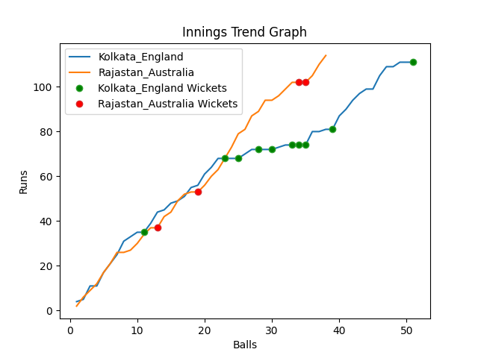
Batting | Runs | Balls Faced | MOD | Bowler | Batting No | Batting | Runs | Balls Faced | MOD | Bowler | Batting No
Jason Roy | 19 | 8 | Caught | Pat Cummins | 1 | David Warner | 51 | 16 | * NOT OUT |  | 1
Jos Buttler | 30 | 9 | Caught | Adam Zampa | 2 | Aaron Finch(C) | 6 | 3 | Caught | Chris Jordan | 2
Dawid Malan | 20 | 8 | LBW | Adam Zampa | 3 | Mitchell Marsh | 15 | 5 | Caught | Chris Woakes | 3
Jonny Bairstow | 0 | 2 | Bowled | Marcus Stionis | 4 | Steve Smith | 39 | 12 | Bowled | Mark Wood | 4
Eoin Morgan(C) | 4 | 3 | Bowled | Marcus Stionis | 5 | Glenn Maxwell | 0 | 1 | Caught | Mark Wood | 5
Moeen Ali | 0 | 2 | Caught | Marcus Stionis | 6 | Matthew Wade | 3 | 1 | NOT OUT |  | 6
Liam Livingstone | 1 | 2 | LBW | Josh Hazlewood | 7 | Marcus Stionis | 0 | 0 |  |  | 7
Chris Woakes | 0 | 1 | LBW | Josh Hazlewood | 8 | Pat Cummins | 0 | 0 |  |  | 8
Chris Jordan | 0 | 1 | Caught | Josh Hazlewood | 9 | Mitchell Starc | 0 | 0 |  |  | 9
Adil Rashid | 14 | 5 | NOT OUT |  | 10 | Adam Zampa | 0 | 0 |  |  | 10
Mark Wood | 23 | 10 | Caught | Pat Cummins | 11 | Josh Hazlewood | 0 | 0 |  |  | 11

Total | Wickets | Overs | Balls |  |  | Total | Wickets | Overs | Balls
111 | 10 | 8.3 | 51 |  |  | 114 | 4 | 6.2 | 38

Bowling | Overs | Runs | Wickets | Economy |  | Bowling | Overs | Runs | Wickets | Economy
Marcus Stionis | 1.0 | 4 | 3 | 4 |  | Chris Jordan | 1.0 | 16 | 1 | 16
Josh Hazlewood | 2.0 | 29 | 3 | 14.5 |  | Chris Woakes | 1.0 | 20 | 1 | 20
Adam Zampa | 2.0 | 32 | 2 | 16 |  | Liam Livingstone | 1.0 | 21 | 0 | 21
Mitchell Starc | 2.0 | 31 | 0 | 15.5 |  | Mark Wood | 2.0 | 32 | 2 | 16
Pat Cummins | 1.3 | 15 | 2 | 11.54 |  | Adil Rashid | 1.2 | 25 | 0 | 20.83

 |  |  |  |  | Rajastan Australia Won the toss and chose to bowl
 |  |  |  |  | Rajastan Australia Won by 6 wickets

