Validation
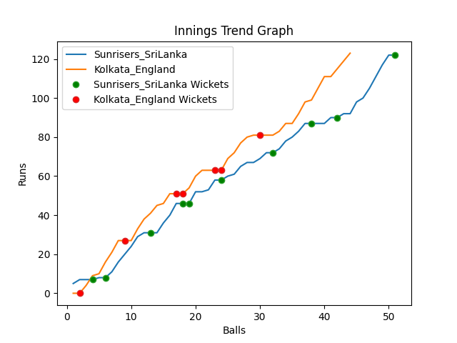
Batting | Runs | Balls Faced | MOD | Bowler | Batting No | Batting | Runs | Balls Faced | MOD | Bowler | Batting No
Dinesh Chandimal | 7 | 4 | Caught | Mark Wood | 1 | Jason Roy | 0 | 2 | Caught | Nuwan Pradeep | 1
Pathum Nissanka | 0 | 1 | LBW | Mark Wood | 2 | Jos Buttler | 17 | 4 | LBW | Maheesh Theekshana | 2
Charith Asalanka | 21 | 7 | Caught | Chris Jordan | 3 | Dawid Malan | 32 | 10 | Caught | Wanindu Hasaranga | 3
Dhananjaya de Silva | 8 | 3 | Caught | Chris Woakes | 4 | Jonny Bairstow | 19 | 6 | Bowled | Dushmantha Chameera | 4
Bhanuka Rajapakse | 15 | 5 | Bowled | Chris Jordan | 5 | Eoin Morgan(C) | 0 | 1 | Caught | Dushmantha Chameera | 5
Dasun Shanka(C) | 0 | 1 | Bowled | Chris Woakes | 6 | Moeen Ali | 3 | 3 | LBW | Chamika Karunarathne | 6
Wanindu Hasaranga | 22 | 10 | Caught | Adil Rashid | 7 | Liam Livingstone | 0 | 1 | Bowled | Chamika Karunarathne | 7
Chamika Karunarathne | 3 | 3 | Caught | Mark Wood | 8 | Chris Woakes | 34 | 9 | * NOT OUT |  | 8
Dushmantha Chameera | 11 | 5 | LBW | Adil Rashid | 9 | Chris Jordan | 18 | 8 | NOT OUT |  | 9
Maheesh Theekshana | 3 | 3 | NOT OUT |  | 10 | Adil Rashid | 0 | 0 |  |  | 10
Nuwan Pradeep | 32 | 9 | Bowled | Chris Woakes | 11 | Mark Wood | 0 | 0 |  |  | 11

Total | Wickets | Overs | Balls |  |  | Total | Wickets | Overs | Balls
122 | 10 | 8.3 | 51 |  |  | 123 | 7 | 7.2 | 44

Bowling | Overs | Runs | Wickets | Economy |  | Bowling | Overs | Runs | Wickets | Economy
Liam Livingstone | 1.0 | 11 | 0 | 11 |  | Chamika Karunarathne | 1.0 | 12 | 2 | 12
Mark Wood | 2.0 | 22 | 3 | 11 |  | Wanindu Hasaranga | 1.0 | 18 | 1 | 18
Adil Rashid | 2.0 | 30 | 2 | 15 |  | Nuwan Pradeep | 2.0 | 27 | 1 | 13.5
Chris Jordan | 2.0 | 36 | 2 | 18 |  | Maheesh Theekshana | 2.0 | 45 | 1 | 22.5
Chris Woakes | 1.3 | 23 | 3 | 17.69 |  | Dushmantha Chameera | 1.2 | 21 | 2 | 17.5

 |  |  |  |  | Sunrisers SriLankaWon the toss and chose tobat

