Validation
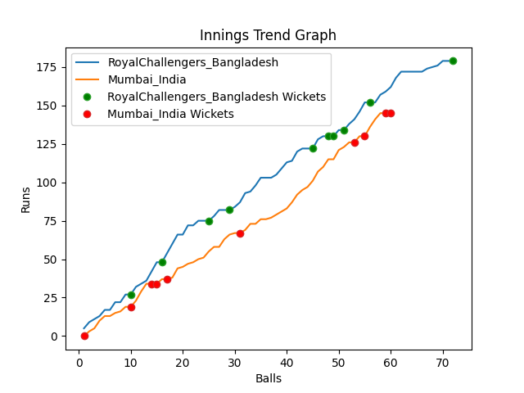
Batting | Runs | Balls Faced | MOD | Bowler | Batting No | Batting | Runs | Balls Faced | MOD | Bowler | Batting No
Tamim Iqbal | 27 | 10 | Bowled | Jasprit Bumrah | 1 | KL Rahul | 0 | 1 | Caught | Shoriful Islam | 1
Liton Das | 0 | 2 | Caught | Hardik Pandya | 2 | Rohit Sharma | 13 | 5 | Caught | Taskin Ahmed | 2
Shakib Al Hasan | 21 | 6 | Bowled | Mohommad Shami | 3 | Virat Kohli(C) | 6 | 5 | LBW | Mustafizur Rahman | 3
Mushfiqur Rahim | 31 | 10 | LBW | Hardik Pandya | 4 | Suryakumar Yadav | 15 | 4 | Bowled | Taskin Ahmed | 4
Mahmudulla(C) | 18 | 7 | Bowled | Mohommad Shami | 5 | Rishabh Pant | 0 | 1 | Caught | Taskin Ahmed | 5
Afif Hossain | 36 | 13 | Bowled | Hardik Pandya | 6 | Ravindra Jadeja | 21 | 9 | Bowled | Shoriful Islam | 6
Shamim Hossain | 8 | 3 | LBW | Mohommad Shami | 7 | Hardik Pandya | 28 | 13 | Bowled | Mahedi Hasan | 7
Mahedi Hasan | 0 | 1 | Caught | Bhuvneshwar Kumar | 8 | Bhuvneshwar Kumar | 43 | 15 | NOT OUT |  | 8
Taskin Ahmed | 4 | 2 | Caught | Bhuvneshwar Kumar | 9 | Mohommad Shami | 4 | 2 | LBW | Shamim Hossain | 9
Mustafizur Rahman | 23 | 11 | NOT OUT |  | 10 | Jasprit Bumrah | 15 | 4 | Bowled | Shamim Hossain | 10
Shoriful Islam | 11 | 7 | Bowled | Jasprit Bumrah | 11 | Yuzvendra Chahal | 0 | 1 | Caught | Shamim Hossain | 11

Total | Wickets | Overs | Balls |  |  | Total | Wickets | Overs | Balls
179 | 10 | 12.0 | 72 |  |  | 145 | 10 | 10.0 | 60

Bowling | Overs | Runs | Wickets | Economy |  | Bowling | Overs | Runs | Wickets | Economy
Mohommad Shami | 2.0 | 36 | 3 | 18 |  | Shoriful Islam | 2.0 | 22 | 2 | 11
Bhuvneshwar Kumar | 2.0 | 31 | 2 | 15.5 |  | Mustafizur Rahman | 2.0 | 32 | 1 | 16
Hardik Pandya | 2.0 | 25 | 3 | 12.5 |  | Taskin Ahmed | 2.0 | 32 | 3 | 16
Yuzvendra Chahal | 3.0 | 46 | 0 | 15.33 |  | Mahedi Hasan | 2.0 | 28 | 1 | 14
Jasprit Bumrah | 3.0 | 41 | 2 | 13.67 |  | Shamim Hossain | 2.0 | 31 | 3 | 15.5

