Validation
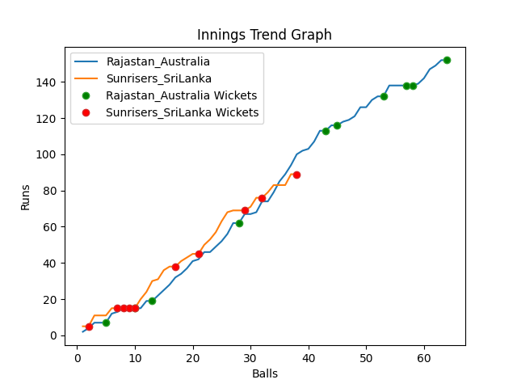
Batting | Runs | Balls Faced | MOD | Bowler | Batting No | Batting | Runs | Balls Faced | MOD | Bowler | Batting No
David Warner | 9 | 6 | Bowled | Maheesh Theekshana | 1 | Dinesh Chandimal | 5 | 2 | LBW | Josh Hazlewood | 1
Aaron Finch(C) | 0 | 2 | Bowled | Nuwan Pradeep | 2 | Pathum Nissanka | 7 | 3 | LBW | Mitchell Starc | 2
Mitchell Marsh | 35 | 12 | Caught | Wanindu Hasaranga | 3 | Charith Asalanka | 10 | 5 | LBW | Adam Zampa | 3
Steve Smith | 4 | 3 | Bowled | Dushmantha Chameera | 4 | Dhananjaya de Silva | 0 | 1 | Caught | Adam Zampa | 4
Glenn Maxwell | 49 | 15 | Caught | Dushmantha Chameera | 5 | Bhanuka Rajapakse | 0 | 1 | LBW | Adam Zampa | 5
Matthew Wade | 16 | 6 | Bowled | Dushmantha Chameera | 6 | Dasun Shanka(C) | 0 | 1 | Bowled | Adam Zampa | 6
Marcus Stionis | 16 | 7 | Bowled | Chamika Karunarathne | 7 | Wanindu Hasaranga | 20 | 7 | Caught | Pat Cummins | 7
Pat Cummins | 6 | 4 | Bowled | Nuwan Pradeep | 8 | Chamika Karunarathne | 29 | 10 | Caught | Adam Zampa | 8
Mitchell Starc | 6 | 4 | Bowled | Wanindu Hasaranga | 9 | Dushmantha Chameera | 8 | 4 | LBW | Marcus Stionis | 9
Adam Zampa | 0 | 1 | Caught | Wanindu Hasaranga | 10 | Maheesh Theekshana | 7 | 3 | LBW | Josh Hazlewood | 10
Josh Hazlewood | 11 | 4 | NOT OUT |  | 11 | Nuwan Pradeep | 3 | 1 | NOT OUT |  | 11

Total | Wickets | Overs | Balls |  |  | Total | Wickets | Overs | Balls
152 | 10 | 10.4 | 64 |  |  | 89 | 10 | 6.2 | 38

Bowling | Overs | Runs | Wickets | Economy |  | Bowling | Overs | Runs | Wickets | Economy
Maheesh Theekshana | 2.0 | 31 | 1 | 15.5 |  | Mitchell Starc | 1.0 | 17 | 1 | 17
Dushmantha Chameera | 2.0 | 23 | 3 | 11.5 |  | Pat Cummins | 1.0 | 16 | 1 | 16
Chamika Karunarathne | 2.0 | 32 | 1 | 16 |  | Marcus Stionis | 1.0 | 14 | 1 | 14
Wanindu Hasaranga | 2.0 | 22 | 3 | 11 |  | Josh Hazlewood | 2.0 | 27 | 2 | 13.5
Nuwan Pradeep | 2.4 | 44 | 2 | 18.33 |  | Adam Zampa | 1.2 | 15 | 5 | 12.5

