Validation
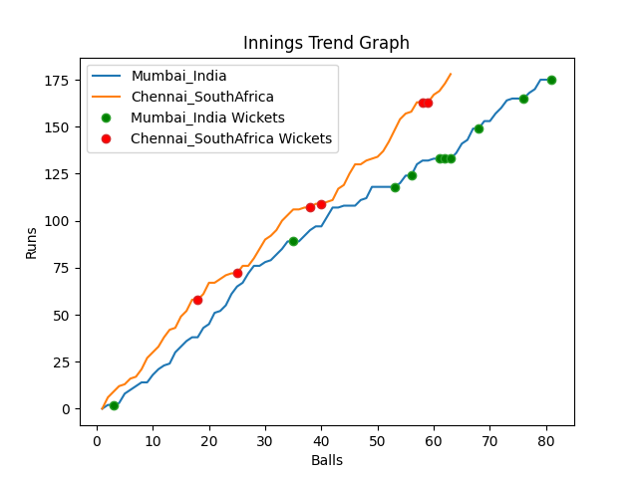
Batting | Runs | Balls Faced | MOD | Bowler | Batting No | Batting | Runs | Balls Faced | MOD | Bowler | Batting No
KL Rahul | 2 | 3 | Caught | Tabraiz Shamsi | 1 | Temba Bavuma(C) | 70 | 25 | LBW | Hardik Pandya | 1
Rohit Sharma | 82 | 33 | Caught | Kagiso Rabada | 2 | Quinton de Kock | 35 | 10 | Bowled | Mohommad Shami | 2
Virat Kohli(C) | 17 | 8 | LBW | Tabraiz Shamsi | 3 | Rassie Van der Dussen | 3 | 2 | Bowled | Hardik Pandya | 3
Suryakumar Yadav | 17 | 10 | Bowled | Tabraiz Shamsi | 4 | Aiden Markram | 26 | 9 | Caught | Jasprit Bumrah | 4
Rishabh Pant | 6 | 3 | LBW | Dwaine Pretorius | 5 | David Miller | 2 | 2 | Bowled | Jasprit Bumrah | 5
Ravindra Jadeja | 22 | 8 | LBW | Anrich Nortje | 6 | Reeza Hendricks | 27 | 10 | NOT OUT |  | 6
Hardik Pandya | 0 | 1 | LBW | Tabraiz Shamsi | 7 | Dwaine Pretorius | 0 | 1 | LBW | Hardik Pandya | 7
Bhuvneshwar Kumar | 0 | 1 | LBW | Tabraiz Shamsi | 8 | Kagiso Rabada | 15 | 4 | * NOT OUT |  | 8
Mohommad Shami | 15 | 7 | Bowled | Kagiso Rabada | 9 | Keshav Maharaj | 0 | 0 |  |  | 9
Jasprit Bumrah | 11 | 6 | Caught | Keshav Maharaj | 10 | Anrich Nortje | 0 | 0 |  |  | 10
Yuzvendra Chahal | 3 | 1 | NOT OUT |  | 11 | Tabraiz Shamsi | 0 | 0 |  |  | 11

Total | Wickets | Overs | Balls |  |  | Total | Wickets | Overs | Balls
175 | 10 | 13.3 | 81 |  |  | 178 | 6 | 10.3 | 63

Bowling | Overs | Runs | Wickets | Economy |  | Bowling | Overs | Runs | Wickets | Economy
Dwaine Pretorius | 2.0 | 30 | 1 | 15 |  | Jasprit Bumrah | 2.0 | 27 | 2 | 13.5
Tabraiz Shamsi | 3.0 | 31 | 5 | 10.33 |  | Mohommad Shami | 2.0 | 41 | 1 | 20.5
Anrich Nortje | 3.0 | 48 | 1 | 16 |  | Bhuvneshwar Kumar | 2.0 | 36 | 0 | 18
Keshav Maharaj | 3.0 | 30 | 1 | 10 |  | Hardik Pandya | 2.0 | 31 | 3 | 15.5
Kagiso Rabada | 2.3 | 36 | 2 | 15.65 |  | Yuzvendra Chahal | 2.3 | 43 | 0 | 18.7

 |  |  |  |  | Chennai SouthAfrica Won the toss and chose to bowl
 |  |  |  |  | Chennai SouthAfrica Won by 4 wickets

