Match Summary
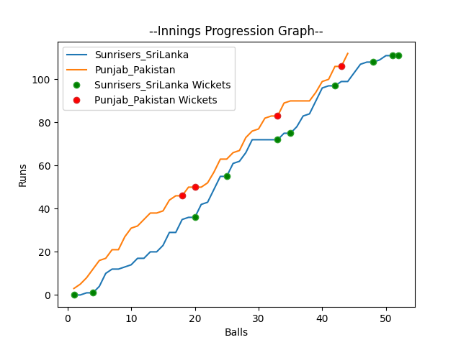
Batting | Runs | Balls Faced | MOD | Bowler | Batting No | Batting | Runs | Balls Faced | MOD | Bowler | Batting No
Dinesh Chandimal | 0 | 1 | Caught | Haris Rauf | 1 | Mohammad Rizwan | 18 | 10 | Caught | Nuwan Pradeep | 1
Pathum Nissanka | 0 | 1 | LBW | Haris Rauf | 2 | Babar Azam(C) | 30 | 11 | Caught | Dushmantha Chameera | 2
Charith Asalanka | 16 | 10 | Bowled | Imad Wasim | 3 | Fakhar Zaman | 4 | 2 | Caught | Chamika Karunarathne | 3
Dhananjaya de Silva | 32 | 11 | Bowled | Shadab Khan | 4 | Mohammad Hafeez | 41 | 16 | NOT OUT |  | 4
Bhanuka Rajapakse | 17 | 8 | Bowled | Haris Rauf | 5 | Shoaib Malik | 13 | 4 | LBW | Dushmantha Chameera | 5
Dasun Shanka(C) | 7 | 3 | Caught | Haris Rauf | 6 | Asif Ali | 6 | 1 | * NOT OUT |  | 6
Wanindu Hasaranga | 9 | 4 | LBW | Shaheen Afridi | 7 | Shadab Khan | 0 | 0 |  |  | 7
Chamika Karunarathne | 16 | 5 | LBW | Hasan Ali | 8 | Imad Wasim | 0 | 0 |  |  | 8
Dushmantha Chameera | 13 | 7 | LBW | Imad Wasim | 9 | Hasan Ali | 0 | 0 |  |  | 9
Maheesh Theekshana | 1 | 1 | NOT OUT |  | 10 | Shaheen Afridi | 0 | 0 |  |  | 10
Nuwan Pradeep | 0 | 1 | LBW | Imad Wasim | 11 | Haris Rauf | 0 | 0 |  |  | 11

Total | Wickets | Overs | Balls |  |  | Total | Wickets | Overs | Balls
111 | 10 | 8.4 | 52 |  |  | 112 | 4 | 7.2 | 44

Bowling | Overs | Runs | Wickets | Economy |  | Bowling | Overs | Runs | Wickets | Economy
Shadab Khan | 1.0 | 17 | 1 | 17 |  | Chamika Karunarathne | 1.0 | 17 | 1 | 17
Haris Rauf | 2.0 | 16 | 4 | 8 |  | Wanindu Hasaranga | 1.0 | 14 | 0 | 14
Shaheen Afridi | 2.0 | 26 | 1 | 13 |  | Nuwan Pradeep | 2.0 | 30 | 1 | 15
Hasan Ali | 2.0 | 29 | 1 | 14.5 |  | Maheesh Theekshana | 2.0 | 34 | 0 | 17
Imad Wasim | 1.4 | 23 | 3 | 16.43 |  | Dushmantha Chameera | 1.2 | 17 | 2 | 14.17

 |  |  |  |  | Sunrisers SriLanka Won the toss and chose to bat
 |  |  |  |  | Punjab Pakistan Won by 6 wickets

